Front Page

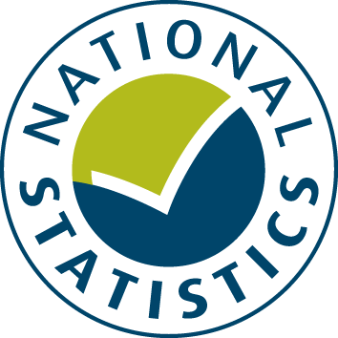

SPECIFIC AND SPECIAL REVENUE GRANTS BUDGET 2016-17

The data from this spreadsheet have been used to compile the National Statistics release "Local authority revenue expenditure and financing England: 2016-17 Budget" which was published on 30 June 2016. This is found at:

https://www.gov.uk/government/collections/local-authority-revenue-expenditure-and-financing

The spreadsheet contains budget estimates of local authority specific and special revenue grants for the financial year 1 April 2016 to 31 March 2017. These estimates are on a non International Accounting Standards 19 (IAS19) & Private Finance Initiative (PFI) on an "Off Balance Sheet" basis except where stated otherwise.

This is an interactive spreadsheet where by using the drop-down button in the 'LA drop-down' sheet you can produce the summary page by England, classification and individual local authority level.

The spreadsheet has been compiled by the Data, Analytics and Statistics Division of the Analysis and Data Directorate of the Department for Communities and Local Government.

We welcome comments and suggestions for further improvement or about your experiences with this product. This may include comments on data quality, timing and the format of the statistics. Please contact us at:

lgf1.revenue@communities.gsi.gov.uk

