Title
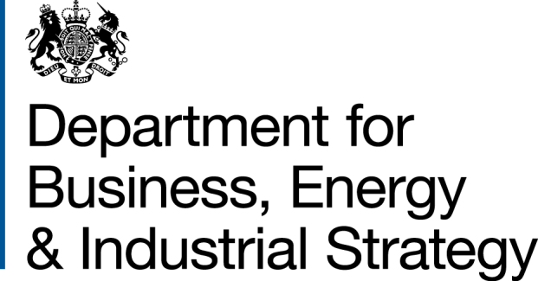
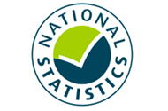

 | Household Energy Efficiency
 | Statistics

Please direct all press enquiries to Press Officer 020 7215 5975

Responsible Statistician
Stephen Oxley
EnergyEfficiency.Stats@beis.gov.uk
0300 068 5025

This workbook was updated on 17 October 2019

Contents
Household Energy Efficiency Statistics

Publication date: | 17 October 2019
Contents (Great Britain unless stated)
Further Info
Overall Summary
Monthly Summary
Charts
Map1 | Households in receipt of ECO measures by Local Authority per 1,000 households
Map2 | ECO measures installed through Flexible Eligibility, by Local Authority
Table Number | Table name | Last updated | Next updated | Release
Table 1.1 | Energy Efficiency Measures, Households and Carbon Savings Measures installed through ECO and under the Green Deal Framework, by installation month | 17 Oct 2019 | 19 Dec 2019 | Headline
Table 1.2 | Households that have had measures installed through ECO and under the Green Deal Framework, by installation month | 17 Oct 2019 | 19 Dec 2019 | Headline
Table 1.3 | Households that have had measures installed through ECO and under the Green Deal Framework, by installation month (From May 2015) | 17 Oct 2019 | 19 Dec 2019 | Headline
Table 1.4 | Estimated carbon and energy savings from measures installed through ECO, Cashback, Green Deal Home Improvement Fund and Green Deal Plans | 17 Oct 2019 | 19 Dec 2019 | Headline
Table 2.1 | ECO Measures Installed and Households (Headline) Estimated lifetime bill savings for Affordable Warmth measures by installation month | 17 Oct 2019 | 19 Dec 2019 | Headline
Table 2.2 | Estimated deemed lifetime bill savings for ECO3 measures by installation month | 17 Oct 2019 | 21 Nov 2019 | Headline
Table 2.3 | ECO 1-2 measures installed, by obligation, by installation month | 18 Jul 2019 | N/A | Headline
Table 2.4 | ECO Help-To-Heat measures installed, by obligation, by installation month | 17 Oct 2019 | 19 Dec 2019 | Headline
Table 2.5 | ECO3 measures installed, by obligation, by installation month | 17 Oct 2019 | 21 Nov 2019 | Headline
Table 2.6 | ECO 1-2 measures installed, by measure type, by obligation | 18 Jul 2019 | N/A | Headline
Table 2.7 | ECO Help-To-Heat measures installed, by measure type, by obligation | 17 Oct 2019 | 19 Dec 2019 | Headline
Table 2.8 | ECO3 measures installed, by measure type, by obligation | 17 Oct 2019 | 21 Nov 2019 | Headline
Table 3.1 | ECO Measures Installed (Detailed) ECO measures installed, by measure type and obligation, by quarter | 17 Oct 2019 | 19 Dec 2019 | Headline
Table 3.2 | ECO measures by property main fuel type, ECO obligation and by quarter | 17 Oct 2019 | 19 Dec 2019 | Headline
Table 3.3 | ECO measures by ECO obligation by region, by quarter | 17 Oct 2019 | 19 Dec 2019 | Headline
Table 3.4 | ECO measures by ECO obligation by administrative area | 17 Oct 2019 | 19 Dec 2019 | Headline
Table 3.5 | ECO Afforable Warmth measures installed, by administrative area (from April 2017) | 17 Oct 2019 | 19 Dec 2019 | Headline
Table 3.6 | ECO measures by ECO obligation by Parliamentary Constituency | 17 Oct 2019 | 19 Dec 2019 | Headline
Table 4.1 | ECO Households (Detailed) Households in receipt of ECO measures by region, by quarter | 17 Oct 2019 | 19 Dec 2019 | Headline
Table 4.2 | Households in receipt of ECO measures by property type, ECO obligation and by quarter | 17 Oct 2019 | 19 Dec 2019 | Headline
Table 4.3 | Households in receipt of ECO measures by tenure, ECO obligation and by quarter | 17 Oct 2019 | 19 Dec 2019 | Headline
Table 4.4 | Households in receipt of ECO measures by administrative area | 17 Oct 2019 | 19 Dec 2019 | Headline
Table 4.5 | Households in receipt of ECO measures by Parliamentary Constituency | 17 Oct 2019 | 19 Dec 2019 | Headline
Table 5.1 | ECO Brokerage ECO brokerage auctions and total amount traded, by month | 17 Oct 2019 | 21 Nov 2019 | Headline
Table 5.2 | ECO measures traded through brokerage by month and ECO obligation | 17 Oct 2019 | 19 Dec 2019 | Headline
Table 5.3 | ECO brokerage auction clearing prices by ECO obligation, by auction, January 2013 - March 2017 | 22 Jun 2017 | N/A | Headline
Table 5.4 | ECO brokerage auction clearing prices by ECO obligation, by auction, April 2017 - January 2019 | 21 Mar 2019 | N/A | Headline
Table 5.5 | ECO brokerage auction clearing prices by ECO obligation, by auction, February 2019 onwards | 17 Oct 2019 | 21 Nov 2019 | Headline
Table 6.1 | ECO Costs Estimated ECO delivery costs, by obligation, and administrative costs as reported by energy suppliers, by quarter | 17 Oct 2019 | 19 Dec 2019 | Headline
Table 6.2 | Estimated average ECO 1-2 delivery costs as reported by energy suppliers | 18 Jul 2019 | N/A | Headline
Table 6.3 | Estimated average ECO Help-To-Heat delivery costs as reported by energy suppliers | 18 Jul 2019 | N/A | Headline
Table 6.4 | Estimated average ECO3 delivery costs as reported by energy suppliers | 17 Oct 2019 | 19 Dec 2019 | Headline
Table 6.5 | Estimated ECO Help-to-Heat delivery costs, by obligation, and administrative costs as reported by energy suppliers, by quarter, up to end September 2018 | 18 Jul 2019 | N/A | Headline
Table 6.6 | Estimated ECO3 delivery costs, by obligation, and administrative costs as reported by energy suppliers, by quarter, up to end December 2018 | 17 Oct 2019 | 19 Dec 2019 | Headline
Table 7.1 | Green Deal Number of Green Deal Plans in domestic unique properties, cumulative total, by month | 17 Oct 2019 | 19 Dec 2019 | Headline
Table 7.2 | Number of measures installed using Green Deal Finance, and cumulative total, by installation month | 17 Oct 2019 | 19 Dec 2019 | Headline
Table 7.3 | Number of measures installed using Green Deal Finance, by quarter | 17 Oct 2019 | 19 Dec 2019 | Headline
Table 7.4 | Accredited Assessor organisations, Individual Advisors, Green Deal Providers and Installer organisations, cumulative totals by month | 17 Oct 2019 | 19 Dec 2019 | Headline

All figures are provisional and subject to revision.

Changes to the timing of quarterly statistical releases
Following a transitional period at the start of ECO3, analysis shows that almost 99 per cent of measures are reported to Ofgem within 1 calendar month for the reporting period. Since spring 2019, quarterly releases have been lagged by an additional one month to ensure that quarterly analysis is based on complete data. This is no longer necessary, so the next quarterly release will be in two months’ time on 19 December 2019.
In addition, due to planned changes to the production process it will be possible to harmonise the monthly and quarterly data such that the quarterly release can be brought forward to align with the final month’s ECO data. For example, in February 2020 a December 2019 and Q4 2019 count of ECO measures will be provided together. To do this, the quarterly release dates will be delayed by approximately one week to the last Thursday of a month. This change prioritises using consistent and timely ECO data throughout the release The Detailed (Annual) statistical release will not come forward so will follow approximately one month after the Q4 ECO release. This will align to the March monthly release.

Further Info
Further information
© Crown copyright 2019. You may re-use this information (not including logos) free of charge in any format or medium, under the terms of the Open Government Licence.
To view this licence, visit www.nationalarchives.gov.uk/doc/open-government-licence/
or write to the Information Policy Team, The National Archives, Kew, London TW9 4DU, or email: psi@nationalarchives.gsi.gov.uk.
Any enquiries or comments in relation to this statistical release should be sent to the Household Energy Efficiency Statistics Team at the following email address: EnergyEfficiency.Stats@beis.gov.uk or following contact telephone: 0300 068 5025. The statistician responsible for this publication is Stephen Oxley.
This document is also available from our website at: https://www.gov.uk/government/collections/household-energy-efficiency-national-statistics
Further information on energy statistics is available at: https://www.gov.uk/government/organisations/department-for-business-energy-and-industrial-strategy/about/statistics
For further information on background and Green Deal and Energy Company Obligation (ECO) policies, please see annex from the following detailed report (April 2019):
https://www.gov.uk/government/statistics/household-energy-efficiency-national-statistics-detailed-report-2018
Revision Policy
As with any data collection with a short time lag between data receipt and published release, there may be some data quality issues to resolve. Therefore data in these headline releases should be treated as provisional and subject to revision. Any revisions will be marked in the data tables and for any significant revisions we will provide an explanation of the main reasons.
Methodology Note and Background Quality Report
The statistics presented in this report are used by a wide range of organisations. Please see the accompanying methodology note and the background quality report (summarising the quality assurance relating to the statistics) for more details: https://www.gov.uk/government/publications/household-energy-efficiency-statistics-methodology-note
National Statistics
This is a National Statistics publication. The United Kingdom Statistics Authority has designated these statistics as National Statistics, in accordance with the Statistics and Registration Service Act 2007 and signifying compliance with the UK Statistics Authority: Code of Practice for Statistics. The Statistics Authority published its report on 12 June 2014: https://www.statisticsauthority.gov.uk/assessment/assessment-report/index.html
Designation can be broadly interpreted to mean that the statistics:
• meet identified user needs
• are well explained and readily accessible
• are produced according to sound methods, and
• are managed impartially and objectively in the public interest
Once statistics have been designated as National Statistics it is a statutory requirement that the Code of Practice shall continue to be observed.

Overall Summary
Overall Summary
Introduction
This release presents the latest statistics on the Energy Company Obligation (ECO) and the Green Deal (GD).
Key points
Energy Efficiency Measures, Households and Carbon Savings
The Government has established a target to upgrade around 1 million homes between May 2015 and April 2020. In the four years and four months of the target period so far, around 911,000 homes have had at least one improvement measure installed under ECO or the Green Deal. (Infographic 1, Table 1.3).
Around 2.7 million measures were installed in around 2.1 million properties through ECO and under the Green Deal Framework to the end of August 2019. Around 2.6 million of these installed measures (96 per cent) were delivered through ECO (Tables 1.1 and 1.2).
In Q2 2019, around 44,700 measures were installed through ECO in around an additional 25,900 households (Tables 3.3 and 4.1).
The provisional estimated lifetime carbon savings of measures installed by the end of June 2019, under ECO (including Affordable Warmth), Cashback, GDHIF and GD Plans was up to 48.7 MtCO2 with provisional estimated lifetime energy savings up to 189,900 GWh. This statistic has been revised to include ECO Affordable Warmth since last quarter. If ECO Affordable Warmth is excluded, the savings are up to 38.0 MtCO2 and 150,600 GWh of lifetime savings. (Table 1.4).
ECO Measures Installed and Households
Provisional figures show there were around 2.57m measures installed in 2.02m households under ECO up to the end of August 2019 (Tables 2.3 to 2.8).
Since the start of ECO3 in October 2018, 136,000 measures have been installed, including 18,600 measures installed in August 2019, the highest monthly delivery to date under ECO3 and provisionally a 1.7 per cent increase in the number of measures compared to July 2019 (Table 2.5). Suppliers have until March 2022 to deliver their obligations. To date, an average of 12,400 measures have been delivered per month under ECO3 reflecting a slower start compared with previous obligation periods, but the levels of delivery over the last two months (Jul-Aug) were 1.4 per cent higher than at the same stage of ECO Help-to-Heat.
Of all notified ECO measures installed to end of August 2019, 67 per cent of measures have been insulation measures, including cavity wall insulation (35 per cent), loft insulation (23 per cent) and solid wall insulation (seven per cent). The remainder are mostly heating measures with 22 per cent boiler measures and a further 11 per cent for ‘other heating’ measures. (Tables 2.6, 2.7 and 2.8 and Infographic 2).
The share of 'heating' measures has increased in ECO3 compared to the previous ECO phases, with boiler measures representing 27 per cent of measures and a further 18 per cent from ‘other heating’ measures up to August 2019. This is due to the Affordable Warmth obligation, the only sub-obligation to include boilers, making up the whole of ECO3. Of all notified ECO3 measures installed to end of August 2019, 23 per cent were for cavity wall insulation, 16 per cent were for loft insulation and seven per cent were for solid wall insulation. These are significantly higher than the share of insulation measures through Affordable Warmth across all ECO phases, where eight per cent were for cavity wall insulation, nine per cent were for loft insulation and one per cent were for solid wall insulation. In ECO3 the share of other insulation has increased to nine per cent. This is due to under floor insulation being the most popular associated insulation measure to a broken boiler. To date the scheme has delivered 11,100 broken boiler replacements with an associated insulation measure which has been under floor insulation in 79 per cent of cases. (Tables 2.6, 2.7 & 2.8, Chart 2a & 2b).
Through ECO, the combination of Affordable Warmth and the Carbon Savings Community obligations have delivered around 1.49 million measures in around 1.10 million low income and vulnerable households, or households in specified areas of low income, by the end of August 2019 (Tables 2.6, 2.7 & 2.8). Since the start of April 2017, around 280,000 Affordable Warmth measures have been installed in around 200,600 low income and vulnerable households. (Tables 2.7 and 2.8).
Up to the end of June 2019, around one fifth (18 per cent) of ECO measures were in the North West (461,300), the highest in any region. Thirteen per cent of ECO measures were installed in Scotland (319,100) and five per cent were in Wales (138,400). In Q2 2019 around 18 per cent of ECO measures were in the North West (7,900), the highest in any region. Thirteen per cent of ECO measures were installed in Scotland (6,000) and around six per cent were in Wales (2,700). (Infographic 3, Table 3.3).
Around seven per cent of all households in Great Britain had a measure installed under ECO (i.e. around 75 per 1,000 households), up to the end of June 2019. The North West and North East regions had the highest amounts in England with 113 and 99 households with ECO measures per 1,000 households respectively. In Scotland there were around 110 per 1,000 households and 77 per 1,000 households in Wales. (Map 1, Table 4.1 and Table 4.4).
In total, to end June 2019, around 85 per cent of ECO measures were installed in properties that used gas as their main fuel type (around 2,151,300 measures); however this has decreased from 97 per cent in the first quarter of ECO to 72 per cent in Q2 2019. (Chart 3, Table 3.2).
Around 970,100 Affordable Warmth ECO measures installed up to the end of June 2019 are estimated to deliver £12.1bn worth of notional lifetime bill savings. In Q2 2019, Affordable Warmth delivered around 44,700 measures delivering around £432m of lifetime bill savings. (Chart 4, Table 2.1).
Local Authorities can determine eligible homes under the ‘flexible eligibility’ mechanism. The Affordable Warmth Obligation is measured through lifetime savings and up to 25 per cent of the ECO3 obligation can be delivered through ‘Flexible Eligibility’. Up to June 2019, 112 local authorities had seen 50 or more measures installed through Flexible Eligibility, 15 of these had over 500 measures installed. The South West region had the highest share in England with 19 per cent of flex measures in Great Britain. Wales had 17 per cent and Scotland 14 per cent. (Table 3.5).
Since the introduction of Flexible Eligibility, up to the end of August 2019, 41,400 measures have been delivered through this aspect of the scheme (Tables 2.7 & 2.8). Under ECO3, up to 25 per cent of the obligation can be delivered through flex, with 19 per cent of this obligation delivered through flex up to August 2019. (Chart 5).
Green Deal Plans
GD Plans – there were 13,867 ‘live’ or ‘completed’ GD Plans in unique homes at the end of September 2019; of these, 11,384 were ‘live’ (all measures installed) and 2,483 were 'completed' (all measures installed and paid off). At the end of September 2019, 82 per cent of all plans were 'live'. Over the last three months (July– September 2019) 140 Plans were ‘completed’, compared to 155 completions in the previous three months. (Table 7.1).

Monthly Summary
Monthly Summary
Key points
ECO Measures Installed and Households
Provisional figures show there were around 2.57m measures installed in 2.02m households under ECO up to the end of August 2019 (Tables 2.3 to 2.8).
Since the start of ECO3 in October 2018, 136,000 measures have been installed, including 18,600 measures installed in August 2019, the highest monthly delivery to date under ECO3 and provisionally a 1.7 per cent increase in the number of measures compared to July 2019 (Table 2.5). Suppliers have until March 2022 to deliver their obligations.
Based on the first 11 months of data for ECO3, up to end of August 2019, 23 per cent of measures were for cavity wall insulation, 16 per cent were for loft insulation, seven per cent were for solid wall insulation and 'other insulation' accounted for nine per cent of all measures. Boilers measures accounted for 27 per cent of all measures, with a further 18 per cent of 'other heating' measures (Table 2.8).
Since the start of April 2017, around 280,000 Affordable Warmth measures have been installed in around 200,600 low income and vulnerable households. (Tables 2.7 and 2.8).
Since the introduction of Flexible Eligibility, up to the end of August 2019, 41,400 measures have been delivered through this aspect of the scheme (Tables 2.7 & 2.8). Under ECO3, up to 25 per cent of the obligation can be delivered through flex, with 19 per cent of this obligation delivered through flex up to August 2019. (Chart 5).

Charts
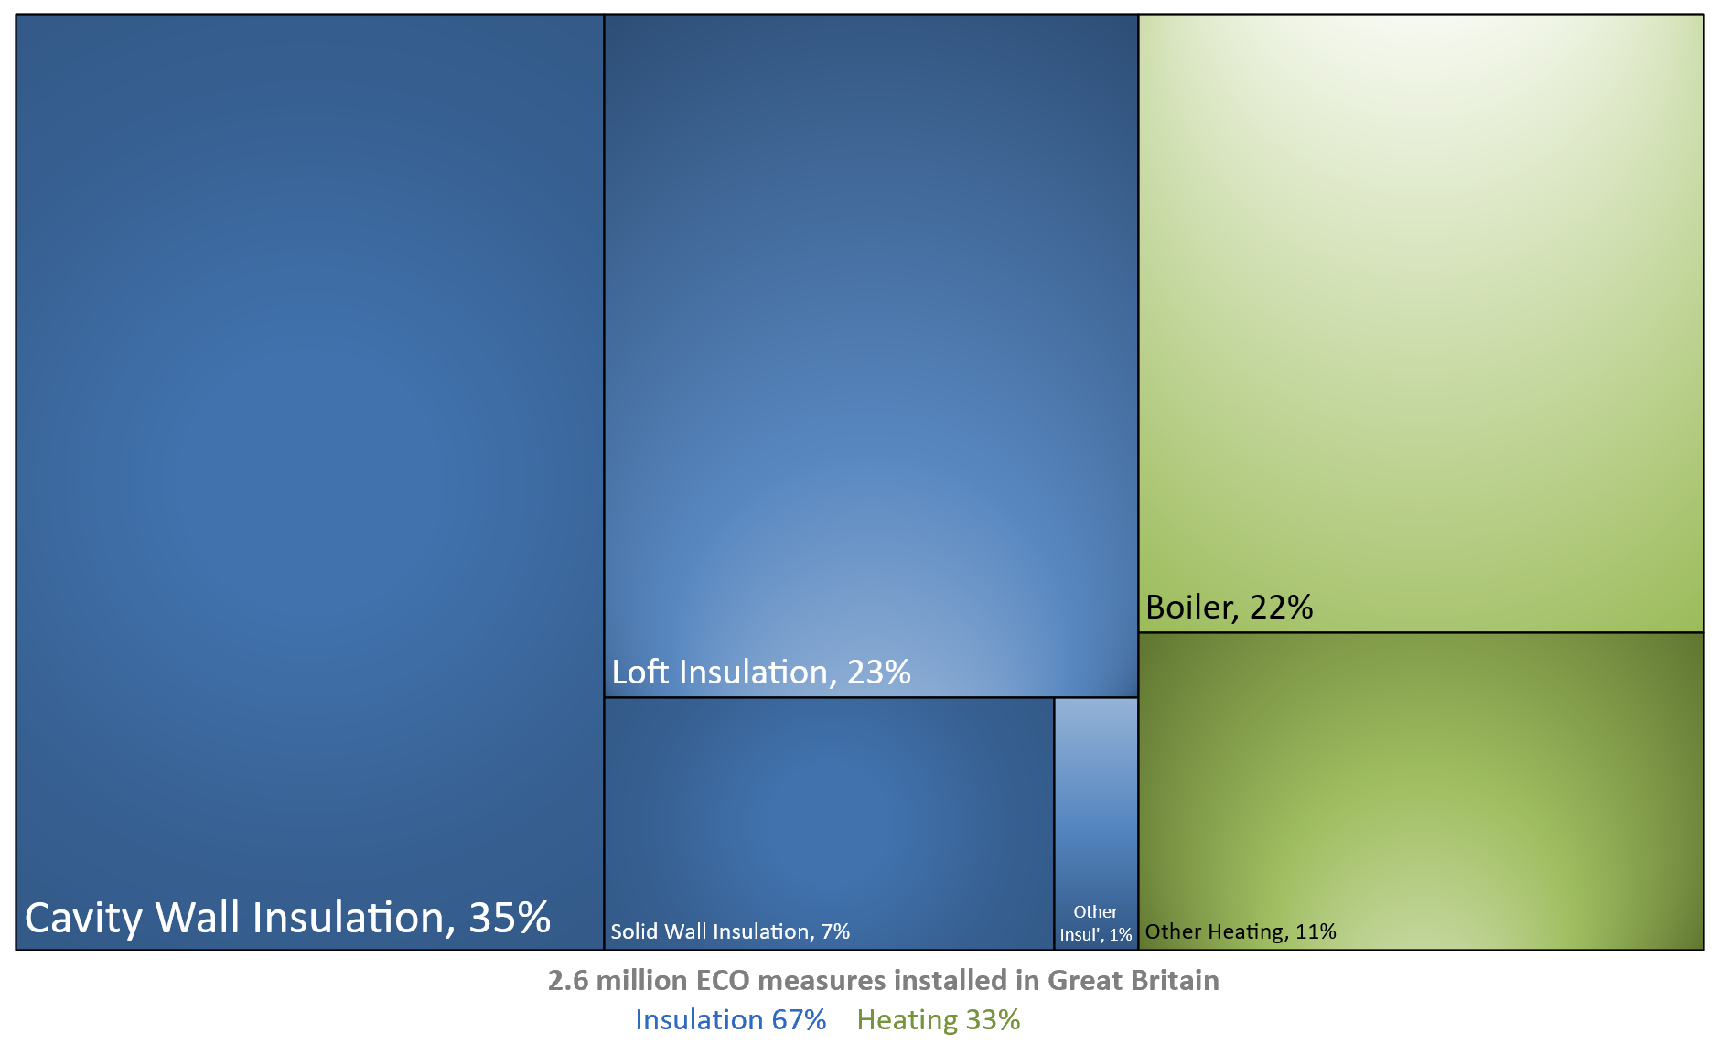
Chart 1: ECO measures installed, by obligation, by month, up to end August 2019 | Chart 2a: Share of all ECO measures installed, by measure type, by ECO phase, up to end August 2019
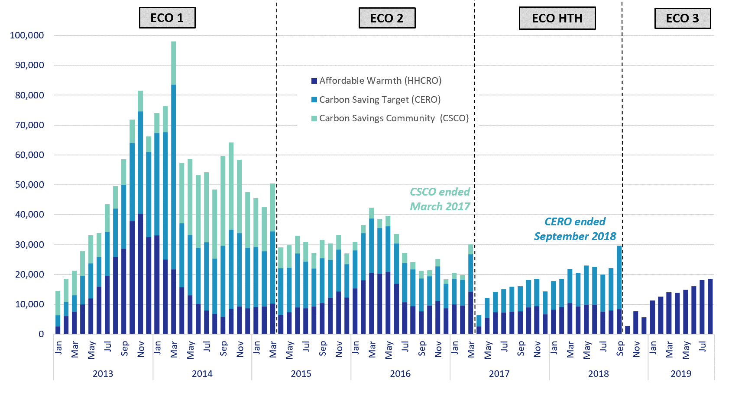
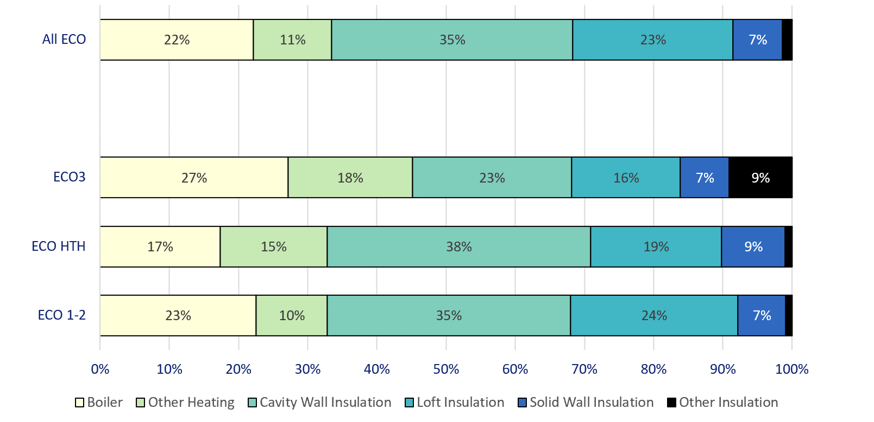

Chart 3: ECO measures by main fuel type of property, by quarter, up to end June 2019 | Chart 2b: Share of all Affordable Warmth measures, by measure type, by ECO phase, up to end August 2019

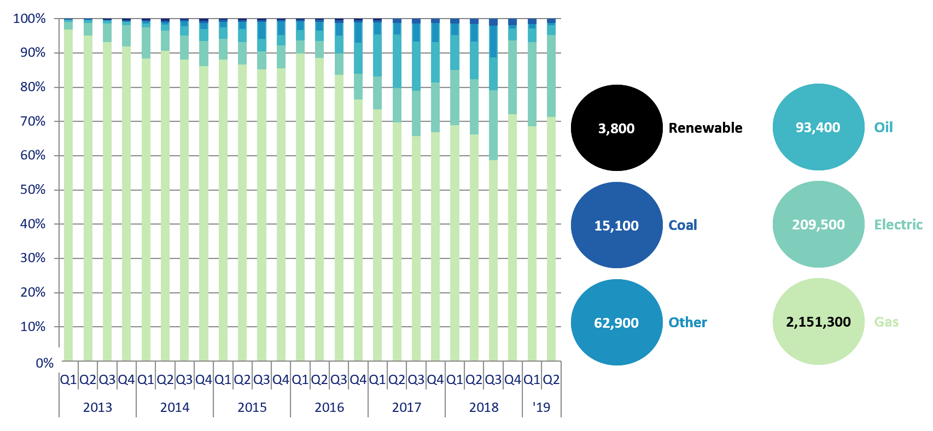
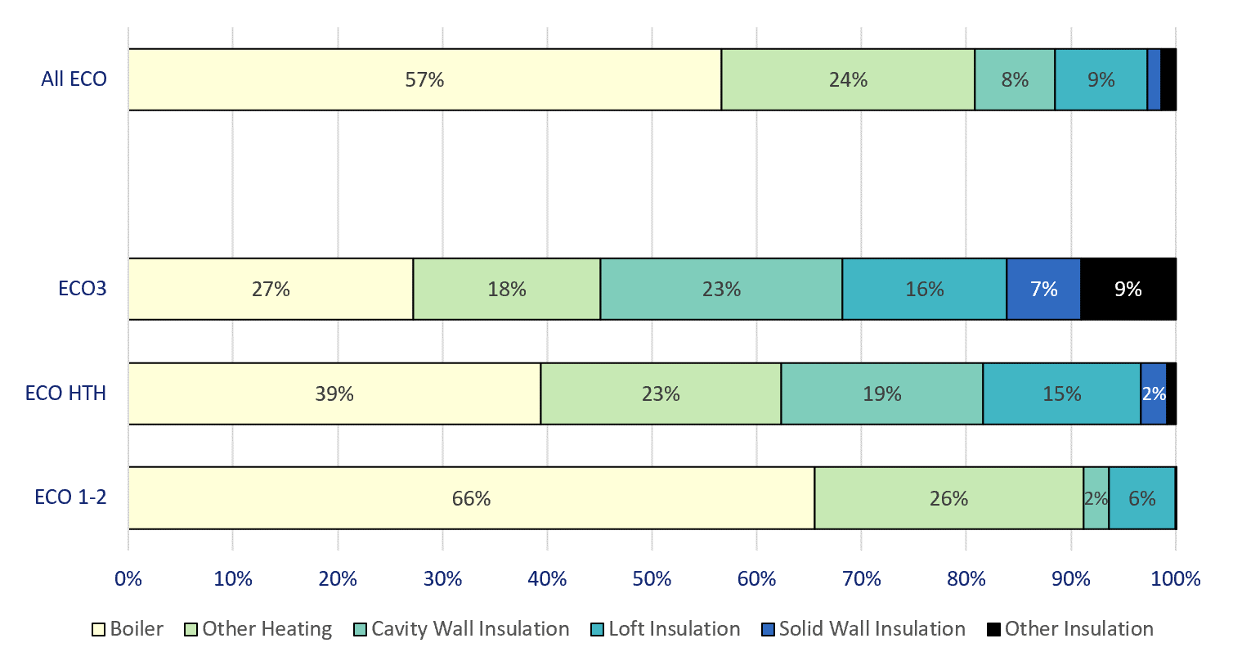

Chart 4: Estimated lifetime bill savings for Affordable Warmth measures, by installation month, up to end June 2019 | Chart 5: Number of ECO3 Flexible Eligibility Measures by installation month and share of Affordable Warmth obligation delivered through flex, up to end August 2019

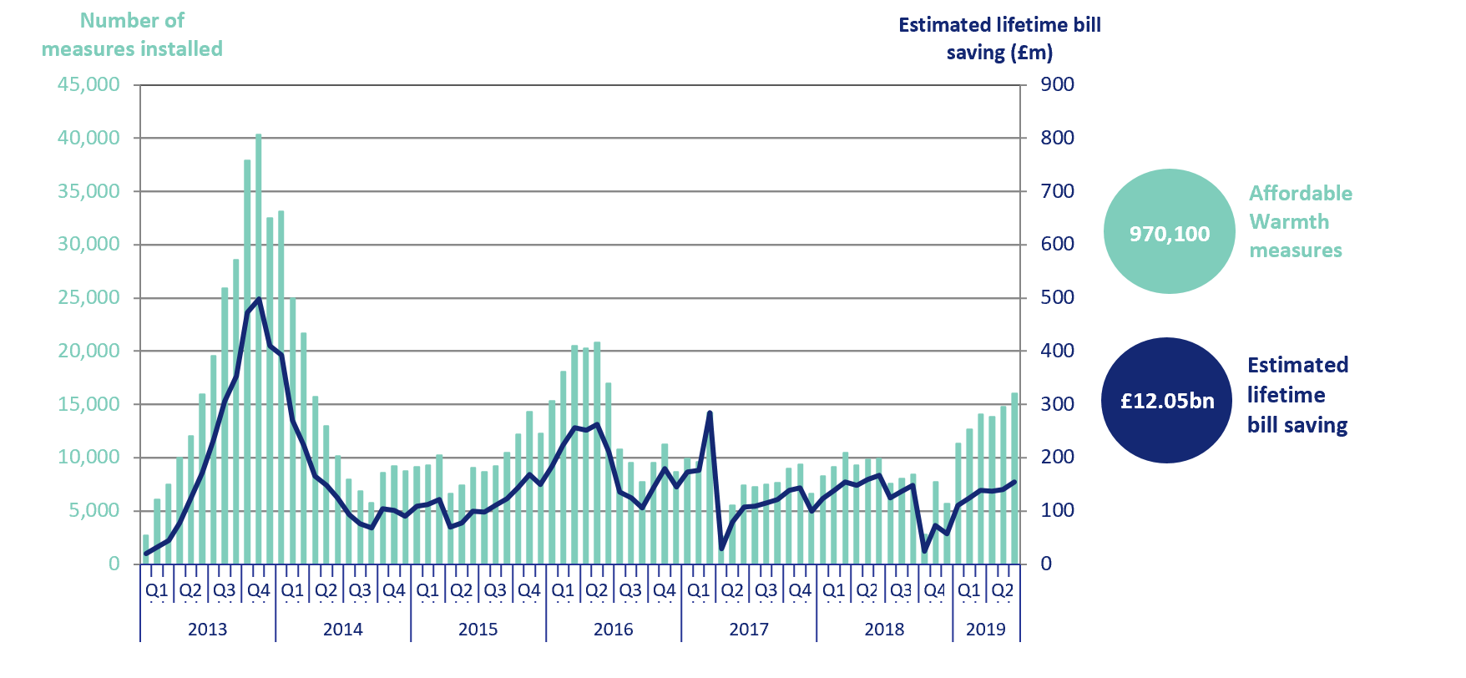
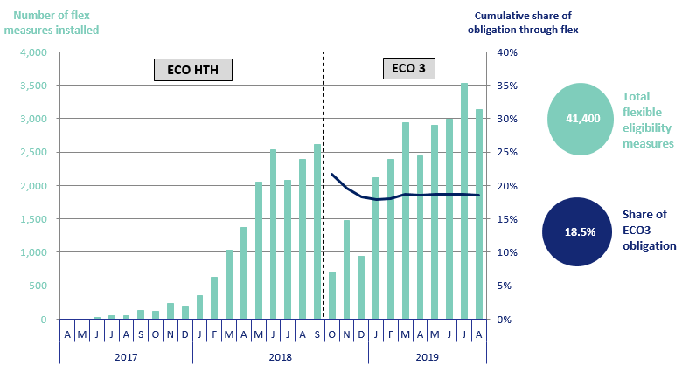

Chart 6: Green Deal Plans, by ‘Live’ or ‘Completed’ status, up to end September 2019 | Chart 7: Homes that have had an improvement measure, up to end August 2019

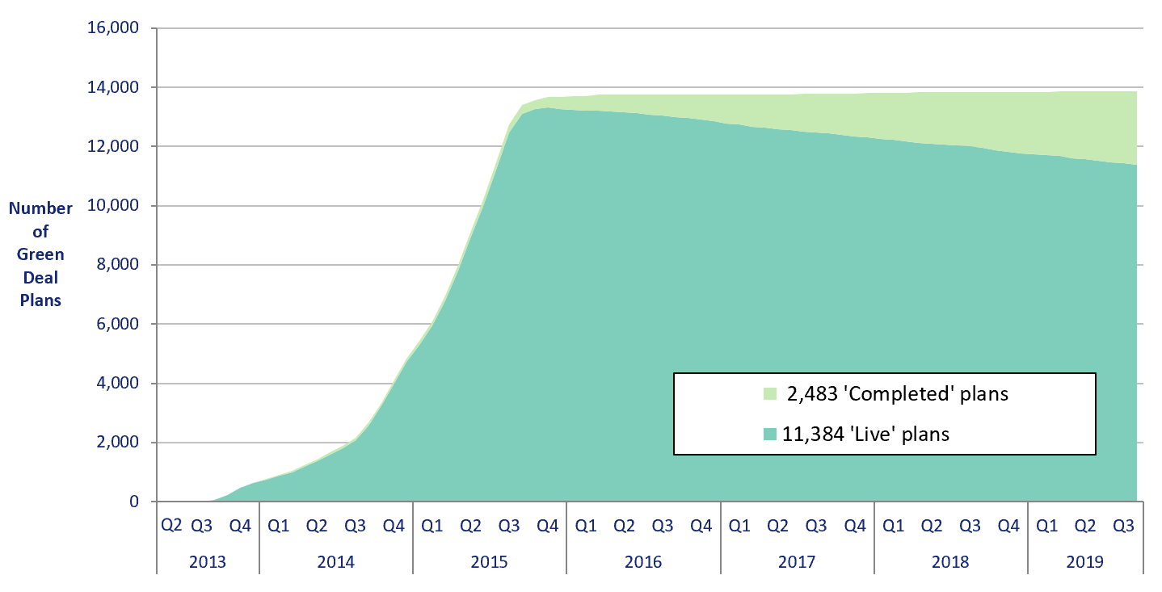
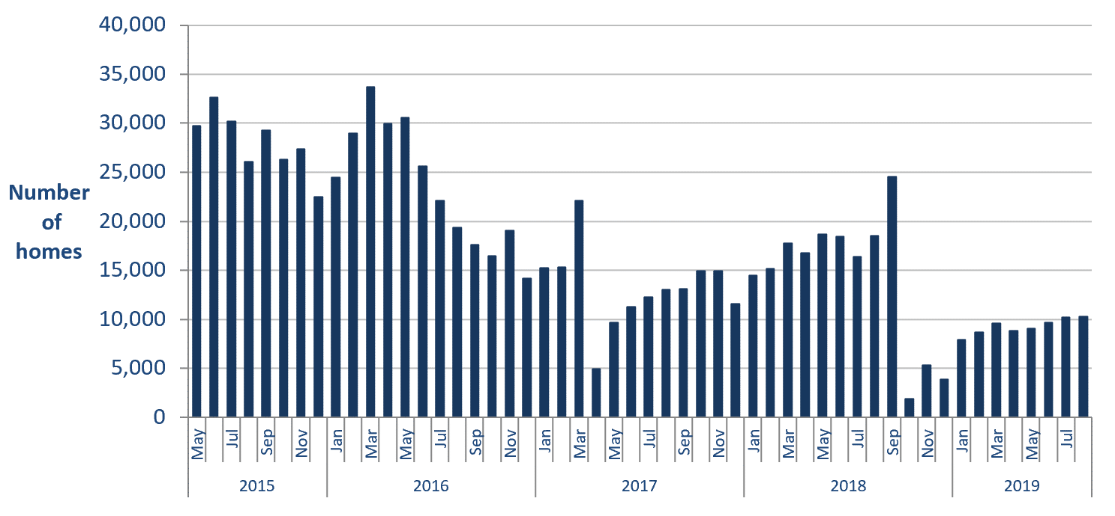

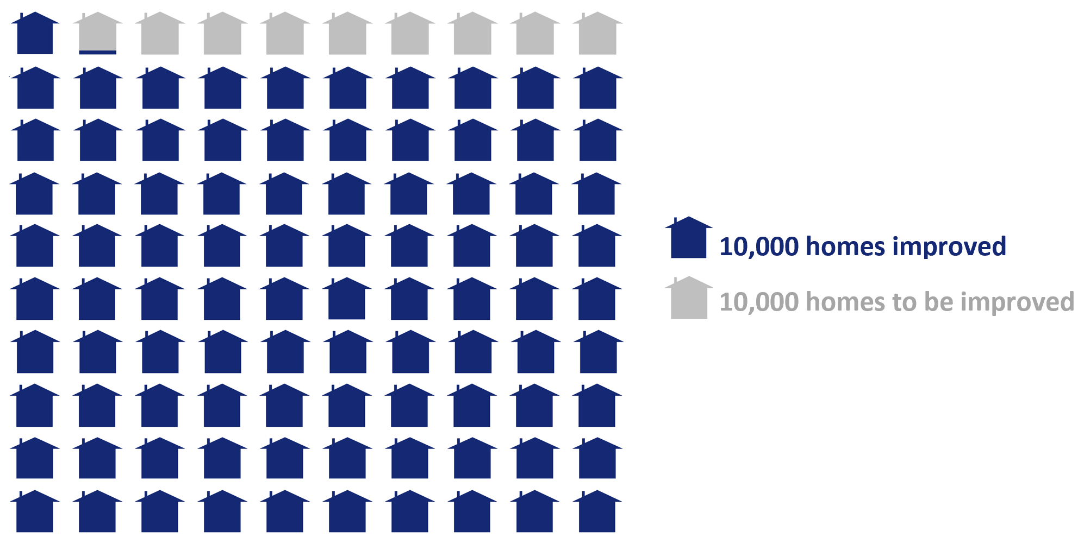
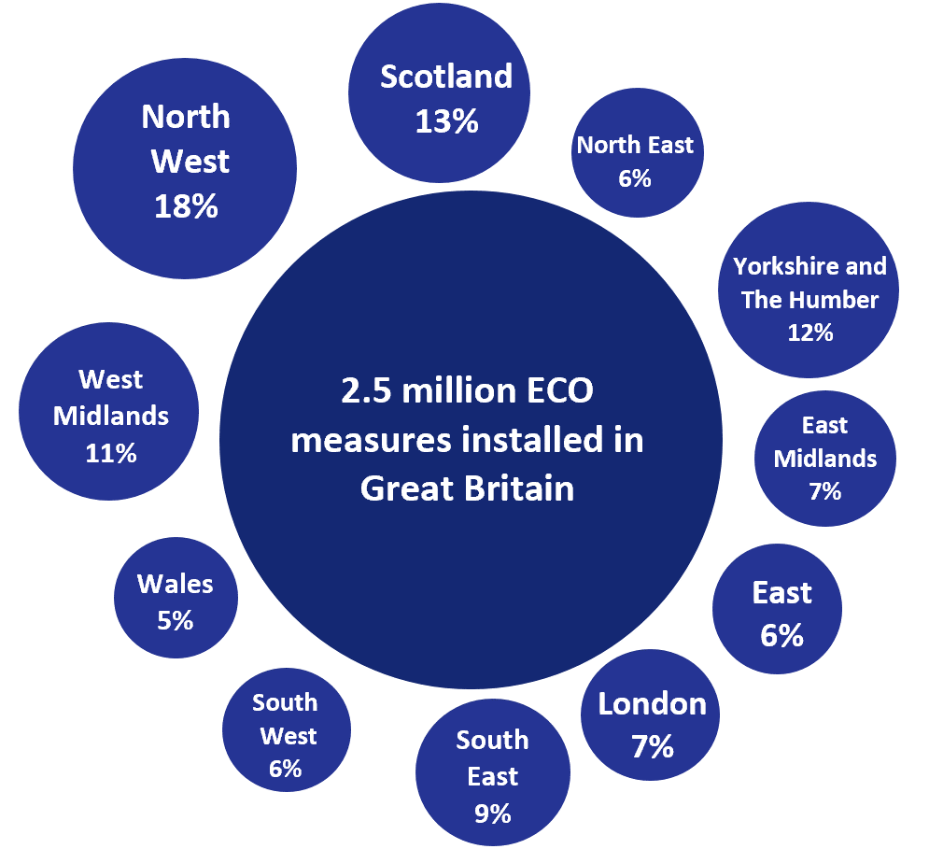
Infographic 1: Proportion of the 1 million homes target achieved, up to end August 2019 | Infographic 3: ECO measures by region, up to end June 2019

Infographic 2: ECO measures by measure type, up to end August 2019

Map1
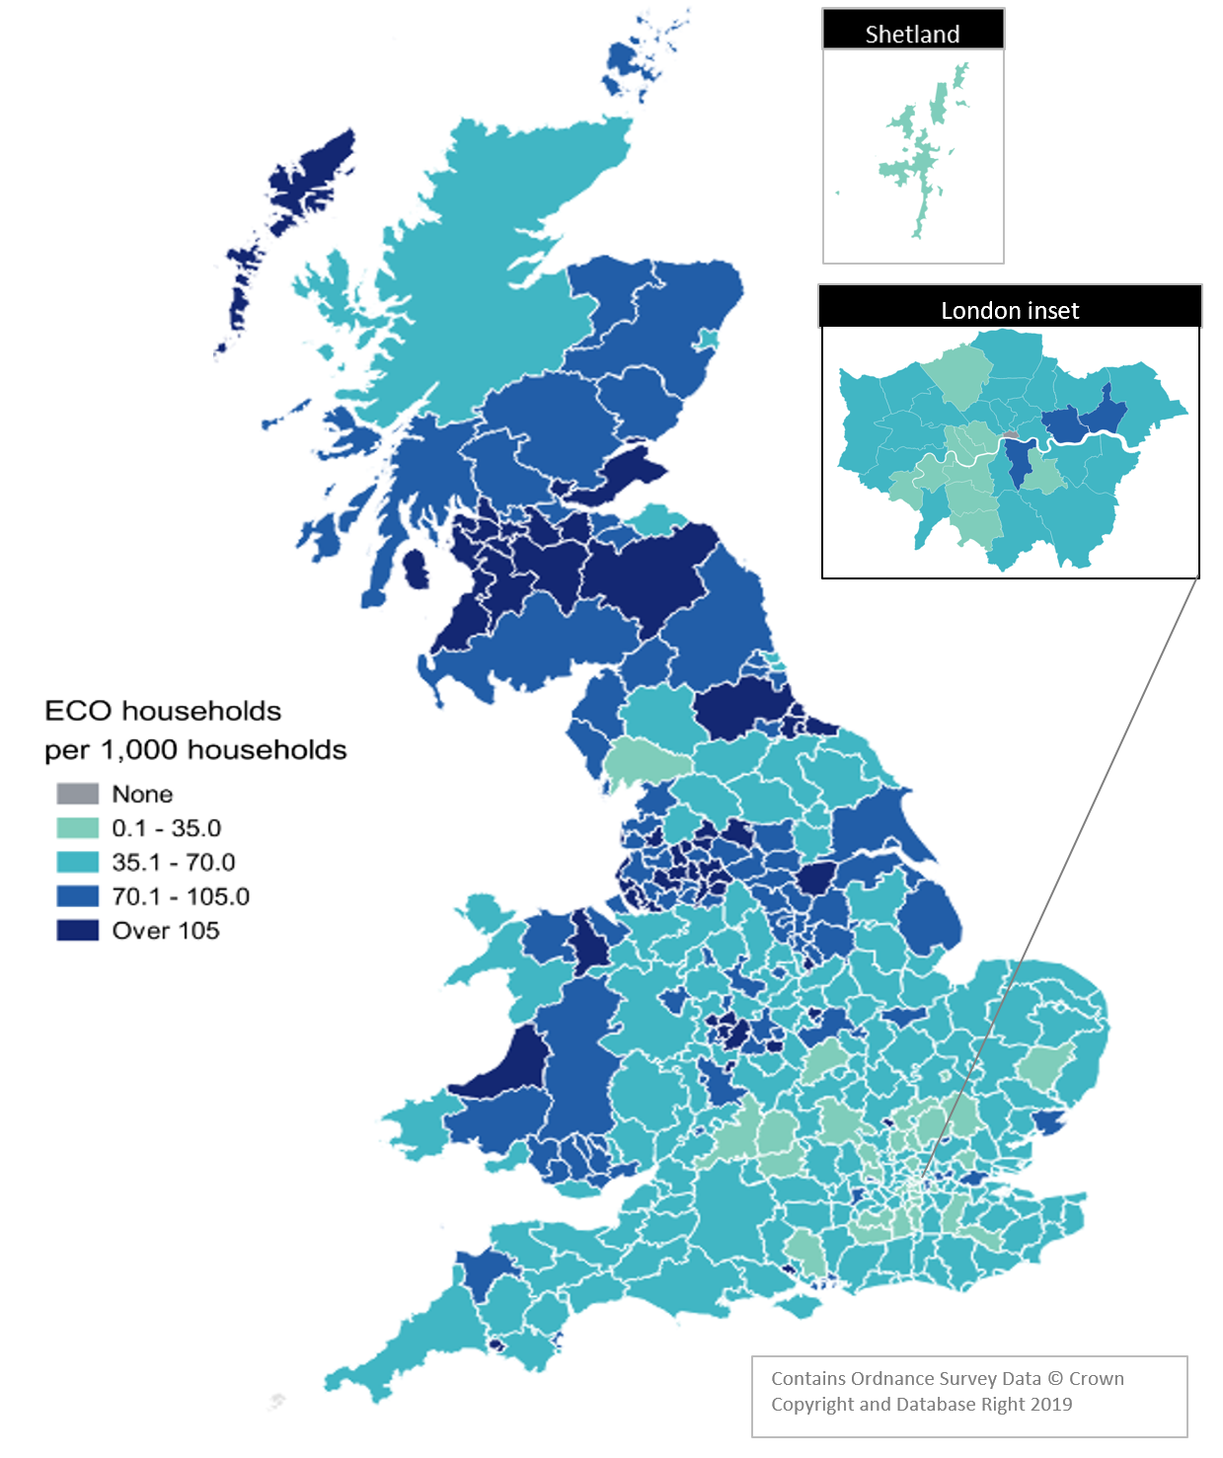
Map 1 – Households in receipt of ECO measures by Local Authority per 1,000 households, up to end June 2019

Map2
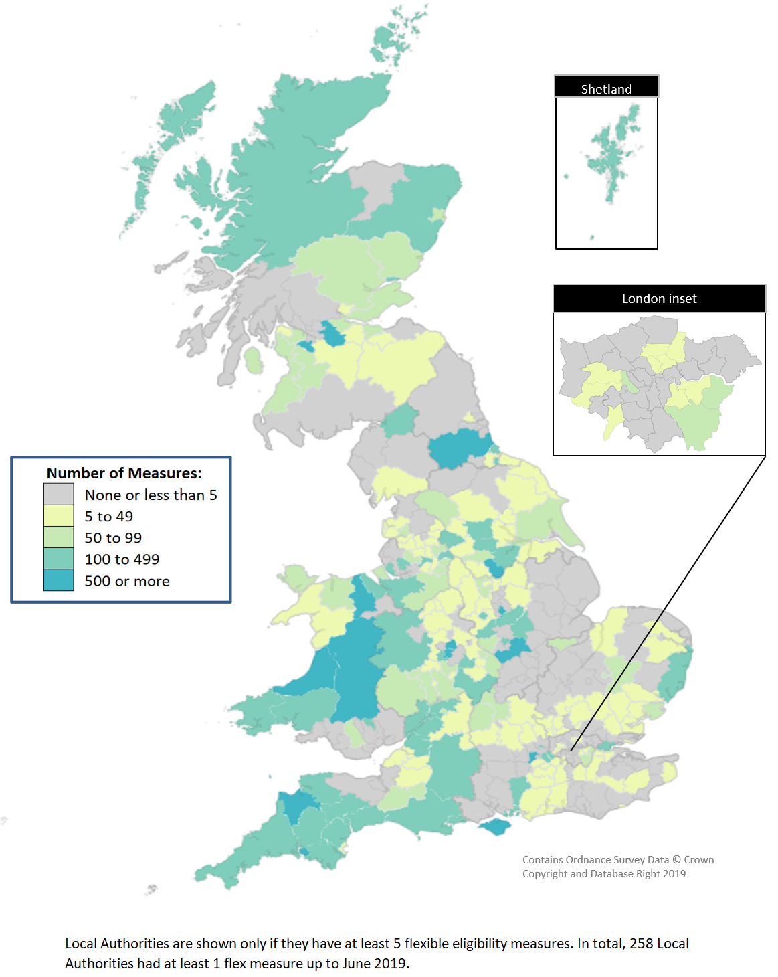
Map 2 - ECO measures installed through Flexible Eligibility, by Local Authority (April 2017 - June 2019)

