St.John's Municipality Account
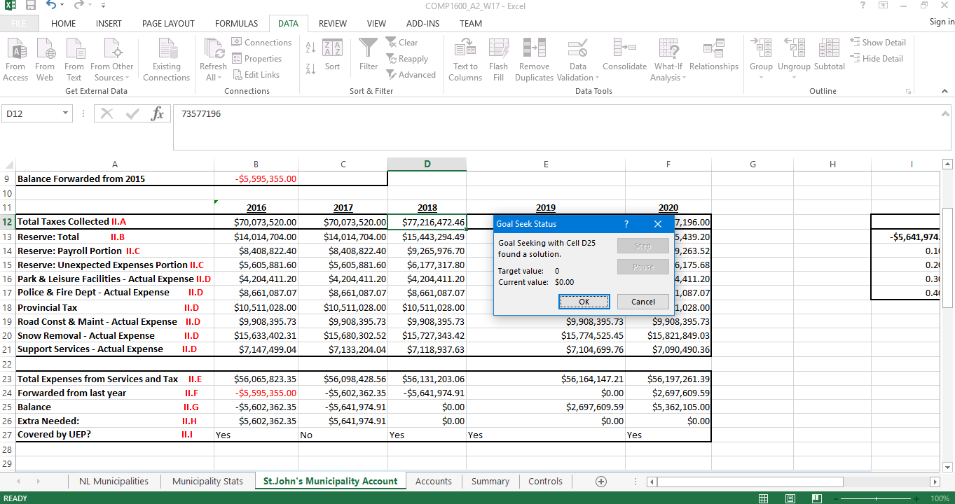
Financial Standing Predictions for St. John's (2017-2020)

Total Taxes Collected Increase in 2018 | 5% | in 2018 and remain same until 2020
Reserve | 20% | of taxes collected |  | Reserve:Total (What if Analysis) II.J | 21% | 22% | 23% | 24% | 25% | 26% | 27% | 28% | 29% | 30%
Reserve: Payroll Portion | 60% |  |  | $14,715,439.20 | $15,451,211.16 | $16,186,983.12 | $16,922,755.08 | $17,658,527.04 | $18,394,299.00 | $19,130,070.96 | $19,865,842.92 | $20,601,614.88 | $21,337,386.84 | $22,073,158.80
Reserve: Unexpected Expenses Portion | 40%
Snow Removal Increase Per Year | 0.30% | from previous year
Support Services Decrease Per Year | 0.20% | from previous year
Balance Forwarded from 2015 | -$5,595,355.00

 | 2016 | 2017 | 2018 | 2019 | 2020
Total Taxes Collected II.A | $70,073,520.00 | $70,073,520.00 | $73,577,196.00 | $73,577,196.00 | $73,577,196.00 |  |  | Two Variable Table (What if Analysis) II.K
Reserve: Total II.B | $14,014,704.00 | $14,014,704.00 | $14,715,439.20 | $14,715,439.20 | $14,715,439.20 |  |  | -$5,641,974.91 | 0.30% | 0.40% | 0.50% | 0.60% | 0.70% | 0.80% | 0.90% | 1.00%
Reserve: Payroll Portion II.C | $8,408,822.40 | $8,408,822.40 | $8,829,263.52 | $8,829,263.52 | $8,829,263.52 |  |  | 0.10% | -$5,649,122.41 | -$5,664,755.81 | -$5,680,389.21 | -$5,696,022.61 | -$5,711,656.02 | -$5,727,289.42 | -$5,742,922.82 | -$5,758,556.22
Reserve: Unexpected Expenses Portion II.C | $5,605,881.60 | $5,605,881.60 | $5,886,175.68 | $5,886,175.68 | $5,886,175.68 |  |  | 0.20% | -$5,641,974.91 | -$5,657,608.31 | -$5,673,241.71 | -$5,688,875.12 | -$5,704,508.52 | -$5,720,141.92 | -$5,735,775.32 | -$5,751,408.73
Park & Leisure Facilities - Actual Expense II.D | $4,204,411.20 | $4,204,411.20 | $4,204,411.20 | $4,204,411.20 | $4,204,411.20 |  |  | 0.30% | -$5,634,827.41 | -$5,650,460.81 | -$5,666,094.21 | -$5,681,727.62 | -$5,697,361.02 | -$5,712,994.42 | -$5,728,627.82 | -$5,744,261.23
Police & Fire Dept - Actual Expense II.D | $8,661,087.07 | $8,661,087.07 | $8,661,087.07 | $8,661,087.07 | $8,661,087.07 |  |  | 0.40% | -$5,627,679.91 | -$5,643,313.31 | -$5,658,946.72 | -$5,674,580.12 | -$5,690,213.52 | -$5,705,846.92 | -$5,721,480.32 | -$5,737,113.73
Provincial Tax II.D | $10,511,028.00 | $10,511,028.00 | $10,511,028.00 | $10,511,028.00 | $10,511,028.00
Road Const & Maint - Actual Expense II.D | $9,908,395.73 | $9,908,395.73 | $9,908,395.73 | $9,908,395.73 | $9,908,395.73
Snow Removal - Actual Expense II.D | $15,633,402.31 | $15,680,302.52 | $15,727,343.42 | $15,774,525.45 | $15,821,849.03
Support Services - Actual Expense II.D | $7,147,499.04 | $7,133,204.04 | $7,118,937.63 | $7,104,699.76 | $7,090,490.36 |  | (Part II:R) If the Reserve rate on this sheet only changes from 20% to 22% then the cells which will be recalculated will be cells B13:F15, B24:F26, and E5:EO which is the what-if analysis data table.

Total Expenses from Services and Tax II.E | $56,065,823.35 | $56,098,428.56 | $56,131,203.06 | $56,164,147.21 | $56,197,261.39
Forwarded from last year II.F | -$5,595,355.00 | -$5,602,362.35 | -$5,641,974.91 | -$2,911,421.17 | -$213,811.58
Balance II.G | -$5,602,362.35 | -$5,641,974.91 | -$2,911,421.17 | -$213,811.58 | $2,450,683.83
Extra Needed: II.H | $5,602,362.35 | $5,641,974.91 | $2,911,421.17 | $213,811.58 | $0.00
Covered by UEP? II.I | Yes | No | Yes | Yes | Yes

 |  | II.I GOAL SEEK FIRST SCREENSHOT
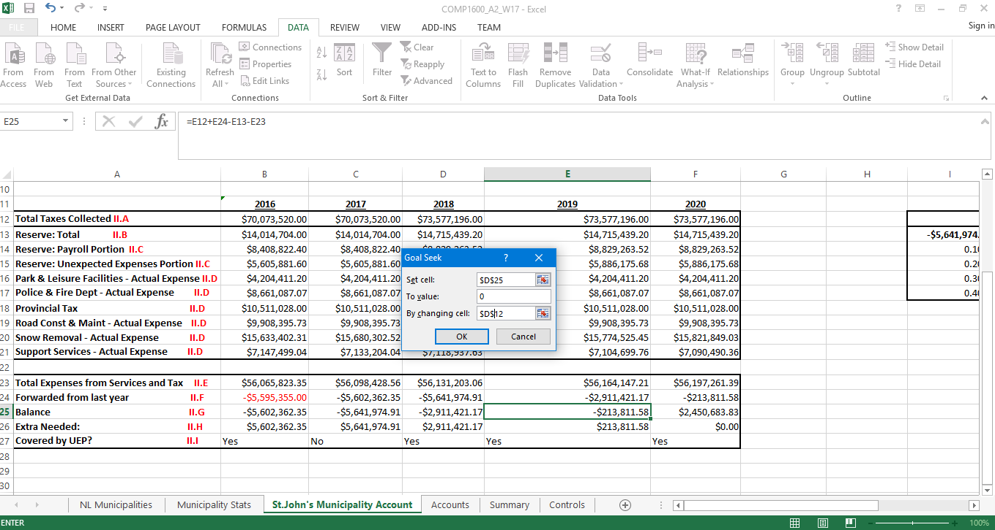

 |  | II.I GOAL SEAK SECOND SCREENSHOT

Chart1
Comparison Calculations:
 | Total Actual Expenses Snow Removal | Total Taxes Collected
Region 0 | $4,468,017.68 | $19,373,970.00
Region 1 | $1,485,159.52 | $6,506,510.00
Region 2 | $1,737,303.63 | $7,522,002.50
Region 3 | $5,590,429.21 | $24,621,575.00
Region 4 | $2,409,753.27 | $10,556,457.50
Region 5 | $2,155,769.75 | $9,412,604.50
Region 6 | $2,034,324.32 | $8,729,460.00
Region 7 | $3,226,001.46 | $14,008,487.50
Region 8 | $19,387,621.68 | $86,348,895.50
Region 9 | $7,935,747.68 | $35,018,431.25

Chart2
Comparison Regions: Proportion of Population (2011)
 | Percentage of Total Population
Region 0 | 8%
Region 1 | 7%
Region 2 | 6%
Region 3 | 3%
Region 4 | 33%
Region 5 | 5%
Region 6 | 7%
Region 7 | 9%
Region 8 | 6%
Region 9 | 17%

Chart3
Five Year Period
 | Total Taxes Collected II.A | Total Expenses from Services and Tax II.E | Balance II.G
2016 | $70,073,520.00 | $56,065,823.35 | -$5,602,362.35
2017 | $70,073,520.00 | $56,098,428.56 | -$5,641,974.91
2018 | $73,577,196.00 | $56,131,203.06 | -$2,911,421.17
2019 | $73,577,196.00 | $56,164,147.21 | -$213,811.58
2020 | $73,577,196.00 | $56,197,261.39 | $2,450,683.83

