Motors
DC Motors
 | DC Motor |  | Stepper Motor | Servo Motor
 | Brushed | Brushless
Model | Lower speed Lower torque Shortet life Worse efficiency | 2212 DC brushless | QINIZX 15mm Micro Stepper Motor | TowerPro SG90
Weight |  | 60g | Approximately 17 g | 9
Dimensions |  | 22mm diameter, 12mm length | 15 mm diameter, 32 mm length | 12.2mm X 29.0mm X 23.1mm
Control |  | Controlled by Electronic Speed Controller (ESC) via PWM signals | 2-phase stepper control via driver | via pwm control signal from a digital circuit
Connections |  | 3-phase wires (usually 3 wires to ESC) Power from battery to ESC(GND ,VCC , Control) | 4 wires (Bipolar configuration) | 3 pins ( vcc, gnd, pwm control signal)
Speed |  | ~800 - 1400 KV (RPM per Volt) Example: 1000 KV at 11.1V → ~11,100 | Low RPM due to high gear ratio (~20–60 RPM typical) | 0.1sec/60degree(4.8v)
Precision (How accurately the motor can follow speed or position commands (closeness to target) |  | High, depends on encoder resolution and ESC tuning | High due to 18° step angle with 1:50 gearbox; effective 0.36° per step | as small as 1 degree
Resolution (The smallest change in position or speed the system can detect and control) |  | High, depends on encoder resolution and ESC tuning | 1000 steps per revolution (with gearbox) | as small as 1 degree
Cost |  | $10 - $25 | $3 to $8 USD | $3-$6
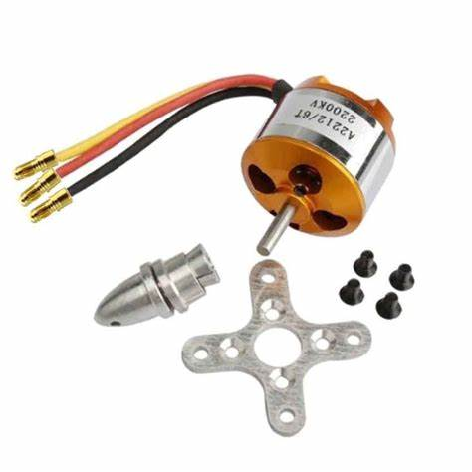
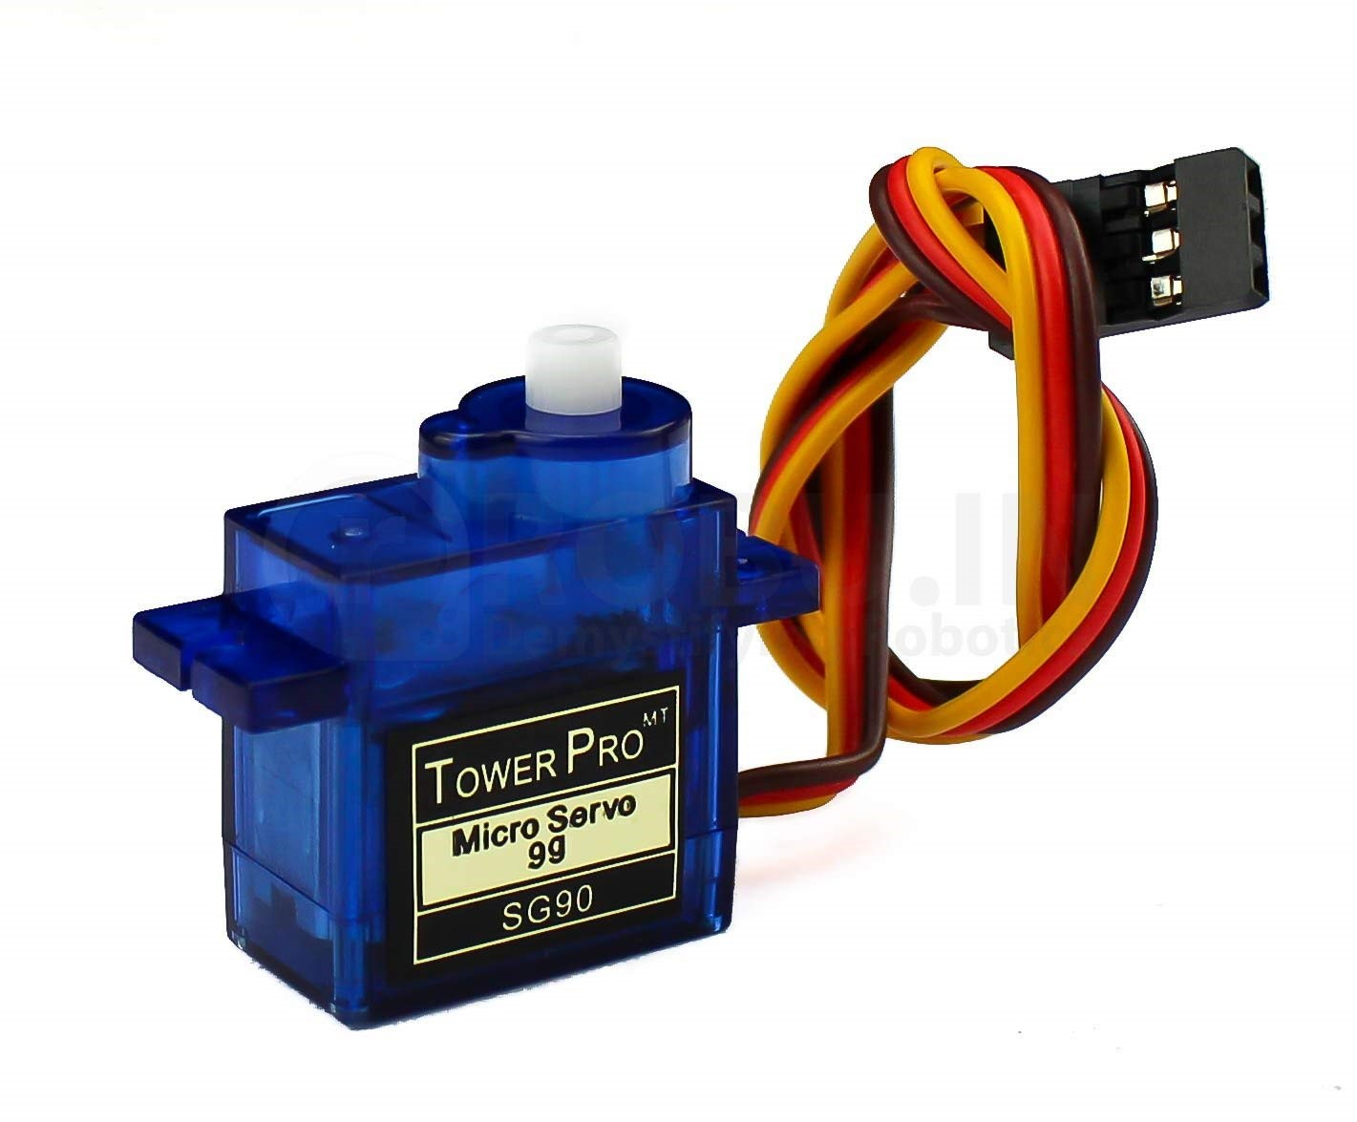
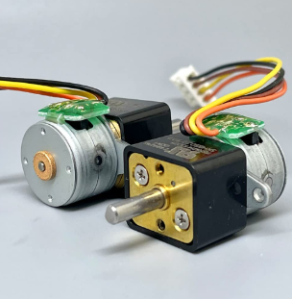

Conclusion : we will use brushless dc motor for the back wheels, and servo motor for steering (guide the front wheels), this will provide precise front wheel movement and high speed back wheel.

Controller
Controller
 | ESP32 | Raspberry pi 4 model B | Raspberry pi 5
cpu | Dual-core Tensilica Xtensa LX6, up to 240 MHz | Broadcom BCM2711 1.8 quad-core 64-bit Arm Cortex-A72 CPU | Broadcom BCM2712 2.4GHz quad-core 64-bit Arm Cortex-A76 CPU
gpu | None | VideoCore VI | VideoCore VII
ram | 520 KB | 2GB, 4GB, 8GB LPDDR4 | 2GB, 4GB, 8GB, and 16GB
power | 3.0–3.3 V | 5V/3A DC power via USB-C | 5V/5A DC power via USB-C
I/O | Up to 34 GPIO pins | 40 pin | 40 pin
cooling | None | Passive or active recommended | active cooling recommended
technologies | C/C++/PYHTON/Wifi/Bluetooth/touch sensors/ADC/DAC/RTC/ SPI/I2C | wide choices (micro computer) | wide choices (micro computer)
Diemensions | 54 x 28 x 13 mm | 85.6 x 56.5 x 17 mm | 85.6 x 56.5 x 17 mm
Weight | 7–10 grams | 46 grams | around 50gm
price | 10$ | ~$35–$75 (based on RAM) | $50, $60, $80, $120
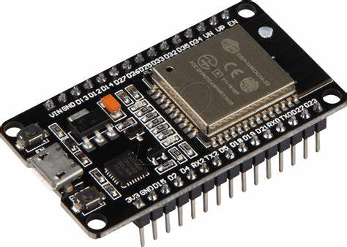
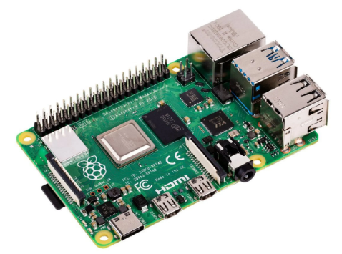
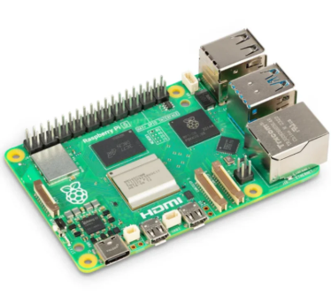

Conclusion: the Raspberry pi 4 will be used since it provisdes the best balance of effeciency, cost and computer vision applications.

Sensors
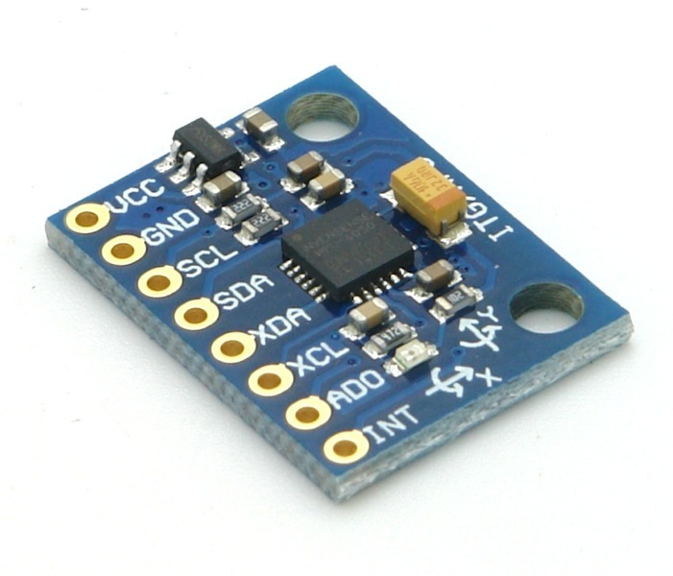
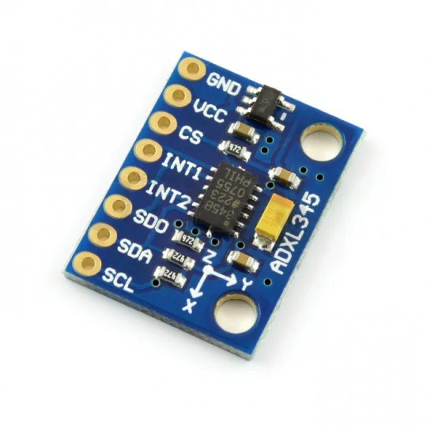
Distance Sensors
 | Ultra Sonic Sensor | Time of Flight Sensor | IR sensor
Model | HY-SRF05 Ultrasonic Sensor | vl53l0x | Sharp GP2Y0A21YK0F
Range | 2 cm to 450 cm | 4 mm to 4 m | 10 cm to 80 cm(best form 10-50 cm)
Field of view | up to 15 degrees | 27° | Around 20°
Accuarcy | ±15 mm (under normal conditions) | up to ±25 mm (longer range) | ±1 to ±3 cm
Mesurment Resolution | 3 mm | 1 mm | 1 mm to 5 mm
Ranging Frequency | 10-20 Hz | 50 Hz (20 ms) | About 39 ms
Envirometal Noises | Acoustic noise, Electrical noise, Physical factors, Multiple reflections | Ambient Light, Reflective or Absorptive Surfaces, Dust, Fog, or Smoke, Temperature Fluctuatio | Bright, shiny, or reflective surfaces, Dark or matte and Ambient Light Interference which is naturally present in sunlight and some artificial lights affect the sensor read by: ±0.5 – 1 cm or ±2 – 5 cm or Very high, often unstable(in order)
Connectivity | 4.5-5.5 V, 10-40 mA, 3-4 pins | 2.6 to 3.5 V (many breakout boards include level shifters for 3.3V or 5V microcontrollers), 6 pins | 4.5-5.5 V, 30 mA, 3 pins
Weight | 10 gm | 2 to 5 grams | 15 gram
Dimensions | 45 mm x 20 mm x 15 mm | 20 mm × 17 mm (varies by manufacturer and model) | 29 mm x 13 mm x 13 mm
Cost | $4 | about 4.25$ | $10 – $15

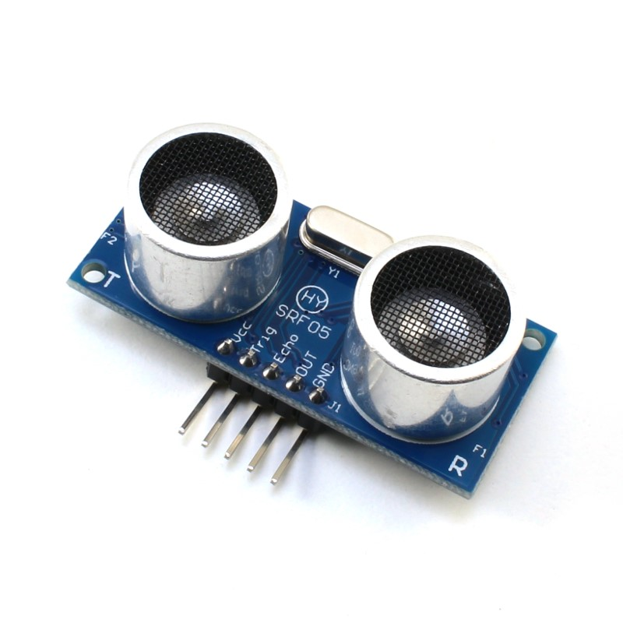
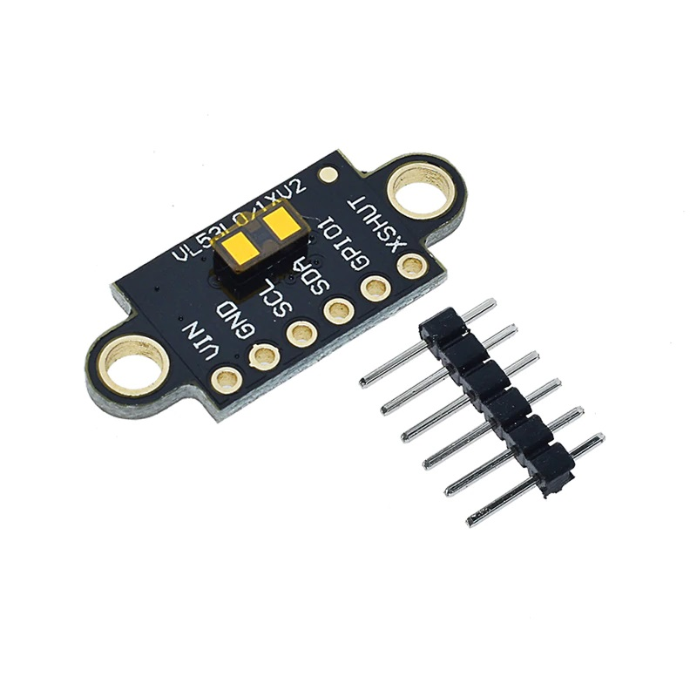
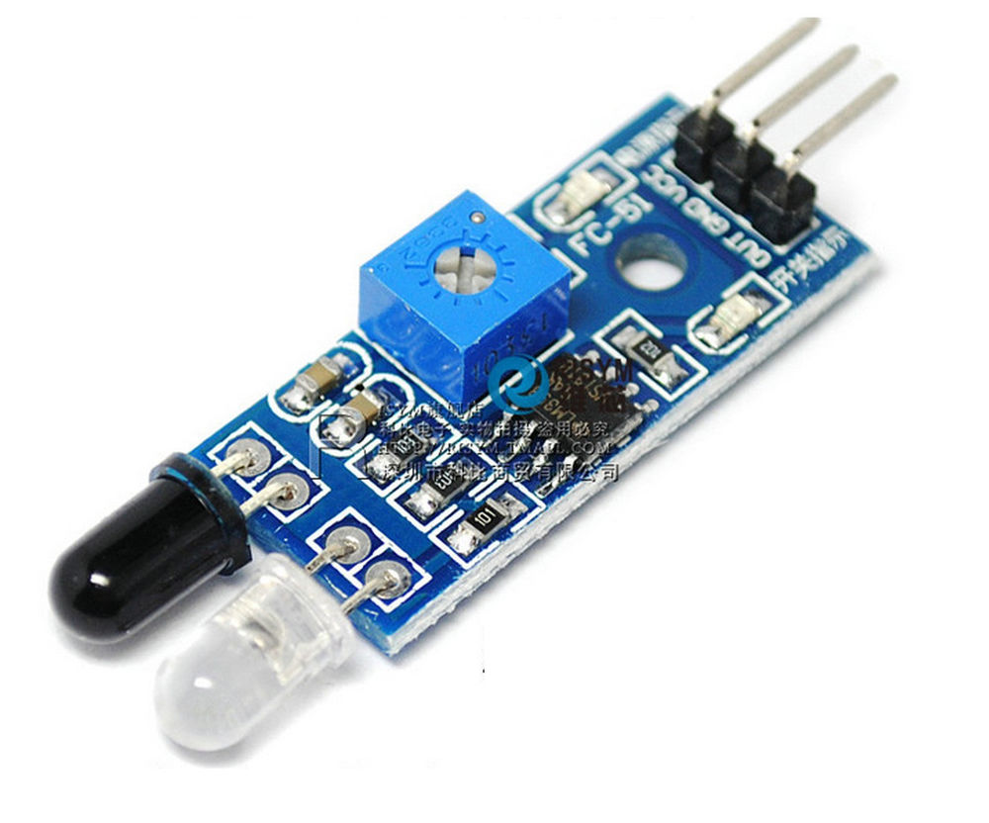

 | conclusion: both ultra sonic and time of flight sensors are great and widley used, choosing one depends on availability of the hardware and documentation

Accelerometer Sensors
 | Gyroscope + Accelerometer | Accelerometer
Model | GY-521 MPU6050 | ADXL345
Axes | 3-axis Accelerometer + 3-axis Gyroscope | 4 mm to 4 m
Acceleration Range | +/-2g, +/-4g, +/-8g, +/-16g | 27°
Gyroscope Range | +/-250, +/-500, +/-1000, +/-2000 °/s | up to ±25 mm (longer range)
Mesurment Resolution | 16 Bit | 1 mm
Ranging Frequency | 10-20 Hz | 50 Hz (20 ms)
Connectivity | 4.3-9.0 V, 3.9 mA, 3-4 pins
Weight | 2.1 gm | 2 to 5 grams
Dimensions | 21.2 mm x 16.4 mm x 3.3 mm | 20 mm × 17 mm (varies by manufacturer and model)
Cost | $5 | about 4.25$

Wheels
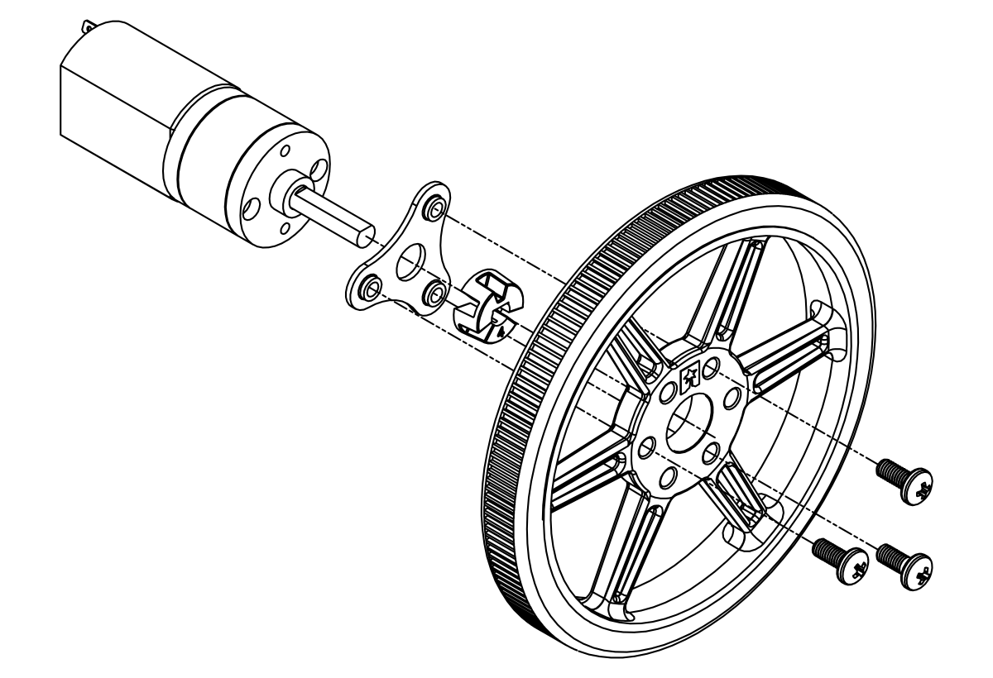
Model | Pololu Wheel 80×10mm
Grip Balance | Excellent grip balance
Precision | Thin profile and precise steering.
Dimeensions | good dimensions
Advantages | Lightweight and have more speed
Durabillity | Durable
Weight distribution | the weight distributtion should be stable
Cost | cost: (4-8.75)*2=8-17.5$

