Sheet2
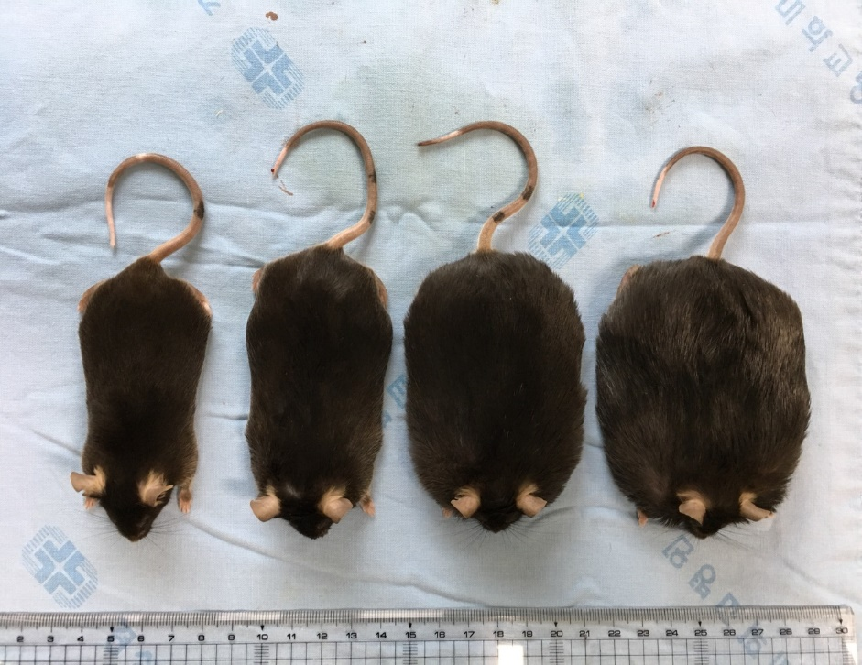
 |  | Sampling |  |  |  |  |  | tissue weight (g) |  | tissue weight (g) |  |  | Echo-MRI
 |  | protein | paraffin | RNA | blood | Body weight | Fasting glucose | Brain | Liver | Mesenteric fat | E.p | retroperitoneal fat | Fat | Lean | FreeWater | TotalWater
WT ND | 3 |  |  | 1 | 8 | 32.3 | 168 | 0.476 | 1.198 | 0.368 | 1.521 | 0.725 | 9.41 | 20.39 | 0 | 17.89
 | 4 |  |  | 2 | 9 | 32 | 197 | 0.482 | 1.194 | 0.336 | 1.307 | 0.625 | 6.61 | 22.82 | 0.61 | 19.84
 | 5 |  |  | 3 | 10 | 32.1 | 180 | 0.477 | 1.208 | 0.431 | 1.309 | 0.635 | 6.66 | 23.05 | 1.11 | 20.05
WT HFD | 1 |  |  | 1 | 9 | 50.1 | 239 | 0.476 | 3.006 | 1.203 | 1.14 | 2.057 | 20.05 | 26.21 | 0.24 | 22.73
 | 2 |  |  | 2 | 10 | 46.4 | 259 | 0.399 | 2.645 | 1.371 | 1.412 | 2.112 | 18.62 | 24.72 | 0.81 | 20.05
 | 3 |  |  | 3 | 11 | 47.7 | 188 | 0.462 | 2.227 | 1.428 | 1.497 | 1.827 | 17.88 | 27.04 | 0.46 | 23.51
ob ND | 1 |  |  | 1 | 9 | 68.2 | 160 | 0.376 | 4.529 | 2.105 | 2.583 | 4.983 | 39.9 | 23.22 | 0.91 | 21.45
 | 2 |  |  | 2 | 10 | 67.3 | 181 | 0.356 | 3.99 | 1.723 | 2.369 | 4.858 | 39.49 | 23.25 | 1.42 | 22.45
 | 4 |  |  | 3 | 11 | 71.3 | 173 | 0.362 | 4.261 | 1.76 | 2.964 | 5.652 | 45.23 | 21.29 | 1.41 | 21.16
ob HFD | 1 |  |  | 1 | 12 | 71.2 | 110 | 0.343 | 3.035 | 1.454 | 2.022 | 5.475 | 44.45 | 22.92 | 0.86 | 21.04
 | 2 |  |  | 2 | 13 | 72.3 | 118 | 0.359 | 3.567 | 1.577 | 2.019 | 6.865 | 46.54 | 21.73 | 0 | 20.49
 | 3 |  |  | 3 | 14 | 80.8 | 117 | 0.336 | 3.352 | 1.901 | 2.624 | 6.431 | 51.07 | 24.55 | 0.87 | 23.21

No. | Name | ALT | AST | T.Chol | FFA | Glucose(S) | Triglyceride | leptin
1 | WT-ND3 | 29 | 231 | 117 | 490 | 343 | 56 | 0
2 | WT-ND4 | 26 | 104 | 110 | 628 | 320 | 62 | 0
3 | WT-ND5 | 29 | 126 | 105 | 450 | 306 | 50 | 0
4 | WT-HFD1 | 333 | 345 | 256 | 405 | 284 | 60 | 850.21804816
5 | WT-HFD2 | 193 | 247 | 240 | 496 | 412 | 46 | 635.73511316
6 | WT-HFD3 | 232 | 217 | 219 | 537 | 364 | 93 | 636.94553816
7 | ob/ob-ND1 | 357 | 529 | 263 |  | 290 | 83 | 0
8 | ob/ob-ND2 | 451 | 331 | 264 | 742 | 253 | 58 | 0
9 | ob/ob-ND4 | 484 | 509 | 246 | 472 | 384 | 64 | 0
10 | ob/ob-HFD1 | 302 | 405 | 299 | 558 | 267 | 61 | 0
11 | ob/ob-HFD2 | 534 | 717 | 196 | 563 | 378 | 63 | 0
12 | ob/ob-HFD3 | 428 | 604 | 355 | 513 | 412 | 86 | 0
Unit |  | U/L | U/L | mg/dL | μEq/L | mg/dL | mg/dL | ng/ml

