sfe_gas_burn
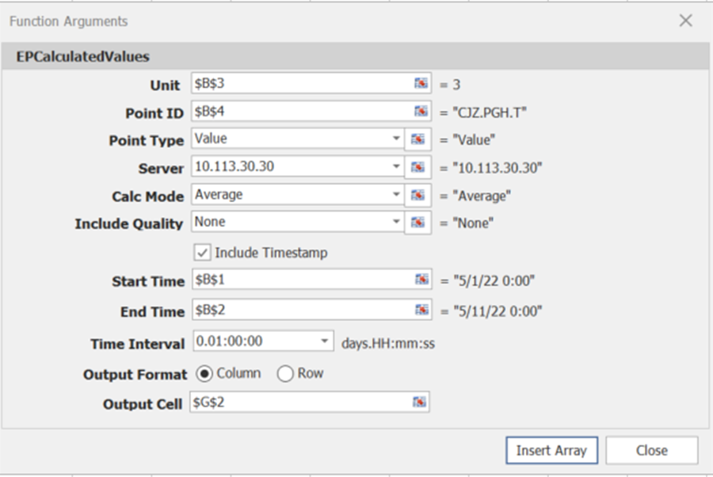
Start Time | 11/1/22 | time_stamp | value
End Time | 11/6/22 | 11/01/2022 | 7727.76 | 11/1/2022 | 7727.7641602
Unit | 3 | 11/01/2022 | 7773.68 | 11/1/2022 | 7773.6767578
Point ID | CJZ.PGH.A | 11/01/2022 | 7708.13 | 11/1/2022 | 7708.1303711
 |  | 11/01/2022 | 7731.76 | 11/1/2022 | 7731.7626953
 | 2022-10-01 | 11/01/2022 | 6970.78 | 11/1/2022 | 6970.7817383
 |  | 11/01/2022 | 7731.58 | 11/1/2022 | 7731.5751953
 |  | 11/01/2022 | 7797.00 | 11/1/2022 | 7796.9960938
 |  | 11/01/2022 | 7799.95 | 11/1/2022 | 7799.9506836
 |  | 11/01/2022 | 7817.58 | 11/1/2022 | 7817.5834961
 |  | 11/01/2022 | 7784.36 | 11/1/2022 | 7784.359375
 |  | 11/01/2022 | 7404.25 | 11/1/2022 | 7404.25
 |  | 11/01/2022 | 7296.76 | 11/1/2022 | 7296.7553711
 |  | 11/01/2022 | 7277.44 | 11/1/2022 | 7277.4394531
 |  | 11/01/2022 | 7581.35 | 11/1/2022 | 7581.3466797
 |  | 11/01/2022 | 7367.51 | 11/1/2022 | 7367.5092773
 |  | 11/01/2022 | 6490.41 | 11/1/2022 | 6490.4145508
 |  | 11/01/2022 | 6672.97 | 11/1/2022 | 6672.9682617
 |  | 11/01/2022 | 6345.78 | 11/1/2022 | 6345.78125
 |  | 11/01/2022 | 6532.03 | 11/1/2022 | 6532.0341797
 |  | 11/01/2022 | 6875.10 | 11/1/2022 | 6875.1030273
 |  | 11/01/2022 | 7581.42 | 11/1/2022 | 7581.4155273
 |  | 11/01/2022 | 7758.80 | 11/1/2022 | 7758.800293
 |  | 11/01/2022 | 7365.82 | 11/1/2022 | 7365.8188477
 |  | 11/01/2022 | 6959.88 | 11/1/2022 | 6959.8764648
 |  | 11/02/2022 | 7510.47 | 11/2/2022 | 7510.46875
 |  | 11/02/2022 | 7821.65 | 11/2/2022 | 7821.6518555
 |  | 11/02/2022 | 7755.15 | 11/2/2022 | 7755.1533203
 |  | 11/02/2022 | 7205.03 | 11/2/2022 | 7205.0292969
 |  | 11/02/2022 | 7403.44 | 11/2/2022 | 7403.4428711
 |  | 11/02/2022 | 7835.83 | 11/2/2022 | 7835.8266602
 |  | 11/02/2022 | 7813.53 | 11/2/2022 | 7813.5292969
 |  | 11/02/2022 | 7809.41 | 11/2/2022 | 7809.4130859
 |  | 11/02/2022 | 7799.03 | 11/2/2022 | 7799.03125
 |  | 11/02/2022 | 7831.08 | 11/2/2022 | 7831.0756836
 |  | 11/02/2022 | 7821.97 | 11/2/2022 | 7821.9682617
 |  | 11/02/2022 | 7791.16 | 11/2/2022 | 7791.159668
 |  | 11/02/2022 | 7781.60 | 11/2/2022 | 7781.6005859
 |  | 11/02/2022 | 7759.03 | 11/2/2022 | 7759.0297852
 |  | 11/02/2022 | 7771.35 | 11/2/2022 | 7771.3496094
 |  | 11/02/2022 | 7748.96 | 11/2/2022 | 7748.9594727
 |  | 11/02/2022 | 7761.73 | 11/2/2022 | 7761.734375
 |  | 11/02/2022 | 7763.49 | 11/2/2022 | 7763.4941406
 |  | 11/02/2022 | 7780.71 | 11/2/2022 | 7780.7124023
 |  | 11/02/2022 | 7796.92 | 11/2/2022 | 7796.921875
 |  | 11/02/2022 | 7824.01 | 11/2/2022 | 7824.0112305
 |  | 11/02/2022 | 7806.40 | 11/2/2022 | 7806.4042969
 |  | 11/02/2022 | 5307.48 | 11/2/2022 | 5307.4814453
 |  | 11/02/2022 | 7628.57 | 11/2/2022 | 7628.5673828
 |  | 11/03/2022 | 6637.70 | 11/3/2022 | 6637.6962891
 |  | 11/03/2022 | 6209.50 | 11/3/2022 | 6209.4995117
 |  | 11/03/2022 | 6252.69 | 11/3/2022 | 6252.6938477
 |  | 11/03/2022 | 6249.32 | 11/3/2022 | 6249.3173828
 |  | 11/03/2022 | 6537.88 | 11/3/2022 | 6537.8818359
 |  | 11/03/2022 | 7258.57 | 11/3/2022 | 7258.5708008
 |  | 11/03/2022 | 7595.72 | 11/3/2022 | 7595.71875
 |  | 11/03/2022 | 7788.82 | 11/3/2022 | 7788.8178711
 |  | 11/03/2022 | 7774.92 | 11/3/2022 | 7774.9233398
 |  | 11/03/2022 | 7811.16 | 11/3/2022 | 7811.1577148
 |  | 11/03/2022 | 7795.88 | 11/3/2022 | 7795.8759766
 |  | 11/03/2022 | 7791.38 | 11/3/2022 | 7791.3818359
 |  | 11/03/2022 | 7795.49 | 11/3/2022 | 7795.4912109
 |  | 11/03/2022 | 7780.81 | 11/3/2022 | 7780.8115234
 |  | 11/03/2022 | 7765.60 | 11/3/2022 | 7765.5957031
 |  | 11/03/2022 | 7773.27 | 11/3/2022 | 7773.2685547
 |  | 11/03/2022 | 7770.30 | 11/3/2022 | 7770.2973633
 |  | 11/03/2022 | 7770.63 | 11/3/2022 | 7770.6328125
 |  | 11/03/2022 | 7777.53 | 11/3/2022 | 7777.5292969
 |  | 11/03/2022 | 7762.62 | 11/3/2022 | 7762.6162109
 |  | 11/03/2022 | 7759.31 | 11/3/2022 | 7759.3105469
 |  | 11/03/2022 | 7399.87 | 11/3/2022 | 7399.8720703
 |  | 11/03/2022 | 7475.53 | 11/3/2022 | 7475.5283203
 |  | 11/03/2022 | 7065.42 | 11/3/2022 | 7065.4248047
 |  | 11/04/2022 | 6938.51 | 11/4/2022 | 6938.5102539
 |  | 11/04/2022 | 6945.40 | 11/4/2022 | 6945.4013672
 |  | 11/04/2022 | 6545.68 | 11/4/2022 | 6545.675293
 |  | 11/04/2022 | 6189.30 | 11/4/2022 | 6189.3022461
 |  | 11/04/2022 | 6222.49 | 11/4/2022 | 6222.4907227
 |  | 11/04/2022 | 6535.31 | 11/4/2022 | 6535.3100586
 |  | 11/04/2022 | 7135.89 | 11/4/2022 | 7135.887207
 |  | 11/04/2022 | 7760.83 | 11/4/2022 | 7760.828125
 |  | 11/04/2022 | 7831.85 | 11/4/2022 | 7831.8486328
 |  | 11/04/2022 | 7803.46 | 11/4/2022 | 7803.4555664
 |  | 11/04/2022 | 7782.20 | 11/4/2022 | 7782.2026367
 |  | 11/04/2022 | 7781.22 | 11/4/2022 | 7781.2202148
 |  | 11/04/2022 | 7781.22 | 11/4/2022 | 7781.2202148
 |  | 11/04/2022 | 7781.22 | 11/4/2022 | 7781.2202148
 |  | 11/04/2022 | 7781.22 | 11/4/2022 | 7781.2202148
 |  | 11/04/2022 | 7781.22 | 11/4/2022 | 7781.2202148
 |  | 11/04/2022 | 7781.22 | 11/4/2022 | 7781.2202148
 |  | 11/04/2022 | 7781.22 | 11/4/2022 | 7781.2202148
 |  | 11/04/2022 | 7781.22 | 11/4/2022 | 7781.2202148
 |  | 11/04/2022 | 7781.22 | 11/4/2022 | 7781.2202148
 |  | 11/04/2022 | 7781.22 | 11/4/2022 | 7781.2202148
 |  | 11/04/2022 | 7781.22 | 11/4/2022 | 7781.2202148
 |  | 11/04/2022 | 7781.22 | 11/4/2022 | 7781.2202148
 |  | 11/04/2022 | 7781.22 | 11/4/2022 | 7781.2202148
 |  | 11/05/2022 | 7781.22 | 11/5/2022 | 7781.2202148
 |  | 11/05/2022 | 7781.22 | 11/5/2022 | 7781.2202148
 |  | 11/05/2022 | 7781.22 | 11/5/2022 | 7781.2202148
 |  | 11/05/2022 | 7781.22 | 11/5/2022 | 7781.2202148
 |  | 11/05/2022 | 7781.22 | 11/5/2022 | 7781.2202148
 |  | 11/05/2022 | 7781.22 | 11/5/2022 | 7781.2202148
 |  | 11/05/2022 | 7781.22 | 11/5/2022 | 7781.2202148
 |  | 11/05/2022 | 7781.22 | 11/5/2022 | 7781.2202148
 |  | 11/05/2022 | 7781.22 | 11/5/2022 | 7781.2202148
 |  | 11/05/2022 | 7781.22 | 11/5/2022 | 7781.2202148
 |  | 11/05/2022 | 7781.22 | 11/5/2022 | 7781.2202148
 |  | 11/05/2022 | 7781.22 | 11/5/2022 | 7781.2202148
 |  | 11/05/2022 | 7781.22 | 11/5/2022 | 7781.2202148
 |  | 11/05/2022 | 7781.22 | 11/5/2022 | 7781.2202148
 |  | 11/05/2022 | 7781.22 | 11/5/2022 | 7781.2202148
 |  | 11/05/2022 | 7781.22 | 11/5/2022 | 7781.2202148
 |  | 11/05/2022 | 7781.22 | 11/5/2022 | 7781.2202148
 |  | 11/05/2022 | 7781.22 | 11/5/2022 | 7781.2202148
 |  | 11/05/2022 | 7781.22 | 11/5/2022 | 7781.2202148
 |  | 11/05/2022 | 7781.22 | 11/5/2022 | 7781.2202148
 |  | 11/05/2022 | 7781.22 | 11/5/2022 | 7781.2202148
 |  | 11/05/2022 | 7781.22 | 11/5/2022 | 7781.2202148
 |  | 11/05/2022 | 7781.22 | 11/5/2022 | 7781.2202148
 |  | 11/05/2022 | 7781.22 | 11/5/2022 | 7781.2202148

