Metadata
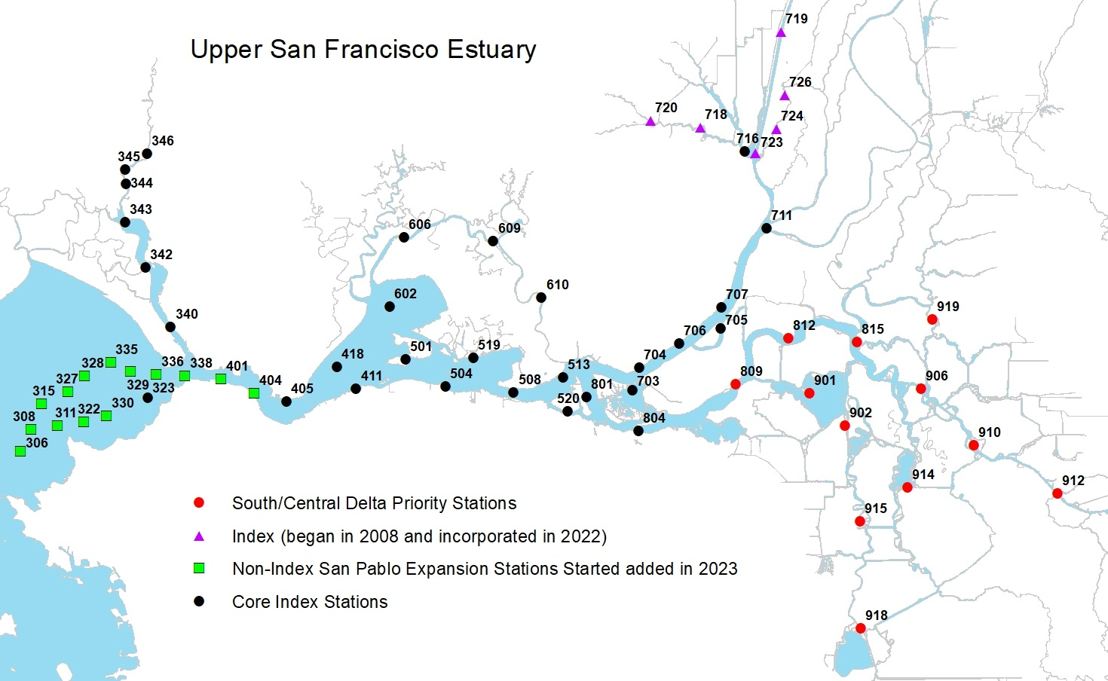
Year | Numerical survey number
SampleDate | Date of sampling
Survey | Numerical survey number
Station | Three digit numberical station number found on station list/map
Time | Recorded in military time when tow begins
TowNum | Tow Number
Common Name
Catch | Number of fish of a specific species caught per tow
Length | Recorded to the nearest mm

20-mm Map

