Assembly Rules
Order Number | Process | WC | Move Hours | Production Time | Assembly Prefix
10 | Material Handling | 9020 | 4 | 0.025 |  | 520-xxx | 9020-4060 |  |  |  |  |  |  |  |  |  | 10
20 | Layout & Prep (Pickering St.) | 3010 | 4 | 0.025 |  | 510-xxx | 9020-6510 |  |  |  |  |  |  |  |  |  |  |  |  | 10
30 | Brake, Press 400 Ton | 3030 | 4 | 0.025 |  | .asm | 9020 |  | 11
40 | Brake, Press 400 Ton | 3035 | 4 | 0.05 |  |  |  |  |  | 11
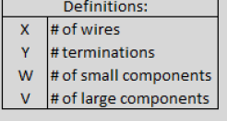
50 | Horizontal Band Saw (Pickering St.) | 3050 | 4 | 0.25 |  |  |  |  |  |  | 11
50 | Assemble and Weld (Pickering St.) | 3150 | 4 | 0.1 |  | 4060 | wire image |  |  |  |  |  |  |  |  | 11
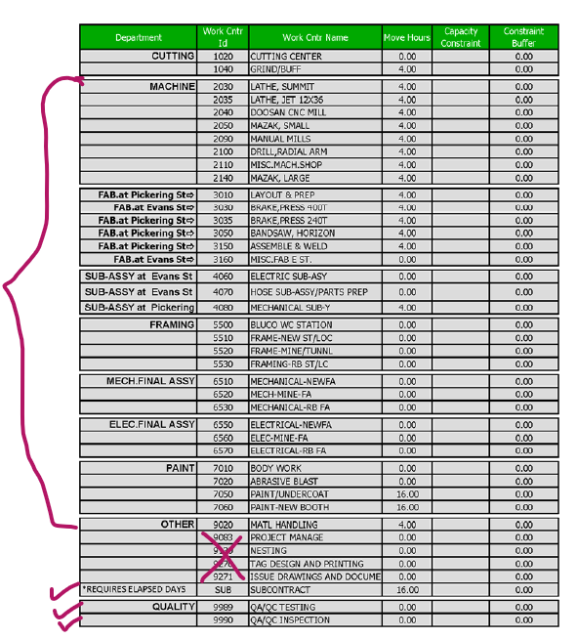
50 | Misc. Fabrication Evans Street | 3160 | 0 | 0.1 |  |  |  |  |  |  |  |  |  |  |  |  |  | 11
50 | Electric Sub-Assembly | 4060 | 0 | 0.25 | 520- |  |  |  |  |  |  |  |  |  |  |  |  |  |  |  |  |  |  |  | 11
60 | Hose Sub-Assembly / Parts’ Preparation | 4070 | 0 | 0.25 |  |  |  | 12
60 | Mechanical Sub-Assembly | 4080 | 4 | 0.12
70 | BLUCO Station | 5500 | 0 | 0.05 |  |  |  |  |  |  |  |  |  |  |  |  |  |  |  |  |  |  | 12
80 | Frame-New Street/Locomotive | 5510 | 0 | 0.1 |  |  |  |  |  |  |  |  |  |  | 12
 | Frame- Mine/Tunnel | 5520 | 0 | 0.1 |  |  |  |  |  |  |  |  |  |  |  |  |  |  |  |  | 13
 | Frame- Rebuild Street/Locomotive | 5530 | 0 | 0.1
 | Mechanical New Final Assembly | 6510 | 0 | 0.1 | 510- |  |  |  |  |  |  | 13
 | Mechanical Mine Final Assembly | 6520 | 0 | 0.1 |  |  |  |  |  |  |  |  | 13
 | Mechanical Rebuild Final Assembly | 6530 | 0 | 0.1
 | Electrical New Final Assembly | 6550 | 0 | 0.1 |  |  |  |  |  |  |  |  |  | 13
 | Electrical Mine Final Assembly | 6560 | 0 | 0.1 |  |  |  |  |  |  |  |  |  |  | 13
 | Electrical Rebuild Final Assembly | 6570 | 0 | 0.1 |  |  |  |  |  |  |  |  | 13
 | Body Work / Wash Bay | 7010 | 0 | 0.1 |  |  |  |  |  |  |  |  |  |  |  |  |  |  |  |  |  |  |  |  |  | 14
 | Metal Preparation | 7020 | 0 | 0.1 |  |  |  |  |  |  |  |  |  |  |  |  |  |  | 14
 | Paint/Undercoat | 7050 | 16 | 0.1 |  |  |  |  |  |  |  |  |  |  |  |  |  |  |  |  |  | 14
 | Paint-New Booth | 7060 | 16 | 0.1 |  |  |  |  |  |  |  |  |  |  |  |  |  |  |  |  |  |  |  | 14

