Instructions
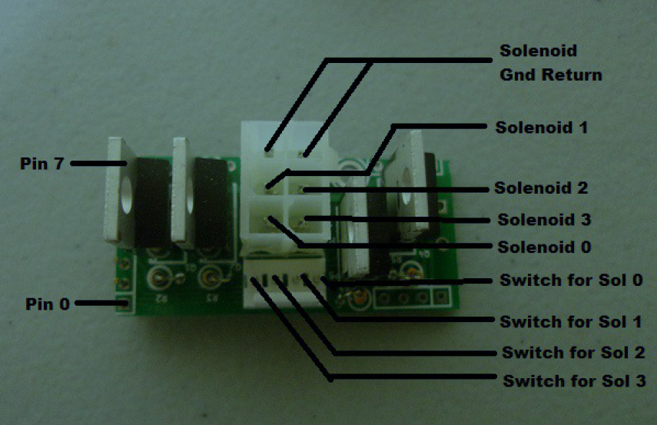
STM32 BOARDS TEMPLATE

Fill all cells colored in each STM32 tab. One tab is for one STM32 card
Leave empty unused slots
Select the proper config for each wing

Go to switches list tab. Click the button and Paste the clipboard content in Notepad++. Then Select YAML as language. You can remove column M after !
Go to coils list tab and do the same
Same for incandescent lights
NB : I'm using Notepad++ but any other editor is suitable :)

BEN

Feel free to ping me for typos, upgrade and comments at :
benetnath (at) gmail.com

If this sheet was helpful, you can make a small donation to our charity project.
We are placing pinball machines in hospital for childrens.
See : | https://www.deslumieresdanslesyeux.fr

