RQ2
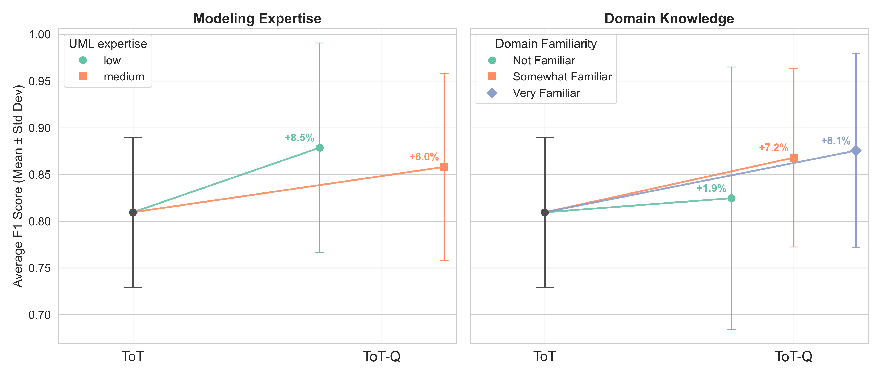
ToT F1 score
Initial F1 score | StdDev of f1
0.809 | 0.080

Performance ToT vs ToT-Q by profile
Modeling Expertise | Initial F1 avg. | Final F1 avg. | Diff f1 avg
low | 0.822 | 0.878 | 0.056
medium | 0.803 | 0.857 | 0.054
Grand Total | 0.809 | 0.864 | 0.054

Performance ToT vs ToT-Q by profile
Modeling Expertise | Initial F1 avg. | Final F1 avg. | Diff f1 avg | %Diff
low | 0.809 | 0.878 | 0.069 | 8.5%
medium | 0.809 | 0.857 | 0.048 | 6.0%
Grand Total | 0.809 | 0.864 | 0.055 | 6.8%

Performance ToT vs ToT-Q by domain knowledge
Profile | Initial F1 avg. | Final F1 avg. | Diff f1 avg
Not Familiar | 0.799 | 0.825 | 0.025
Somewhat Familiar | 0.811 | 0.867 | 0.056
Very Familiar | 0.810 | 0.874 | 0.065
Grand Total | 0.809 | 0.864 | 0.054

Performance ToT vs ToT-Q by domain knowledge
Profile | Initial F1 avg. | Final F1 avg. | Diff f1 avg | %Diff
Not Familiar | 0.809 | 0.825 | 0.016 | 1.9%
Somewhat Familiar | 0.809 | 0.867 | 0.058 | 7.2%
Very Familiar | 0.809 | 0.874 | 0.066 | 8.1%
Grand Total | 0.809 | 0.864 | 0.055 | 6.8%

