Foglio1
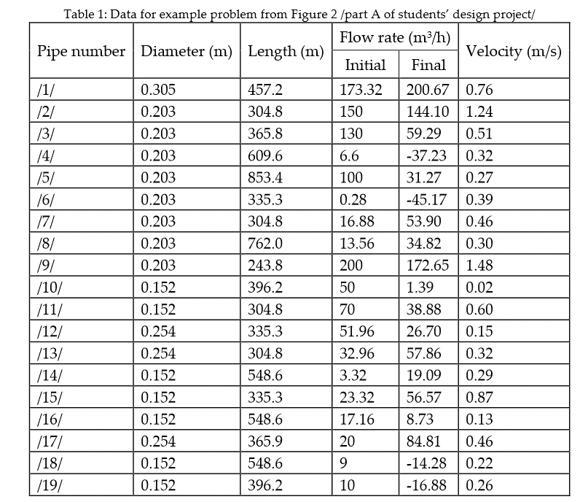
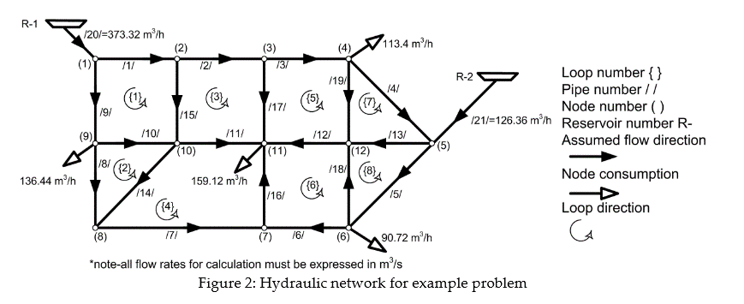
https://www.researchgate.net/publication/319700253_Spreadsheet-Based_Pipe_Networks_Analysis_for_Teaching_and_Learning_Purpose

