Sheet1
Considering the uncertaninty of the number of iterations and the method (not colebrook white) the result is good

Exercise scheme
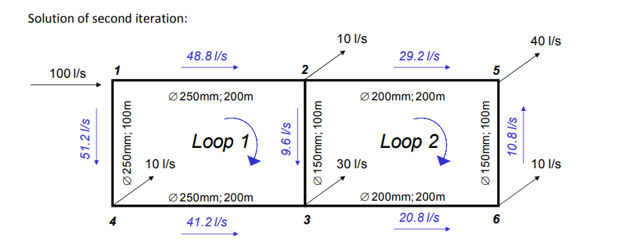
 | 1 | 2 | 3 | 4 | 5 | 6 | 7
 | 100-->200 | 200-->300 | 100-->400 | 400-->300 | 200-->500 | 300-->600 | 600-->500
 | 48.8 | 9.6 | 51.2 | 41.2 | 29.2 | 20.8 | 10.8
 | 50 | 50 | 50 | 50 | 50 | 50 | 50
 | 48.33 | 8.4 | 51.67 | 41.67 | 29.93 | 20.07 | 10.07
 | 48.33 | 8.4 | 51.67 | 41.67 | 29.93 | 20.07 | 10.07

 | 100-->200 | 200-->300 | 100-->400 | 400-->300 | 200-->500 | 300-->600 | 600-->500
Excercise | 48.8 | 9.6 | 51.2 | 41.2 | 29.2 | 20.8 | 10.8
Sim | 48.33 | 8.4 | 51.67 | 41.67 | 29.93 | 20.07 | 10.07

QGIS layout

