Grafico1
 | kg/s | kg/s | kg/s
1 | 60.29 | 60.29 | 55.741666667
2 | 47.16 | 47.16 | 40.027777778
3 | 18.52 | 18.52 | 16.469444444
4 | -8.94 | -8.94 | -10.341666667
5 | 12.39 | 12.39 | 8.6861111111
6 | -6.15 | -6.15 | -12.547222222
7 | 0.32 | 0.32 | 14.972222222
8 | 2.29 | 2.29 | 9.6722222222
9 | 43.41 | 43.41 | 47.958333333
10 | 3.22 | 3.22 | 0.38611111111
11 | 18.64 | 18.64 | 10.8
12 | 3.07 | 3.07 | 7.4166666667
13 | 13.77 | 13.77 | 16.072222222
14 | -2.29 | -2.29 | 5.3027777778
15 | 13.13 | 13.13 | 15.713888889
16 | -6.15 | -6.15 | 2.425
17 | 28.64 | 28.64 | 23.558333333
18 | -6.66 | -6.66 | -3.9666666667
19 | -4.04 | -4.04 | -4.6888888889

Foglio1
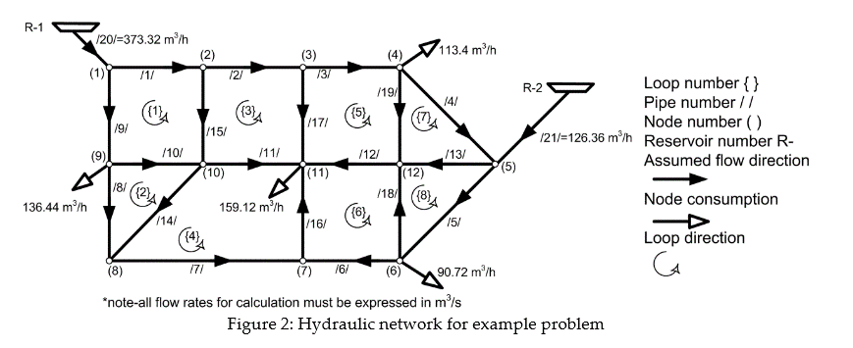
https://www.researchgate.net/publication/319700253_Spreadsheet-Based_Pipe_Networks_Analysis_for_Teaching_and_Learning_Purpose
Sim 1 sim 2 difference due to properties depending on temperature

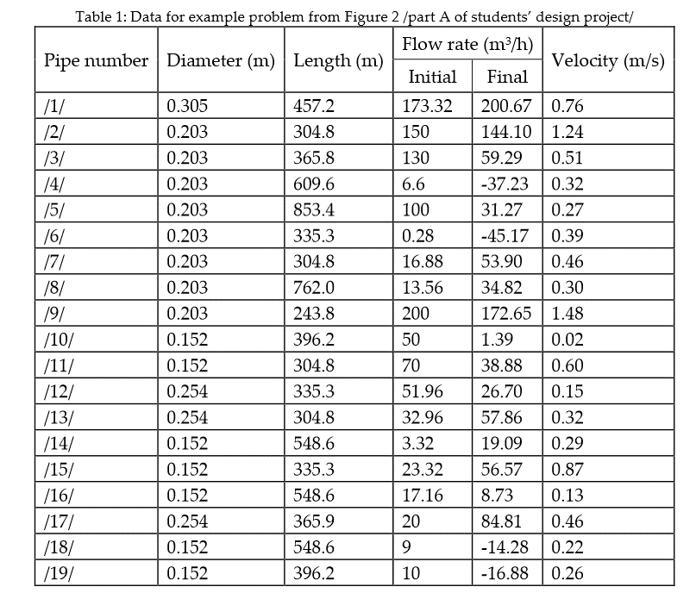

 | kg/s | kg/s | kg/s | m3/h
 | Sim 1 | Sim2 | Exercise | Exercise
1 | 60.29 | 60.29 | 55.741666667 | 200.67
2 | 47.16 | 47.16 | 40.027777778 | 144.1
3 | 18.52 | 18.52 | 16.469444444 | 59.29
4 | -8.94 | -8.94 | -10.341666667 | -37.23
5 | 12.39 | 12.39 | 8.6861111111 | 31.27
6 | -6.15 | -6.15 | -12.547222222 | -45.17
7 | 0.32 | 0.32 | 14.972222222 | 53.9
8 | 2.29 | 2.29 | 9.6722222222 | 34.82
9 | 43.41 | 43.41 | 47.958333333 | 172.65
10 | 3.22 | 3.22 | 0.38611111111 | 1.39
11 | 18.64 | 18.64 | 10.8 | 38.88
12 | 3.07 | 3.07 | 7.4166666667 | 26.7
13 | 13.77 | 13.77 | 16.072222222 | 57.86
14 | -2.29 | -2.29 | 5.3027777778 | 19.09
15 | 13.13 | 13.13 | 15.713888889 | 56.57
16 | -6.15 | -6.15 | 2.425 | 8.73
17 | 28.64 | 28.64 | 23.558333333 | 84.81
18 | -6.66 | -6.66 | -3.9666666667 | -14.28
19 | -4.04 | -4.04 | -4.6888888889 | -16.88

