Sheet2
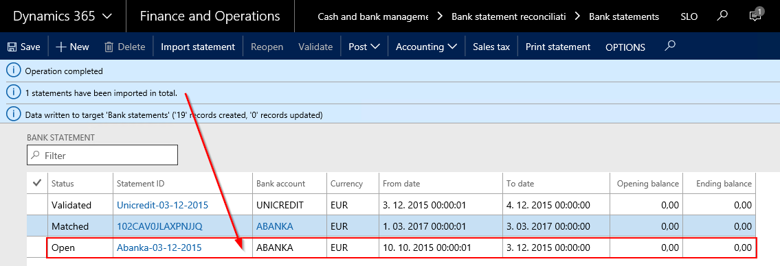
Bank Statement is imported in Cash and Bank management – Bank statement reconciliation – Bank statements → Import statement.
Mandatory information at import is Statement format
After choosing XML file, it is necessary to upload it by clicking “Upload”. After that, button “OK” is activated which triggers the import.

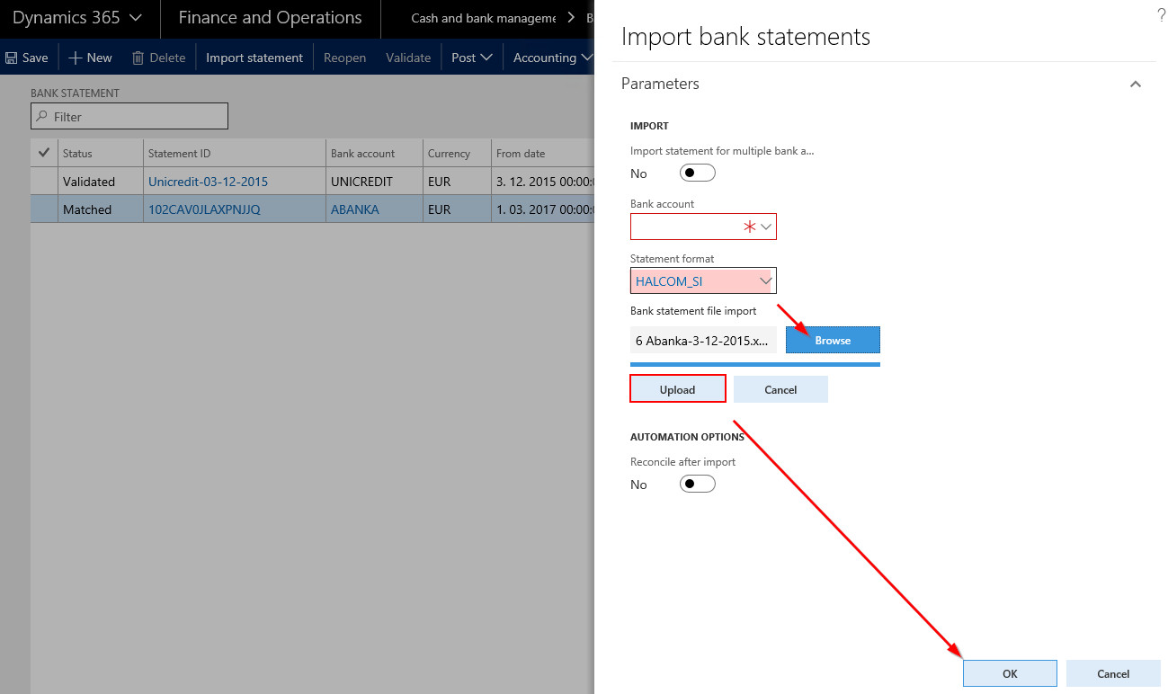

Bank Statement is imported when it is shown in the list of bank statements. Despite not defining the bank upon import, system has recognized this statement to be from Abanka bank (based on account number).

