run_FP64
TEST:6 | (see graph at far right)
ZFP cycles - run_FP64.txt |  |  |  |  |  |  |  |  |  | 2-D example of the function used to initialize arrays: f = e*(x^3 + y^3 + ...)
ZFP Encode - FP:64, DIMS:1
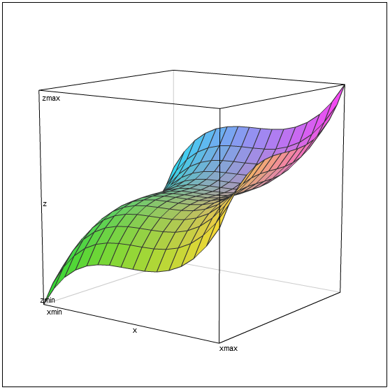

Dimensions: 1
Blocks / Rate | rate 8 | rate 16 | rate 24 | rate 32 | rate 40 | rate 48 | rate 56 | rate 64 | linear
1 | 33 | 33 | 49 | 49 | 65 | 65 | 81 | 81 | 81
2 | 58 | 58 | 90 | 90 | 122 | 122 | 152 | 152 | 162
3 | 79 | 79 | 127 | 127 | 175 | 175 | 220 | 220 | 243
4 | 103 | 103 | 167 | 167 | 231 | 231 | 289 | 289 | 324
5 | 126 | 126 | 206 | 206 | 286 | 286 | 358 | 358 | 405
6 | 150 | 150 | 246 | 246 | 342 | 342 | 428 | 428 | 486
7 | 173 | 173 | 285 | 285 | 397 | 397 | 496 | 496 | 567
8 | 198 | 198 | 326 | 326 | 454 | 454 | 567 | 567 | 648

ZFP Encode - FP:64, DIMS:2

Dimensions: 2
Blocks / Rate | rate 8 | rate 16 | rate 24 | rate 32 | rate 40 | rate 48 | rate 56 | rate 64 | linear
1 | 63 | 75 | 87 | 98 | 110 | 115 | 117 | 119 | 119
4 | 173 | 219 | 265 | 313 | 354 | 361 | 363 | 365 | 476
9 | 360 | 465 | 570 | 674 | 765 | 771 | 773 | 775 | 1071
16 | 621 | 805 | 993 | 1180 | 1336 | 1345 | 1347 | 1349 | 1904
25 | 970 | 1263 | 1551 | 1844 | 2078 | 2083 | 2085 | 2087 | 2975
36 | 1392 | 1811 | 2228 | 2650 | 2977 | 2985 | 2987 | 2989 | 4284
49 | 1907 | 2480 | 3042 | 3621 | 4047 | 4051 | 4053 | 4055 | 5831
64 | 2486 | 3234 | 3976 | 4723 | 5273 | 5281 | 5283 | 5285 | 7616

ZFP Encode - FP:64, DIMS:3

Dimensions: 3
Blocks / Rate | rate 8 | rate 16 | rate 24 | rate 32 | rate 40 | rate 48 | rate 56 | rate 64 | linear
1 | 180 | 205 | 216 | 224 | 232 | 240 | 248 | 256 | 256
8 | 871 | 1066 | 1126 | 1134 | 1142 | 1150 | 1158 | 1166 | 2048
27 | 2772 | 3433 | 3596 | 3604 | 3612 | 3620 | 3628 | 3636 | 6912
64 | 6479 | 8039 | 8407 | 8415 | 8423 | 8431 | 8439 | 8447 | 16384
125 | 12674 | 15704 | 16338 | 16346 | 16354 | 16362 | 16370 | 16378 | 32000
216 | 21905 | 27142 | 28167 | 28175 | 28183 | 28191 | 28199 | 28207 | 55296
343 | 34899 | 43190 | 44678 | 44686 | 44694 | 44702 | 44710 | 44718 | 87808
512 | 52104 | 64507 | 66647 | 66655 | 66663 | 66671 | 66679 | 66687 | 131072

