run_FP64
TEST:6 | (see graph at far right) |  |  | 0.1% jitter added to data points
ZFP cycles - run_FP64.txt |  |  |  |  |  |  |  |  |  | 2-D example of the function used to initialize arrays: f = e*(x^3 + y^3 + ...)
ZFP Encode - FP:64, DIMS:1
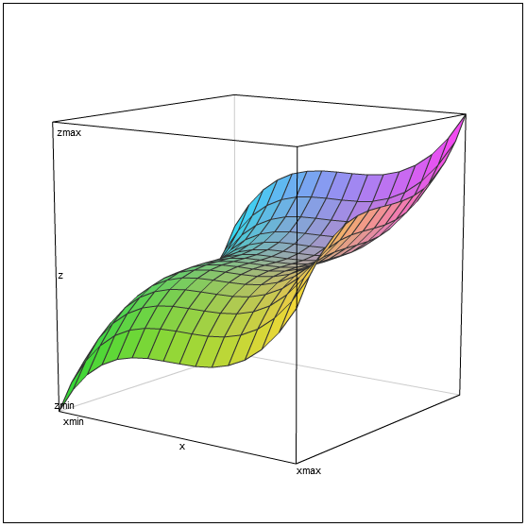

Dimensions: 1
Blocks / Rate | rate 8 | rate 16 | rate 24 | rate 32 | rate 40 | rate 48 | rate 56 | rate 64 | linear
1 | 33 | 33 | 49 | 49 | 65 | 65 | 81 | 81 | 81
2 | 58 | 58 | 90 | 90 | 122 | 122 | 152 | 152 | 162
3 | 79 | 79 | 127 | 127 | 175 | 175 | 220 | 220 | 243
4 | 103 | 103 | 167 | 167 | 231 | 231 | 289 | 289 | 324
5 | 126 | 126 | 206 | 206 | 286 | 286 | 358 | 358 | 405
6 | 150 | 150 | 246 | 246 | 342 | 342 | 428 | 428 | 486
7 | 173 | 173 | 285 | 285 | 397 | 397 | 496 | 496 | 567
8 | 198 | 198 | 326 | 326 | 454 | 454 | 567 | 567 | 648

ZFP Encode - FP:64, DIMS:2

Dimensions: 2
Blocks / Rate | rate 8 | rate 16 | rate 24 | rate 32 | rate 40 | rate 48 | rate 56 | rate 64 | linear
1 | 63 | 71 | 79 | 87 | 95 | 103 | 111 | 115 | 115
4 | 171 | 203 | 235 | 267 | 299 | 331 | 358 | 361 | 460
9 | 356 | 428 | 500 | 572 | 644 | 716 | 769 | 771 | 1035
16 | 610 | 738 | 866 | 994 | 1122 | 1250 | 1343 | 1345 | 1840
25 | 951 | 1151 | 1351 | 1551 | 1751 | 1951 | 2081 | 2083 | 2875
36 | 1357 | 1645 | 1933 | 2221 | 2509 | 2797 | 2984 | 2986 | 4140
49 | 1852 | 2244 | 2636 | 3028 | 3420 | 3812 | 4049 | 4051 | 5635
64 | 2420 | 2932 | 3444 | 3956 | 4468 | 4980 | 5280 | 5282 | 7360

ZFP Encode - FP:64, DIMS:3

Dimensions: 3
Blocks / Rate | rate 8 | rate 16 | rate 24 | rate 32 | rate 40 | rate 48 | rate 56 | rate 64 | linear
1 | 172 | 180 | 188 | 196 | 204 | 212 | 220 | 228 | 228
8 | 793 | 857 | 921 | 985 | 1049 | 1113 | 1128 | 1136 | 1824
27 | 2487 | 2703 | 2919 | 3135 | 3351 | 3567 | 3598 | 3606 | 6156
64 | 5767 | 6279 | 6791 | 7303 | 7815 | 8327 | 8408 | 8416 | 14592
125 | 11226 | 12226 | 13226 | 14226 | 15226 | 16226 | 16340 | 16348 | 28500
216 | 19346 | 21074 | 22802 | 24530 | 26258 | 27986 | 28169 | 28177 | 49248
343 | 30695 | 33439 | 36183 | 38927 | 41671 | 44415 | 44680 | 44688 | 78204
512 | 45810 | 49906 | 54002 | 58098 | 62194 | 66290 | 66649 | 66657 | 116736

