run_FP64
TEST:6 | (see graph at far right)
ZFP cycles - run_FP64_t6.txt |  |  |  |  |  |  |  |  |  | 2-D example of the function used to initialize arrays: f = x/DIM + y/DIM + …
ZFP Encode - FP:64, DIMS:1
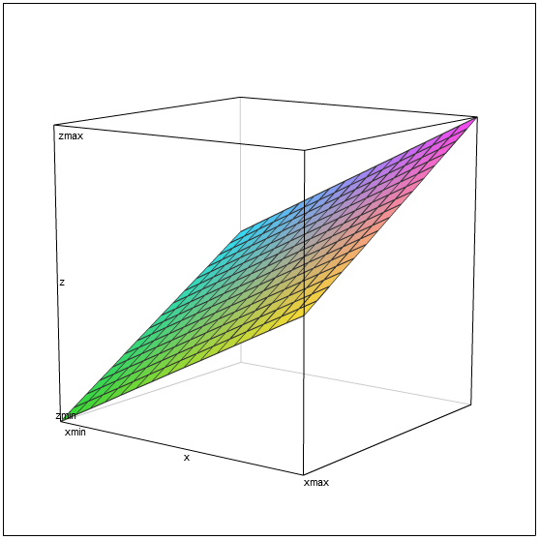

Dimensions: 1
Blocks / Rate | rate 8 | rate 16 | rate 24 | rate 32 | rate 40 | rate 48 | rate 56 | rate 64 | linear
1 | 38 | 38 | 59 | 59 | 80 | 80 | 84 | 84 | 84
2 | 65 | 65 | 107 | 107 | 150 | 150 | 154 | 154 | 168
3 | 91 | 91 | 154 | 154 | 215 | 215 | 223 | 223 | 252
4 | 119 | 119 | 203 | 203 | 288 | 288 | 293 | 293 | 336
5 | 145 | 145 | 251 | 251 | 352 | 352 | 362 | 362 | 420
6 | 175 | 175 | 302 | 302 | 422 | 422 | 432 | 432 | 504
7 | 201 | 201 | 348 | 348 | 489 | 489 | 501 | 501 | 588
8 | 228 | 228 | 396 | 396 | 564 | 564 | 571 | 571 | 672

ZFP Encode - FP:64, DIMS:2

Dimensions: 2
Blocks / Rate | rate 8 | rate 16 | rate 24 | rate 32 | rate 40 | rate 48 | rate 56 | rate 64 | linear
1 | 81 | 113 | 115 | 117 | 119 | 121 | 123 | 125 | 125
4 | 238 | 358 | 361 | 363 | 365 | 367 | 369 | 371 | 500
9 | 500 | 751 | 770 | 772 | 774 | 776 | 778 | 780 | 1125
16 | 865 | 1342 | 1345 | 1347 | 1349 | 1351 | 1353 | 1355 | 2000
25 | 1324 | 2016 | 2082 | 2084 | 2086 | 2088 | 2090 | 2092 | 3125
36 | 1917 | 2901 | 2984 | 2986 | 2988 | 2990 | 2992 | 2994 | 4500
49 | 2603 | 3953 | 4050 | 4052 | 4054 | 4056 | 4058 | 4060 | 6125
64 | 3389 | 5279 | 5281 | 5283 | 5285 | 5287 | 5289 | 5291 | 8000

ZFP Encode - FP:64, DIMS:3

Dimensions: 3
Blocks / Rate | rate 8 | rate 16 | rate 24 | rate 32 | rate 40 | rate 48 | rate 56 | rate 64 | linear
1 | 213 | 221 | 229 | 237 | 245 | 253 | 261 | 269 | 269
8 | 1119 | 1130 | 1138 | 1146 | 1154 | 1162 | 1170 | 1178 | 2152
27 | 3583 | 3600 | 3608 | 3616 | 3624 | 3632 | 3640 | 3648 | 7263
64 | 8383 | 8409 | 8417 | 8425 | 8433 | 8441 | 8449 | 8457 | 17216
125 | 16329 | 16340 | 16348 | 16356 | 16364 | 16372 | 16380 | 16388 | 33625
216 | 28075 | 28171 | 28179 | 28187 | 28195 | 28203 | 28211 | 28219 | 58104
343 | 44514 | 44680 | 44688 | 44696 | 44704 | 44712 | 44720 | 44728 | 92267
512 | 66389 | 66649 | 66657 | 66665 | 66673 | 66681 | 66689 | 66697 | 137728

