run_FP64
TEST:6 | (see graph at far right) |  |  | 0.1% jitter added to data points
ZFP cycles - run_FP64_t6.txt |  |  |  |  |  |  |  |  |  | 2-D example of the function used to initialize arrays: f = x/DIM + y/DIM + …
ZFP Encode - FP:64, DIMS:1
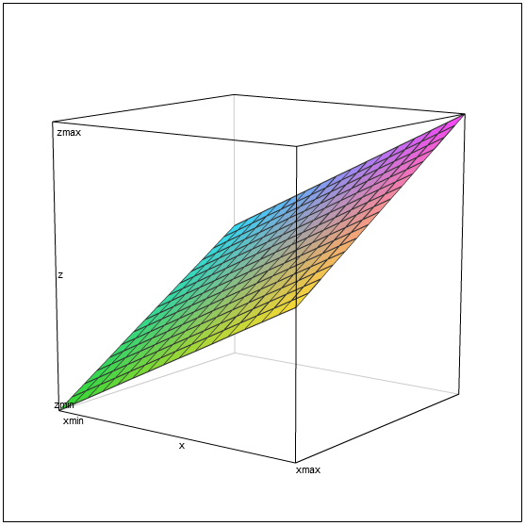

Dimensions: 1
Blocks / Rate | rate 8 | rate 16 | rate 24 | rate 32 | rate 40 | rate 48 | rate 56 | rate 64 | linear
1 | 36 | 36 | 52 | 52 | 68 | 68 | 84 | 84 | 84
2 | 62 | 62 | 94 | 94 | 126 | 126 | 154 | 154 | 168
3 | 86 | 86 | 134 | 134 | 182 | 182 | 223 | 223 | 252
4 | 112 | 112 | 176 | 176 | 240 | 240 | 293 | 293 | 336
5 | 137 | 137 | 217 | 217 | 297 | 297 | 362 | 362 | 420
6 | 164 | 164 | 260 | 260 | 356 | 356 | 432 | 432 | 504
7 | 187 | 187 | 299 | 299 | 411 | 411 | 501 | 501 | 588
8 | 214 | 214 | 342 | 342 | 470 | 470 | 571 | 571 | 672

ZFP Encode - FP:64, DIMS:2

Dimensions: 2
Blocks / Rate | rate 8 | rate 16 | rate 24 | rate 32 | rate 40 | rate 48 | rate 56 | rate 64 | linear
1 | 67 | 75 | 83 | 91 | 99 | 107 | 114 | 116 | 116
4 | 185 | 217 | 249 | 281 | 313 | 345 | 360 | 362 | 464
9 | 380 | 452 | 524 | 596 | 668 | 740 | 770 | 772 | 1044
16 | 654 | 782 | 910 | 1038 | 1166 | 1294 | 1344 | 1346 | 1856
25 | 1003 | 1203 | 1403 | 1603 | 1803 | 2003 | 2082 | 2084 | 2900
36 | 1427 | 1715 | 2003 | 2291 | 2579 | 2867 | 2984 | 2986 | 4176
49 | 1943 | 2335 | 2727 | 3119 | 3511 | 3903 | 4050 | 4052 | 5684
64 | 2518 | 3030 | 3542 | 4054 | 4566 | 5078 | 5280 | 5282 | 7424

ZFP Encode - FP:64, DIMS:3

Dimensions: 3
Blocks / Rate | rate 8 | rate 16 | rate 24 | rate 32 | rate 40 | rate 48 | rate 56 | rate 64 | linear
1 | 172 | 180 | 188 | 196 | 204 | 212 | 220 | 228 | 228
8 | 804 | 868 | 932 | 996 | 1060 | 1121 | 1130 | 1138 | 1824
27 | 2520 | 2736 | 2952 | 3168 | 3384 | 3591 | 3600 | 3608 | 6156
64 | 5844 | 6356 | 6868 | 7380 | 7892 | 8395 | 8410 | 8418 | 14592
125 | 11332 | 12332 | 13332 | 14332 | 15332 | 16312 | 16340 | 16348 | 28500
216 | 19518 | 21246 | 22974 | 24702 | 26430 | 28120 | 28170 | 28178 | 49248
343 | 30957 | 33701 | 36445 | 39189 | 41933 | 44608 | 44680 | 44688 | 78204
512 | 46153 | 50249 | 54345 | 58441 | 62537 | 66563 | 66649 | 66657 | 116736

