Sheet1
int dir1PinA = 7;
int dir2PinA = 5;
int speedPinA = 6; |  |  |  |  |  |  |  |  | groen
 |  |  | D13 | D12 |  |  |  |  | D7
//motor B |  |  | vcc | GND | D2 | D3 | D4 | D5 | D6
int dir1PinB = 4; |  |  | wit | zwart | rood | oranje | geel | rood | blauw
int dir2PinB = 2;
int speedPinB = 3;
 |  |  |  | wit | 1 | 5v
 |  |  |  | zwart | 2 | GND
 |  | speedBinB | D5 | bruin | 3 | ENB ( Motor B enable PIN)
 |  | dir2PinB | D2 | rood | 4 | IN4 (Motor B direction 2 PIN)
 |  | dir1PinB | D3 | oranje | 5 | IN3 (Motor B direction 1 PIN)
 |  | dir2PinA | D4 | geel | 6 | IN2 (Motor A direction 2 PIN)
 |  | dir1PinA | D7 | groen | 7 | IN1 (Motor A direction 1 PIN)
 |  | speedPinA | D6 | blauw | 8 | ENA (Motor A enable PIN)

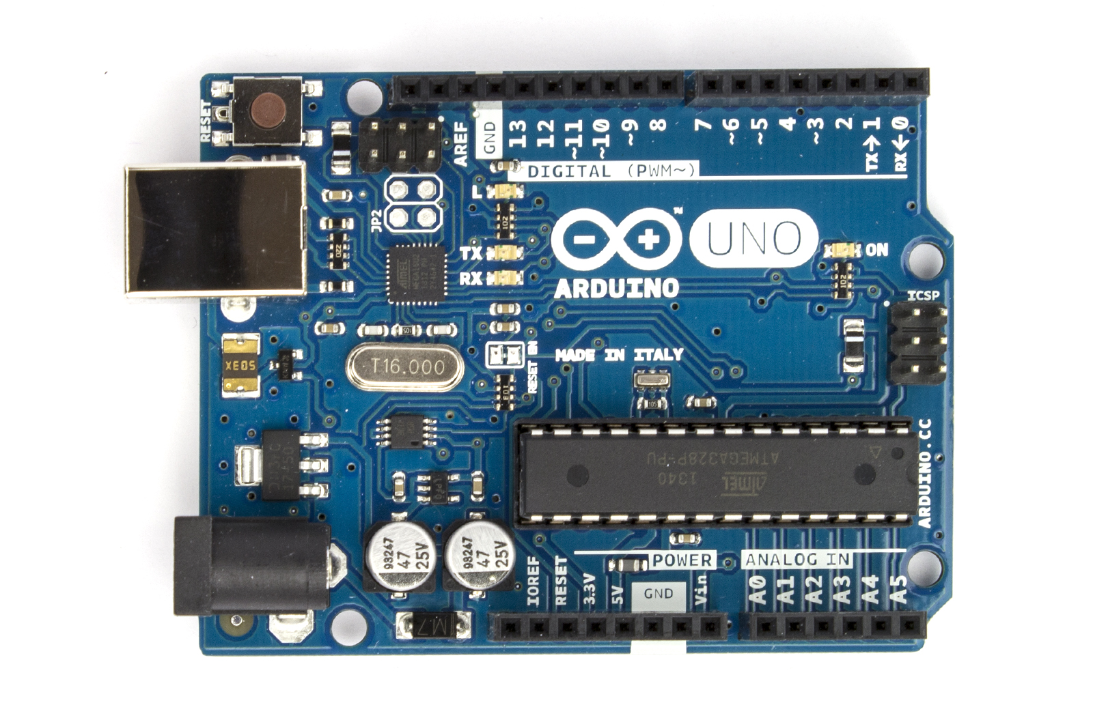
use | 3
 | 5
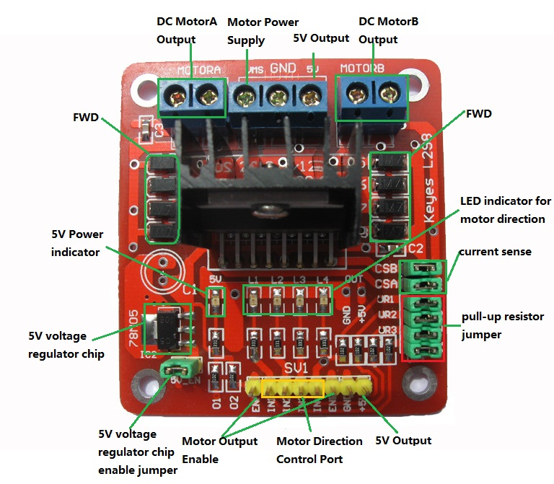

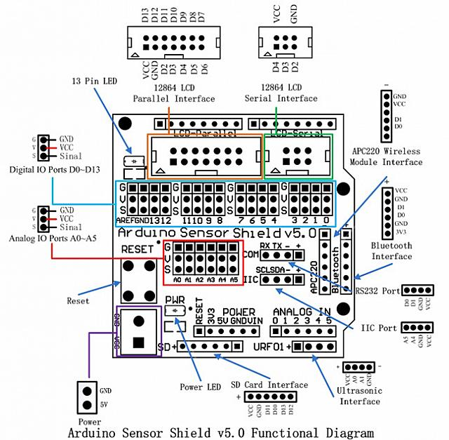

 | TX0 | D0 | BlueTooth
 | RX | D1 | BlueTooth
 |  | D2
 | PWM | D3
 |  | D4
 | PWM | D5
 | PWM | D6
 |  | D7
 |  | D8 | IRRecvPin
 | PWM | D9
 | PWM | D10
 | PWM | D11
 |  | D12 | USTriggerPin
 |  | D13 | USEchoPin

