Sheet1
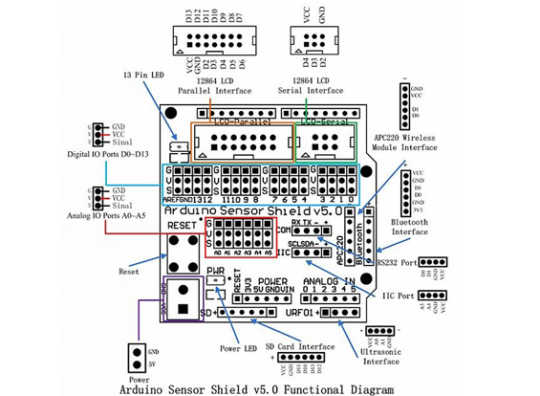

Motor control unit
SIG | COLOR |  | EXPANSION
+5v | ORANGE |  | VCC
GND | YELLOW |  | GND
ENB | GREEN |  | VCC
IN4 | BLUE |  | 11
IN3 | PURPLE |  | 10
IN2 | GRAY |  | 6
IN1 | WHITE |  | 5
ENA | BLACK |  | VCC

IR RECV board

1 | YELLOW | GND
2 | GREEN | VCC
3 | BLUE | 2
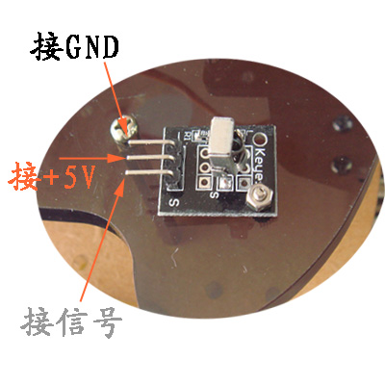

LEFT
SIG | BRWN | 7
GND | RED | GND
VCC | ORANGE | VCC

MIDDLE
SIG | YELLOW | 4
GND | GREEN | GND
VCC | BLUE | VCC

RIGHT
SIG | PURPLE | 3
GND | GRAY | GND
VCC | WHITE | VCC

US MODULE
VCC | ORANGE | VCC
TRIG | YELLOW | 13
ECHO | BRWN | 12
GND | BLACK | GND

SERVO
GND | GRAY | GND
VCC | RED | VCC
POS | YELLOW | 9

