Instuctions
Instructions

 | Three easy steps to refresh the spreadsheet
 | : Step 1 - Run the Patient Referal Sources Report in Dental4Windows and save to CSV file format
 | : Step 2 - Update the FilePath, FileName and PracticeName on the Parameters sheet
 | : Step 3 - Refresh the spreadsheet either a) CTRL + ALT + F5 or b) from the mena Data-> Refresh All

Step 1 - Run the Patient Referal Sources Report in Dental4Windows and save to CSV file format. Make a note of the fileName and FilePath

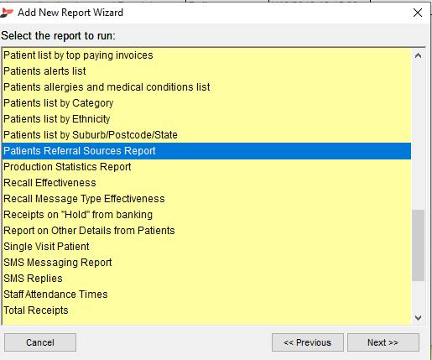

Step 2 - Update the FilePath, FileName and PracticeName on the Parameters sheet

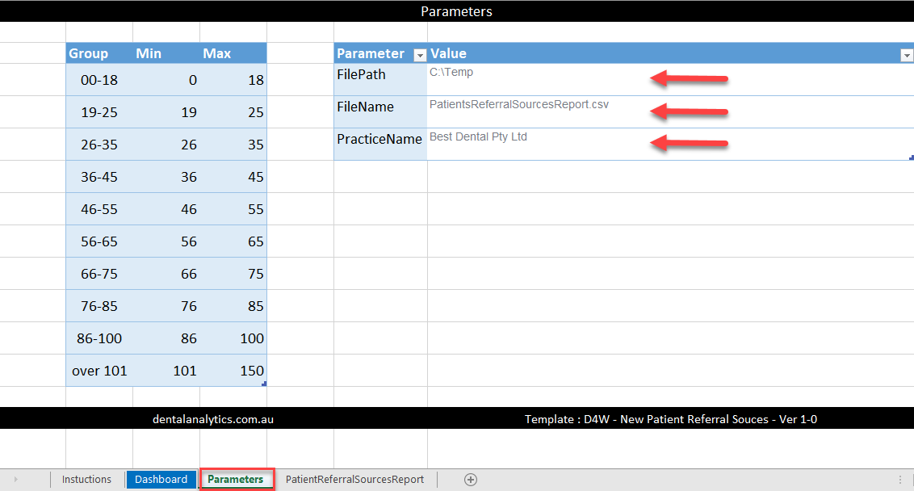

Step 3 - Refresh the spreadsheet either a) CTRL + ALT + F5 or b) from the mena Data-> Refresh All

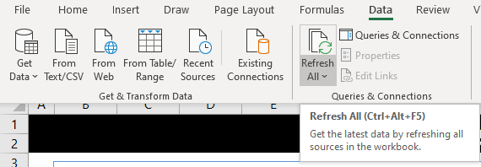

dentalanalytics.com.au
support@dentalanalytics.com.au
Template : D4W - New Patient Referral Souces - Ver 1-0

Dashboard
To Refesh All
CTRL + ALT +F5 Before refrehing ensure the FilePath and FileName on the Parameters sheet is correct PS => Need to press refresh twice to update tables and graphs
Best Dental Pty Ltd

New Patient Analysis

Tip 1

Select Years, Quarters, Months or Days from the top right corner of the Timeline slicer to easily select the relevent period

 | New patients by month and year

 | 2017 | 2018 | 2019
1 | 43 | 39 | 68
2 | 44 | 53 | 57
3 | 64 | 89 | 76
4 | 39 | 63 | 57
5 | 51 | 55 | 58
6 | 44 | 50 | 43
7 | 51 | 58 | 66
8 | 54 | 58 | 62
9 | 45 | 46 | 77
10 | 48 | 73 | 66
11 | 43 | 47 | 85
12 | 55 | 60 | 10
Tip 2
ALT , F , P
Print a hardcopy of the report for meetings with the owners or the marketing team

Support
For support or to request additional features email support@dentalanalytics.com.au

 | PatientCount
 |  | 1 | 2 | 3 | 4 | 5 | 6 | 7 | 8 | 9 | 10 | 11 | 12 | Grand Total
 | 2017 | 43 | 44 | 64 | 39 | 51 | 44 | 51 | 54 | 45 | 48 | 43 | 55 | 581
 | 2018 | 39 | 53 | 89 | 63 | 55 | 50 | 58 | 58 | 46 | 73 | 47 | 60 | 691
 | 2019 | 68 | 57 | 76 | 57 | 58 | 43 | 66 | 62 | 77 | 66 | 85 | 10 | 725
 | Grand Total | 150 | 154 | 229 | 159 | 164 | 137 | 175 | 174 | 168 | 187 | 175 | 125 | 1997

 | Patient allocation by provider

 | Total
Blatnoyd Rudy | 263
Hurst Dana | 290
O'Connell Fergus | 289
Oseransky Nicholas | 286
Pincus Bertram | 294
Sanster Franck | 304
Stanton Andrew | 271

 | Patient Demographics

 | Total
00-18 | 401
19-25 | 150
26-35 | 341
36-45 | 245
46-55 | 230
56-65 | 252
66-75 | 230
76-85 | 106
86-100 | 42

dentalanalytics.com.au

