SAMHD1
PSR identifed in both our large-scale evolutionary analysis, as well as in previous small-scale case study/studies

PSR DETECTED BY OUR ANALYSES
REPORTED IN CASE STUDY? | PSR | ensembl.id | ensembl.transcript.id | ensembl.protein.id | EntrezGene.ID | HGNC.symbol | Description | aa.human | position.aln | length_alignment | position.aln.relative | position.human | length_human_sequence | position.human.relative
0 | S283 | ENSG00000101347 | ENST00000262878 | ENSP00000262878 | 25939 | SAMHD1 | SAM domain and HD domain 1 [Source:HGNC Symbol;Acc:HGNC:15925] | S | 284 | 627 | 0.452950558 | 283 | 626 | 0.452076677
0 | N293 | ENSG00000101347 | ENST00000262878 | ENSP00000262878 | 25939 | SAMHD1 | SAM domain and HD domain 1 [Source:HGNC Symbol;Acc:HGNC:15925] | N | 294 | 627 | 0.468899522 | 293 | 626 | 0.468051118
1 | M626 | ENSG00000101347 | ENST00000262878 | ENSP00000262878 | 25939 | SAMHD1 | SAM domain and HD domain 1 [Source:HGNC Symbol;Acc:HGNC:15925] | M | 627 | 627 | 1 | 626 | 626 | 1

Laguette N, Rahm N, Sobhian B, Chable-Bessia C, Münch J, Snoeck J, Sauter D, Switzer WM, Heneine W, Kirchhoff F, et al. (2012) Evolutionary and functional analyses of the interaction between the myeloid restriction factor SAMHD1 and the lentiviral Vpx protein. Cell Host Microbe 11: 205–217.
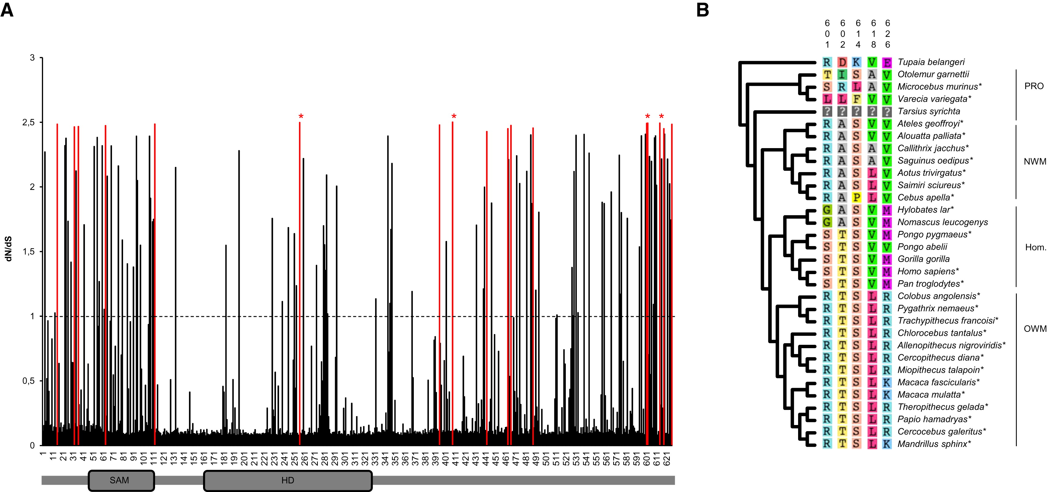
human aa | human pos
..17 in total..
Q | 256
R | 408
S | 601
T | 602
S | 614
V | 618
M | 626
..17 in total..

Lim ES, Fregoso OI, McCoy CO, Matsen FA, Malik HS, Emerman M (2012) The ability of primate lentiviruses to degrade the monocyte restriction factor SAMHD1 preceded the birth of the viral accessory protein Vpx. Cell Host Microbe 11: 194–204.
human aa | human pos
W | 32
L | 36
G | 46 | experimental evidence
R | 69 | experimental evidence
L | 107
K | 486

