Foglio1
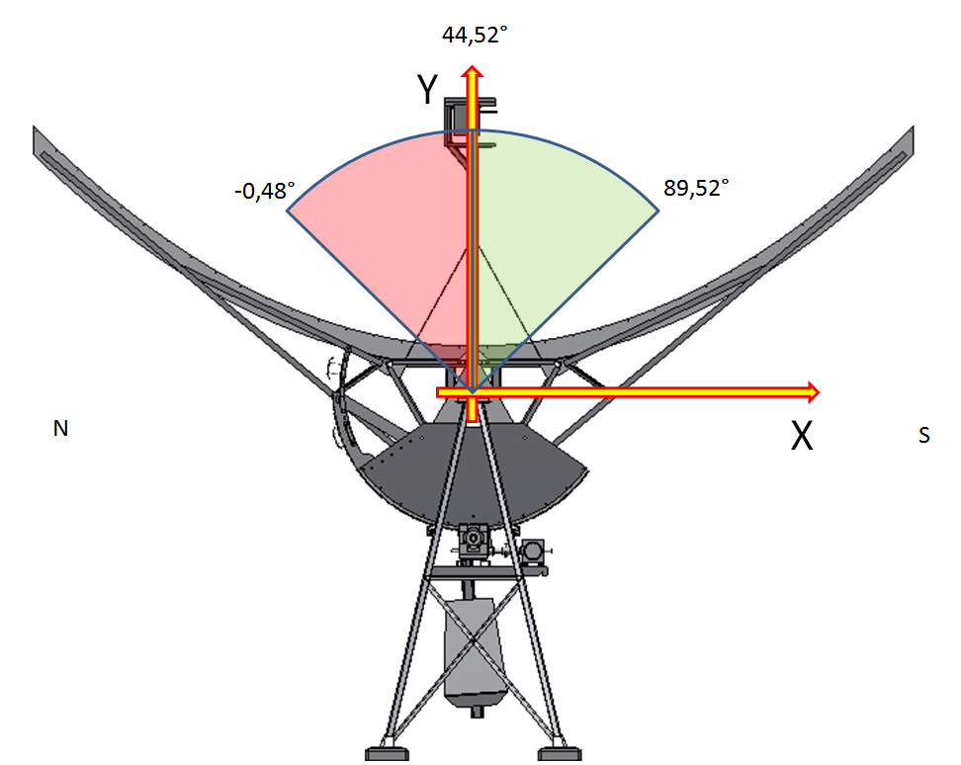

DECLINATION POINTING | 89.52 | °

DELTA X | 1567.60 | mm

DELTA Y | -648.95 | mm

