Appendix
GT ANTENNA RAD PATTERN (POLAR)

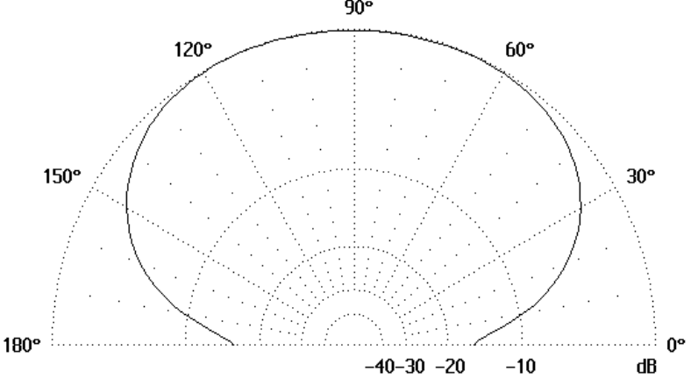

Peak gain: 5.62 dBi

