Sheet1
ID | Projects | Version | Category | Source | Sink | Path | screenshot
H2-Research-001 | codefollower/H2-Research | a03c46d9d0604bd730206415e9f4d2d110327e21 | NPE | Session.java:1871 | Table.java:81 | 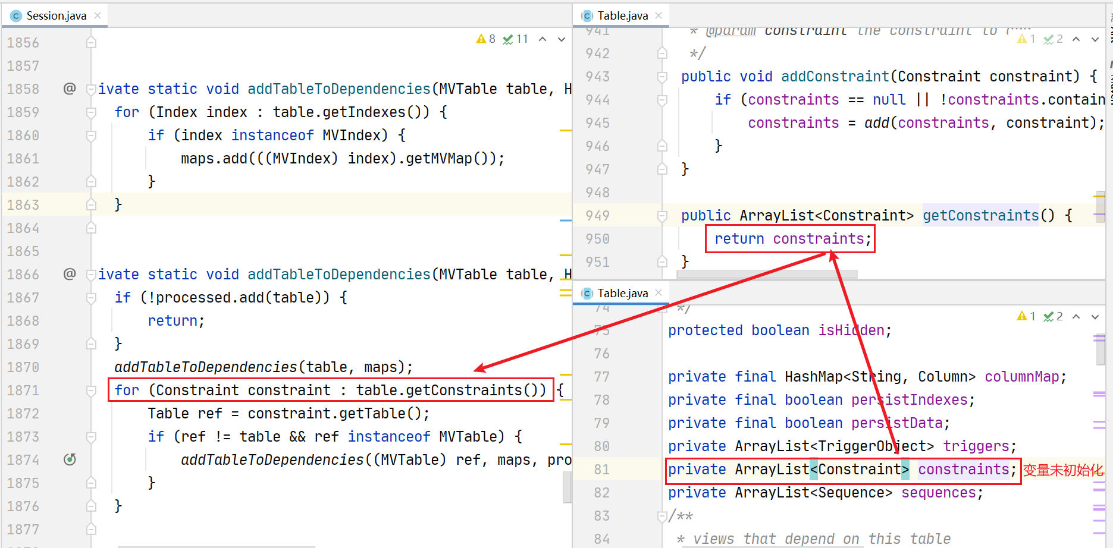 | 