Title
British Library Newspaper Title-level List A list of newspaper titles held by the British Library | 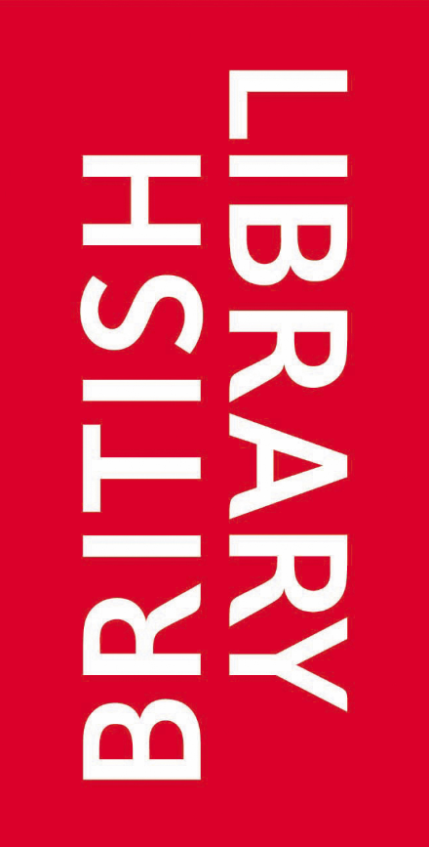

Version 1.0, 05 October 2021

