Sheet1
Device ID | Device Name | Accuracy | Overall
 |  |  | FAR | UND | TP | TN | FP | FN
1 | Smoke detector | 98.69 | 0.17 | 0.97 | 4637 | 35 | 7 | 55 | 4734
2 | Indoor camera | 98.47 | 0.03 | 0.96 | 1516 | 31 | 1 | 23 | 1571
3 | Nest mini | 99.34 | 0.08 | 1.65 | 5157 | 99 | 9 | 26 | 5291
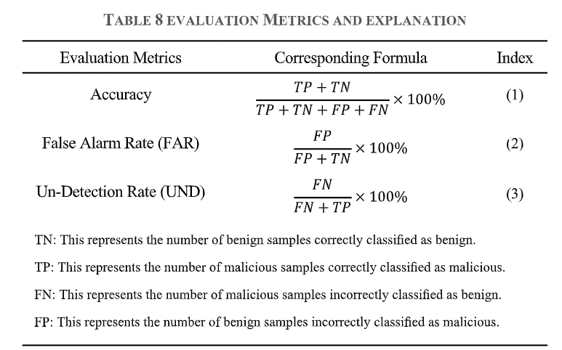
4 | Temperature sensor | 99.08 | 0.21 | 1.07 | 2764 | 33 | 9 | 17 | 2823
5 | Tempi temperature sensor | 99.53 | 0.20 | 1.13 | 5464 | 37 | 9 | 17 | 5527
6 | Smart lock | 98.16 | 0.07 | 0.19 | 983 | 28 | 2 | 17 | 1030
7 | Door&window sensor | 98.04 | 0.14 | 0.96 | 983 | 19 | 3 | 17 | 1022
8 | Button remote control | 99.44 | 0.17 | 0.43 | 4611 | 45 | 9 | 17 | 4682
9 | Energy socket | 97.57 | 0.13 | 0.72 | 983 | 59 | 9 | 17 | 1068
10 | Smart light bulb | 97.54 | 0.16 | 0.55 | 983 | 49 | 9 | 17 | 1058
11 | Mi smart scale | 98.24 | 0.06 | 0.87
12 | Mi band 8 | 98.89 | 0.03 | 0.86
13 | Mijia hygrometer 2 | 99.03 | 0.01 | 0.41
14 | Key finder | 98.17 | 0.06 | 0.98
15 | Otbeat sport band | 99.41 | 0.01 | 0.22
16 | HomePod 2 | 98.01 | 0.09 | 1.28
 | Average | 98.60 | 0.10 | 0.83

