General
GENERAL SCOUR (a.k.a. Regime or Natural Scour)
Ref: Baird, D et al. 2019. Guidelines for Evaluating Pipeline Channel Crossing Hazards to Ensure Effective Burial. U.S. Dept. of Interior, Bureau of Reclamation Technical Service Center. Denver, CO. September 2019.
Ref: Pemberton, E.L., and J.M. Lara. 1984. Computing Degradation and Local Scour: Technical Guideline for Bureau of Reclamation. U.S. Dept. of Interior, Bureau of Reclamation Engineering Research Center. Denver, CO. January 1984.
Ref: Hydrocon Engineering (Continental) Ltd. 1983. A Review of Scour Multiplication Factors for Gravel-Bed Rivers. Hydrocon Engineering (Continental) Ltd., Alberta Environmental Research Trust.

Step 1: Determine Z Value - Pemberton & Lara 1984

 | Channel Condition | 0 |  |  | Pemberton & Lara 1984
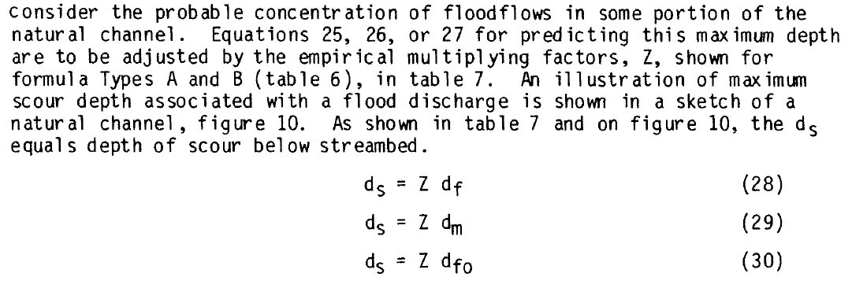
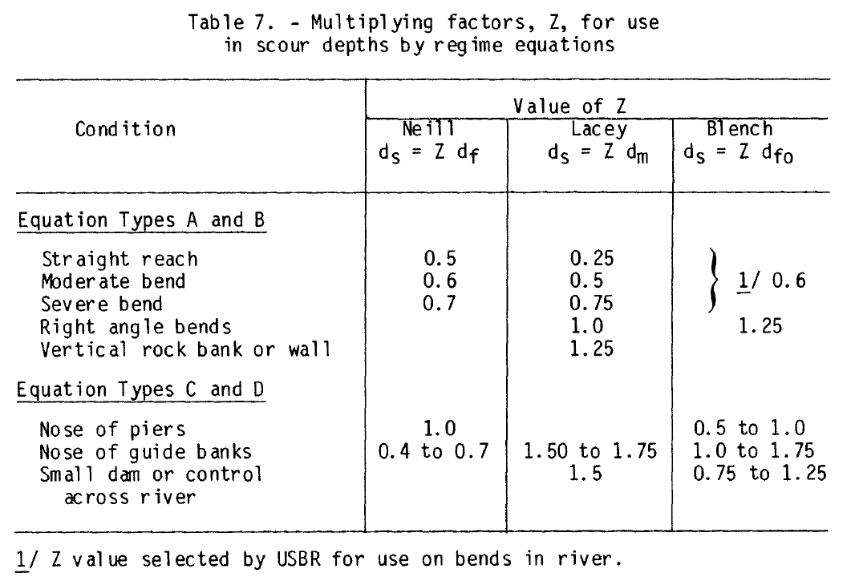
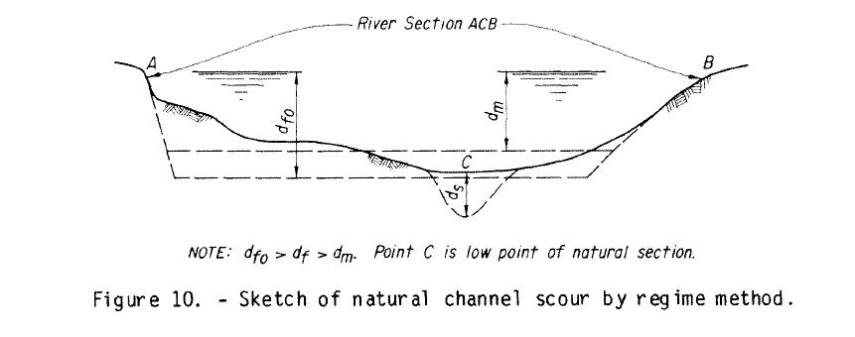
 | plZ_N | #N/A | Peberton & Lara 1984, Neill |  |  |  | Neill | Lacey | Blench
 | plZ_L | #N/A | Peberton & Lara 1984, Lacey |  |  | Straight | 0.5 | 0.25 | 0.6
 | plZ_B | #N/A | Peberton & Lara 1984, Blench |  |  | Moderate Bend | 0.6 | 0.5 | 0.6
 |  |  |  |  |  | Severe Bend | 0.7 | 0.75 | 0.6
 |  |  |  |  |  | Right Angle Bend | 1 | 1 | 1.25
 |  |  |  |  |  | Armored Bank | 1 | 1.25 | 1.25

 |  |  |  |  |  | Confluence | 1.5 | 1.75 | 1.75

Step 2: Calculate Zeller General Scour - Baird et al. 2019 (Simons Li & Associates, 1985)
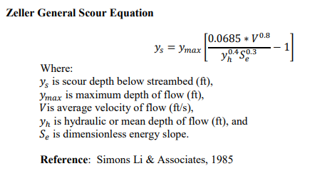

 | Dmd | 0 | ft | (ymax)
 | Dad | 0 | ft | (yh)
 | Va | 0 | ft/s | (V)
 | Se | 0 | ft/ft

 | ys | #DIV/0! | ft

Step 3: Calculate Neill Regime Scour - Pemberton & Lara 1984
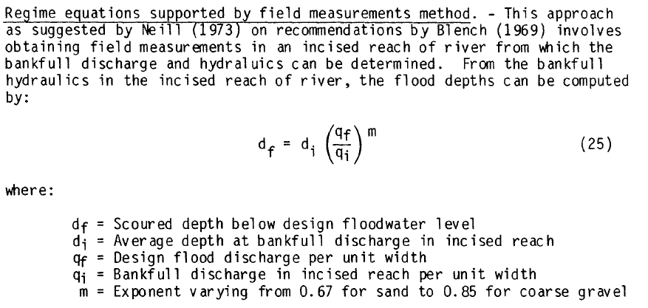
 |  |  |  |  |  |  |  |  |  | median D50 (mm)
 | Qd | 0 | cfs
 | Qbf | 0 | cfs |  |  |  |  | m | class
 | Dad | 0 | ft |  |  |  |  | 0.67 | Fine Sand | 0.16
 | Dabf | 0 | ft | (di) |  |  |  | 0.85 | Coarse Gravel | 23
 | W | 0 | ft
 | d50 | 0 | mm
 | qd | #DIV/0! | cfs/ft | (qf)
 | qbf | #DIV/0! | cfs/ft | (qi)
 | m | 0.67

 | df | #DIV/0! | ft

 | pl_ds | #DIV/0! | ft

Step 4: Calculate Lacey Regime Scour - Pemberton & Lara 1984

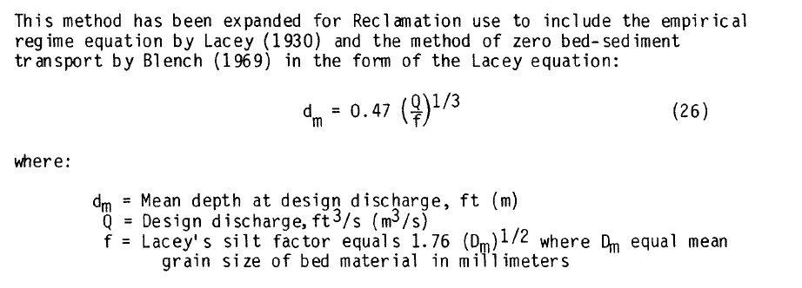
 | Qd | 0 | cfs | (Q)
 | d50 | 0 | mm | (Dm)
 | Dad | 0 | ft
 | f | 0

 | dm | #DIV/0! | ft

 | pl_ds | #DIV/0! | ft

Step 5: Calculate Blench Regime Scour - Pemberton & Lara 1984
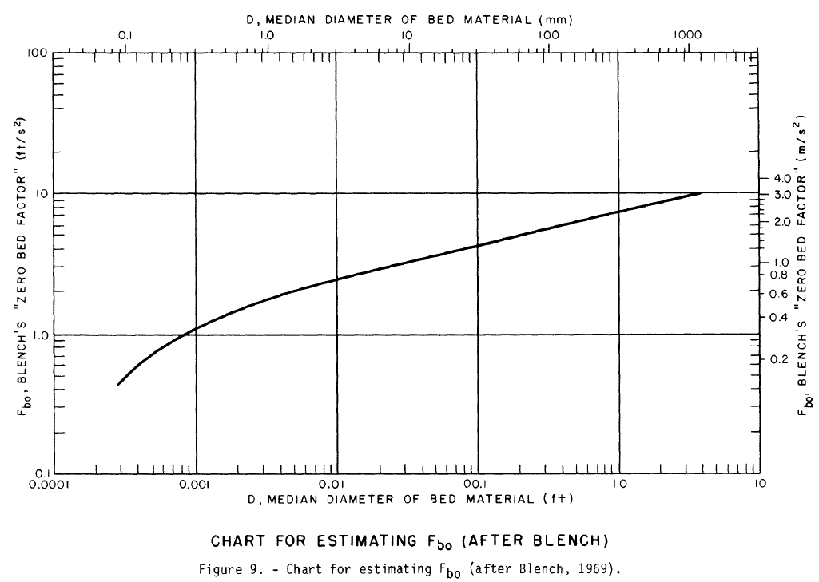

 | Qd | 0 | cfs | (Q)
 | W | 0 | ft
 | d50 | 0 | mm
 | d50 |  | ft
 | qd | #DIV/0! | cfs/ft | (qf)
 | Fbo | #VALUE!

 | dfo | #DIV/0! | ft

 | pl_ds | #DIV/0! | ft

Step 6: Calculate Competent Velocity Scour - Pemberton & Lara 1984
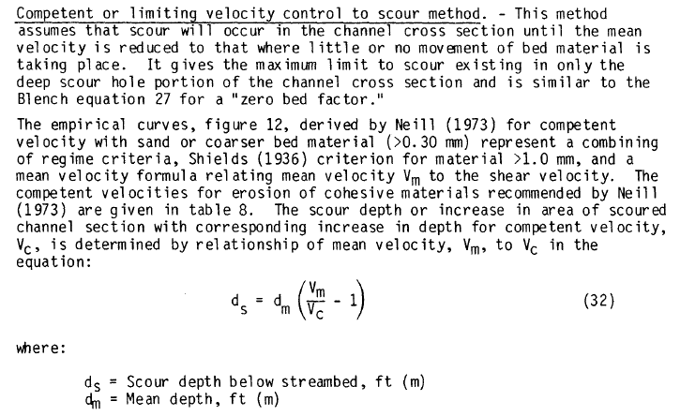

 | Dad | 0 | cfs | (dm)
 | Va | 0 | ft/s | (Vm)
 | Vc | 0 | ft/s

 | ds | #DIV/0! | ft

Step 7: Calculate USBR Envelope Curve Scour - Baird et al. 2019 (Pemberton & Lara 1984)

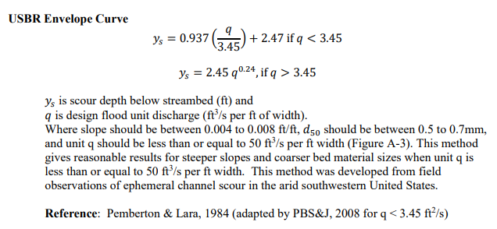
 | Qd | 0 | cfs
 | W | 0 | ft
 | q | #DIV/0! | cfs/ft

 | ys | #DIV/0! | ft

Step 8: Calculate Maynord Bend Scour - Baird et al. 2019
 |  |  |  |  | *Applicable to sand bed channels. Conservative for gravel
 | Dus | 0 | ft | (yh)
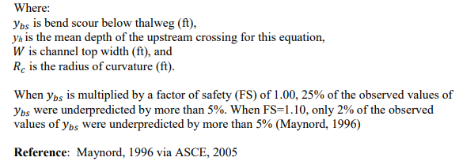
 | Rc | 0 | ft
 | W | 0.0 | ft
 | Rc/W | #DIV/0!
 | W/yh | #DIV/0!
 | EQ. Rc/W | #DIV/0!
 | EQ. W/yh | #DIV/0!

 | ybs | #DIV/0! | ft

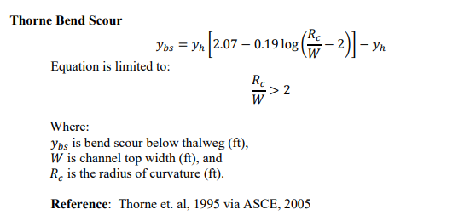
Step 9: Calculate Thorne Bend Scour - Baird et al. 2019
 |  |  |  |  | *Applicable to gravel bed channels
 | Dus | 0 | ft | (yh)
 | Rc | 0 | ft
 | W | 0.0 | ft
 | Rc/W | #DIV/0!

 | ybs | #DIV/0! | ft

Step 10: Cleanup values

 | Zeller
 | Neill
 | Lacey
 | Blench
 | Comp Vel
 | USBR Env
 | Maynord
 | Thorne

Contraction
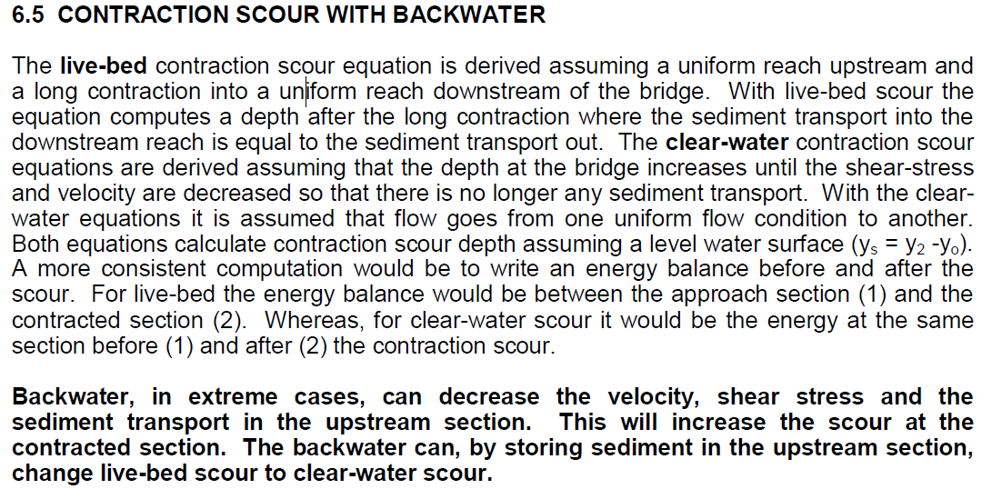
CONTRACTION SCOUR (HEC-18)
Ref: U.S. Department of Transportation Federal Highway Administration. 2012. Evaluating Scour at Bridges, Fifth Edition. Hydraulic Design Series No. 18. Publication No. FHWA-HIF-12-003.
***If cohesive materials present, reference HEC-18 section 6.7***

Step 1: Determine Clear Water or Live-Bed Conditions.
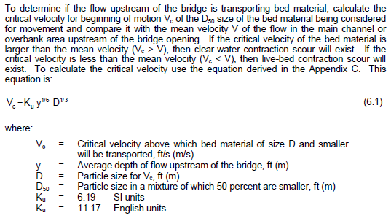
Calculate Critical Velocity

 | Ku | 11.17 | English units
 | y | 15 | ft
 | D50 | 1.5 | mm
 | D | 0.00492126 | ft

 | Vc | 2.9837366329 | ft/s

 | V1 | 4.5 | ft/s

 |  | V1 > Vc

 | Condition | Calculated Condition | Live-Bed
 |  | User defined Condition | Live-Bed

Step 2: Calculate Live-Bed Scour
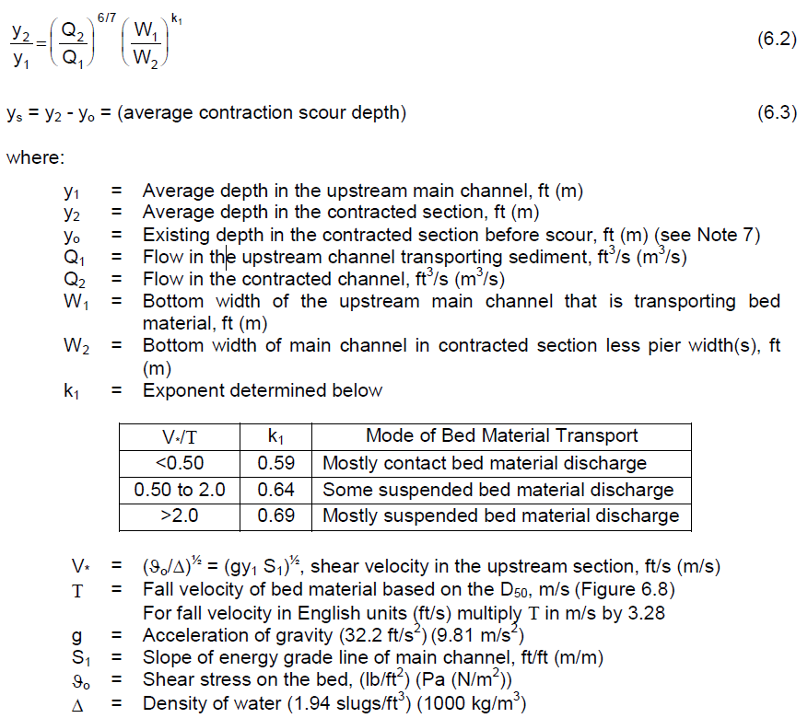
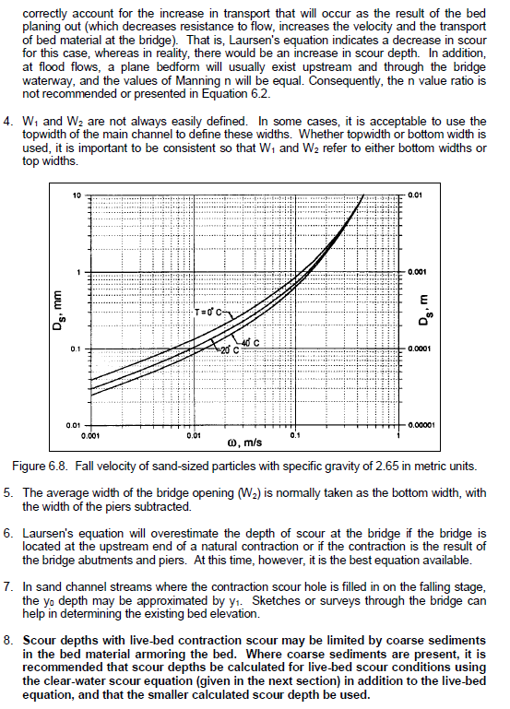
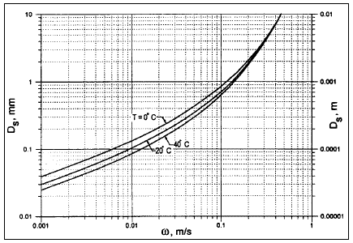

 | 0degrees>0.1mm |  | 0degrees<0.1mm |  | 20degrees>0.1mm |  | 20degrees>0.1mm
0.1 | 0.006 | 0.039 | 0.001 | 0.1 | 0.0095 | 0.03 | 0.001
0.21 | 0.02 | 0.1 | 0.006 | 0.2 | 0.025 | 0.07 | 0.0053
0.63 | 0.07 |  |  | 0.3 | 0.042 | 0.1 | 0.0095
0.89 | 0.1 |  |  | 0.4 | 0.058
2.2 | 0.2 |  |  | 0.7 | 0.099
4.5 | 0.3 |  |  | 1 | 0.13
7.8 | 0.4 |  |  | 2 | 0.208
 |  |  |  | 4 | 0.3
 |  |  |  | 7.8 | 0.4
 | Y0 | 17 | ft
 | Y1 | 15 | ft
 | Q1 | 7140 | cfs
 | Q2 | 9153 | cfs
 | W1 | 432 | ft
 | W2 | 350 | ft
 | S1 | 1.14 | ft/ft
 | D50 | 1.5 | mm

 | V* | 23.465 | ft/s
 | T | 0.500 | ft/s
 | V*/T | 46.912
 | k1 | 0.69
 | Y2 | 21.46 | ft

 | Ys | 4.46 | ft

 |  |  |  |  | 0.039 | 0.001 | 0.03 | 0.001
 |  |  |  |  | 0.1 | 0.006 | 0.07 | 0.0053
 |  |  |  |  | 0.21 | 0.02 | 0.1 | 0.0095 | 0C >0.1 | w = -0.0002X4+0.0035X3-0.0292X2+0.144x-0.0086
 |  |  |  |  | 0.63 | 0.07 | 0.2 | 0.025 | 0C <0.1 | w = -0.4798X^1.9029
 |  |  |  |  | 0.89 | 0.1 | 0.3 | 0.042 | 20C >0.1 | w = -0.0005X4+0.0081X3-0.0509X2+0.1806x-0.007
 |  |  |  |  | 2.2 | 0.2 | 0.4 | 0.058 | 20C <0.1 | w = -0.7612X^1.8877
 |  |  |  |  | 4.5 | 0.3 | 0.7 | 0.099
 |  |  |  |  | 7.8 | 0.4 | 1 | 0.13
 |  |  |  |  |  |  | 2 | 0.208
 |  |  |  |  |  |  | 4 | 0.3
 |  |  |  |  |  |  | 7.8 | 0.4

Step 3: Calculate Clear Water Scour
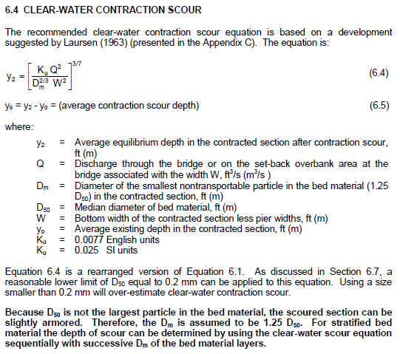
 | Q2 | 9153 | cfs | Discharge in channel at bridge or at relief bridge
 | Q2-L | 50 | cfs | Discharge in left overbank
 | Q2-R | 50 | cfs | Discharge in right overbank
 | D50 | 1.5 | mm
 | Dm | 0.006151575 | ft
 | W2 | 350 | ft | Width in channel or at relief bridge
 | W2-L | 31 | ft | Width in left overbank
 | W2-R | 33 | ft | Width in right overbank
 | Y0 | 17 | ft | Depth in channel or at relief bridge
 | Y0-L | 4.5 | ft | Depth in left overbank
 | Y0-R | 1.5 | ft | Depth in right overbank
 | Ku | 0.0077 | English units

 | Y2 | 8.73 | ft
 | Y2-L | 0.80 | ft
 | Y2-R | 0.76 | ft

 | Ys | 0.00 | ft | Contraction scour in channel or through relief bridge
 | Ys-L | 0.00 | ft | Contraction scour in left overbank (LOB)
 | Ys-R | 0.00 | ft | Contraction scour in right overbank (ROB)

Step 4: Report Contract Scour Values

 | Condition | Live-Bed
 | Source | User Defined
 | Ys | 4.46 | ft | Contraction scour present
 | Ys-L | 0.00 | ft | No overbank contraction scour
 | Ys-R | 0.00 | ft | No overbank contraction scour

* In coastal waterways which are affected by tides, as the cross-sectional area increases the discharge from the ocean may increase and thus the velocity and shear stress may not decrease. Consequently, relative equilibrium may not be reached. Thus, at tidal inlets contraction scour may result in a continual lowering of the bed.

Abutment
ABUTMENT SCOUR (HEC-18)
Ref: U.S. Department of Transportation Federal Highway Administration. 2012. Evaluating Scour at Bridges, Fifth Edition. Hydraulic Design Series No. 18. Publication No. FHWA-HIF-12-003.

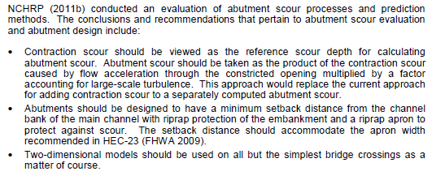

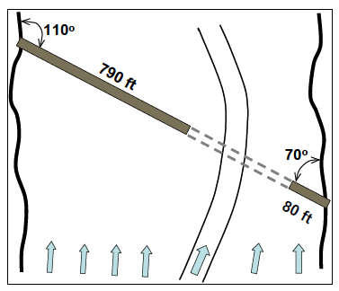
 |  |  |  | Example
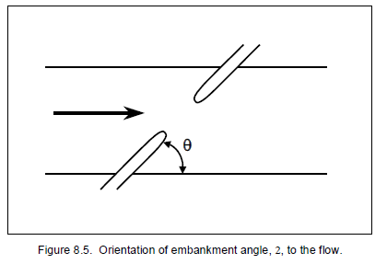

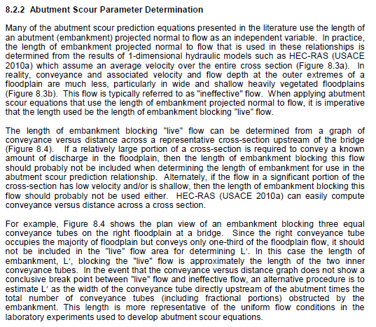

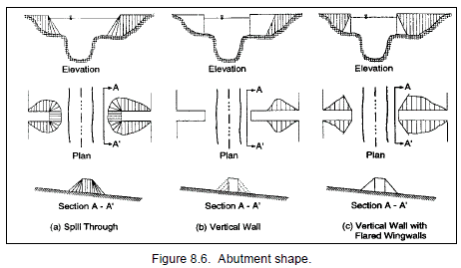

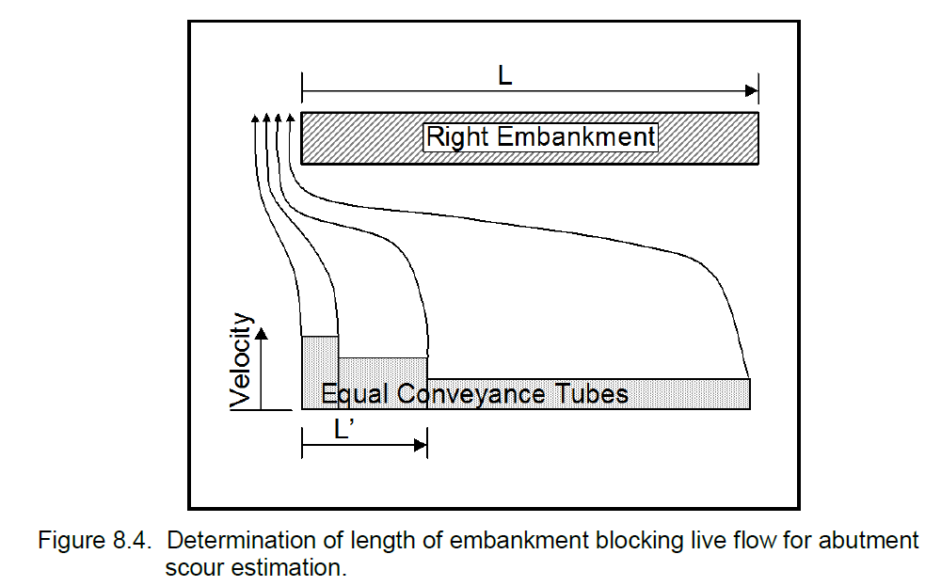

Step 1: Calculate Abutment Scour using Froelich's Equation
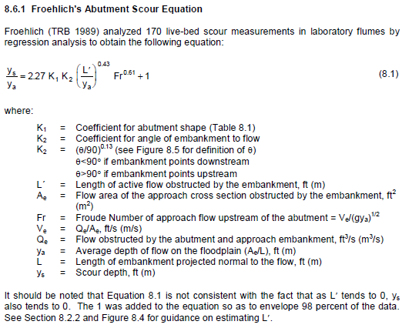
Left Abutment

 | Qe | 14116 | cfs
 | Ae | 2823.296 | sq ft
 | L | 247 | ft
 | L' | 140 | ft
 | K1 | 0.82
 | K2 | 1
 | g | 32.2 | ft/s2

 | Ve | 4.9998299859 | ft/s
 | Ya | 4.5 | C64/C65
 | Fr | 0.41535653146

 | Ys | 25.99

Right Abutment

 | Qe | 3536.61 | cfs
 | Ae | 1684.1 | sq ft
 | L | 307.81 | ft
 | L' | 140 | ft
 | K1 | 0.82
 | K2 | 1
 | g | 32.2 | ft/s2

 | Ve | 2.1 | ft/s
 | Ya | 5.4712322537 | ft/s
 | Fr | 0.15821541087

 | Ys | 18.80

Step 2: Calculate Abutment Scour using HIRE Equation
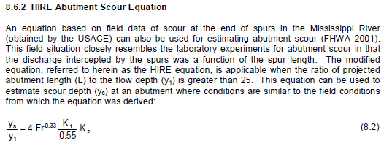
Left Abutment

 | Y1 | 8.96 | ft

 | Ys | 4.46 | ft

Right Abutment

 | Y1 | 5.58 | ft

 | Ys | 3.25 | ft

Step 3: Report Abutment Scour Values for Froelich's or HIRE Equation based on L/Y1 Criteria

Left Abutment

 | L/Y1 | 27.57
 | Condition | HIRE | L/Y1 >25

 | Ys | 4.46 | ft

Right Abutment

 | L/Y1 | 55.16
 | Condition | HIRE | L/Y1 >25

 | Ys | 3.25 | ft

Pier
SIMPLE PIER SCOUR (HEC-18)
Ref: U.S. Department of Transportation Federal Highway Administration. 2012. Evaluating Scour at Bridges, Fifth Edition. Hydraulic Design Series No. 18. Publication No. FHWA-HIF-12-003.

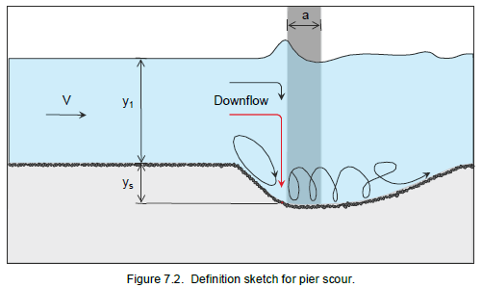

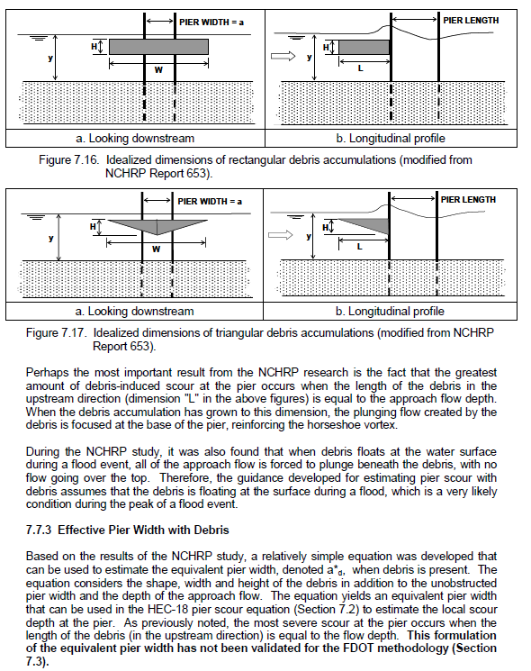
Step 1: Determine if debris accumulation is to be considered

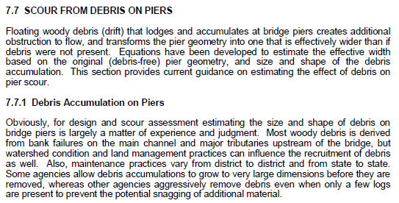
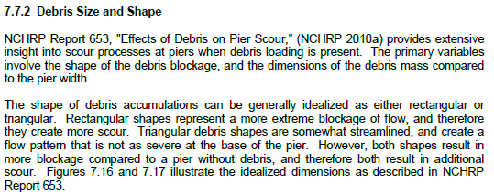
 |  | Is debris considered? | No

 | H | 0 | ft
 | W | 0 | ft
 | Y | 23 | ft
 | a | 4.00 | ft
 | shape | 0 | 0
 | K1 | 0 | ft

 | a*d | 4 | ft
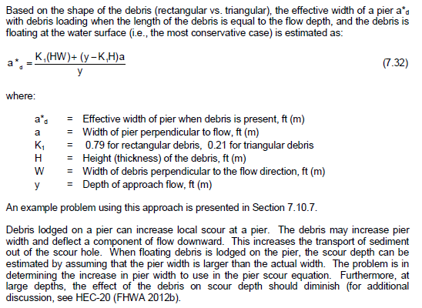

Step 2: Determine approach to modeling multiple columns skewed to flow

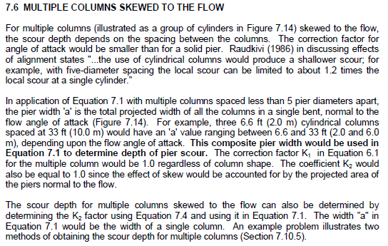
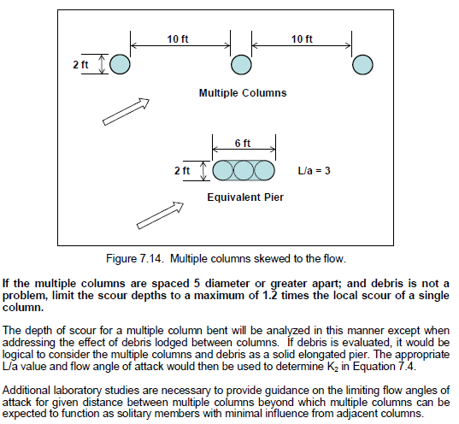
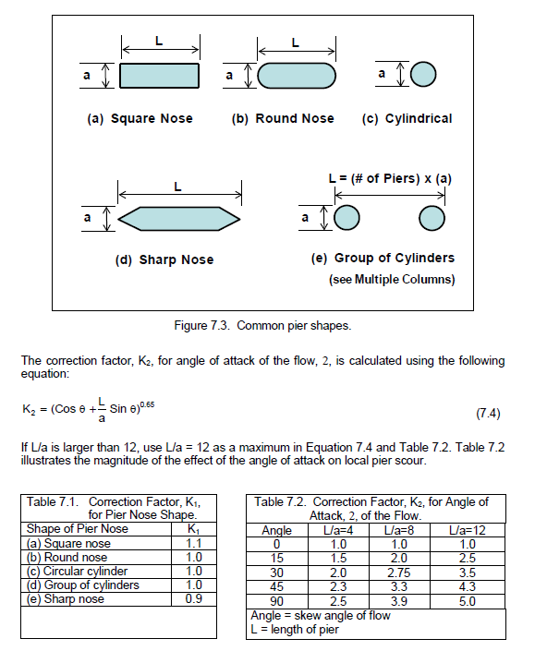
 |  |  | Has the user assigned a pier length? | Yes
 |  |  | Is debris expected on face of piles? | No
 |  |  | Is debris expected between piles? | No

 |  |  | The following calculations not used.
 |  |  | Do not consider debris.

 | a | 4.00 | ft
 | Np | 0.00 | ft
 | Spacing | 0.00 | ft
 | Angle of attack | 0 | degrees

 | Spacing/a | 0
 |  | L = a*Np

 | L | 10.00 | ft | without debris
 | L*d | 0.00 | ft | with debris

 | L/a | 2.50
 | L*d/a | 0.00
 |  |  |  | L/a
 | K2 | 1.00 | using | 2.5
 | K2*d | 1.00 | using | #N/A

Step 3: Calculate local pier scour for average and maximum flow conditions and if considering debris
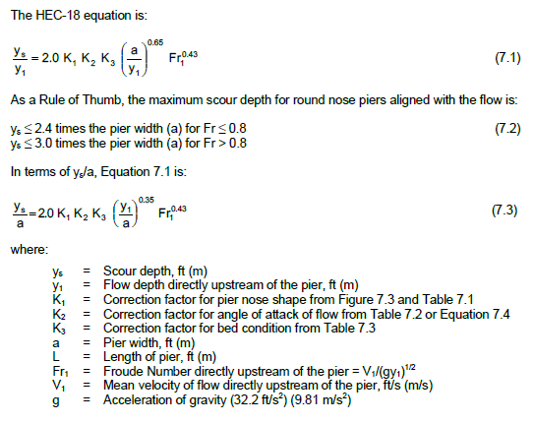
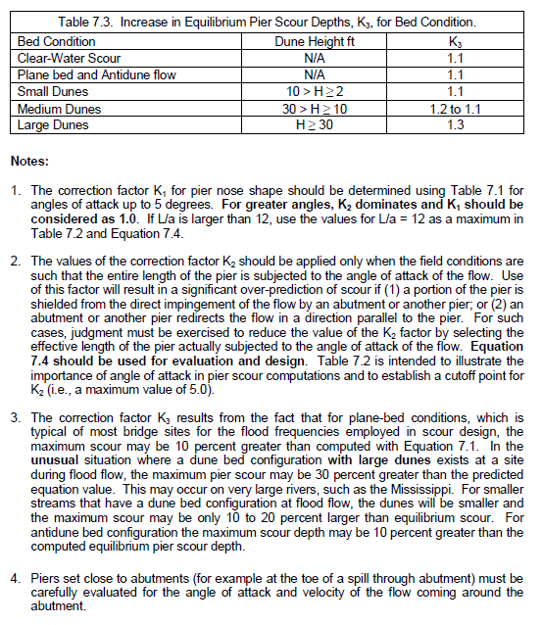
 | Yav | 23 | ft
 | Vav | 5 | ft/s
 | Ymax | 23
 | Vmax | 5
 | a | 4.00 | ft
 | a*d | 4 | ft
 | K1 | 1.1
 | K2 | 1
 | K2*d | 1
 | K3 | 1.2

 | Av. Fr | 0.18372918581
 | Max Fr | 0.18372918581

 | Av. Ys | 9.4003552967 | Eq 7.1
 | Max Ys | 9.4003552967 | Eq 7.1

 | Av. Ys*d | 9.4003552967 | Eq 7.1 using debris associated K2*d
 | Max Ys*d | 9.4003552967 | Eq 7.1 using debris associated K2*d

Abutment NCHRP
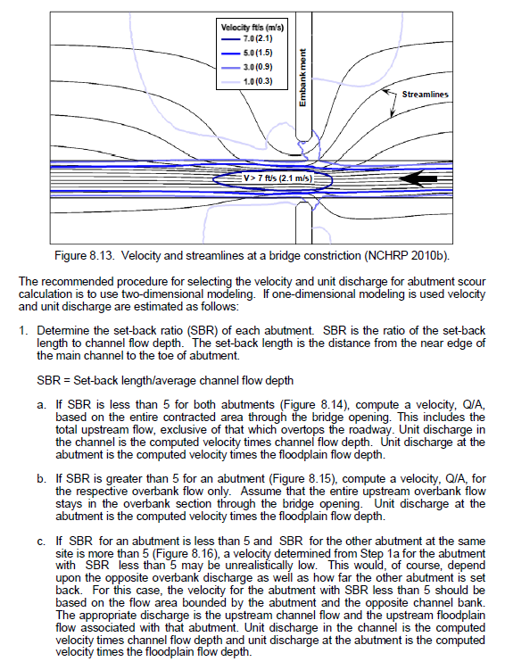
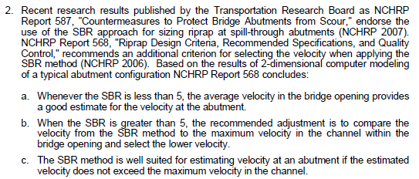
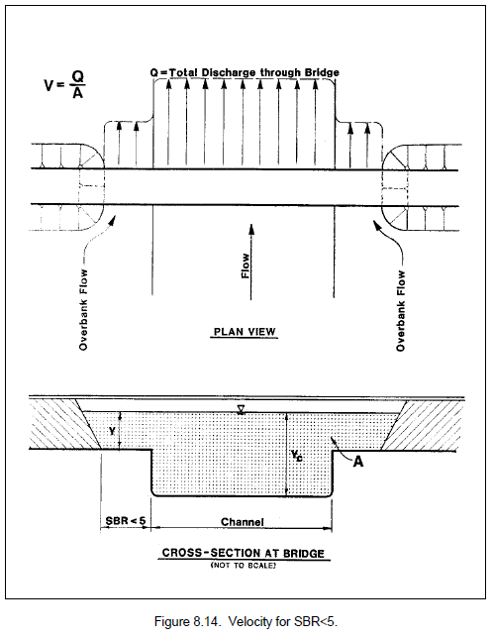
ABUTMENT SCOUR (NCHRP 24-20)
Ref: U.S. Department of Transportation Federal Highway Administration. 2012. Evaluating Scour at Bridges, Fifth Edition. Hydraulic Design Series No. 18. Publication No. FHWA-HIF-12-003.
Ref NCHRP 2010b: National Cooperative Highway Research Council. 2010. Estimation of Scour Depth at Bridge Abutments. NCHRP 24-20.
***If cohesive materials present reference NCHRP 24-15 (2)***

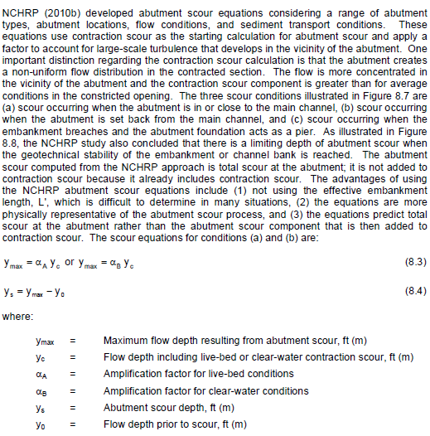
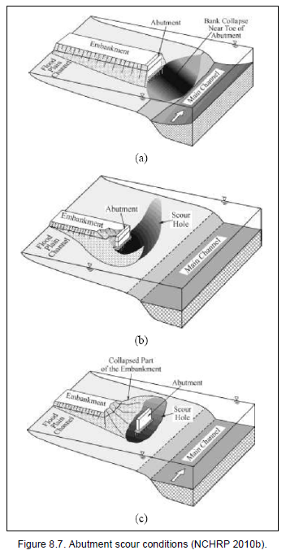

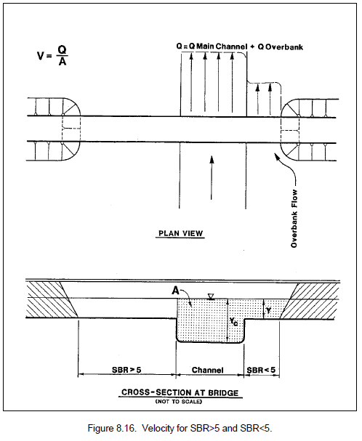

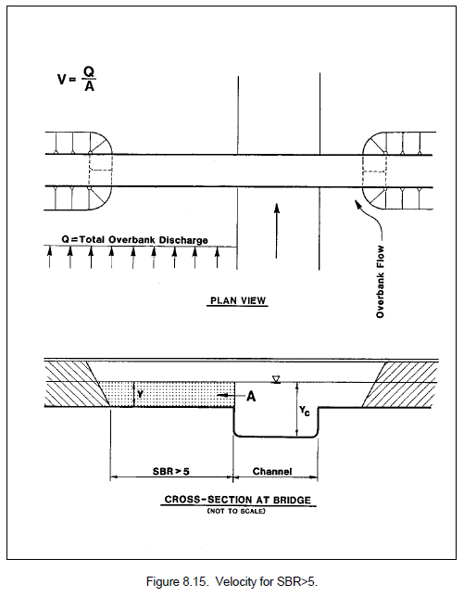

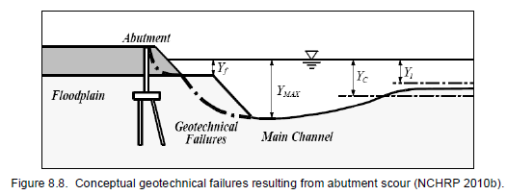

Step 1: Determine Equation to Use
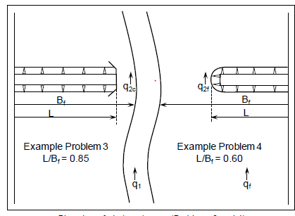
Use EQ. 8.5
Use EQ. 8.6
 | If L >= 75% FPW use EQ 8.5
 | If L < 75% FPW use EQ 8.6 or EQ 8.7 if tc is known

Left Abutment
 | L | 247 | ft | Projected Length of Embankment
 | Bf | 300 | ft | Floodplain Width
 | tc | 0 | lb/ft2 | Critical shear stress for local material (optional)
 | L/Bf | 0.82333333333
 | EQ. | 8.5

Right Abutment
 | L | 307 | ft | Projected Length of Embankment
 | Bf | 450 | ft | Floodplain Width
 | tc | 0 | lb/ft2 | Critical shear stress for local material (optional)
 | L/Bf | 0.68222222222
 | EQ. | 8.6

Step 2a: Calculate Yc if using EQ 8.5
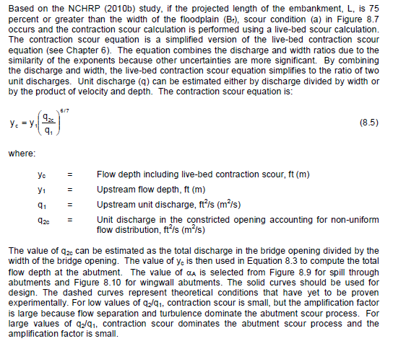
Left Abutment
 | Y1 | 18.66 | ft
 | q1 | 7140 | cfs
 | q2c | 9153 | cfs

 | Yc | 23.087003484 | ft

Right Abutment
 | Y1 | 18.66 | ft
 | q1 | 9153 | cfs
 | q2c | 7140 | cfs

 | Yc | 15.081887965 | ft

Step 2b: Calculate Yc if using EQ 8.6

Left Abutment
 | q2f | 9153 | cfs
 | D50 | 1.5 | mm
 | D50 | 0.00492126 | ft

 | Yc | 1434.5024758 | ft

Right Abutment
 | q2f | 7140 | cfs
 | D50 | 1.5 | mm
 | D50 | 0.00492126 | ft

 | Yc | 1159.4322415 | ft

Step 2c: Calculate Yc if using EQ 8.7
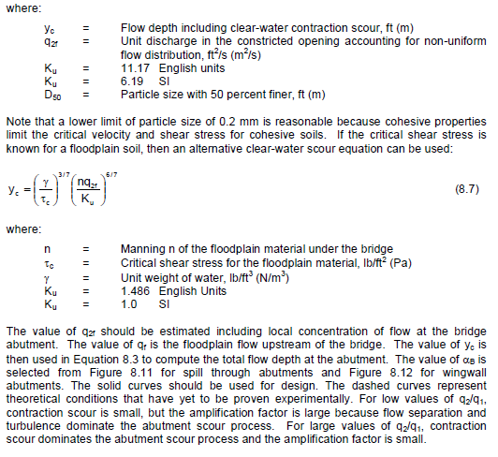
Left Abutment
 | q2f | 9153 | cfs
 | n | 1.5
 | tc | 0 | lb/ft2
 | g | 62.43 | lb/ft3

 | Yc | #DIV/0! | ft

Right Abutment
 | q2f | 7140 | cfs
 | n | 1.5
 | tc | 0 | lb/ft2
 | g | 62.43 | lb/ft3

 | Yc | #DIV/0! | ft

Step 3: Calculate Abutment Scour Ys
 |  |  |  |  | Spill-Through
Left abutment |  |  |  |  | Wingwall
 | Abutment Type | Wingwall
 | Reference Figure | 8.10
 | a | 0
 | Y0 | 19.72 | ft
 | Yc | 23.087003484 | ft

 | Ymax | 0 | ft
 | Ys | -19.72 | ft

 | Abutment Type | Wingwall | 0
Right abutment | Reference Figure | 8.12
 | a | 0
 | Y0 | 19.72 | ft
 | Yc | 1159.4322415 | ft

 | Ymax | 0 | ft
 | Ys | -19.72 | ft

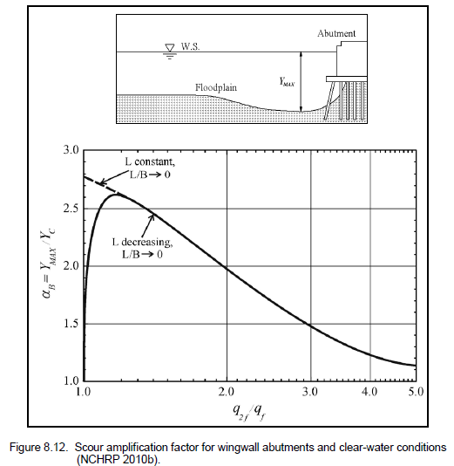

 |  |  |  |  |  | 0
 |  |  |  |  |  | 8.9 | 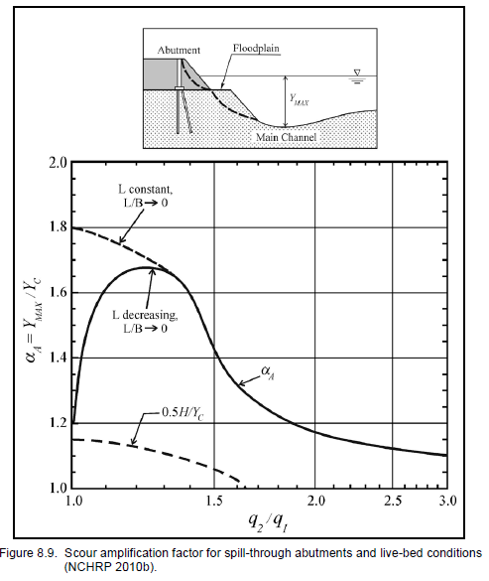
 |  |  |  |  |  | 8.10 | 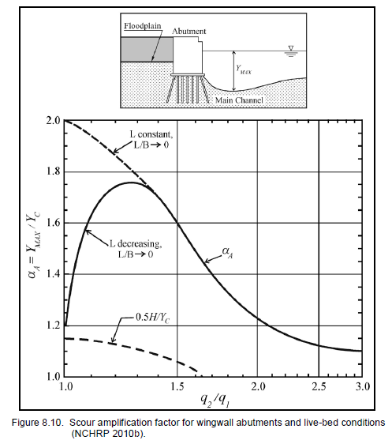
 |  |  |  |  |  | 8.11 | 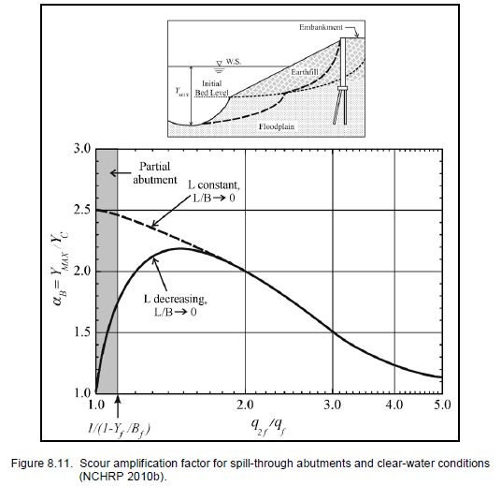
 |  |  |  |  |  | 8.12

Wave Induced

Wave Induced Scour
Ref: U.S. Army Corps of Engineers. Coastal Engineering Manual - Part VI. 2011. EM 1110-2-1100 (Part VI). 28 September 2011 (Change 3).






Verical/Sloping Seawall Scour (ROT Method)

*Nonbreaking waves will yield a maximum scour depth at L/4 (regular) or Lp/4 (irregular waves). These are calculated in this calculation notebook.
**Irregular breaking wave method for vertical walls not considered here…


 | Type | 0
 | Hmax | 0 | ft
 | h | 0 | ft

 | Sm | 0 | ft

Verical/Sloping Breakwater Head Scour
 |  |  |  |  | ***********
 | Um | 0 | ft/s |  | Adjusting Vert Sm equation to account for smaller KC values. Though EM method here suggests equation is good



 | T | 0 | sec |  | for 0 < KC < 10, a KC < 1 will yield a negative Sm value. When referencing another article produced by the Sumer &
 | Tp | 0 |  |  | Fredsoe, the same authors referenced by EM, a curved plot suggests KC < 1 would yield a scour depth, though small.
 | B | 0 | ft |  | The curve describing the relative scour depth seems to 'flatten' at lower KC values with a narrow range of
 | H | 0 | ft |  | 0.024-0.014 Sm/B. The Vert Sm equation has been modified to adopt the upper end of this range where the EM
 | Hs | 0 | ft |  | equation yields a smaller value:
 | h | 0 | ft
Sm = $if(VI−5−257<0.024,B∗0.024, B∗VI−5−257)$
 | Type | 0
 | Square | 0
 | Vert Cu | 0 | -
 | Seaward Cu | 0 | -
 | Leeside Cu | 0 | -

 | KC | #DIV/0!
 | KCp | #DIV/0!


 | Vert Sm | #DIV/0!
 | Alt Vert Sm | #DIV/0! | tentative

 | Seaward Sm | #DIV/0!
 | Leeside Sm | #DIV/0!

Pile/Pier Scour




 | Um | 0 | ft/s
 | T | 0 | sec
 | D | 0 | ft

 | KC | #DIV/0!

 | Small pile

 | Min Sm | #DIV/0! | ft | circular
 | Max Sm | 0.00 |  | square

 | Large pile

 | Min Sm | 0 | ft | circular
 | Max Sm | 0 | ft | square

