Sheet1
Vin |  | Ohm |  | Vin (v) | V2
 | R1 | 392000 |  | 360 | 0.9160
 | R2 | 1.00E+03 |  | 380 | 0.9669
 | RAT | 2.54E-03 |  | 400 | 1.0178 | Value meas reel (set)
 |  |  | 125% Vmax | 500 | 1.2723 | 1.275

Vout |  | Ohm |  | Vout (v) | V2
 | R1 | 5.60E+04 |  | 42 | 1.0957
 | R2 | 1.50E+03 |  | 48 | 1.2522
 | RAT | 2.61E-02 |  | 54 | 1.4087 | Value meas reel (set)
 |  |  | 125% Vmax | 67.5 | 1.7609 | 1.764
 |  |  |  | 109 | 2.8435 |  |  |  |  |  | Orange curve 5 uniderec
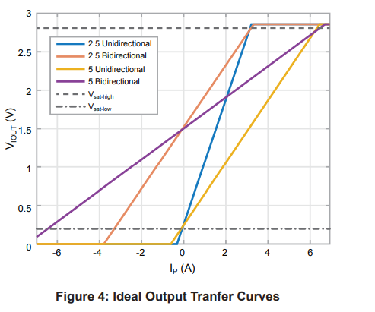
 |  |  |  |  |  |  |  |  | mV
 |  |  |  |  |  |  |  | Zero Current Output Voltage | 250
Iinp | Pout | eff | Vin | Iinp (A) | mV (out of sensor) |  |  | 0 | 250
 | 1200 | 0.9 | 400 | 3.3333333333 | 1583.3333333 |  |  | 2 | 1050
 | 1200 | 0.9 | 360 | 3.7037037037 | 1731.4814815 |  |  | 4 | 1850
10% | 1320 | 0.9 | 360 | 4.0740740741 | 1879.6296296 | Value meas reel (set) |  | 6 | 2650
 |  |  | 1.3*Imax | 5.2962962963 | 2368.5185185 | 2369

 |  |  | Vout(0A) meas | 0.201 | v

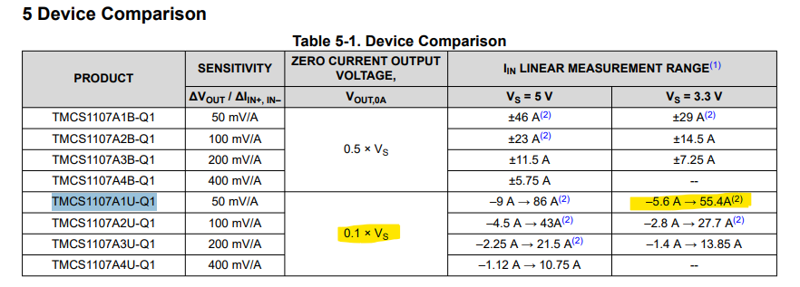

 |  |  |  |  |  |  |  |  | vcc | 3300
Iout | Pout | eff | Vout | Iinp (A) | mV (out of sensor) |  |  |  | mV
 | 1200 | 0.9 | 54 | 22.222222222 | 1441.1111111 |  |  | Zero Current Output Voltage | 330
 | 1200 | 0.9 | 48 | 25 | 1580 |  |  | 0 | 330
10% | 1320 | 0.9 | 42 | 31.428571429 | 1901.4285714 | Value meas reel (set) |  | 10 | 830
 |  |  | 1.3*Imax | 40.857142857 | 2372.8571429 | 2.373 | v | 20 | 1330
 |  |  |  |  |  |  |  | 30 | 1830
 |  |  |  |  |  |  |  | 40 | 2330
 |  |  | Vout(0A) meas | 0.331 | (vcc=3.303) |  |  | 55.4 | 3100

