Sheet1
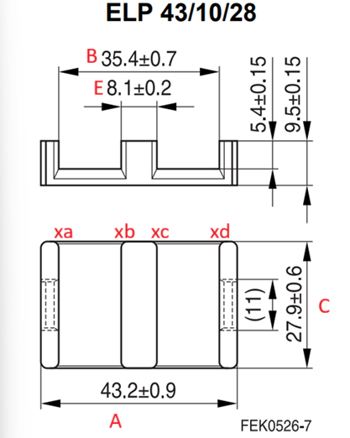
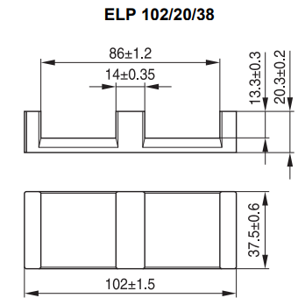

 | ELP 43/10/28 |  |  | ELP 102/20/38
 | mm | tolerance | Toler % | mm | tolerance | Toler %
A | 43.2 | 0.9 | 2.0833333333 | 102 | 1.5 | 1.4705882353
B | 34.5 | 0.7 | 2.0289855072 | 86 | 1.2 | 1.3953488372
C | 27.9 | 0.6 | 2.1505376344 | 37.5 | 0.6 | 1.6
E | 8.1 | 0.2 | 2.4691358025 | 14 | 0.35 | 2.5

xa | 4.35 |  |  | 8
xb | 17.55 |  |  | 44
xc | 25.65 |  |  | 58
xd | 38.85 |  |  | 94
xb-xa | 13.2 |  |  | 36
xd-xc | 13.2 |  |  | 36
xc-xb | 8.1 |  |  | 14

