Page1
U. S. Department |  |  | TRAFFIC VOLUME
of Transportation

Federal Highway |  |  | TRENDS
Administration

Office of Highway |  |  | October 2023
Policy Information

 |  |  | Travel on all roads and streets changed by
 |  |  | 1.3% | ( | 3.5 | billion vehicle miles) for October 2023 as compared with
 |  |  | 2022-10-02 | 2022-10-02
 |  |  | Travel for the month is estimated to be 281.6
 |  |  | billion vehicle miles.

 |  |  | The seasonally adjusted vehicle miles traveled for October 2023 is
 |  |  | 269.5 | billion miles, a |  |  | 0.8% | ( | 2.0 | billion vehicle miles)
 |  |  | change over October 2022. |  |  | It also represents a |  |  | -0.2% | change (-0.6
 |  |  | billion vehicle miles) compared with September 2023.

 |  |  | Cumulative Travel for 2023 changed by |  |  |  |  |  | 2.1%
 |  |  |  | ( | 55.9 | billion vehicle miles )
 |  |  | The cumulative estimate for the year is 2711.7
 |  |  | billion vehicle miles of travel.

Estimated Vehicle-Miles of Travel by Region - October 2023 - (in Billions)
Change in Traffic as compared to same month last year.

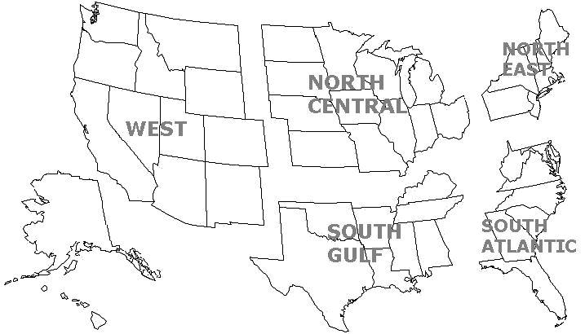

 |  | WEST |  |  | NORTH CENTRAL |  |  | NORTHEAST
 |  | 60.0 |  |  | 62.0 |  |  | 38.3
 |  | 1.2% |  |  | 0.4% |  |  | 2.4%

 |  |  |  |  | SOUTH GULF |  |  | SOUTH ATLANTIC
 |  |  |  |  | 60.1 |  |  | 61.2
 |  |  |  |  | 1.5% |  |  | 1.2%

Note: | All data for this month are preliminary. Revised values for the previous month are shown in Tables 1 and 2.
 | All vehicle-miles of travel computed with Highway Statistics 2021 Table VM-2 as a base.
 | Compiled with data on hand as of |  |  | December 07,2023
 | Some historical data were revised based on HPMS and amended TVT data as of December 2021.
 | For information on total licensed drivers in the U.S. visit http://www.fhwa.dot.gov/policy/ohpi/hss/hsspubs.htm.
 | Select the year of interest then Section 6 (Driver Licensing).
 | For information on total registered motor vehicles in the U.S., visit http://www.fhwa.dot.gov/policy/ohpi/hss/hsspubs.htm
 | Select the year of interest and Section 7 (Motor Vehicles).
 | To facilitate historic analysis, the VMT values for the seasonally adjusted series have been updated for the 12 months prior to
 | the current month and in all other months, held at the value from last month’s release.

Figure 1
Figure 1 - Moving 12-Month Total on ALL Roads
Year | Date | Annual Vehicle-Distance Traveled (Billion Miles)
1999-01-01 | Jan-99 | 2,622.0
1999-02-01 | Feb-99 | 2,626.0
1999-03-01 | Mar-99 | 2,633.0
1999-04-01 | Apr-99 | 2,636.0
1999-05-01 | May-99 | 2,639.0
1999-06-01 | Jun-99 | 2,646.0
1999-07-01 | Jul-99 | 2,649.0
1999-08-01 | Aug-99 | 2,654.0
1999-09-01 | Sep-99 | 2,659.0
1999-10-01 | Oct-99 | 2,664.0
1999-11-01 | Nov-99 | 2,675.0
1999-12-01 | Dec-99 | 2,680.0
2000-01-01 | Jan-00 | 2,689.0
2000-02-01 | Feb-00 | 2,697.0
2000-03-01 | Mar-00 | 2,708.0
2000-04-01 | Apr-00 | 2,715.0
2000-05-01 | May-00 | 2,727.0
2000-06-01 | Jun-00 | 2,734.0
2000-07-01 | Jul-00 | 2,736.0
2000-08-01 | Aug-00 | 2,742.0
2000-09-01 | Sep-00 | 2,746.0
2000-10-01 | Oct-00 | 2,748.0
2000-11-01 | Nov-00 | 2,749.0
2000-12-01 | Dec-00 | 2,746.0
2001-01-01 | Jan-01 | 2,753.0
2001-02-01 | Feb-01 | 2,755.0
2001-03-01 | Mar-01 | 2,756.0
2001-04-01 | Apr-01 | 2,761.0
2001-05-01 | May-01 | 2,763.0
2001-06-01 | Jun-01 | 2,763.0
2001-07-01 | Jul-01 | 2,768.0
2001-08-01 | Aug-01 | 2,773.0
2001-09-01 | Sep-01 | 2,771.0
2001-10-01 | Oct-01 | 2,776.0
2001-11-01 | Nov-01 | 2,784.0
2001-12-01 | Dec-01 | 2,796.0
2002-01-01 | Jan-02 | 2,801.0
2002-02-01 | Feb-02 | 2,808.0
2002-03-01 | Mar-02 | 2,811.0
2002-04-01 | Apr-02 | 2,815.0
2002-05-01 | May-02 | 2,822.0
2002-06-01 | Jun-02 | 2,827.0
2002-07-01 | Jul-02 | 2,833.0
2002-08-01 | Aug-02 | 2,839.0
2002-09-01 | Sep-02 | 2,847.0
2002-10-01 | Oct-02 | 2,852.0
2002-11-01 | Nov-02 | 2,852.0
2002-12-01 | Dec-02 | 2,856.0
2003-01-01 | Jan-03 | 2,860.0
2003-02-01 | Feb-03 | 2,856.0
2003-03-01 | Mar-03 | 2,857.0
2003-04-01 | Apr-03 | 2,859.0
2003-05-01 | May-03 | 2,860.0
2003-06-01 | Jun-03 | 2,864.0
2003-07-01 | Jul-03 | 2,870.0
2003-08-01 | Aug-03 | 2,872.0
2003-09-01 | Sep-03 | 2,875.0
2003-10-01 | Oct-03 | 2,883.0
2003-11-01 | Nov-03 | 2,886.0
2003-12-01 | Dec-03 | 2,891.0
2004-01-01 | Jan-04 | 2,894.0
2004-02-01 | Feb-04 | 2,904.0
2004-03-01 | Mar-04 | 2,918.0
2004-04-01 | Apr-04 | 2,930.0
2004-05-01 | May-04 | 2,934.0
2004-06-01 | Jun-04 | 2,939.0
2004-07-01 | Jul-04 | 2,943.0
2004-08-01 | Aug-04 | 2,945.0
2004-09-01 | Sep-04 | 2,952.0
2004-10-01 | Oct-04 | 2,952.0
2004-11-01 | Nov-04 | 2,958.0
2004-12-01 | Dec-04 | 2,964.0
2005-01-01 | Jan-05 | 2,966.0
2005-02-01 | Feb-05 | 2,972.0
2005-03-01 | Mar-05 | 2,974.0
2005-04-01 | Apr-05 | 2,974.0
2005-05-01 | May-05 | 2,980.0
2005-06-01 | Jun-05 | 2,987.0
2005-07-01 | Jul-05 | 2,988.0
2005-08-01 | Aug-05 | 2,990.0
2005-09-01 | Sep-05 | 2,988.0
2005-10-01 | Oct-05 | 2,985.0
2005-11-01 | Nov-05 | 2,988.0
2005-12-01 | Dec-05 | 2,989.0
2006-01-01 | Jan-06 | 2,998.0
2006-02-01 | Feb-06 | 2,999.0
2006-03-01 | Mar-06 | 3,003.0
2006-04-01 | Apr-06 | 3,003.0
2006-05-01 | May-06 | 3,003.0
2006-06-01 | Jun-06 | 3,003.0
2006-07-01 | Jul-06 | 2,999.0
2006-08-01 | Aug-06 | 2,999.0
2006-09-01 | Sep-06 | 3,003.0
2006-10-01 | Oct-06 | 3,010.0
2006-11-01 | Nov-06 | 3,012.0
2006-12-01 | Dec-06 | 3,014.0
2007-01-01 | Jan-07 | 3,015.0
2007-02-01 | Feb-07 | 3,013.0
2007-03-01 | Mar-07 | 3,016.0
2007-04-01 | Apr-07 | 3,018.0
2007-05-01 | May-07 | 3,023.0
2007-06-01 | Jun-07 | 3,024.0
2007-07-01 | Jul-07 | 3,028.0
2007-08-01 | Aug-07 | 3,034.0
2007-09-01 | Sep-07 | 3,034.0
2007-10-01 | Oct-07 | 3,037.0
2007-11-01 | Nov-07 | 3,038.0
2007-12-01 | Dec-07 | 3,030.0
2008-01-01 | Jan-08 | 3,029.0
2008-02-01 | Feb-08 | 3,031.0
2008-03-01 | Mar-08 | 3,023.0
2008-04-01 | Apr-08 | 3,022.0
2008-05-01 | May-08 | 3,015.0
2008-06-01 | Jun-08 | 3,007.0
2008-07-01 | Jul-08 | 3,002.0
2008-08-01 | Aug-08 | 2,992.0
2008-09-01 | Sep-08 | 2,986.0
2008-10-01 | Oct-08 | 2,981.0
2008-11-01 | Nov-08 | 2,971.0
2008-12-01 | Dec-08 | 2,973.0
2009-01-01 | Jan-09 | 2,966.0
2009-02-01 | Feb-09 | 2,963.0
2009-03-01 | Mar-09 | 2,961.0
2009-04-01 | Apr-09 | 2,960.0
2009-05-01 | May-09 | 2,957.0
2009-06-01 | Jun-09 | 2,958.0
2009-07-01 | Jul-09 | 2,960.0
2009-08-01 | Aug-09 | 2,959.0
2009-09-01 | Sep-09 | 2,961.0
2009-10-01 | Oct-09 | 2,957.0
2009-11-01 | Nov-09 | 2,958.0
2009-12-01 | Dec-09 | 2,956.0
2010-01-01 | Jan-10 | 2,951.0
2010-02-01 | Feb-10 | 2,944.0
2010-03-01 | Mar-10 | 2,948.0
2010-04-01 | Apr-10 | 2,951.0
2010-05-01 | May-10 | 2,950.0
2010-06-01 | Jun-10 | 2,952.0
2010-07-01 | Jul-10 | 2,953.0
2010-08-01 | Aug-10 | 2,957.0
2010-09-01 | Sep-10 | 2,960.0
2010-10-01 | Oct-10 | 2,964.0
2010-11-01 | Nov-10 | 2,967.0
2010-12-01 | Dec-10 | 2,968.0
2011-01-01 | Jan-11 | 2,971.0
2011-02-01 | Feb-11 | 2,973.0
2011-03-01 | Mar-11 | 2,972.0
2011-04-01 | Apr-11 | 2,968.0
2011-05-01 | May-11 | 2,965.0
2011-06-01 | Jun-11 | 2,963.0
2011-07-01 | Jul-11 | 2,958.0
2011-08-01 | Aug-11 | 2,955.0
2011-09-01 | Sep-11 | 2,952.0
2011-10-01 | Oct-11 | 2,948.0
2011-11-01 | Nov-11 | 2,947.0
2011-12-01 | Dec-11 | 2,951.0
2012-01-01 | Jan-12 | 2,955.0
2012-02-01 | Feb-12 | 2,960.0
2012-03-01 | Mar-12 | 2,963.0
2012-04-01 | Apr-12 | 2,962.0
2012-05-01 | May-12 | 2,969.0
2012-06-01 | Jun-12 | 2,971.0
2012-07-01 | Jul-12 | 2,971.0
2012-08-01 | Aug-12 | 2,974.0
2012-09-01 | Sep-12 | 2,971.0
2012-10-01 | Oct-12 | 2,973.0
2012-11-01 | Nov-12 | 2,974.0
2012-12-01 | Dec-12 | 2,968.0
2013-01-01 | Jan-13 | 2,969.0
2013-02-01 | Feb-13 | 2,967.0
2013-03-01 | Mar-13 | 2,964.0
2013-04-01 | Apr-13 | 2,967.0
2013-05-01 | May-13 | 2,969.0
2013-06-01 | Jun-13 | 2,969.0
2013-07-01 | Jul-13 | 2,973.0
2013-08-01 | Aug-13 | 2,977.0
2013-09-01 | Sep-13 | 2,981.0
2013-10-01 | Oct-13 | 2,986.0
2013-11-01 | Nov-13 | 2,986.0
2013-12-01 | Dec-13 | 2,988.0
2014-01-01 | Jan-14 | 2,985.0
2014-02-01 | Feb-14 | 2,983.0
2014-03-01 | Mar-14 | 2,983.0
2014-04-01 | Apr-14 | 2,988.0
2014-05-01 | May-14 | 2,991.0
2014-06-01 | Jun-14 | 2,994.0
2014-07-01 | Jul-14 | 3,000.0
2014-08-01 | Aug-14 | 3,001.0
2014-09-01 | Sep-14 | 3,006.0
2014-10-01 | Oct-14 | 3,012.0
2014-11-01 | Nov-14 | 3,013.0
2014-12-01 | Dec-14 | 3,024.0
2015-01-01 | Jan-15 | 3,031.0
2015-02-01 | Feb-15 | 3,034.0
2015-03-01 | Mar-15 | 3,039.0
2015-04-01 | Apr-15 | 3,045.0
2015-05-01 | May-15 | 3,050.0
2015-06-01 | Jun-15 | 3,058.0
2015-07-01 | Jul-15 | 3,066.0
2015-08-01 | Aug-15 | 3,069.0
2015-09-01 | Sep-15 | 3,076.0
2015-10-01 | Oct-15 | 3,079.0
2015-11-01 | Nov-15 | 3,087.0
2015-12-01 | Dec-15 | 3,094.0
2016-01-01 | Jan-16 | 3,101.0
2016-02-01 | Feb-16 | 3,107.0
2016-03-01 | Mar-16 | 3,114.0
2016-04-01 | Apr-16 | 3,121.0
2016-05-01 | May-16 | 3,128.0
2016-06-01 | Jun-16 | 3,134.0
2016-07-01 | Jul-16 | 3,141.0
2016-08-01 | Aug-16 | 3,148.0
2016-09-01 | Sep-16 | 3,155.0
2016-10-01 | Oct-16 | 3,163.0
2016-11-01 | Nov-16 | 3,169.0
2016-12-01 | Dec-16 | 3,175.0
2017-01-01 | Jan-17 | 3,178.0
2017-02-01 | Feb-17 | 3,181.0
2017-03-01 | Mar-17 | 3,184.0
2017-04-01 | Apr-17 | 3,187.0
2017-05-01 | May-17 | 3,190.0
2017-06-01 | Jun-17 | 3,193.0
2017-07-01 | Jul-17 | 3,197.0
2017-08-01 | Aug-17 | 3,201.0
2017-09-01 | Sep-17 | 3,204.0
2017-10-01 | Oct-17 | 3,207.0
2017-11-01 | Nov-17 | 3,210.0
2017-12-01 | Dec-17 | 3,213.0
2018-01-01 | Jan-18 | 3,215.0
2018-02-01 | Feb-18 | 3,217.0
2018-03-01 | Mar-18 | 3,220.0
2018-04-01 | Apr-18 | 3,222.0
2018-05-01 | May-18 | 3,225.0
2018-06-01 | Jun-18 | 3,228.0
2018-07-01 | Jul-18 | 3,230.0
2018-08-01 | Aug-18 | 3,232.0
2018-09-01 | Sep-18 | 3,234.0
2018-10-01 | Oct-18 | 3,236.0
2018-11-01 | Nov-18 | 3,238.0
2018-12-01 | Dec-18 | 3,240.0
2019-01-01 | Jan-19 | 3,244.0
2019-02-01 | Feb-19 | 3,248.0
2019-03-01 | Mar-19 | 3,249.0
2019-04-01 | Apr-19 | 3,247.0
2019-05-01 | May-19 | 3,253.0
2019-06-01 | Jun-19 | 3,251.0
2019-07-01 | Jul-19 | 3,252.0
2019-08-01 | Aug-19 | 3,260.0
2019-09-01 | Sep-19 | 3,266.0
2019-10-01 | Oct-19 | 3,269.0
2019-11-01 | Nov-19 | 3,269.0
2019-12-01 | Dec-19 | 3,261.0
2020-01-01 | Jan-20 | 3,273.0
2020-02-01 | Feb-20 | 3,284.0
2020-03-01 | Mar-20 | 3,239.0
2020-04-01 | Apr-20 | 3,134.0
2020-05-01 | May-20 | 3,065.0
2020-06-01 | Jun-20 | 3,034.0
2020-07-01 | Jul-20 | 3,008.0
2020-08-01 | Aug-20 | 2,980.0
2020-09-01 | Sep-20 | 2,965.0
2020-10-01 | Oct-20 | 2,948.0
2020-11-01 | Nov-20 | 2,926.0
2020-12-01 | Dec-20 | 2,905.0
2021-01-01 | Jan-21 | 2,869.0
2021-02-01 | Feb-21 | 2,833.0
2021-03-01 | Mar-21 | 2,868.0
2021-04-01 | Apr-21 | 2,952.0
2021-05-01 | May-21 | 3,008.0
2021-06-01 | Jun-21 | 3,037.0
2021-07-01 | Jul-21 | 3,059.0
2021-08-01 | Aug-21 | 3,074.0
2021-09-01 | Sep-21 | 3,086.0
2021-10-01 | Oct-21 | 3,097.0
2021-11-01 | Nov-21 | 3,119.0
2021-12-01 | Dec-21 | 3,139.0
2022-01-01 | Jan-22 | 3,148.0
2022-02-01 | Feb-22 | 3,170.0
2022-03-01 | Mar-22 | 3,178.0
2022-04-01 | Apr-22 | 3,182.0
2022-05-01 | May-22 | 3,185.0
2022-06-01 | Jun-22 | 3,181.0
2022-07-01 | Jul-22 | 3,172.0
2022-08-01 | Aug-22 | 3,174.0
2022-09-01 | Sep-22 | 3,177.0
2022-10-01 | Oct-22 | 3,177.0
2022-11-01 | Nov-22 | 3,174.0
2022-12-01 | Dec-22 | 3,169.0
2023-01-01 | Jan-23 | 3,182.0
2023-02-01 | Feb-23 | 3,187.0
2023-03-01 | Mar-23 | 3,188.0
2023-04-01 | Apr-23 | 3,188.0
2023-05-01 | May-23 | 3,195.0
2023-06-01 | Jun-23 | 3,203.0
2023-07-01 | Jul-23 | 3,211.0
2023-08-01 | Aug-23 | 3,217.0
2023-09-01 | Sep-23 | 3,220.0
2023-10-01 | Oct-23 | 3,224.0
 |  | #N/A
 |  | #N/A
 |  | #N/A
 |  | #N/A
 |  | #N/A
 |  | #N/A
 |  | #N/A
 |  | #N/A
 |  | #N/A
 |  | #N/A
 |  | #N/A
 |  | #N/A
 |  | #N/A
 |  | #N/A
 |  | #N/A
 |  | #N/A
 |  | #N/A
 |  | #N/A
 |  | #N/A
 |  | #N/A

Figure 2
Figure 2 - Travel on U.S. Highways by Month | Urban Highways- Average Daily Vehicle-Distance Traveled(Billion Miles)

Urban Highways
 |  | 2021 | 2022 | 2023
 | Jan | 5.03 | 5.27 | 5.57
 | Feb | 5.17 | 5.73 | 5.85
 | Mar | 5.82 | 6.03 | 6.07
 | Apr | 5.77 | 5.91 | 5.91
 | May | 6.07 | 6.19 | 6.34
 | Jun | 6.30 | 6.22 | 6.39
 | Jul | 6.24 | 6.06 | 6.23
 | Aug | 6.11 | 6.19 | 6.33
 | Sep | 6.15 | 6.22 | 6.28
 | Oct | 6.13 | 6.14 | 6.23
 | Nov | 5.95 | 5.90 | #N/A
 | Dec | 5.82 | 5.74 | #N/A

 | Rural Highways- Average Daily Vehicle-Distance Traveled(Billion Miles)

 |  | 2021 | 2022 | 2023
 | Jan | 2.23 | 2.28 | 2.41
 | Feb | 2.23 | 2.46 | 2.51
 | Mar | 2.63 | 2.67 | 2.68
 | Apr | 2.64 | 2.62 | 2.63
 | May | 2.85 | 2.85 | 2.93
 | Jun | 3.01 | 2.93 | 3.04
 | Jul | 3.07 | 2.95 | 3.04
 | Aug | 2.91 | 2.90 | 2.97
 | Sep | 2.86 | 2.88 | 2.90
Rural Highways
 | Oct | 2.83 | 2.83 | 2.86
 | Nov | 2.73 | 2.67 | #N/A
 | Dec | 2.60 | 2.53 | #N/A

Figure 3
Figure 3 - Seasonally Adjusted Vehicle Miles Traveled By Month

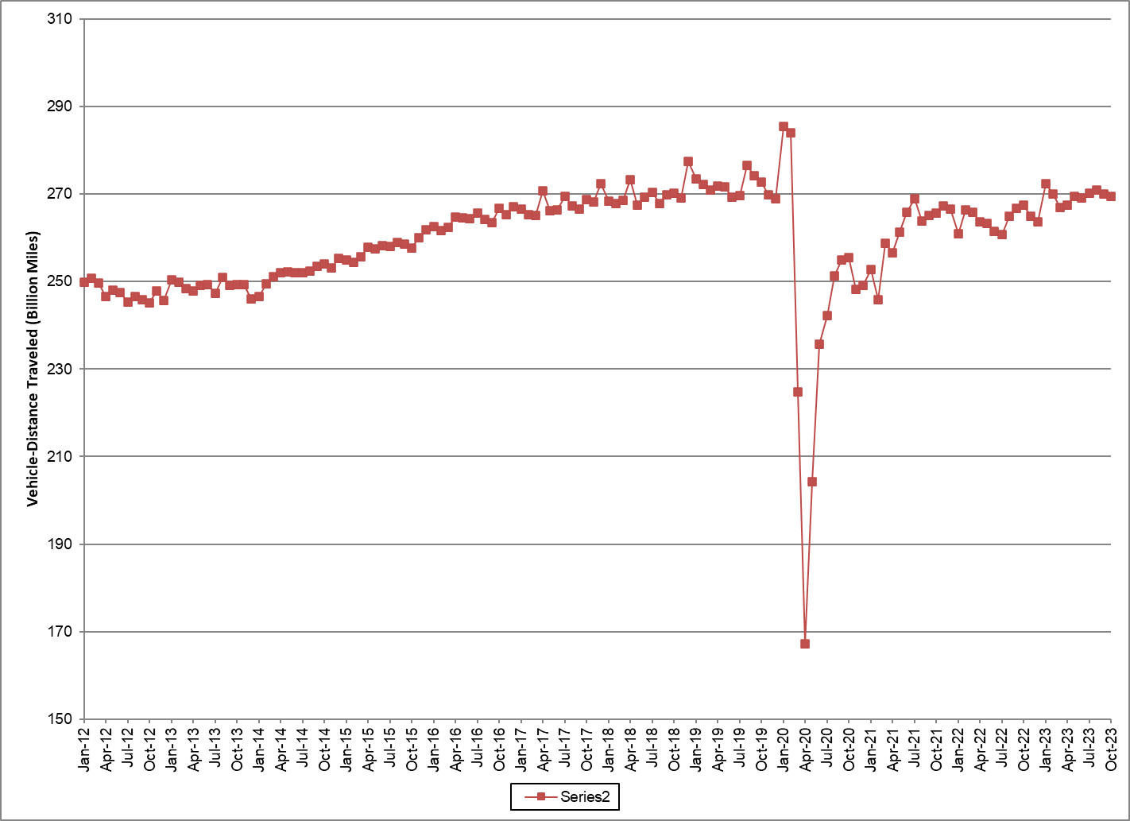

Seasonally adjusted data are modeled by the Bureau of Transportation Statistics, Office of the Assistant Secretary for Research and Technology, U.S. Department of Transportation. See http://www.transtats.bts.gov/OSEA/SeasonalAdjustment/ for additional seasonally adjusted travel data and information.

