Page1
U. S. Department |  |  | TRAFFIC VOLUME
of Transportation

Federal Highway |  |  | TRENDS
Administration

Office of Highway |  |  | March 2024
Policy Information

 |  |  | Travel on all roads and streets changed by
 |  |  | 0.7% | ( | 1.8 | billion vehicle miles) for March 2024 as compared with
 |  |  | 2023-03-04 | 2023-03-04
 |  |  | Travel for the month is estimated to be 275.5
 |  |  | billion vehicle miles.

 |  |  | The seasonally adjusted vehicle miles traveled for March 2024 is
 |  |  | 273.5 | billion miles, a |  |  | 1.6% | ( | 4.3 | billion vehicle miles)
 |  |  | change over March 2023. |  |  | It also represents a |  |  | -0.4% | change (-1.2
 |  |  | billion vehicle miles) compared with February 2024.

 |  |  | Cumulative Travel for 2024 changed by |  |  |  |  |  | 0.6%
 |  |  |  | ( | 4.7 | billion vehicle miles )
 |  |  | The cumulative estimate for the year is 762.8
 |  |  | billion vehicle miles of travel.

Estimated Vehicle-Miles of Travel by Region - March 2024 - (in Billions)
Change in Traffic as compared to same month last year.

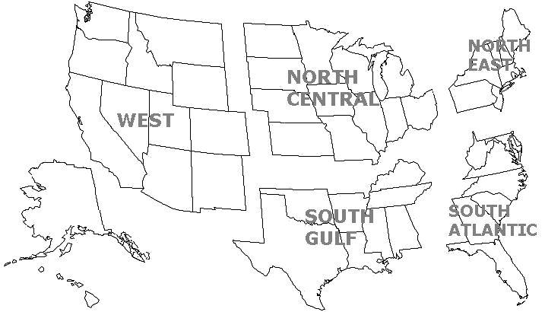

 |  | WEST |  |  | NORTH CENTRAL |  |  | NORTHEAST
 |  | 57.3 |  |  | 59.4 |  |  | 35.9
 |  | 1.3% |  |  | 1.3% |  |  | 1.3%

 |  |  |  |  | SOUTH GULF |  |  | SOUTH ATLANTIC
 |  |  |  |  | 60.2 |  |  | 62.7
 |  |  |  |  | 0.5% |  |  | -0.7%

Note: | All data for this month are preliminary. Revised values for the previous month are shown in Tables 1 and 2.
 | All vehicle-miles of travel computed with Highway Statistics 2022 Table VM-2 as a base.
 | Compiled with data on hand as of |  |  | May 01,2024
 | Some historical data were revised based on HPMS and amended TVT data as of December 2022.
 | For information on total licensed drivers in the U.S. visit http://www.fhwa.dot.gov/policy/ohpi/hss/hsspubs.htm.
 | Select the year of interest then Section 6 (Driver Licensing).
 | For information on total registered motor vehicles in the U.S., visit http://www.fhwa.dot.gov/policy/ohpi/hss/hsspubs.htm
 | Select the year of interest and Section 7 (Motor Vehicles).
 | To facilitate historic analysis, the VMT values for the seasonally adjusted series have been updated for the 12 months prior to
 | the current month and in all other months, held at the value from last month’s release.

Figure 1
Figure 1 - Moving 12-Month Total on ALL Roads
 | Annual Vehicle-Distance Traveled (Billion Miles)
2000-01-01 | 2,689.0
2000-02-01 | 2,697.0
2000-03-01 | 2,708.0
2000-04-01 | 2,715.0
2000-05-01 | 2,727.0
2000-06-01 | 2,734.0
2000-07-01 | 2,736.0
2000-08-01 | 2,742.0
2000-09-01 | 2,746.0
2000-10-01 | 2,748.0
2000-11-01 | 2,749.0
2000-12-01 | 2,746.0
2001-01-01 | 2,753.0
2001-02-01 | 2,755.0
2001-03-01 | 2,756.0
2001-04-01 | 2,761.0
2001-05-01 | 2,763.0
2001-06-01 | 2,763.0
2001-07-01 | 2,768.0
2001-08-01 | 2,773.0
2001-09-01 | 2,771.0
2001-10-01 | 2,776.0
2001-11-01 | 2,784.0
2001-12-01 | 2,796.0
2002-01-01 | 2,801.0
2002-02-01 | 2,808.0
2002-03-01 | 2,811.0
2002-04-01 | 2,815.0
2002-05-01 | 2,822.0
2002-06-01 | 2,827.0
2002-07-01 | 2,833.0
2002-08-01 | 2,839.0
2002-09-01 | 2,847.0
2002-10-01 | 2,852.0
2002-11-01 | 2,852.0
2002-12-01 | 2,856.0
2003-01-01 | 2,860.0
2003-02-01 | 2,856.0
2003-03-01 | 2,857.0
2003-04-01 | 2,859.0
2003-05-01 | 2,860.0
2003-06-01 | 2,864.0
2003-07-01 | 2,870.0
2003-08-01 | 2,872.0
2003-09-01 | 2,875.0
2003-10-01 | 2,883.0
2003-11-01 | 2,886.0
2003-12-01 | 2,891.0
2004-01-01 | 2,894.0
2004-02-01 | 2,904.0
...
Year | Date | Annual Vehicle-Distance Traveled (Billion Miles)
2000-01-01 | Jan-00 | 2,689.0
2000-02-01 | Feb-00 | 2,697.0
2000-03-01 | Mar-00 | 2,708.0
2000-04-01 | Apr-00 | 2,715.0
2000-05-01 | May-00 | 2,727.0
2000-06-01 | Jun-00 | 2,734.0
2000-07-01 | Jul-00 | 2,736.0
2000-08-01 | Aug-00 | 2,742.0
2000-09-01 | Sep-00 | 2,746.0
2000-10-01 | Oct-00 | 2,748.0
2000-11-01 | Nov-00 | 2,749.0
2000-12-01 | Dec-00 | 2,746.0
2001-01-01 | Jan-01 | 2,753.0
2001-02-01 | Feb-01 | 2,755.0
2001-03-01 | Mar-01 | 2,756.0
2001-04-01 | Apr-01 | 2,761.0
2001-05-01 | May-01 | 2,763.0
2001-06-01 | Jun-01 | 2,763.0
2001-07-01 | Jul-01 | 2,768.0
2001-08-01 | Aug-01 | 2,773.0
2001-09-01 | Sep-01 | 2,771.0
2001-10-01 | Oct-01 | 2,776.0
2001-11-01 | Nov-01 | 2,784.0
2001-12-01 | Dec-01 | 2,796.0
2002-01-01 | Jan-02 | 2,801.0
2002-02-01 | Feb-02 | 2,808.0
2002-03-01 | Mar-02 | 2,811.0
2002-04-01 | Apr-02 | 2,815.0
2002-05-01 | May-02 | 2,822.0
2002-06-01 | Jun-02 | 2,827.0
2002-07-01 | Jul-02 | 2,833.0
2002-08-01 | Aug-02 | 2,839.0
2002-09-01 | Sep-02 | 2,847.0
2002-10-01 | Oct-02 | 2,852.0
2002-11-01 | Nov-02 | 2,852.0
2002-12-01 | Dec-02 | 2,856.0
2003-01-01 | Jan-03 | 2,860.0
2003-02-01 | Feb-03 | 2,856.0
2003-03-01 | Mar-03 | 2,857.0
2003-04-01 | Apr-03 | 2,859.0
2003-05-01 | May-03 | 2,860.0
2003-06-01 | Jun-03 | 2,864.0
2003-07-01 | Jul-03 | 2,870.0
2003-08-01 | Aug-03 | 2,872.0
2003-09-01 | Sep-03 | 2,875.0
2003-10-01 | Oct-03 | 2,883.0
2003-11-01 | Nov-03 | 2,886.0
2003-12-01 | Dec-03 | 2,891.0
2004-01-01 | Jan-04 | 2,894.0
2004-02-01 | Feb-04 | 2,904.0
2004-03-01 | Mar-04 | 2,918.0
2004-04-01 | Apr-04 | 2,930.0
2004-05-01 | May-04 | 2,934.0
2004-06-01 | Jun-04 | 2,939.0
2004-07-01 | Jul-04 | 2,943.0
2004-08-01 | Aug-04 | 2,945.0
2004-09-01 | Sep-04 | 2,952.0
2004-10-01 | Oct-04 | 2,952.0
2004-11-01 | Nov-04 | 2,958.0
2004-12-01 | Dec-04 | 2,964.0
2005-01-01 | Jan-05 | 2,966.0
2005-02-01 | Feb-05 | 2,972.0
2005-03-01 | Mar-05 | 2,974.0
2005-04-01 | Apr-05 | 2,974.0
2005-05-01 | May-05 | 2,980.0
2005-06-01 | Jun-05 | 2,987.0
2005-07-01 | Jul-05 | 2,988.0
2005-08-01 | Aug-05 | 2,990.0
2005-09-01 | Sep-05 | 2,988.0
2005-10-01 | Oct-05 | 2,985.0
2005-11-01 | Nov-05 | 2,988.0
2005-12-01 | Dec-05 | 2,989.0
2006-01-01 | Jan-06 | 2,998.0
2006-02-01 | Feb-06 | 2,999.0
2006-03-01 | Mar-06 | 3,003.0
2006-04-01 | Apr-06 | 3,003.0
2006-05-01 | May-06 | 3,003.0
2006-06-01 | Jun-06 | 3,003.0
2006-07-01 | Jul-06 | 2,999.0
2006-08-01 | Aug-06 | 2,999.0
2006-09-01 | Sep-06 | 3,003.0
2006-10-01 | Oct-06 | 3,010.0
2006-11-01 | Nov-06 | 3,012.0
2006-12-01 | Dec-06 | 3,014.0
2007-01-01 | Jan-07 | 3,015.0
2007-02-01 | Feb-07 | 3,013.0
2007-03-01 | Mar-07 | 3,016.0
2007-04-01 | Apr-07 | 3,018.0
2007-05-01 | May-07 | 3,023.0
2007-06-01 | Jun-07 | 3,024.0
2007-07-01 | Jul-07 | 3,028.0
2007-08-01 | Aug-07 | 3,034.0
2007-09-01 | Sep-07 | 3,034.0
2007-10-01 | Oct-07 | 3,037.0
2007-11-01 | Nov-07 | 3,038.0
2007-12-01 | Dec-07 | 3,030.0
2008-01-01 | Jan-08 | 3,029.0
2008-02-01 | Feb-08 | 3,031.0
2008-03-01 | Mar-08 | 3,023.0
2008-04-01 | Apr-08 | 3,022.0
2008-05-01 | May-08 | 3,015.0
2008-06-01 | Jun-08 | 3,007.0
2008-07-01 | Jul-08 | 3,002.0
2008-08-01 | Aug-08 | 2,992.0
2008-09-01 | Sep-08 | 2,986.0
2008-10-01 | Oct-08 | 2,981.0
2008-11-01 | Nov-08 | 2,971.0
2008-12-01 | Dec-08 | 2,973.0
2009-01-01 | Jan-09 | 2,966.0
2009-02-01 | Feb-09 | 2,963.0
2009-03-01 | Mar-09 | 2,961.0
2009-04-01 | Apr-09 | 2,960.0
2009-05-01 | May-09 | 2,957.0
2009-06-01 | Jun-09 | 2,958.0
2009-07-01 | Jul-09 | 2,960.0
2009-08-01 | Aug-09 | 2,959.0
2009-09-01 | Sep-09 | 2,961.0
2009-10-01 | Oct-09 | 2,957.0
2009-11-01 | Nov-09 | 2,958.0
2009-12-01 | Dec-09 | 2,956.0
2010-01-01 | Jan-10 | 2,951.0
2010-02-01 | Feb-10 | 2,944.0
2010-03-01 | Mar-10 | 2,948.0
2010-04-01 | Apr-10 | 2,951.0
2010-05-01 | May-10 | 2,950.0
2010-06-01 | Jun-10 | 2,952.0
2010-07-01 | Jul-10 | 2,953.0
2010-08-01 | Aug-10 | 2,957.0
2010-09-01 | Sep-10 | 2,960.0
2010-10-01 | Oct-10 | 2,964.0
2010-11-01 | Nov-10 | 2,967.0
2010-12-01 | Dec-10 | 2,968.0
2011-01-01 | Jan-11 | 2,971.0
2011-02-01 | Feb-11 | 2,973.0
2011-03-01 | Mar-11 | 2,972.0
2011-04-01 | Apr-11 | 2,968.0
2011-05-01 | May-11 | 2,965.0
2011-06-01 | Jun-11 | 2,963.0
2011-07-01 | Jul-11 | 2,958.0
2011-08-01 | Aug-11 | 2,955.0
2011-09-01 | Sep-11 | 2,952.0
2011-10-01 | Oct-11 | 2,948.0
2011-11-01 | Nov-11 | 2,947.0
2011-12-01 | Dec-11 | 2,951.0
2012-01-01 | Jan-12 | 2,955.0
2012-02-01 | Feb-12 | 2,960.0
2012-03-01 | Mar-12 | 2,963.0
2012-04-01 | Apr-12 | 2,962.0
2012-05-01 | May-12 | 2,969.0
2012-06-01 | Jun-12 | 2,971.0
2012-07-01 | Jul-12 | 2,971.0
2012-08-01 | Aug-12 | 2,974.0
2012-09-01 | Sep-12 | 2,971.0
2012-10-01 | Oct-12 | 2,973.0
2012-11-01 | Nov-12 | 2,974.0
2012-12-01 | Dec-12 | 2,968.0
2013-01-01 | Jan-13 | 2,969.0
2013-02-01 | Feb-13 | 2,967.0
2013-03-01 | Mar-13 | 2,964.0
2013-04-01 | Apr-13 | 2,967.0
2013-05-01 | May-13 | 2,969.0
2013-06-01 | Jun-13 | 2,969.0
2013-07-01 | Jul-13 | 2,973.0
2013-08-01 | Aug-13 | 2,977.0
2013-09-01 | Sep-13 | 2,981.0
2013-10-01 | Oct-13 | 2,986.0
2013-11-01 | Nov-13 | 2,986.0
2013-12-01 | Dec-13 | 2,988.0
2014-01-01 | Jan-14 | 2,985.0
2014-02-01 | Feb-14 | 2,983.0
2014-03-01 | Mar-14 | 2,983.0
2014-04-01 | Apr-14 | 2,988.0
2014-05-01 | May-14 | 2,991.0
2014-06-01 | Jun-14 | 2,994.0
2014-07-01 | Jul-14 | 3,000.0
2014-08-01 | Aug-14 | 3,001.0
2014-09-01 | Sep-14 | 3,006.0
2014-10-01 | Oct-14 | 3,012.0
2014-11-01 | Nov-14 | 3,013.0
2014-12-01 | Dec-14 | 3,024.0
2015-01-01 | Jan-15 | 3,031.0
2015-02-01 | Feb-15 | 3,034.0
2015-03-01 | Mar-15 | 3,039.0
2015-04-01 | Apr-15 | 3,045.0
2015-05-01 | May-15 | 3,050.0
2015-06-01 | Jun-15 | 3,058.0
2015-07-01 | Jul-15 | 3,066.0
2015-08-01 | Aug-15 | 3,069.0
2015-09-01 | Sep-15 | 3,076.0
2015-10-01 | Oct-15 | 3,079.0
2015-11-01 | Nov-15 | 3,087.0
2015-12-01 | Dec-15 | 3,094.0
2016-01-01 | Jan-16 | 3,101.0
2016-02-01 | Feb-16 | 3,107.0
2016-03-01 | Mar-16 | 3,114.0
2016-04-01 | Apr-16 | 3,121.0
2016-05-01 | May-16 | 3,128.0
2016-06-01 | Jun-16 | 3,134.0
2016-07-01 | Jul-16 | 3,141.0
2016-08-01 | Aug-16 | 3,148.0
2016-09-01 | Sep-16 | 3,155.0
2016-10-01 | Oct-16 | 3,163.0
2016-11-01 | Nov-16 | 3,169.0
2016-12-01 | Dec-16 | 3,175.0
2017-01-01 | Jan-17 | 3,178.0
2017-02-01 | Feb-17 | 3,181.0
2017-03-01 | Mar-17 | 3,184.0
2017-04-01 | Apr-17 | 3,187.0
2017-05-01 | May-17 | 3,190.0
2017-06-01 | Jun-17 | 3,193.0
2017-07-01 | Jul-17 | 3,197.0
2017-08-01 | Aug-17 | 3,201.0
2017-09-01 | Sep-17 | 3,204.0
2017-10-01 | Oct-17 | 3,207.0
2017-11-01 | Nov-17 | 3,210.0
2017-12-01 | Dec-17 | 3,213.0
2018-01-01 | Jan-18 | 3,215.0
2018-02-01 | Feb-18 | 3,217.0
2018-03-01 | Mar-18 | 3,220.0
2018-04-01 | Apr-18 | 3,222.0
2018-05-01 | May-18 | 3,225.0
2018-06-01 | Jun-18 | 3,228.0
2018-07-01 | Jul-18 | 3,230.0
2018-08-01 | Aug-18 | 3,232.0
2018-09-01 | Sep-18 | 3,234.0
2018-10-01 | Oct-18 | 3,236.0
2018-11-01 | Nov-18 | 3,238.0
2018-12-01 | Dec-18 | 3,240.0
2019-01-01 | Jan-19 | 3,244.0
2019-02-01 | Feb-19 | 3,248.0
2019-03-01 | Mar-19 | 3,249.0
2019-04-01 | Apr-19 | 3,247.0
2019-05-01 | May-19 | 3,253.0
2019-06-01 | Jun-19 | 3,251.0
2019-07-01 | Jul-19 | 3,252.0
2019-08-01 | Aug-19 | 3,260.0
2019-09-01 | Sep-19 | 3,266.0
2019-10-01 | Oct-19 | 3,269.0
2019-11-01 | Nov-19 | 3,269.0
2019-12-01 | Dec-19 | 3,261.0
2020-01-01 | Jan-20 | 3,273.0
2020-02-01 | Feb-20 | 3,284.0
2020-03-01 | Mar-20 | 3,239.0
2020-04-01 | Apr-20 | 3,134.0
2020-05-01 | May-20 | 3,065.0
2020-06-01 | Jun-20 | 3,034.0
2020-07-01 | Jul-20 | 3,008.0
2020-08-01 | Aug-20 | 2,980.0
2020-09-01 | Sep-20 | 2,965.0
2020-10-01 | Oct-20 | 2,948.0
2020-11-01 | Nov-20 | 2,926.0
2020-12-01 | Dec-20 | 2,905.0
2021-01-01 | Jan-21 | 2,869.0
2021-02-01 | Feb-21 | 2,833.0
2021-03-01 | Mar-21 | 2,868.0
2021-04-01 | Apr-21 | 2,952.0
2021-05-01 | May-21 | 3,008.0
2021-06-01 | Jun-21 | 3,037.0
2021-07-01 | Jul-21 | 3,059.0
2021-08-01 | Aug-21 | 3,074.0
2021-09-01 | Sep-21 | 3,086.0
2021-10-01 | Oct-21 | 3,097.0
2021-11-01 | Nov-21 | 3,119.0
2021-12-01 | Dec-21 | 3,139.0
2022-01-01 | Jan-22 | 3,150.0
2022-02-01 | Feb-22 | 3,174.0
2022-03-01 | Mar-22 | 3,184.0
2022-04-01 | Apr-22 | 3,190.0
2022-05-01 | May-22 | 3,196.0
2022-06-01 | Jun-22 | 3,194.0
2022-07-01 | Jul-22 | 3,188.0
2022-08-01 | Aug-22 | 3,192.0
2022-09-01 | Sep-22 | 3,198.0
2022-10-01 | Oct-22 | 3,201.0
2022-11-01 | Nov-22 | 3,200.0
2022-12-01 | Dec-22 | 3,197.0
2023-01-01 | Jan-23 | 3,210.0
2023-02-01 | Feb-23 | 3,214.0
2023-03-01 | Mar-23 | 3,216.0
2023-04-01 | Apr-23 | 3,216.0
2023-05-01 | May-23 | 3,223.0
2023-06-01 | Jun-23 | 3,232.0
2023-07-01 | Jul-23 | 3,240.0
2023-08-01 | Aug-23 | 3,247.0
2023-09-01 | Sep-23 | 3,249.0
2023-10-01 | Oct-23 | 3,252.0
2023-11-01 | Nov-23 | 3,258.0
2023-12-01 | Dec-23 | 3,264.0
2024-01-01 | Jan-24 | 3,262.0
2024-02-01 | Feb-24 | 3,267.0
2024-03-01 | Mar-24 | 3,268.0

Figure 2
Figure 2 - Travel on U.S. Highways by Month | Urban Highways- Average Daily Vehicle-Distance Traveled(Billion Miles)

Urban Highways
 |  | 2022 | 2023 | 2024
 | Jan | 5.25 | 5.54 | 5.53
 | Feb | 5.71 | 5.82 | 5.72
 | Mar | 6.01 | 6.05 | 6.07
 | Apr | 5.89 | 5.88 | #N/A
 | May | 6.16 | 6.31 | #N/A
 | Jun | 6.20 | 6.37 | #N/A
 | Jul | 6.04 | 6.21 | #N/A
 | Aug | 6.17 | 6.31 | #N/A
 | Sep | 6.20 | 6.26 | #N/A
 | Oct | 6.12 | 6.20 | #N/A
 | Nov | 5.87 | 6.01 | #N/A
 | Dec | 5.72 | 5.83 | #N/A

 | Rural Highways- Average Daily Vehicle-Distance Traveled(Billion Miles)

 |  | 2022 | 2023 | 2024
 | Jan | 2.36 | 2.49 | 2.44
 | Feb | 2.54 | 2.59 | 2.56
 | Mar | 2.76 | 2.78 | 2.81
 | Apr | 2.71 | 2.72 | #N/A
 | May | 2.95 | 3.03 | #N/A
 | Jun | 3.03 | 3.15 | #N/A
 | Jul | 3.06 | 3.14 | #N/A
 | Aug | 3.00 | 3.07 | #N/A
 | Sep | 2.99 | 3.01 | #N/A
Rural Highways
 | Oct | 2.93 | 2.96 | #N/A
 | Nov | 2.75 | 2.82 | #N/A
 | Dec | 2.61 | 2.67 | #N/A

Figure 3
Figure 3 - Seasonally Adjusted Vehicle Miles Traveled By Month
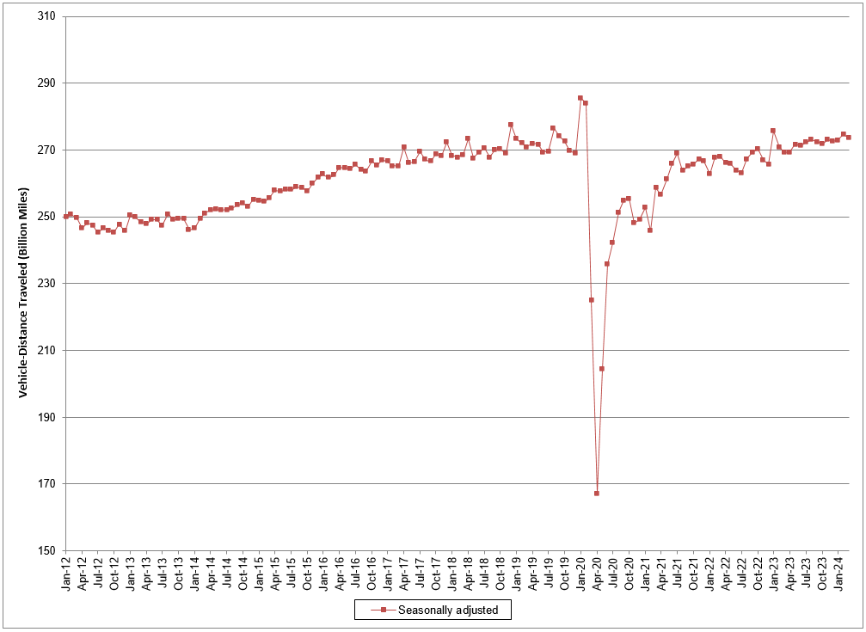

Seasonally adjusted data are modeled by the Bureau of Transportation Statistics, Office of the Assistant Secretary for Research and Technology, U.S. epartment of Transportation. See http://www.transtats.bts.gov/OSEA/SeasonalAdjustment/ for additional seasonally adjusted travel data and information.

