Sheet1
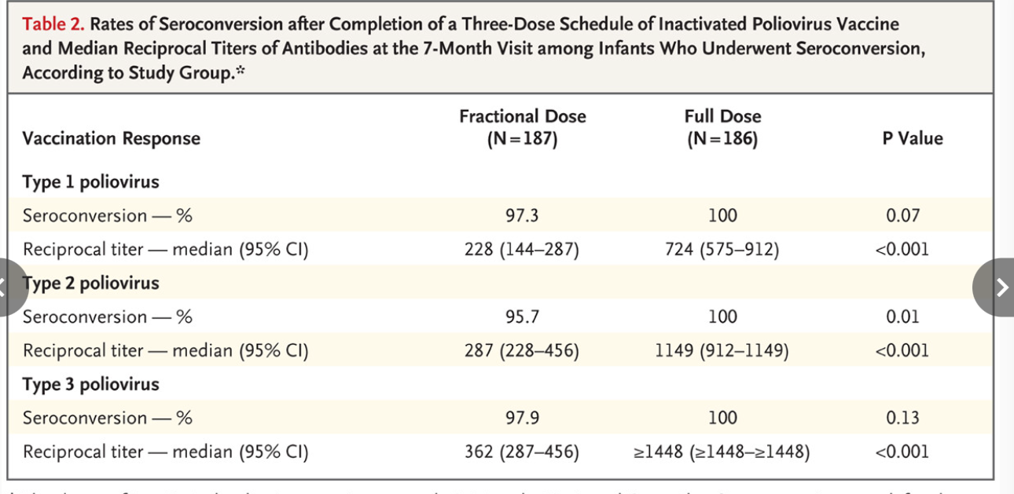
Details

Kaija | Ali Jafer Mohammed et al. (Oman) | NEJM 2010 | mOPV1 | 10.1056/NEJMoa0909383

