external_transparent_parts
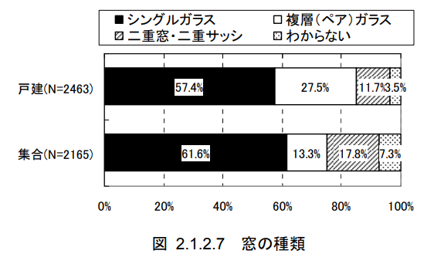
key | id | name | sub_name | room_id | area [m2] | u_value [W/m2K] | eta_value | glass | glass_area_ratio | direction | solar_shading_exist | depth [m] | d_h [m] | d_e [m]
value0 | 19 | south_window_room0 |  | 0 | 6.86 | #U_window | #eta_window | single | 0.8 | #D_0 | FALSE
value1 | 20 | south_window_room1 |  | 1 | 6.18 | #U_window | #eta_window | single | 0.8 | #D_0 | FALSE
value2 | 21 | east_window_room1 |  | 1 | 0.6 | #U_window | #eta_window | single | 0.8 | #D_90 | FALSE
value3 | 22 | east_window_room2 |  | 2 | 0.6 | #U_window | #eta_window | single | 0.8 | #D_90 | FALSE
value4 | 23 | north_window_room1 |  | 1 | 0.6 | #U_window | #eta_window | single | 0.8 | #D_180 | FALSE
value5 | 24 | north_window_room2 |  | 2 | 1.64 | #U_window | #eta_window | single | 0.8 | #D_180 | FALSE
value6 | 25 | west_window_room2 |  | 2 | 4.04 | #U_window | #eta_window | single | 0.8 | #D_270 | FALSE
value7
value8
value9
value10
value11
value12
value13
value14
value15
value16
value17
value18
value19
value20
value21
value22
value23
value24
value25
value26
value27
value28

