external_transparent_parts
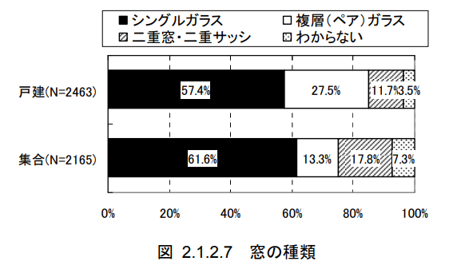
key | id | name | sub_name | room_id | area [m2] | u_value [W/m2K] | eta_value | glass | glass_area_ratio | direction | solar_shading_exist | depth [m] | d_h [m] | d_e [m]
value0 | 21 | south_window_main |  | 0 | #MR_A_WIN_S | #WINDOW_U | #WINDOW_ETA | single | 0.8 | s | FALSE
value1 | 22 | south_window_other |  | 1 | #OR_A_WIN_S | #WINDOW_U | #WINDOW_ETA | single | 0.8 | s | FALSE
value2 | 23 | south_window_not |  | 2 | #NO_A_WIN_S | #WINDOW_U | #WINDOW_ETA | single | 0.8 | s | FALSE
value3 | 24 | east_window_main |  | 0 | #MR_A_WIN_E | #WINDOW_U | #WINDOW_ETA | single | 0.8 | e | FALSE
value4 | 25 | east_window_other |  | 1 | #OR_A_WIN_E | #WINDOW_U | #WINDOW_ETA | single | 0.8 | e | FALSE
value5 | 26 | east_window_not |  | 2 | #NO_A_WIN_E | #WINDOW_U | #WINDOW_ETA | single | 0.8 | e | FALSE
value6 | 27 | north_window_main |  | 0 | #MR_A_WIN_N | #WINDOW_U | #WINDOW_ETA | single | 0.8 | n | FALSE
value7 | 28 | north_window_other |  | 1 | #OR_A_WIN_N | #WINDOW_U | #WINDOW_ETA | single | 0.8 | n | FALSE
value8 | 29 | north_window_not |  | 2 | #NO_A_WIN_N | #WINDOW_U | #WINDOW_ETA | single | 0.8 | n | FALSE
value9 | 30 | west_window_main |  | 0 | #MR_A_WIN_W | #WINDOW_U | #WINDOW_ETA | single | 0.8 | w | FALSE
value10 | 31 | west_window_other |  | 1 | #OR_A_WIN_W | #WINDOW_U | #WINDOW_ETA | single | 0.8 | w | FALSE
value11 | 32 | west_window_not |  | 2 | #NO_A_WIN_W | #WINDOW_U | #WINDOW_ETA | single | 0.8 | w | FALSE
value12
value13
value14
value15
value16
value17
value18
value19
value20
value21
value22
value23
value24
value25
value26
value27
value28
value29

