ODMatrix
OD Matrix | (with transfers)
 | Astoria | Ravenswood | LI City | Greenpoint | Greenpoint-South | Williamsburg-North | Williamsburg-Central | Williamsburg-South | Brooklyn Navy Yard | DUMBO | Brooklyn Heights | Red Hook-North | Red Hook-South | Sunset Park | Sunset Park Terminal
Astoria | 232 | 154 | 14767.1 | 15 | 13 | 107 | 0 | 0 | 27 | 51 | 393.9 | 1 | 0 | 0 | 2
Ravenswood | 112 | 116 | 4556.9 | 1 | 0 | 58.5 | 0 | 0 | 6 | 11 | 186.6 | 0 | 0 | 3 | 7
LI City | 9 | 34 | 2413.1 | 0 | 0 | 11 | 4 | 0 | 2 | 14 | 36.9 | 0 | 1 | 4 | 2
Greenpoint | 0 | 40 | 2532.2 | 28 | 2 | 1058.5 | 0 | 29 | 80 | 16 | 362.3 | 11 | 38 | 56 | 15
Greenpoint-South | 0 | 1 | 939.25 | 7 | 14 | 2591.25 | 3 | 32 | 44 | 27 | 221.5 | 5 | 45 | 4 | 5
Williamsburg-North | 0 | 13 | 72 | 14 | 3 | 2902 | 11 | 13 | 42 | 29 | 113 | 0 | 7 | 5 | 0
Williamsburg-Central | 1 | 24 | 221 | 12 | 2 | 2641.25 | 13 | 0 | 62 | 104 | 1070.75 | 0 | 0 | 13 | 3
Williamsburg-South | 35 | 6 | 247.2 | 32 | 7 | 947 | 2 | 78 | 86 | 54 | 1016.8 | 13 | 10 | 52 | 65
Brooklyn Navy Yard | 11 | 19 | 303.5 | 11 | 55 | 1582.75 | 6 | 23 | 155 | 54 | 5036.75 | 13 | 70 | 70 | 45
DUMBO | 0 | 8 | 27 | 0 | 0 | 7.3 | 0 | 1 | 6 | 3 | 2371.7 | 8 | 18 | 48 | 0
Brooklyn Heights | 0 | 6 | 148.25 | 10 | 1 | 50.3 | 4 | 8 | 40 | 63 | 8374.45 | 21 | 19 | 13 | 32
Red Hook-North | 0 | 17 | 52.25 | 0 | 6 | 22 | 8 | 3 | 87 | 76 | 4948.75 | 61 | 71 | 42 | 9
Red Hook-South | 0 | 6 | 92.25 | 23 | 6 | 5 | 5 | 12 | 143 | 117 | 4844.25 | 37 | 82 | 92 | 1267.5
Sunset Park | 5 | 28 | 274.75 | 80 | 7 | 21 | 16 | 24 | 173 | 117 | 3154 | 3 | 95 | 557 | 5812.25
Sunset Park Terminal | 41 | 51 | 485 | 78 | 13 | 15 | 1 | 12 | 196 | 108 | 2726.5 | 35 | 117 | 370 | 4894.5

Matrix for 8am
OD MATRIX for 8am |  | 8%
 | Astoria | Ravenswood | LI City | Greenpoint | Greenpoint-South | Williamsburg-North | Williamsburg-Central | Williamsburg-South | Brooklyn Navy Yard | DUMBO | Brooklyn Heights | Red Hook-North | Red Hook-South | Sunset Park | Sunset Park Terminal | TOTAL
Astoria | 19 | 12 | 1181 | 1 | 1 | 9 | 0 | 0 | 2 | 4 | 32 | 0 | 0 | 0 | 0
Ravenswood | 9 | 9 | 365 | 0 | 0 | 5 | 0 | 0 | 0 | 1 | 15 | 0 | 0 | 0 | 1
LI City | 1 | 3 | 193 | 0 | 0 | 1 | 0 | 0 | 0 | 1 | 3 | 0 | 0 | 0 | 0
Greenpoint | 0 | 3 | 203 | 2 | 0 | 85 | 0 | 2 | 6 | 1 | 29 | 1 | 3 | 4 | 1
Greenpoint-South | 0 | 0 | 75 | 1 | 1 | 207 | 0 | 3 | 4 | 2 | 18 | 0 | 4 | 0 | 0
Williamsburg-North | 0 | 1 | 6 | 1 | 0 | 232 | 1 | 1 | 3 | 2 | 9 | 0 | 1 | 0 | 0
Williamsburg-Central | 0 | 2 | 18 | 1 | 0 | 211 | 1 | 0 | 5 | 8 | 86 | 0 | 0 | 1 | 0
Williamsburg-South | 3 | 0 | 20 | 3 | 1 | 76 | 0 | 6 | 7 | 4 | 81 | 1 | 1 | 4 | 5
Brooklyn Navy Yard | 1 | 2 | 24 | 1 | 4 | 127 | 0 | 2 | 12 | 4 | 403 | 1 | 6 | 6 | 4
DUMBO | 0 | 1 | 2 | 0 | 0 | 1 | 0 | 0 | 0 | 0 | 190 | 1 | 1 | 4 | 0
Brooklyn Heights | 0 | 0 | 12 | 1 | 0 | 4 | 0 | 1 | 3 | 5 | 670 | 2 | 2 | 1 | 3
Red Hook-North | 0 | 1 | 4 | 0 | 0 | 2 | 1 | 0 | 7 | 6 | 396 | 5 | 6 | 3 | 1
Red Hook-South | 0 | 0 | 7 | 2 | 0 | 0 | 0 | 1 | 11 | 9 | 388 | 3 | 7 | 7 | 101
Sunset Park | 0 | 2 | 22 | 6 | 1 | 2 | 1 | 2 | 14 | 9 | 252 | 0 | 8 | 45 | 465
Sunset Park Terminal | 3 | 4 | 39 | 6 | 1 | 1 | 0 | 1 | 16 | 9 | 218 | 3 | 9 | 30 | 392

Load Profile Sb |  |  | Nb
Astoria | 1252 |  | Sunset Park Terminal | 536
Ravenswood | 1621 |  | Sunset Park | 652
LI City | 1719 |  | Red Hook-South | 1040
Greenpoint | 210 |  | Red Hook-North | 1450
Greenpoint-South | 446 |  | Brooklyn Heights | 1809
Williamsburg-North | 579 |  | DUMBO | 186
Williamsburg-Central | 256 |  | Brooklyn Navy Yard | 302
Williamsburg-South | 356 |  | Williamsburg-South | 394
Brooklyn Navy Yard | 755 |  | Williamsburg-Central | 620
DUMBO | 915 |  | Williamsburg-North | 744
Brooklyn Heights | 1257 |  | Greenpoint-South | 273
Red Hook-North | 64 |  | Greenpoint | 458
Red Hook-South | 151 |  | LI City | 557
Sunset Park | 603 |  | Ravenswood | 22
Sunset Park Terminal | 1358 |  | Astoria | 9.28

Graphic
 | Southbound | Northbound
Astoria | 1251.76 | 9.28
Ravenswood | 1621.2 | 21.88
LI City | 1719.076 | 556.616
Greenpoint | 209.896 | 457.772
Greenpoint-South | 446.356 | 272.796
Williamsburg-North | 578.916 | 743.864
Williamsburg-Central | 256.036 | 620.144
Williamsburg-South | 356.46 | 394.004
Brooklyn Navy Yard | 754.72 | 301.628
DUMBO | 915.496 | 186.248
Brooklyn Heights | 1257.154 | 1809.402
Red Hook-North | 63.8 | 1450.42
Red Hook-South | 151.08 | 1039.66
Sunset Park | 602.9 | 652.38
Sunset Park Terminal | 1357.58 | 535.66

Stops
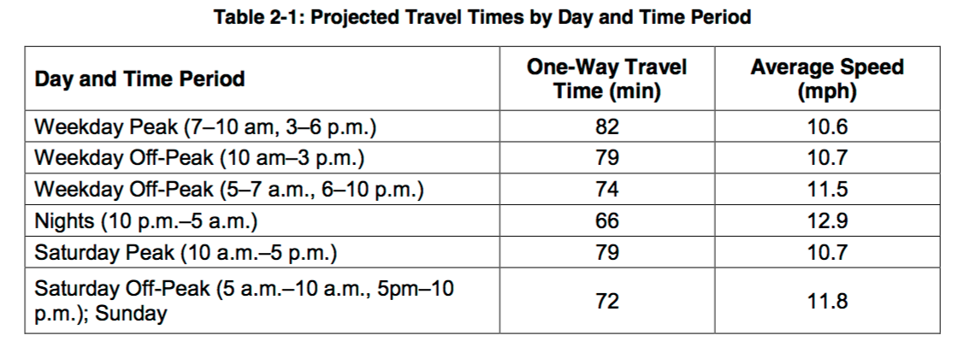
Stop | X - coordinate | Av. Speed | 10.6 | mph
Astoria_1 | 0.00
Astoria_2 | 0.59
Ravenswood_1 | 1.17
Ravenswood_2 | 1.76
LI City_1 | 2.34
LI City_2 | 2.93
Greenpoint_1 | 3.52
Greenpoint_2 | 4.10
Greenpoint-South_1 | 4.69
Greenpoint-South_2 | 5.28
Williamsburg-North_1 | 5.86
Williamsburg-North_2 | 6.45
Williamsburg-Central_1 | 7.03
Williamsburg-Central_2 | 7.62
Williamsburg-South_1 | 8.21
Williamsburg-South_2 | 8.79
Brooklyn Navy Yard_1 | 9.38
Brooklyn Navy Yard_2 | 9.97
DUMBO_1 | 10.55
DUMBO_2 | 11.14
Brooklyn Heights_1 | 11.72
Brooklyn Heights_2 | 12.31
Red Hook-North_1 | 12.90
Red Hook-North_2 | 13.48
Red Hook-South_1 | 14.07
Red Hook-South_2 | 14.66
Sunset Park_1 | 15.24
Sunset Park_2 | 15.83
Sunset Park Terminal_1 | 16.41
Sunset Park Terminal_2 | 17.00

