STANDER RECIPECREME BRULEE
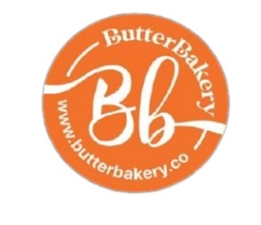 | BUTTER BAKERY & KSA
 | RECIPE
 | Reference : STANDER RECIPE |  |  |  |  |  |  |  |  |  |  |  |  |  |  | Last revision date: 23/5/2026
CATEGORY : PASTRY |  |  |  | PRODUCT: |  |  |  |  |  |  | CREME BRULEE
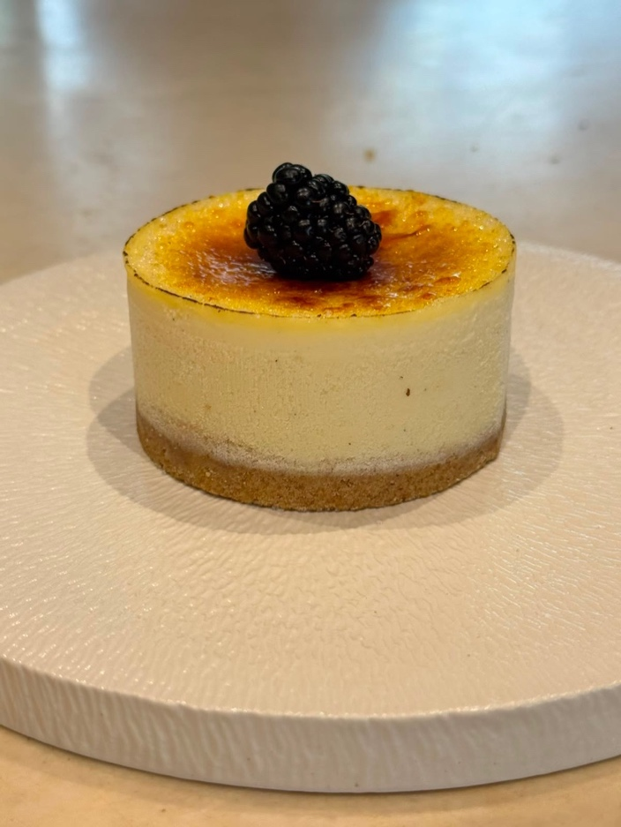
image here
image here`

ALLERGEN AND OTHER INGREDIENTS INFORMATION
PREPARATION | CEREALS |  | NUTS |  | PEANUTS |  | MILK |  | EGG |  |  | SOY |  | LUPIN |  |  | SESAME |  | MUSTARD |  | CRUSTACEANS |  |  | MOLLUSKS |  | FISH |  | SULPHITE |  | CELERY
P: Presence T: Traces | P | T | P | T | P | T | P | T | P | T |  | P | T | P | T |  | P | T | P | T | P |  | T | P | T | P | T | P | T | P | T
 | P |  | P |  |  |  | P |  |  |  |  |  | T
VEGAN PRODUCT |  |  |  |  |  |  |  | CONTAINS ALCOHOL |  |  |  |  |  |  |  |  |  |  |  |  |  | YES
LABEL INFORMATION: Unpackaged bulk product. Information label not required. Mandatory to inform about allergenic ingredients.
LIST OF INGREDIENTS: 1 PCS CRÈME BRULEE AND WHITE SUGAR 15GR AND 1PCS BLACKBERRY
EXPIRATION DATE: • Showcase: Two days in a shop window at 3-4 degrees Celsius. • Frezeer: One month in freezer at - 20 degrees.

SUB RECIPE CREME BRULEE
 | BUTTER BAKERY & KSA
 | RECIPE
 | Reference : STANDARD RECIPE |  |  | Last revision date: 23/5/2026
CATEGORY: PASTRY |  | PRODUCT: | CREME BRULEE
PROCEDURE:
Cremebrulee : Philadelphia-3.840 kg Sugar-720gr Egg Yellow-600 gr Egg Whole-720 gr Flour-45 60 gr Cornflour-120 gr Salt-10 gr Vanilla-60 gr Cream-1.2 kg

INGREDIENTS: 50pcs

STANDER RECIPE B.B CAKE
 | BUTTER BAKERY & KSA
 | RECIPE
 | Reference : STANDER RECIPE |  |  |  |  |  |  |  |  |  |  |  |  |  |  | Last revision date: 23/5/2026
CATEGORY : PASTRY |  |  |  | PRODUCT: |  |  |  |  |  |  | B.B CAKE
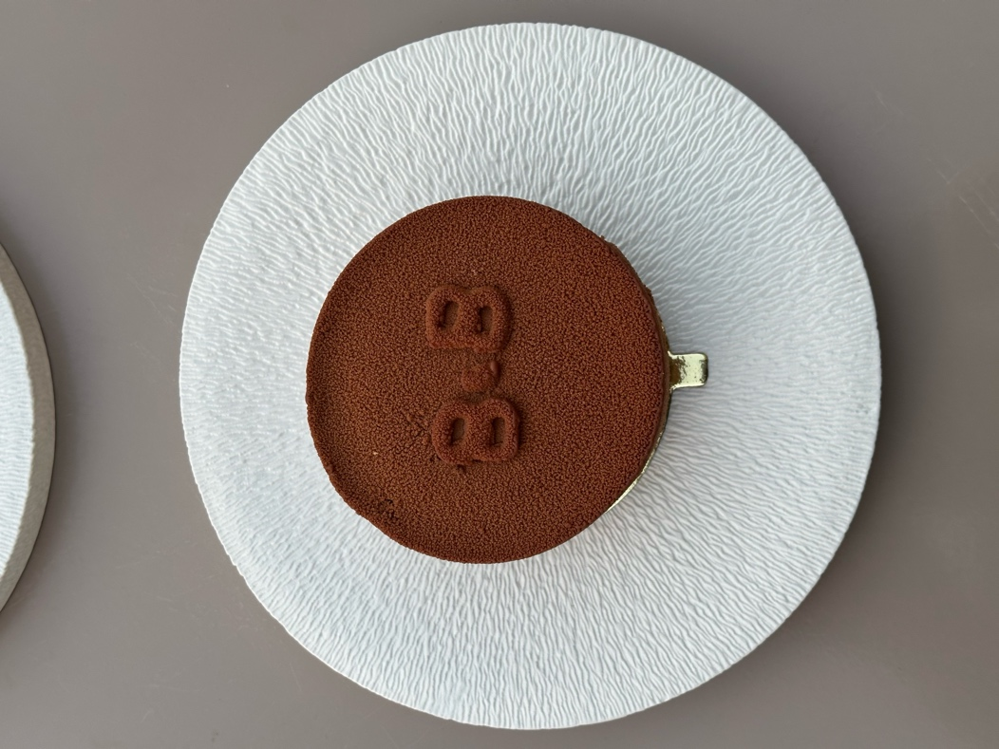
image here
image here`

ALLERGEN AND OTHER INGREDIENTS INFORMATION
PREPARATION | CEREALS |  | NUTS |  | PEANUTS |  | MILK |  | EGG |  |  | SOY |  | LUPIN |  |  | SESAME |  | MUSTARD |  | CRUSTACEANS |  |  | MOLLUSKS |  | FISH |  | SULPHITE |  | CELERY
P: Presence T: Traces | P | T | P | T | P | T | P | T | P | T |  | P | T | P | T |  | P | T | P | T | P |  | T | P | T | P | T | P | T | P | T
 | P |  | P |  |  |  | P |  |  |  |  |  | T
VEGAN PRODUCT |  |  |  |  |  |  |  | CONTAINS ALCOHOL |  |  |  |  |  |  |  |  |  |  |  |  |  | YES
LABEL INFORMATION: Unpackaged bulk product. Information label not required. Mandatory to inform about allergenic ingredients.
LIST OF INGREDIENTS: 1 PCS 200 GR . B.B CAKE SAUCE 30GR
EXPIRATION DATE: • Showcase: Two days in a shop window at 3-4 degrees Celsius. • Frezeer: One month in freezer at - 20 degrees.

SUB RECIPE B.B CAKE
 | BUTTER BAKERY & BREAKFAST KSA/ MADINAH
 | RECIPE
 | Reference : STANDARD RECIPE |  |  | Last revision date: 23/5/2026
CATEGORY: PASTRY |  | PRODUCT: | B.B CAKE
PROCEDURE:
Mousse chocolat *3000 kg liquide cream *1400 kg caramel *1500 kg milk chocolate *1500 kg dark chocolate *200 g gelatin *5000 kg whipping cream Dawn sponge 3kg powder 1.05 g egg 900 g oil 840 g water

pecan caramelisses 750 gr sugar 750 gr water 1500 kg pecan spray chocolate 500 gr dark chocolate 500 gr milk chocolate 1000 kg cacao butter sugar dough 250 gr

75 pcs Digestive Biscuits
INGREDIENTS: 75pcs. Riang 5s. 85pcs Riang 4s
Bb Cake Sauce Milk-1000 gr Cream Elle and Vire-1000 gr Nutella-200 gr Dark Chocolate -500 gr caramel 200 gr

STANDER RECIPE ROCHER
 | BUTTER BAKERY & KSA
 | RECIPE
 | Reference : STANDER RECIPE |  |  |  |  |  |  |  |  |  |  |  |  |  |  | Last revision date: 23/5/2026
CATEGORY : PASTRY |  |  |  | PRODUCT: |  |  |  |  |  |  | ROCHER
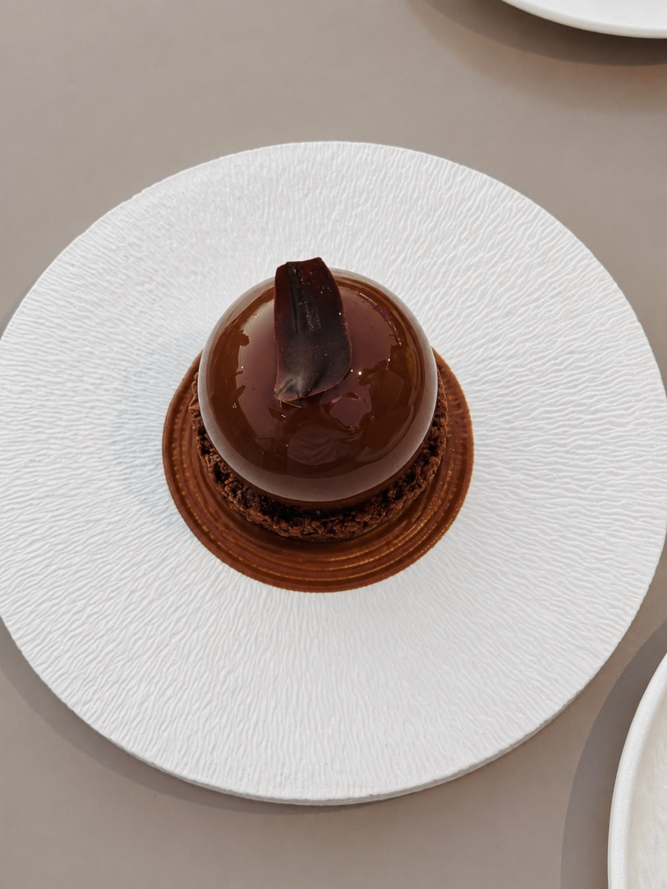
image here
image here`
 |  |  |  |  |  |  |  |  |  |  |  |  |  |  |  |  |  |  | 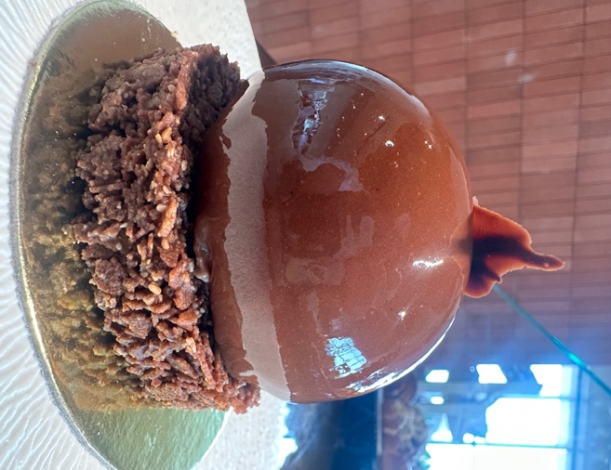

ALLERGEN AND OTHER INGREDIENTS INFORMATION
PREPARATION | CEREALS |  | NUTS |  | PEANUTS |  | MILK |  | EGG |  |  | SOY |  | LUPIN |  |  | SESAME |  | MUSTARD |  | CRUSTACEANS |  |  | MOLLUSKS |  | FISH |  | SULPHITE |  | CELERY
P: Presence T: Traces | P | T | P | T | P | T | P | T | P | T |  | P | T | P | T |  | P | T | P | T | P |  | T | P | T | P | T | P | T | P | T
 | P |  | P |  |  |  | P |  |  |  |  |  | T
VEGAN PRODUCT |  |  |  |  |  |  |  | CONTAINS ALCOHOL |  |  |  |  |  |  |  |  |  |  |  |  |  | YES
LABEL INFORMATION: Unpackaged bulk product. Information label not required. Mandatory to inform about allergenic ingredients.
LIST OF INGREDIENTS: 1 PCS 150GR
EXPIRATION DATE: • Showcase: Two days in a shop window at 3-4 degrees Celsius. • Frezeer: One month in freezer at - 20 degrees.

STANDER RECIPE SAN SEBASTIAN
 | BUTTER BAKERY & KSA
 | RECIPE
 | Reference : STANDER RECIPE |  |  |  |  |  |  |  |  |  |  |  |  |  |  | Last revision date: 23/5/2026
CATEGORY : PASTRY |  |  |  | PRODUCT: |  |  |  |  |  |  | SAN SEBASTIAN
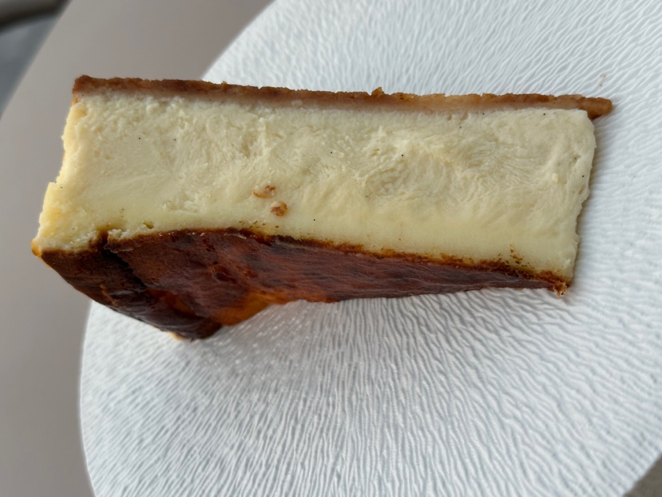
image here
image here`
 |  |  |  |  |  |  |  |  |  |  |  |  |  |  |  |  |  | 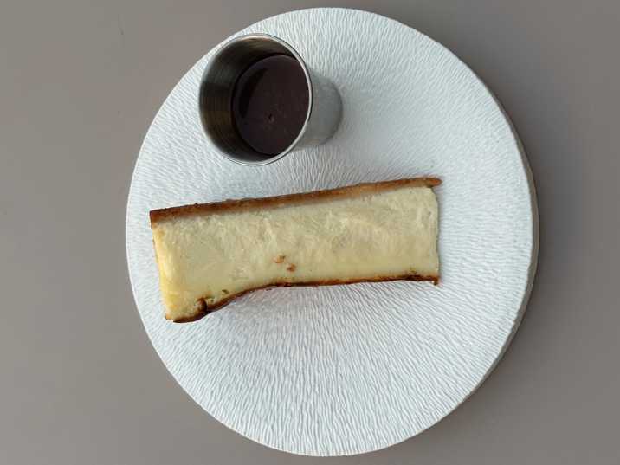

ALLERGEN AND OTHER INGREDIENTS INFORMATION
PREPARATION | CEREALS |  | NUTS |  | PEANUTS |  | MILK |  | EGG |  |  | SOY |  | LUPIN |  |  | SESAME |  | MUSTARD |  | CRUSTACEANS |  |  | MOLLUSKS |  | FISH |  | SULPHITE |  | CELERY
P: Presence T: Traces | P | T | P | T | P | T | P | T | P | T |  | P | T | P | T |  | P | T | P | T | P |  | T | P | T | P | T | P | T | P | T
 | P |  | P |  |  |  | P |  |  |  |  |  | T
VEGAN PRODUCT |  |  |  |  |  |  |  | CONTAINS ALCOHOL |  |  |  |  |  |  |  |  |  |  |  |  |  | YES
LABEL INFORMATION: Unpackaged bulk product. Information label not required. Mandatory to inform about allergenic ingredients.
LIST OF INGREDIENTS: 1 PCS 160 GR . SAUCE 25 GR
EXPIRATION DATE: • Showcase: Two days in a shop window at 3-4 degrees Celsius. • Frezeer: One month in freezer at - 20 degrees.

STANDER RECIPE HONEY CAKE
 | BUTTER BAKERY & KSA
 | RECIPE
 | Reference : STANDER RECIPE |  |  |  |  |  |  |  |  |  |  |  |  |  |  | Last revision date: 23/5/2026
CATEGORY : PASTRY |  |  |  | PRODUCT: |  |  |  |  |  |  | HONEY CAKE
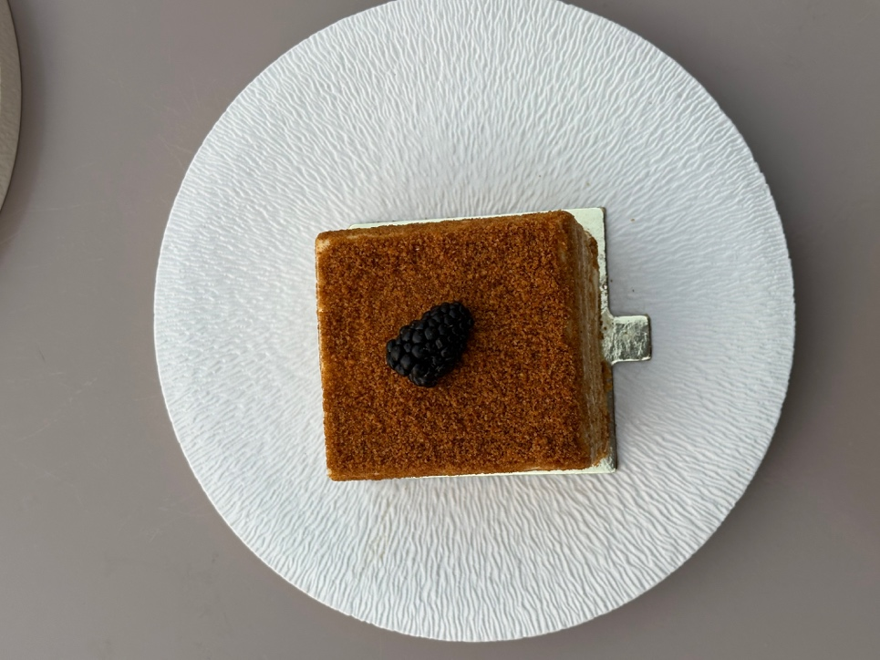
image here
image here`
 |  |  |  |  |  |  |  |  |  |  |  |  |  |  |  |  |  | 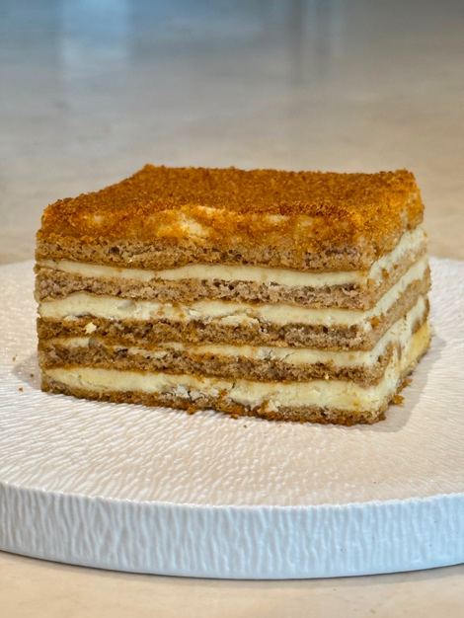

ALLERGEN AND OTHER INGREDIENTS INFORMATION
PREPARATION | CEREALS |  | NUTS |  | PEANUTS |  | MILK |  | EGG |  |  | SOY |  | LUPIN |  |  | SESAME |  | MUSTARD |  | CRUSTACEANS |  |  | MOLLUSKS |  | FISH |  | SULPHITE |  | CELERY
P: Presence T: Traces | P | T | P | T | P | T | P | T | P | T |  | P | T | P | T |  | P | T | P | T | P |  | T | P | T | P | T | P | T | P | T
 | P |  | P |  |  |  | P |  |  |  |  |  | T
VEGAN PRODUCT |  |  |  |  |  |  |  | CONTAINS ALCOHOL |  |  |  |  |  |  |  |  |  |  |  |  |  | YES
LABEL INFORMATION: Unpackaged bulk product. Information label not required. Mandatory to inform about allergenic ingredients.
LIST OF INGREDIENTS:
EXPIRATION DATE: • Showcase: Two days in a shop window at 3-4 degrees Celsius. • Frezeer: One month in freezer at - 20 degrees.

STANDER RECIPE CHOCLATE COOKIES
 | BUTTER BAKERY & KSA
 | RECIPE
 | Reference : STANDER RECIPE |  |  |  |  |  |  |  |  |  |  |  |  |  |  | Last revision date: 23/5/2026
CATEGORY : PASTRY |  |  |  | PRODUCT: |  |  |  |  |  |  | CHOCLATE COOKIES
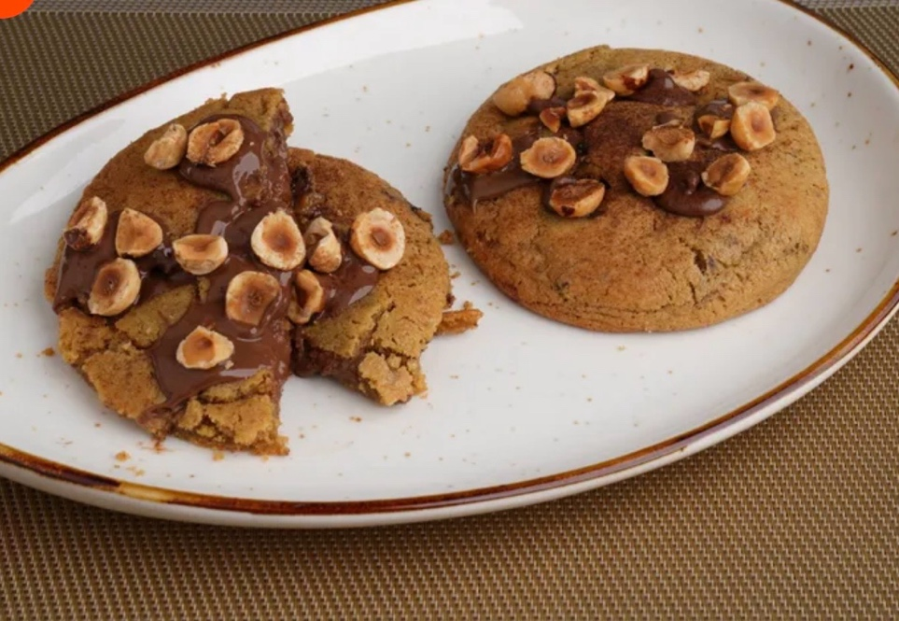
image here

ALLERGEN AND OTHER INGREDIENTS INFORMATION
PREPARATION | CEREALS |  | NUTS |  | PEANUTS |  | MILK |  | EGG |  |  | SOY |  | LUPIN |  |  | SESAME |  | MUSTARD |  | CRUSTACEANS |  |  | MOLLUSKS |  | FISH |  | SULPHITE |  | CELERY
P: Presence T: Traces | P | T | P | T | P | T | P | T | P | T |  | P | T | P | T |  | P | T | P | T | P |  | T | P | T | P | T | P | T | P | T
 | P |  | P |  |  |  | P |  |  |  |  |  | T
VEGAN PRODUCT |  |  |  |  |  |  |  | CONTAINS ALCOHOL |  |  |  |  |  |  |  |  |  |  |  |  |  | YES
LABEL INFORMATION: Unpackaged bulk product. Information label not required. Mandatory to inform about allergenic ingredients.
LIST OF INGREDIENTS:
EXPIRATION DATE: • Showcase: Two days in a shop window at 3-4 degrees Celsius. • Frezeer: One month in freezer at - 20 degrees.

STANDER RECIPE MINI HONEY
 | BUTTER BAKERY & KSA
 | RECIPE
 | Reference : STANDER RECIPE |  |  |  |  |  |  |  |  |  |  |  |  |  |  | Last revision date: 23/5/2026
CATEGORY : PASTRY |  |  |  | PRODUCT: |  |  |  |  |  |  | MINI HONEY CAKE BOX
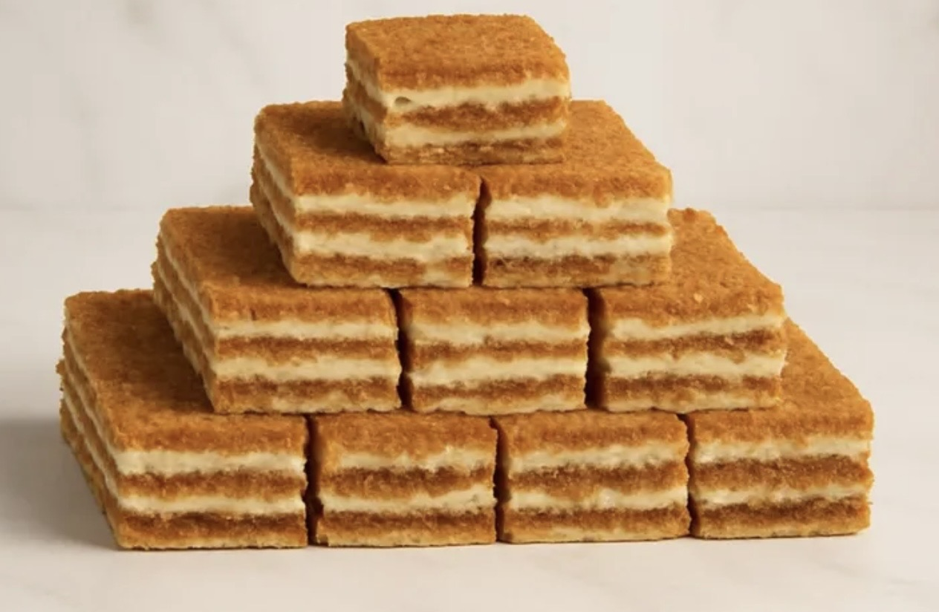
image here

ALLERGEN AND OTHER INGREDIENTS INFORMATION
PREPARATION | CEREALS |  | NUTS |  | PEANUTS |  | MILK |  | EGG |  |  | SOY |  | LUPIN |  |  | SESAME |  | MUSTARD |  | CRUSTACEANS |  |  | MOLLUSKS |  | FISH |  | SULPHITE |  | CELERY
P: Presence T: Traces | P | T | P | T | P | T | P | T | P | T |  | P | T | P | T |  | P | T | P | T | P |  | T | P | T | P | T | P | T | P | T
 | P |  | P |  |  |  | P |  |  |  |  |  | T
VEGAN PRODUCT |  |  |  |  |  |  |  | CONTAINS ALCOHOL |  |  |  |  |  |  |  |  |  |  |  |  |  | YES
LABEL INFORMATION: Unpackaged bulk product. Information label not required. Mandatory to inform about allergenic ingredients.
LIST OF INGREDIENTS:
EXPIRATION DATE: • Showcase: Two days in a shop window at 3-4 degrees Celsius. • Frezeer: One month in freezer at - 20 degrees.

STANDER RECIPE MADRID CHEESECA
 | BUTTER BAKERY & KSA
 | RECIPE
 | Reference : STANDER RECIPE |  |  |  |  |  |  |  |  |  |  |  |  |  |  | Last revision date: 23/5/2026
CATEGORY : PASTRY |  |  |  | PRODUCT: |  |  |  |  |  |  | MADRID CHEESECA
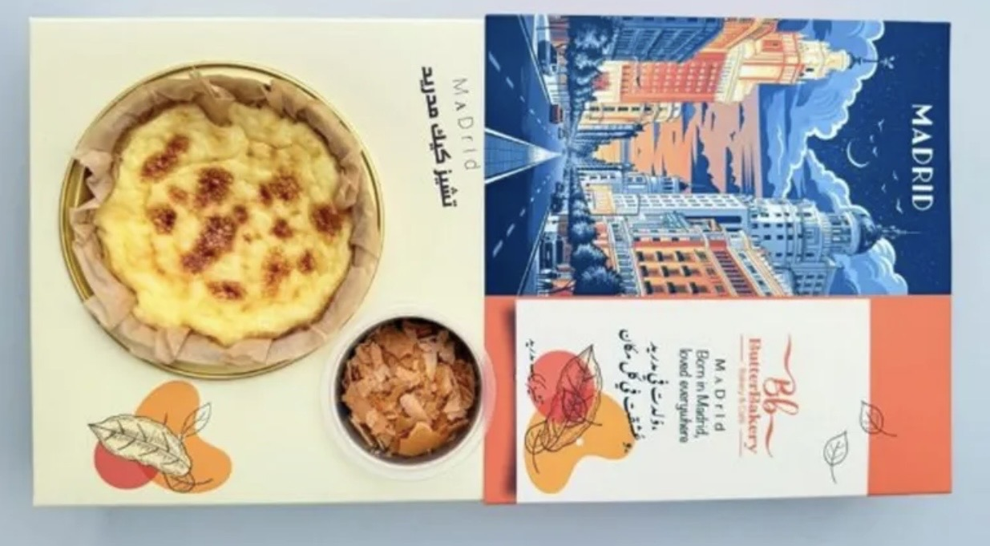
image here

ALLERGEN AND OTHER INGREDIENTS INFORMATION
PREPARATION | CEREALS |  | NUTS |  | PEANUTS |  | MILK |  | EGG |  |  | SOY |  | LUPIN |  |  | SESAME |  | MUSTARD |  | CRUSTACEANS |  |  | MOLLUSKS |  | FISH |  | SULPHITE |  | CELERY
P: Presence T: Traces | P | T | P | T | P | T | P | T | P | T |  | P | T | P | T |  | P | T | P | T | P |  | T | P | T | P | T | P | T | P | T
 | P |  | P |  |  |  | P |  |  |  |  |  | T
VEGAN PRODUCT |  |  |  |  |  |  |  | CONTAINS ALCOHOL |  |  |  |  |  |  |  |  |  |  |  |  |  | YES
LABEL INFORMATION: Unpackaged bulk product. Information label not required. Mandatory to inform about allergenic ingredients.
LIST OF INGREDIENTS:
EXPIRATION DATE: • Showcase: Two days in a shop window at 3-4 degrees Celsius. • Frezeer: One month in freezer at - 20 degrees.

STANDER RECIPE CHOCLATE MATILDA
 | BUTTER BAKERY & KSA
 | RECIPE
 | Reference : STANDER RECIPE |  |  |  |  |  |  |  |  |  |  |  |  |  |  | Last revision date: 23/5/2026
CATEGORY : PASTRY |  |  |  | PRODUCT: |  |  |  |  |  |  | CHOCLATE MATILDA
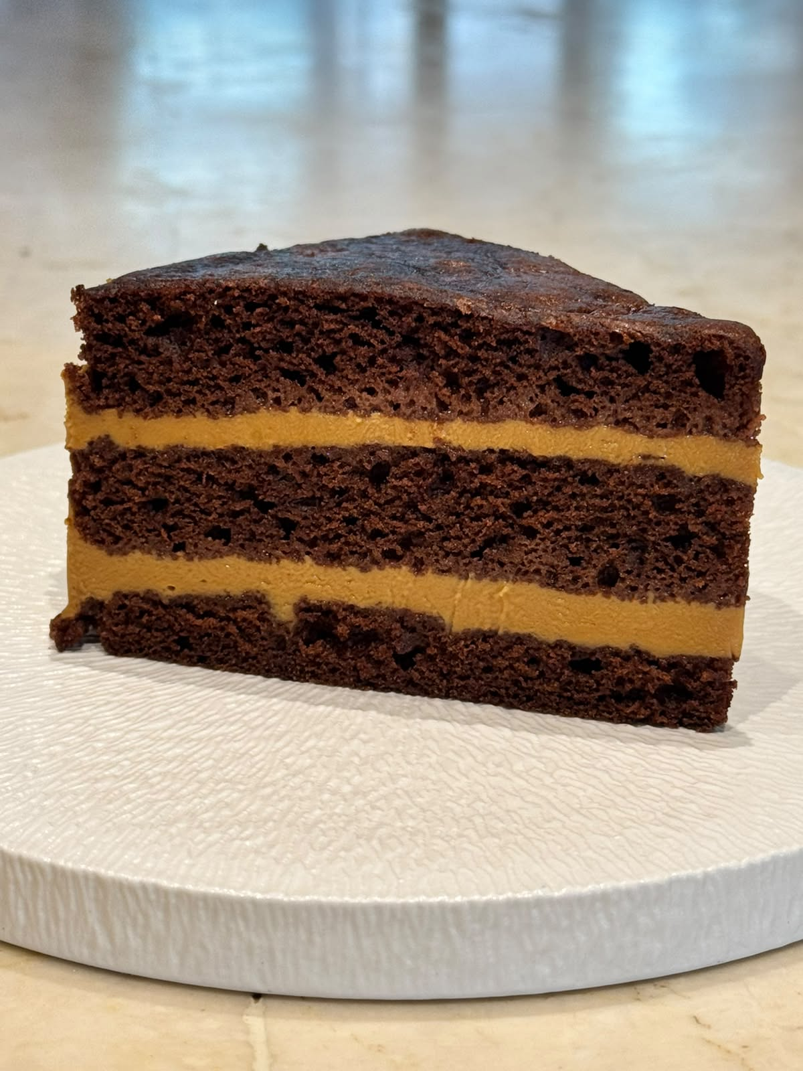
image here
image here`
 |  |  |  |  |  |  |  |  |  |  |  |  |  |  |  |  |  | 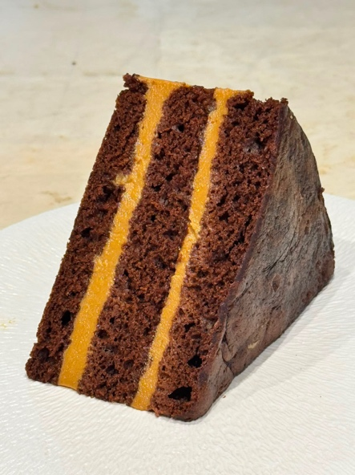

ALLERGEN AND OTHER INGREDIENTS INFORMATION
PREPARATION | CEREALS |  | NUTS |  | PEANUTS |  | MILK |  | EGG |  |  | SOY |  | LUPIN |  |  | SESAME |  | MUSTARD |  | CRUSTACEANS |  |  | MOLLUSKS |  | FISH |  | SULPHITE |  | CELERY
P: Presence T: Traces | P | T | P | T | P | T | P | T | P | T |  | P | T | P | T |  | P | T | P | T | P |  | T | P | T | P | T | P | T | P | T
 | P |  | P |  |  |  | P |  |  |  |  |  | T
VEGAN PRODUCT |  |  |  |  |  |  |  | CONTAINS ALCOHOL |  |  |  |  |  |  |  |  |  |  |  |  |  | YES
LABEL INFORMATION: Unpackaged bulk product. Information label not required. Mandatory to inform about allergenic ingredients.
LIST OF INGREDIENTS:
EXPIRATION DATE: • Showcase: Two days in a shop window at 3-4 degrees Celsius. • Frezeer: One month in freezer at - 20 degrees.

STANDER RECIPE Madeline biscuit
 | BUTTER BAKERY & KSA
 | RECIPE
 | Reference : STANDER RECIPE |  |  |  |  |  |  |  |  |  |  |  |  |  |  | Last revision date: 1/8/2026
CATEGORY : PASTRY |  |  |  | PRODUCT: |  |  |  |  |  |  | Madeline biscuit
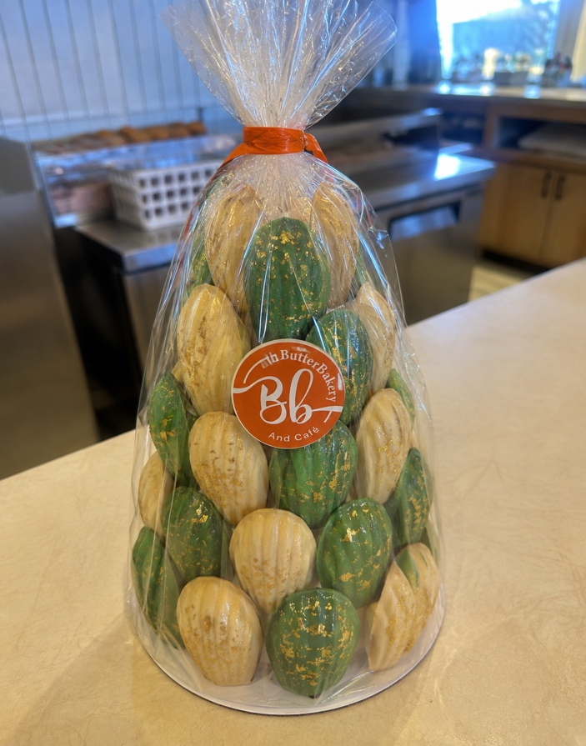
image here

ALLERGEN AND OTHER INGREDIENTS INFORMATION
PREPARATION | CEREALS |  | NUTS |  | PEANUTS |  | MILK |  | EGG |  |  | SOY |  | LUPIN |  |  | SESAME |  | MUSTARD |  | CRUSTACEANS |  |  | MOLLUSKS |  | FISH |  | SULPHITE |  | CELERY
P: Presence T: Traces | P | T | P | T | P | T | P | T | P | T |  | P | T | P | T |  | P | T | P | T | P |  | T | P | T | P | T | P | T | P | T
 | P |  | P |  |  |  | P |  |  |  |  |  | T
VEGAN PRODUCT |  |  |  |  |  |  |  | CONTAINS ALCOHOL |  |  |  |  |  |  |  |  |  |  |  |  |  | YES
LABEL INFORMATION: Unpackaged bulk product. Information label not required. Mandatory to inform about allergenic ingredients.
LIST OF INGREDIENTS: Madeline 40 pcs , Cake Base 1pcs , Plastic roll , Pyramid foam 30 s ,Orange ribbon ,Logo
EXPIRATION DATE: • Showcase: Two days in a shop window at 3-4 degrees Celsius. • Frezeer: One month in freezer at - 20 degrees.

STANDER RECIPE National DayCake
 | BUTTER BAKERY & KSA
 | RECIPE
 | Reference : STANDER RECIPE |  |  |  |  |  |  |  |  |  |  |  |  |  |  | Last revision date: 8/9/2026
CATEGORY : PASTRY |  |  |  | PRODUCT: |  |  |  |  |  |  | National Day Cake
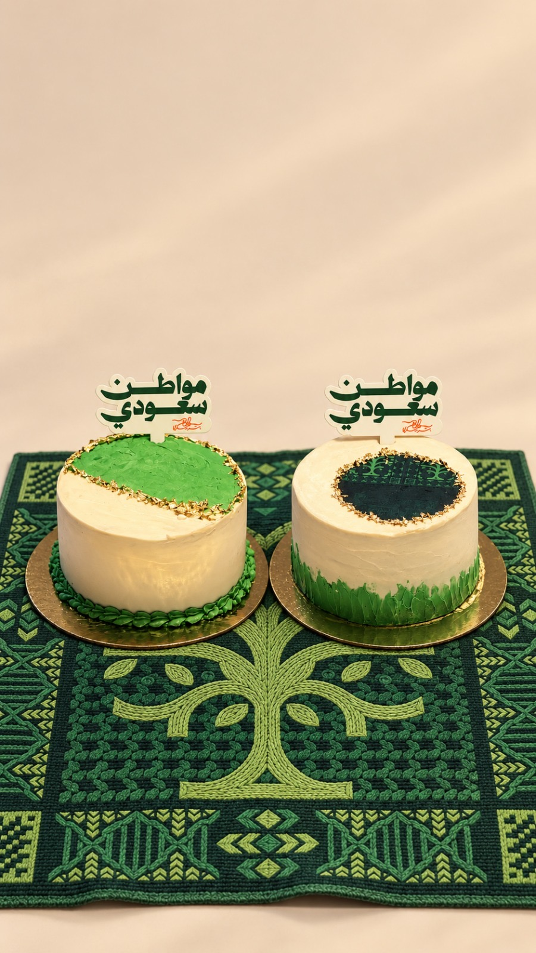
image here

ALLERGEN AND OTHER INGREDIENTS INFORMATION
PREPARATION | CEREALS |  | NUTS |  | PEANUTS |  | MILK |  | EGG |  |  | SOY |  | LUPIN |  |  | SESAME |  | MUSTARD |  | CRUSTACEANS |  |  | MOLLUSKS |  | FISH |  | SULPHITE |  | CELERY
P: Presence T: Traces | P | T | P | T | P | T | P | T | P | T |  | P | T | P | T |  | P | T | P | T | P |  | T | P | T | P | T | P | T | P | T
 | P |  | P |  |  |  | P |  |  |  |  |  | T
VEGAN PRODUCT |  |  |  |  |  |  |  | CONTAINS ALCOHOL |  |  |  |  |  |  |  |  |  |  |  |  |  | YES
LABEL INFORMATION: Unpackaged bulk product. Information label not required. Mandatory to inform about allergenic ingredients.
LIST OF INGREDIENTS: Cake 1 pcs Mousse 600gr , Sponge 500gr , Ganache 200 gr, Gold foil paper 2gr, printed image 1pcs ,Saudi National Day Embroidery 1pcs , Cake Base 1pcs
EXPIRATION DATE: • Showcase: Two days in a shop window at 3-4 degrees Celsius. • Frezeer: One month in freezer at - 20 degrees.

