1. Title Page
Grocery Basket Analysis

Project Name: Instacart Grocery Basket Analysis
Date: 2021-10-27
Analyst Name: Yoana Boneva

Contents:
Population Flow
Consistency checks
Wrangling steps
Column derivations
Visualizations
Recommendations

Objective:
Instacart is an online grocery store that operates through an app. It already has very good sales, however we want to uncover more information about our sales patterns by performing an initial data and exploratory analysis of some of our data points. The main goal is to derive insights and suggest strategies for better segmentation based on the provided criteria.

Context:
The Instacart stakeholders are most interested in the variety of customers in their database along with their purchasing behaviors. They assume they can't target everyone using the same methods, and they’re considering a targeted marketing strategy. They want to target different customers with applicable marketing campaigns to see whether they have an effect on the sale of their products. My analysis will inform what this strategy might look like to ensure Instacart targets the right customer profiles with the appropriate products.

Instacart Datasets:
The Instacart Online Grocery Shopping Dataset 2017, Accessed from https://www.instacart.com/datasets/grocery-shopping-2017 on 2021-10-15.
Note: Instacart is a real company that’s made their data available online. However, the contents of this project brief have been fabricated for the purpose of this Achievement.

2. Population Flow
Title page

Population flow

Exclusion flag
Condition: max_order < 5
Obervations to be removed: 1440295
Final total count of order_products_all: 30964564

Orders_products_combined
Orders_products_merged
Orders_products_all

Total: 32434489
Total: 32404859
Total: 32404859

1.) The grey boxes in the first row of the population flow represent the original data sets as they were when you downloaded them. In the Total fields you need to add the count of the rows when you imported the data set into Jupyter.
2.) The second row of boxes (coloured) represents the data sets after you manipulated them, e.g., removed missing values and duplicates. In the Total fields you need to add the count of the rows after conducting these operations. This offers a visual oveview of how the data flows throughout the data consistency checks.
3.) The third row, where also the arrows are coloured, represents the merges you performed between the datasets. In the Total fields you need to add the count of the rows in the merged datasets, so that you end up with the final dataset (in the red box). Keep in mind the final dataset should be without exclusions (based on the exclusion flag).

3. Consistency checks
 |  |  |  | Title page
Consistency checks

Dataset | Missing values | Missing values treatment | Duplicates
orders | 206209 in the days_since_prior_order | Created a first_order flag assuming the missing values were caused by customers having only 1 order | -
products | 16 (product name column) | dropped | 5
orders_products_prior | - | - | -
customers | - | - | -

4. Wrangling steps
 |  |  |  |  | Title page
Wrangling steps

Dataset | Columns dropped | Columns renamed | Columns' type changed | Comment/Reason
orders |  | order_dow > orders_day_of_week |  | to bring more clarity what the column is about
orders |  |  | order_id > string | it is an identifier not, not for any math reasons
orders |  |  | user_id > string | it is an identifier not, not for any math reasons
orders | eval_set |  |  | not relevant
customers |  | First Name > first_name |  | bringing consistancy in the formatting of the whole dataset
customers |  | Surnam > last_name |  | bringing consistancy in the formatting of the whole dataset
customers |  | Gender > gender |  | bringing consistancy in the formatting of the whole dataset
customers |  | STATE > state |  | bringing consistancy in the formatting of the whole dataset
customers |  | Age > age |  | bringing consistancy in the formatting of the whole dataset
customers |  | n_dependants > number_dependants |  | to bring more clarity what the column is about
customers |  | fam_status > family_status |  | to bring more clarity what the column is about
customers |  | income > yearly_income |  | to bring more clarity what the column is about (could be monthly)
final dataset | first_name |  |  | dropping the personal data columns to be PII compliant
final dataset | last_name |  |  | dropping the personal data columns to be PII compliant

5. Column derivations
 |  |  |  | Title page

Column derivations and aggregations

In this tab you should add tables below that the frequences of flags/label variables that you produced after deriving them. NB: don't do this for continuous variables, only for flags.
Dataset | New column | Column/s it was derived from | Conditions
orders_products_merged | price_range_loc | prices | high-range product = prices > 15; mid-range product = prices <= 15 and prices > 5; low-range product = prices <=5
orders_products_merged | busiest_day | orders_day_of_week | Saturday = Busiest day, Tuesday = Least busy day , Regularly busy days: all other days
orders_products_merged | busiest_day_updated | orders_day_of_week | Saturday+ Sunday = Busiest day > Tuesday+ Wednesday = Least busy day > Regularly busy days: all other days
orders_products_merged | loyalty_flag | max_order | Counts the max number of orders per user_id
orders_products_merged | busiest_period_of_day | order_hour_of_day | Most orders (9,h10h,13h), Average orders (13,h15h,12h), Fewest orders: all the rest of the hours
orders_products_merged | average_price | spent_flag | High Spender = average price >= 10; Low Spender = average price < 10
ords_prods_merge | loyalty_flag | max_order | Loyal customer = max_order > 40, Regular customer = max_oder <= 40 and max order > 10, New customer = max_order <= 10
ords_prods_merge | regularity | days_since_prior_order | Non frequent customer (regularity>20), Regular customer (regularity <= 20)
final_dataset | regions | state | Listed after the regions here https://simple.wikipedia.org/wiki/List_of_regions_of_the_United_States
final_dataset | age_profile | age | 18-20 1500537 21-30 5001697 31-40 4995500 41-50 5019211 51-60 4984866 61-70 4928259 71-80 4997951 80+ 501958
final_dataset | income_profile | yearly_income | 025000-050000 050000-075000 075000-100000 100000-125000 125000-150000 150000+
final_dataset | parental_status | number_dependents | parent (# of dependants >= 1)/ not a parent (# of dependants = 0)
final_dataset | weekday | orders_day_of_week | 0- Sa, 1- Su, 2- Mo, 3- Tu, 4- We, 5- Th, 6- Fr
final_dataset | ordertime | order_hour_of_day | 0,1,2,3,4,5: "night" 6,7,8,9,10,11: "morning" 12,13,14,15,16,17: "afternoon" 18,19,20,21,22,23: "evening" "unknown" if no time is available
final_dataset | department_name | department_id | ['department_id'] == 1, 'department_name'] = 'frozen' ['department_id'] == 2, 'department_name'] = 'other' ['department_id'] == 3, 'department_name'] = 'bakery' ['department_id'] == 4, 'department_name'] = 'produce' ['department_id'] == 5, 'department_name'] = 'alcohol' ['department_id'] == 6, 'department_name'] = 'international' ['department_id'] == 7, 'department_name'] = 'beverages' ['department_id'] == 8, 'department_name'] = 'pets' ['department_id'] == 9, 'department_name'] = 'dry goods pasta' ['department_id'] == 10, 'department_name'] = 'bulk' ['department_id'] == 11, 'department_name'] = 'personal care' ['department_id'] == 12, 'department_name'] = 'meat seafood' ['department_id'] == 13, 'department_name'] = 'pantry' ['department_id'] == 14, 'department_name'] = 'breakfast' ['department_id'] == 15, 'department_name'] = 'canned goods' ['department_id'] == 16, 'department_name'] = 'dairy eggs' ['department_id'] == 17, 'department_name'] = 'households' ['department_id'] == 18, 'department_name'] = 'babies' ['department_id'] == 19, 'department_name'] = 'snacks' ['department_id'] == 20, 'department_name'] = 'deli' ['department_id'] == 21, 'department_name'] = 'missing'
final_dataset | customer_activity | max_order | max_order >= 5: High activity customer, max_order < 5: Low activity customer

6. Visualizations
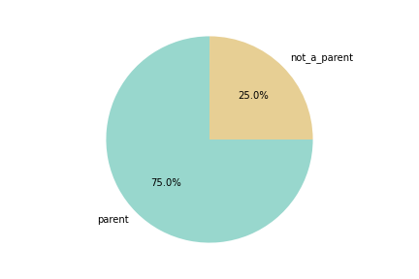
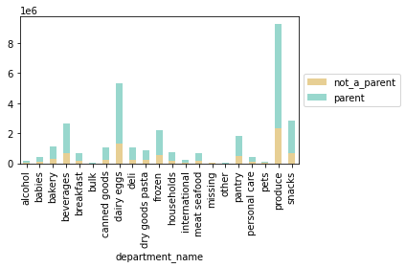
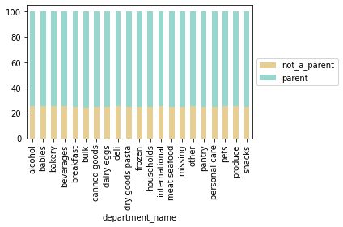
 |  |  |  |  |  | Title page

Visualisations

In this tab you should include all the visualtions from Exercises 4.9 and 4.10, alongside the questions from the project brief that they answer. Include any commentary on the relationship between different variables.

Question
Key Question 1 | What are the busiest days of the week and hours of the day (i.e., the days and times with the most orders) in order to schedule ads at times)? when there are fewer orders)
Key Question 2 | Are there particular times of the day when people spend the most money?
Key Question 3 | Marketing and sales want to use simpler price range groupings.
Key Question 4 | Are there certain types of products that are more popular than others? (Which departments s have the highest frequency of product orders?)
Key Question 5 | The marketing and sales teams are particularly interested in the different types of customers in their system and how their ordering behaviors differ:
5a | What's the distribution among users in regards to their brand loyalty?
5b | Are there differences in ordering habits based on a customer’s loyalty status?
5c | Are there differences in ordering habits based on a customer’s region?
5d | Is there a connection between age and family status in terms of ordering habits?
5e | What different classifications does the demographic information suggest? Age? Income? Certain types of goods? Family status?
5f | What differences can you find in ordering habits of different customer profiles?

Question: |  |  | Answer: |  | Recommendation:

Key Question 1 | What are the busiest days of the week and hours of the day (i.e., the days and times with the most orders) in order to schedule ads at times)? when there are fewer orders)
 | Legend: 0 = Saturday, 1 = Sunday, 2 = Monday, 3 = Tuesday, 4 = Wednesday, 5 = Thursday, 6 = Friday

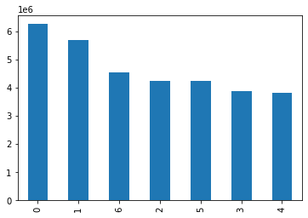

 |  | >>> | Saturday and Sunday are the most busy weekdays. Tuesday and Wednesday are the least busy ones. | >>> | Have good staff coverage on Saturday and Sunday.
 |  |  |  |  | Use the staff's time on the less busy days for stocking the shelves.
 |  |  |  |  | Have enough goods on the shelves on those days. After all no inventory- no sales.

Key Question 2 | Are there particular times of the day when people spend the most money?


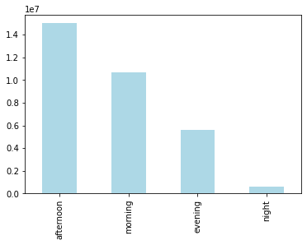

 |  | >>> | Afternoon and morning (between 10 and 18h) are the most busy times of days. Evening and night are the least busy ones. | >>> | Have good staff coverage during those hours.
 |  |  |  |  | Use the staff's time on the less busy days for stocking the shelves.
 |  |  |  |  | Have enough goods on the shelves on those days. After all no inventory- no sales.

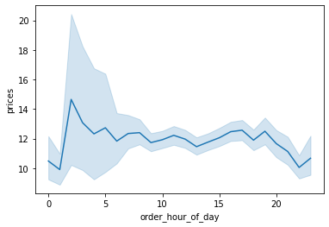

 |  | >>> | However, the average order price during the night hours around 2am is much higher than the rest of the times. |  | Push adds for more expensive goods in the late hours.

Key Question 3 | Marketing and sales want to use simpler price range groupings.

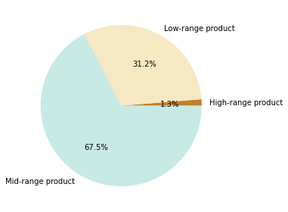
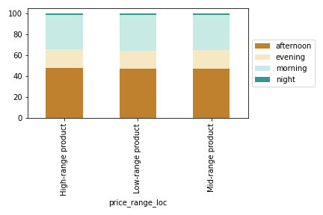

 |  | >>> | 3 price_range categories were made: low range product, mid range and high range product.We can see that the mid range products are the most trendy across customers- more specidically across customers from all the income categories we have as well. We can see that in regards to purchase times during the day- there is no big difference in the behaviour of customers picking the range of products. However, comparing income categories- it seems like the lowest income category prefers slightly less mid range products and more low range products than the rest of the salary categories. | >>> | Push more notification adds / offer more discounts for the high range priced products- during the days customers are less active (Mo, Tu, We, Th)- give them inspiration for their next shopping round on Sa and Su or simply bring them to the app during an irregular for them time.

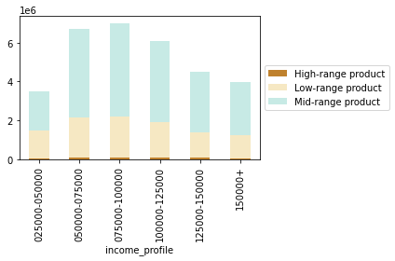
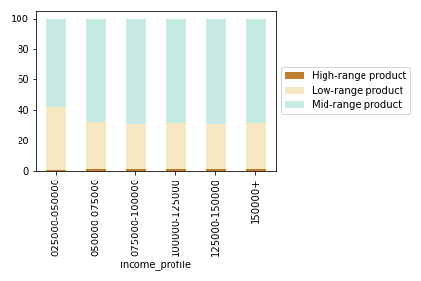

Key Question 4 | Are there certain types of products that are more popular than others? (Which departments s have the highest frequency of product orders?)
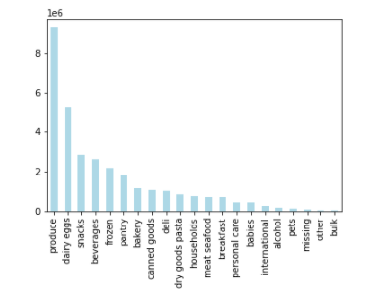

 |  | >>> | The most purchased categories- produce, diary eggs, snacks. The least ones- international, pets, alcohol. | >>> | Does it make sense to invest in inventory that does not cell? Look into the products that sell the least and decide whether to keep them or not. If keep them decision is made- push more adds around them, do more discount campaigns- make the customers aware that those goods are available.

5a | What's the distribution among users in regards to their brand loyalty?

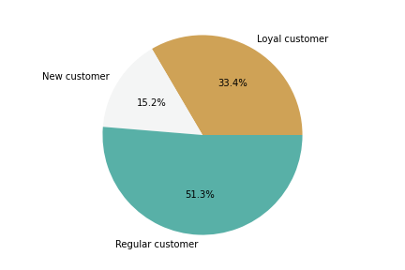

 |  | >>> | We have a majority of regular and local customers which speaks good for the business. | >>> | Reward the loyal customers, push the regular once to become loyal too & retain the new ones through different loyalty campaign, collection of membership point, etc.
 |  |  |  |  | More campaigns to attract new customers.

5b | Are there differences in ordering habits based on a customer’s loyalty status?

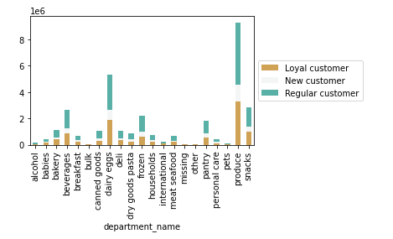
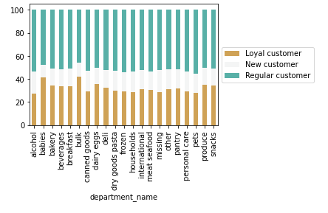

 |  | >>> | No significant differences based on loyality and type of goods that customers prefer. Slightly higher preference of babies and bulk for the loyal customers categories and more preference of the regular customers for the pets department. Also- loyal customers seem to buy the least alcohol.

5c | Are there differences in ordering habits based on a customer’s region?

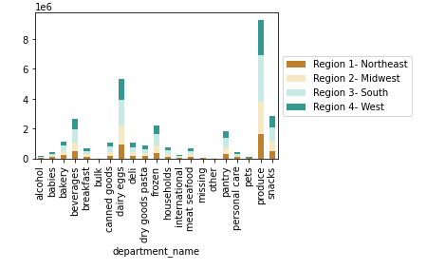
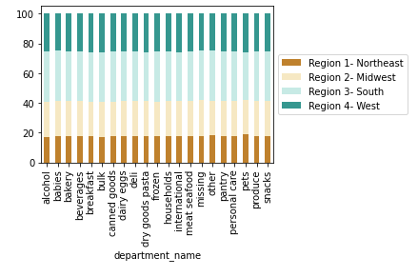

 |  | >>> | No significant differences based on regions and type of goods that customers prefer. | >>> | This is good since instead of doing local tailor made campaigns, you could use 1 size fit all due to the similar preferences in the regions.

5d | Is there a connection between age and family status in terms of ordering habits?

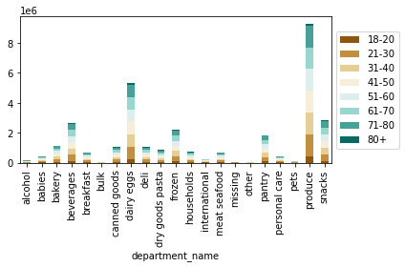
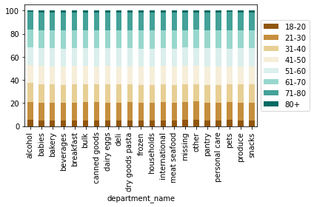

 |  | >>> | No significant differences based on age groups and type of goods that customers prefer. | >>> | This is good since instead of doing local tailor made campaigns, you could use 1 size fit all due to the similar preferences in the age groups.

5e | What different classifications does the demographic information suggest? Age? Income? Certain types of goods? Family status?

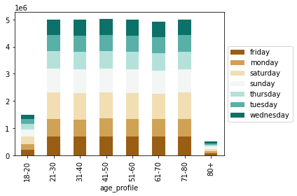
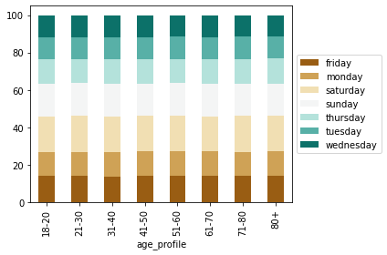

 |  | >>> | No significant differences based on age groups and shopping day of the week.

 |  | >>> | No significant differences based on age groups and departments preferred.

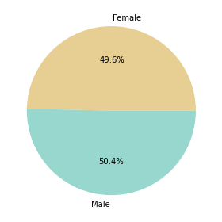

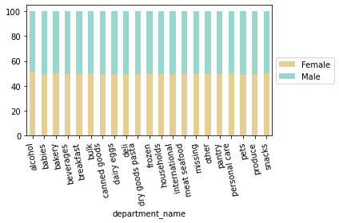

 |  | >>> | We have almost the same number of male and female customers. | >>> | Target equally both male and female audience- they are almost the same number.

5f | What differences can you find in ordering habits of different customer profiles?

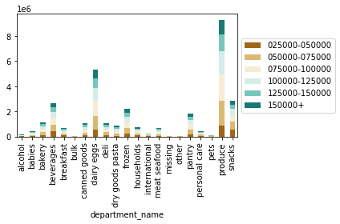
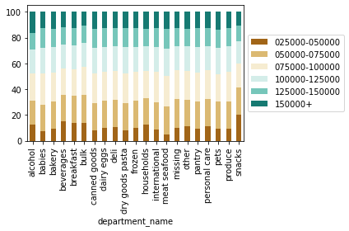

 |  | >>> | Lowest income category has very few purchases in babies and meat, seafood. No big difference in preferences for the other salary groups. | >>> | Target more of those 2 categories in the higher salary ranges.

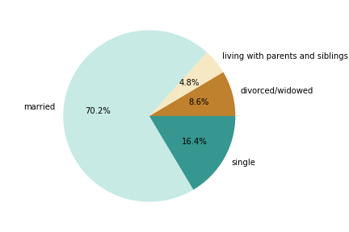

 |  | >>> | The majority of our customers are married. However no big difference in purchase preferences based on this. | >>> | Offer more family friendly packages/ campaignes. For ex. bbq meat with soft drinks/ beers in the hot summer days.

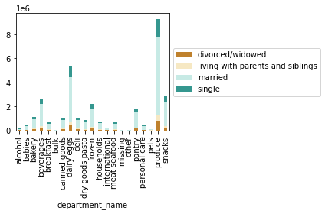
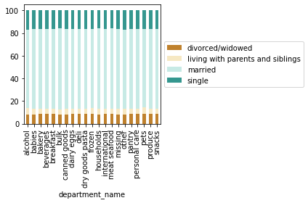

 |  | >>> | We have more parents than non parents. | >>> | Offer bigger variety of family oriented goods- together with discounts on days with less bookings to attract the customers in the shop. Once they are on the app, they will spend more than they intended.

7. Recommendations
 |  | Title page

Recommendations

In this tab you should include any recommendations you would made to Instcart in terms of their marketing strategy based on the questions posed in the brief. Every key question has been covered in the Tasks of the Exercises - here you need to add an item - a visualisation or table/crosstable that is showing the answer in the data, acompanied by a comment from you. Please, list the questions below and add the answer underneath.

Question | Answer
Key Question 1 | Please see tab 6. Visualisations (Column I)
Key Question 2 | Please see tab 6. Visualisations (Column I)
Key Question 3 | Please see tab 6. Visualisations (Column I)
Key Question 4 | Please see tab 6. Visualisations (Column I)
Key Question 5 | Please see tab 6. Visualisations (Column I)
Key Question 6 | Please see tab 6. Visualisations (Column I)
Key Question 7 | Please see tab 6. Visualisations (Column I)

