Sheet1
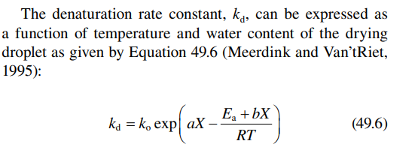
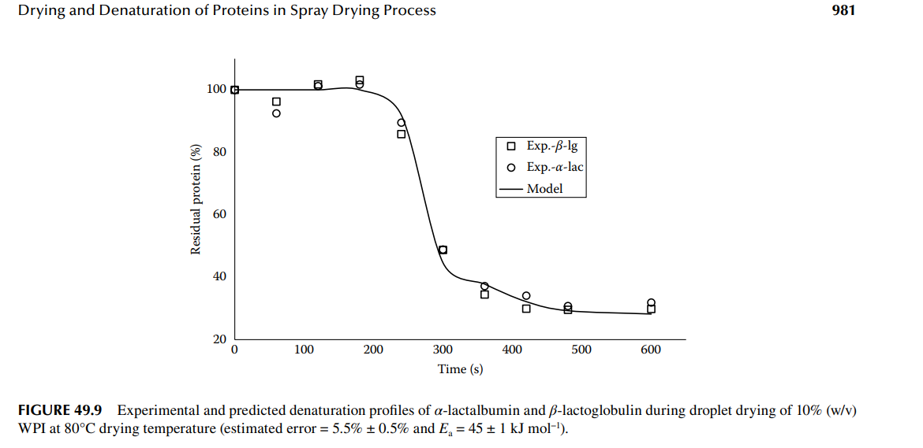

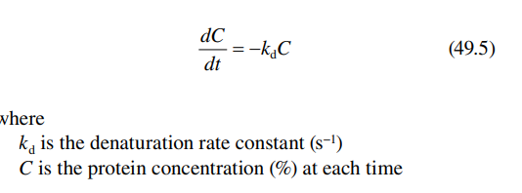

 |  | R = 8.314462618153 # kJ/mol = m3⋅Pa⋅K−1⋅mol−1 = kg⋅m2⋅s−2⋅K−1⋅mol−1 SI units |  | k0
 |  | a = -0.01 # a, b, k0, and Ea are measured by DSC semi-solid
 |  | b = 0.1
 |  | k0 = 0.01
 |  | Ea = 45 # kJ/mol

 |  | R | 8.3145
 |  | a | 0.01
 |  | b | 300
 |  | k0 | 1.00E+06
 |  | Ea | 55000 |  | 18.739234523 | Ea/RT | 19.864714074
 |  |  |  | X | 0.05 | X | 1 |  |  | 1
 |  |  |  | T | 80 | T | 60 |  |  | 80
dt | 5 |  | t | Dc/dt | C | Dc/dt | C | aX | (Ea+b*x)/RT | C | aX | (Ea+b*x)/RT
 |  |  | 0 | 0.7238547856 | 100.0 | 0.21387013039 | 100.0 | 0.01 | 2.1174208703E-09 | 100.0 | 0.01 | 6.5654254257E-09
 |  |  | 5 | 0.7238547856 | 96.4 | 0.21387013039 | 98.9
 |  |  | 10 | 0.69765649807 | 92.9 | 0.21158310875 | 97.9
 |  |  | 15 | 0.67240639833 | 89.5 | 0.2093205434 | 96.8
 |  |  | 20 | 0.64807016886 | 86.3 | 0.2070821728 | 95.8
 |  |  | 25 | 0.62461473421 | 83.2 | 0.20486773824 | 94.8
 |  |  | 30 | 0.60200821598 | 80.2 | 0.20267698375 | 93.8
 |  |  | 35 | 0.58021988958 | 77.3 | 0.2005096561 | 92.8
 |  |  | 40 | 0.55922014239 | 74.5 | 0.19836550478 | 91.8
 |  |  | 45 | 0.53898043357 | 71.8 | 0.19624428197 | 90.8
 |  |  | 50 | 0.51947325526 | 69.2 | 0.19414574246 | 89.8
 |  |  | 55 | 0.50067209517 | 66.7 | 0.19206964369 | 88.8
 |  |  | 60 | 0.48255140057 | 64.3 | 0.19001574571 | 87.9
 |  |  | 65 | 0.46508654354 | 61.9 | 0.18798381109 | 87.0
 |  |  | 70 | 0.44825378753 | 59.7 | 0.18597360498 | 86.0
 |  |  | 75 | 0.43203025506 | 57.5 | 0.18398489502 | 85.1
 |  |  | 80 | 0.41639389668 | 55.4 | 0.18201745135 | 84.2
 |  |  | 85 | 0.40132346094 | 53.4 | 0.18007104655 | 83.3
 |  |  | 90 | 0.38679846555 | 51.5 | 0.17814545564 | 82.4
 |  |  | 95 | 0.37279916953 | 49.6 | 0.17624045605 | 81.5
 |  |  | 100 | 0.35930654639 | 47.8 | 0.17435582758 | 80.7
 |  |  | 105 | 0.34630225823 | 46.1 | 0.1724913524 | 79.8
 |  |  | 110 | 0.33376863089 | 44.4 | 0.170646815 | 78.9
 |  |  | 115 | 0.32168862985 | 42.8 | 0.16882200217 | 78.1
 |  |  | 120 | 0.31004583714 | 41.3 | 0.16701670299 | 77.3
 |  |  | 125 | 0.29882442899 | 39.8 | 0.16523070879 | 76.4
 |  |  | 130 | 0.28800915434 | 38.3 | 0.16346381313 | 75.6
 |  |  | 135 | 0.27758531411 | 37.0 | 0.16171581178 | 74.8
 |  |  | 140 | 0.26753874121 | 35.6 | 0.15998650269 | 74.0
 |  |  | 145 | 0.2578557813 | 34.3 | 0.15827568598 | 73.2
 |  |  | 150 | 0.24852327423 | 33.1 | 0.1565831639 | 72.4
 |  |  | 155 | 0.23952853617 | 31.9 | 0.15490874081 | 71.7
 |  |  | 160 | 0.23085934231 | 30.7 | 0.15325222318 | 70.9
 |  |  | 165 | 0.22250391032 | 29.6 | 0.15161341954 | 70.1
 |  |  | 170 | 0.2144508843 | 28.6 | 0.14999214045 | 69.4
 |  |  | 175 | 0.20668931936 | 27.5 | 0.14838819852 | 68.6
 |  |  | 180 | 0.19920866671 | 26.5 | 0.14680140835 | 67.9
 |  |  | 185 | 0.19199875938 | 25.6 | 0.14523158653 | 67.2
 |  |  | 190 | 0.18504979834 | 24.6 | 0.14367855161 | 66.5
 |  |  | 195 | 0.17835233923 | 23.7 | 0.14214212408 | 65.8
 |  |  | 200 | 0.17189727952 | 22.9 | 0.14062212635 | 65.0
 |  |  | 205 | 0.1656758461 | 22.1 | 0.13911838273 | 64.4
 |  |  | 210 | 0.15967958339 | 21.3 | 0.1376307194 | 63.7
 |  |  | 215 | 0.15390034186 | 20.5 | 0.1361589644 | 63.0
 |  |  | 220 | 0.14833026692 | 19.8 | 0.13470294763 | 62.3
 |  |  | 225 | 0.14296178824 | 19.0 | 0.13326250078 | 61.6
 |  |  | 230 | 0.13778760951 | 18.3 | 0.13183745736 | 61.0
 |  |  | 235 | 0.13280069848 | 17.7 | 0.13042765265 | 60.3
 |  |  | 240 | 0.12799427743 | 17.0 | 0.12903292369 | 59.7
 |  |  | 245 | 0.12336181391 | 16.4 | 0.12765310928 | 59.0
 |  |  | 250 | 0.11889701195 | 15.8 | 0.12628804993 | 58.4
 |  |  | 255 | 0.11459380339 | 15.3 | 0.12493758784 | 57.8
 |  |  | 260 | 0.11044633974 | 14.7 | 0.12360156693 | 57.2
 |  |  | 265 | 0.10644898416 | 14.2 | 0.12227983277 | 56.6
 |  |  | 270 | 0.10259630383 | 13.7 | 0.12097223258 | 56.0
 |  |  | 275 | 0.098883062556 | 13.2 | 0.11967861522 | 55.4
 |  |  | 280 | 0.095304213654 | 12.7 | 0.11839883117 | 54.8
 |  |  | 285 | 0.091854893097 | 12.2 | 0.1171327325 | 54.2
 |  |  | 290 | 0.0885304129 | 11.8 | 0.11588017286 | 53.6
 |  |  | 295 | 0.085326254747 | 11.4 | 0.11464100748 | 53.0
 |  |  | 300 | 0.082238063855 | 10.9 | 0.11341509311 | 52.5
 |  |  | 305 | 0.079261643051 | 10.6 | 0.11220228808 | 51.9
 |  |  | 310 | 0.076392947069 | 10.2 | 0.11100245218 | 51.3
 |  |  | 315 | 0.073628077053 | 9.8 | 0.10981544673 | 50.8
 |  |  | 320 | 0.070963275257 | 9.4 | 0.10864113454 | 50.3
 |  |  | 325 | 0.068394919937 | 9.1 | 0.10747937986 | 49.7
 |  |  | 330 | 0.065919520432 | 8.8 | 0.10633004841 | 49.2
 |  |  | 335 | 0.063533712415 | 8.5 | 0.10519300734 | 48.7
 |  |  | 340 | 0.061234253326 | 8.2 | 0.10406812523 | 48.1
 |  |  | 345 | 0.059018017961 | 7.9 | 0.10295527206 | 47.6
 |  |  | 350 | 0.056881994224 | 7.6 | 0.10185431918 | 47.1
 |  |  | 355 | 0.054823279037 | 7.3 | 0.10076513936 | 46.6
 |  |  | 360 | 0.052839074392 | 7.0 | 0.099687606682 | 46.1
 |  |  | 365 | 0.050926683549 | 6.8 | 0.09862159661 | 45.6
 |  |  | 370 | 0.049083507369 | 6.5 | 0.097566985924 | 45.1
 |  |  | 375 | 0.047307040784 | 6.3 | 0.096523652724 | 44.6
 |  |  | 380 | 0.045594869391 | 6.1 | 0.095491476414 | 44.2
 |  |  | 385 | 0.04394466617 | 5.9 | 0.094470337688 | 43.7
 |  |  | 390 | 0.042354188325 | 5.6 | 0.093460118516 | 43.2
 |  |  | 395 | 0.040821274229 | 5.4 | 0.09246070213 | 42.8

