Browser Dropdown boxes
 |  |  |  |  |  | 1990 | Coastal inundation | VAR
 |  |  |  |  |  | 2000 | Riverine Flooding | Failure Probability
1 |  |  |  |  |  | 2010 | Soil Movement | TIP
 | What is the asset's | in the year |  |  |  | 2020 | Extreme Heat

2 |  |  |  |  |  | 2030 | Extreme Wind | VAR
 | What is the hazard with the highest | in the year | Might have to use CASE WHEN - https://www.w3schools.com/sql/sql_case.asp | https://www.c-sharpcorner.com/UploadFile/rohatash/retrieving-column-names-of-a-table-in-sql-server-2012/ | https://www.geeksforgeeks.org/sql-query-to-get-column-names-from-a-table/ | 2040 | Surfacewater flooding | Failure Probability

3 |  |  |  |  |  | 2050 | Freeze-Thaw
 | In what year was this asset's maximum | reached? |  |  |  | 2060 | Forest Fire
 |  |  |  |  |  | 2070
 |  |  |  |  |  | 2080
 |  |  |  |  |  | 2090
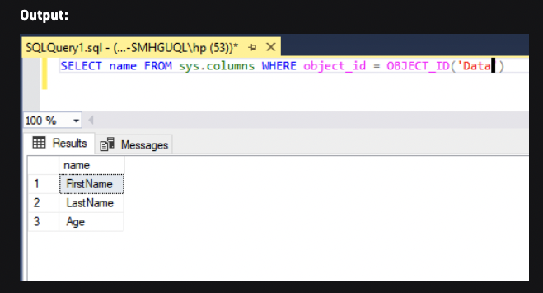
 |  |  |  |  |  | 2100

