Parameter
Parameter settings LDrvSafe winding application

Note: This file supports commissiong of failsafe winding application and does not detect and check every user input for plausibility. The shown trends are just approaches, the real trends can deviate from these results!
speed in dependence of the radius
 | n (setpoint) [rpm] | n (SLS) [rpm] | Deviation n(SLS) / n(setpoint) [%]
0.035 | 272.85 | 272.79 | -0.02
0.040 | 238.74 | 238.51 | -0.09
0.045 | 212.21 | 212.17 | -0.02
0.050 | 190.99 | 190.95 | -0.02
0.055 | 173.63 | 173.46 | -0.09
0.060 | 159.16 | 159.01 | -0.09
0.065 | 146.92 | 146.89 | -0.02
0.070 | 136.42 | 136.39 | -0.02
0.075 | 127.33 | 127.30 | -0.02
0.080 | 119.37 | 119.14 | -0.19
0.085 | 112.35 | 112.15 | -0.18
0.090 | 106.11 | 106.08 | -0.02
0.095 | 100.52 | 100.49 | -0.03
0.100 | 95.50 | 95.36 | -0.14
0.105 | 90.95 | 90.93 | -0.02
0.110 | 86.81 | 86.73 | -0.09
0.115 | 83.04 | 83.00 | -0.05
0.120 | 79.58 | 79.50 | -0.09
0.125 | 76.40 | 76.24 | -0.20
0.130 | 73.46 | 73.44 | -0.02
0.135 | 70.74 | 70.64 | -0.13
0.140 | 68.21 | 68.08 | -0.19
0.145 | 65.86 | 65.75 | -0.17
0.150 | 63.66 | 63.65 | -0.02
0.155 | 61.61 | 61.55 | -0.09
0.160 | 59.68 | 59.45 | -0.39
0.165 | 57.88 | 57.82 | -0.09
0.170 | 56.17 | 55.96 | -0.39
0.175 | 54.57 | 54.56 | -0.02
0.180 | 53.05 | 52.93 | -0.24
0.185 | 51.62 | 51.53 | -0.18
0.190 | 50.26 | 50.13 | -0.27
Web velocity, which should be safely monitored

v (web) | 60 | m/min

Used distance sensors

Sensor S1: | m

minValS1 | 0.06
maxValS1 | 0.3

Sensor S2: | m
minValS2 | 0.1
maxValS2 | 0.35

Important values for input parameters of winding application

 | m |  | Parameter values
maxDistanceS1 | 0.28 |  | 16128
maxDistanceS2 | 0.307 |  | 17683
minRadius | 0.035 |  | 2016
minRadiusHysteresis | 0.03 |  | 1728
maxRadius | 0.19 |  | 10944
tolerance | 0.01 |  | 576

Accuracy and resolution

scalingFactorRadius | 72 |  | 72

Value for SLS limit 1 SINAMICS

n (SLS) |  |  | 272.85 | rpm

Example
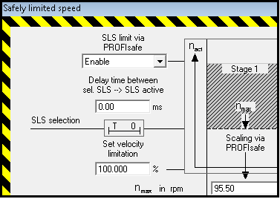
Commissiong example

$$Distance$$
$sensor$2
 | Standard program |  | Commissioning SINAMICS
 | Step 1: Scaling of distance sensor S2 in standard program of SINAMICS

$$Scaled distance sensor 2=\left( ∗\frac{\left( − \right)}{27648}+ − \right)∗\frac{27648}{ − }$$

 | Step 2: Mask scaled distance sensor 2, in dependence of "toggle"

$$Distance$$
$sensor$1
$maskedValue = \frac{}{factor}+offset = \frac{}{2}+2000$
= false
= true

 |  | toggle
$maskedValue = −\left(\frac{}{factor}+offset\right)=−(\frac{}{2}+2000)$

 | Safety program |  | Commissioning SIMATIC Safety
 | Step 3: Evaluation QBAD of PROFIsafe telegram of SINAMICS and value status of analog input module
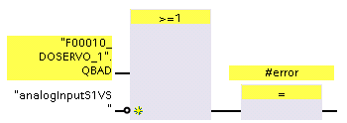

 | Step 4: Unmask scaled distance sensor 2

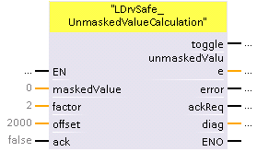

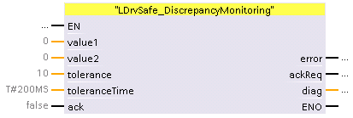
 | Step 5: Compare unmasked scaled distance sensor 2 with scaled distance sensor 2

 | Step 6: Calculate average of scaled distance sensor 2 (optional)
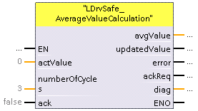

 | Step 7: Calculate average of scaled distance sensor 1 (optional)

 | Step 8: Calculate radius

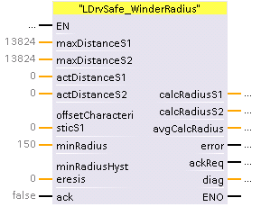

 | Step 9: Discrepancy Monitoring

 | Step 10: Calculate SLS limit
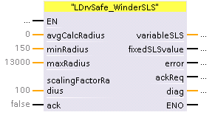

 | Step 11: Transfer SLS limit via PROFIsafe to SINAMICS
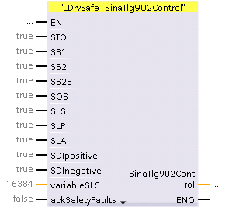

 | Adapt settings for Safety Function SLS |  | Commissiong SINAMICS Safety
 | Step 12: Adapt settings for SLS in "Drive > Functions > Safety Integrated > SLS"

