TECH DETAILS
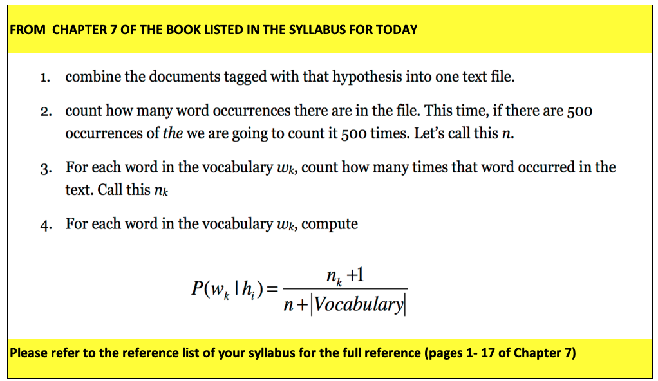
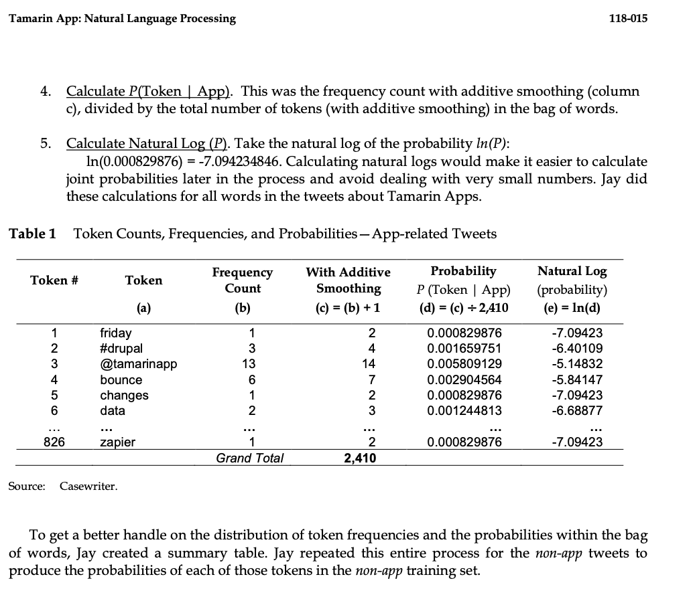
Learning from Big Data
2022
GUI LIBERALI

 | APPROACH 1 (used here)
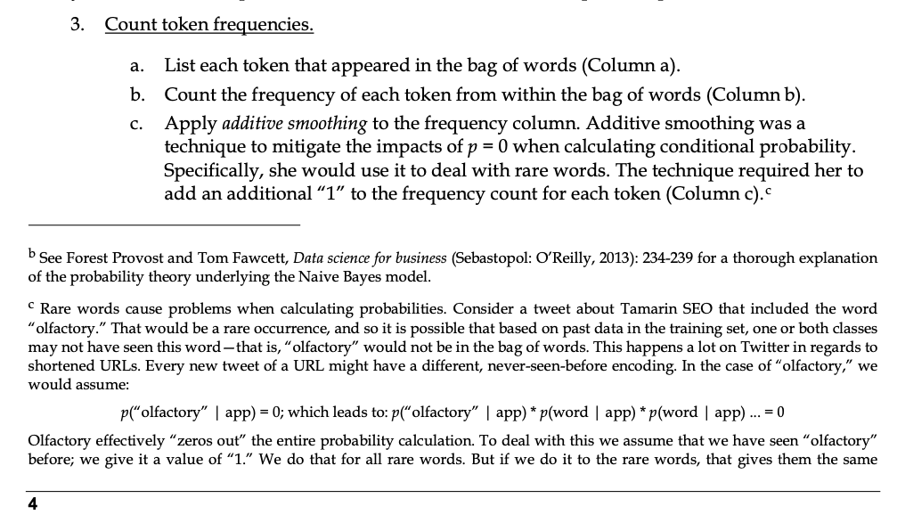

 | Approach 2

