Sheet1
TICKET NO WORK ORDER | NO UNIT BIMAN OR TLD | TYPE EQUIPMANT | TYPE PREVENTIVE MAINTENANCE OR CORRECTIVE MAINTENANCE | DUE DATE PM FOLLOW HOUR METER * NEW UNIT 500 HOUR F-SERVICE* V-SVC 6 MONTHS 500 HOUR-B-SVC 1000 HOUR-C -SVC 2000 HOUR-D-SVC | DATE SERVICE BEFORE | ASSIGNED WORK ENGINEER | STATUS UNIT | BROKEN TYPE PART
W26001 | PBTT224 | PUSH BACK | PM | B-SERVICE | 30/8/2026 | ROHAIZAT | PLAN | SENSOR
 |  |  | CM | C -SERVICE |  |  | IN PROGRESS
 |  |  | DAMAGE ACCIDENT | D-SERVICE |  |  | COMPLETE

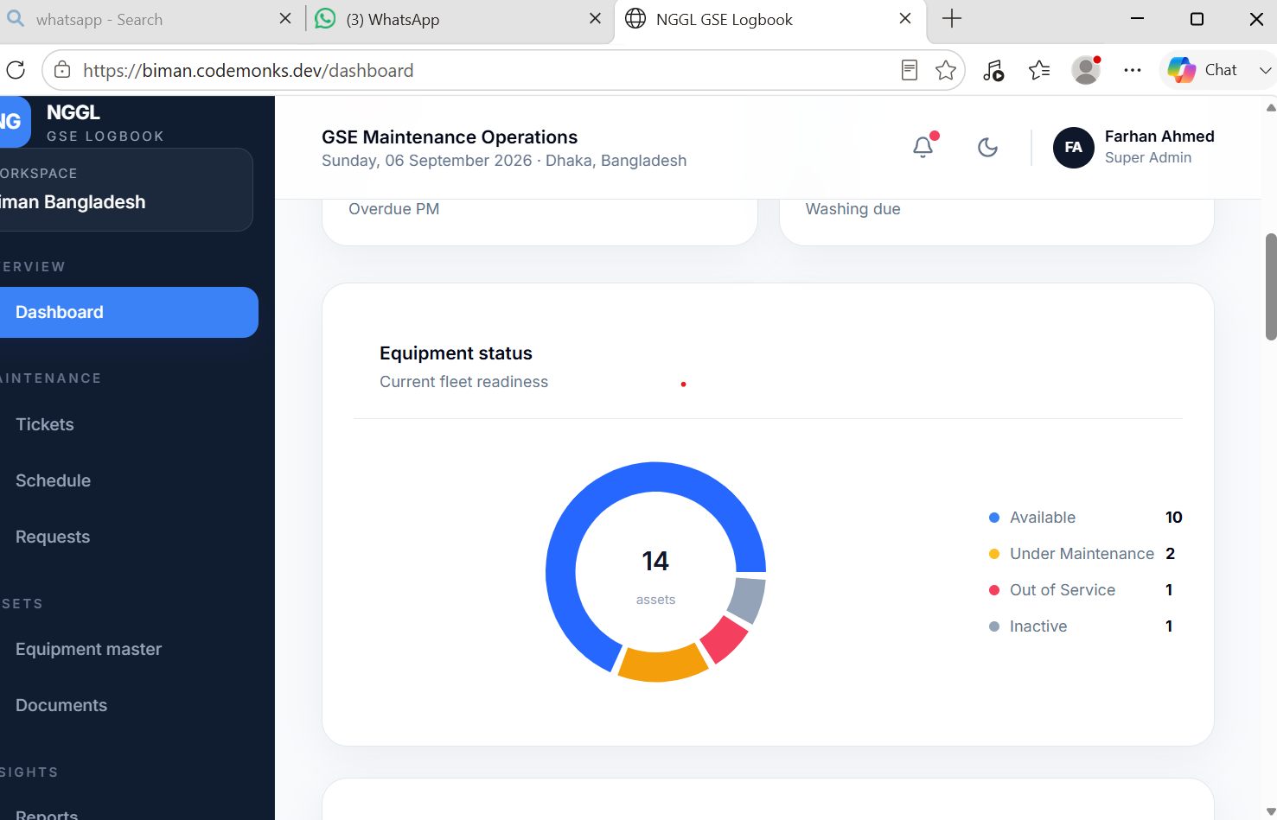
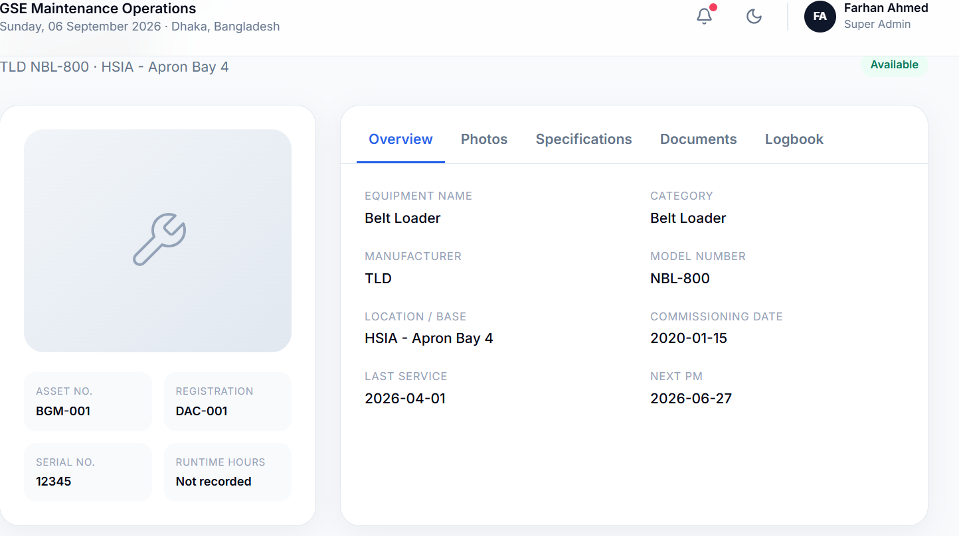

 |  |  |  |  |  |  | NGGL - first Input | Set Automaticcally Notification
 |  |  |  |  |  |  | 500 HOUR-B-SVC | B-SERVICE
 |  |  |  |  |  |  | 1000 HOUR-C -SVC | C -SERVICE
 |  |  |  |  |  |  | 2000 HOUR-D-SVC | D-SERVICE
 |  |  |  |  |  |  | V-SVC - 6 MONTHS | V-SVC - Visual Check
 |  |  |  |  |  |  | Custom | Custom Service | Select date and time

 |  |  |  | engine type |  |  | Running Hour need to show
 |  |  |  |  |  |  | After Input Time Count will start
 | WHEN DID THE DAMAGE OCCUR FROMSTART TO FINISH
 |  |  |  |  |  |  | Automated Ticket will come to manager and he will assisn eng.
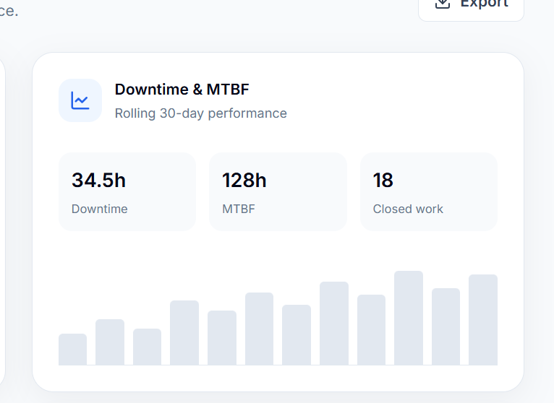

 | how many more unit are still in progress or in the planning stage

