DATA
Year | White | Black | Asian | Hispanic | http://blogs.wsj.com/economics/2015/04/23/families-still-havent-fully-recovered-from-the-recession/
2004 | 7 | 13 | 7 | 10
2005 | 6 | 13 | 6 | 9
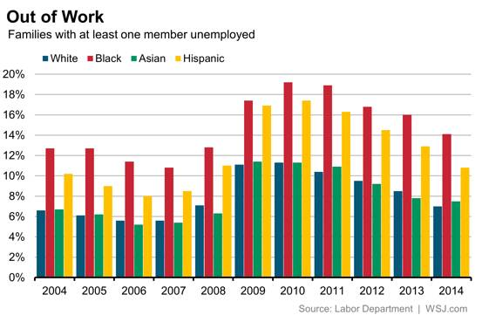
2006 | 5.5 | 11 | 5 | 8
2007 | 5.5 | 10.5 | 5 | 9
2008 | 7 | 13 | 6 | 11
2009 | 11 | 17 | 11.5 | 17
2010 | 11 | 19 | 11.5 | 17
2011 | 10 | 18.5 | 11 | 16
2012 | 9 | 17 | 9 | 14.5
2013 | 8.5 | 16 | 7.5 | 13
2014 | 7 | 14 | 7 | 11

Sheet1
Out of Work Percent of families with at least one member unemployed
 | White | Black | Asian | Hispanic
2004 | 7 | 13 | 7 | 10
2005 | 6 | 13 | 6 | 9
2006 | 5.5 | 11 | 5 | 8
2007 | 5.5 | 10.5 | 5 | 9
2008 | 7 | 13 | 6 | 11
2009 | 11 | 17 | 11.5 | 17
2010 | 11 | 19 | 11.5 | 17
2011 | 10 | 18.5 | 11 | 16
2012 | 9 | 17 | 9 | 14.5
2013 | 8.5 | 16 | 7.5 | 13
2014 | 7 | 14 | 7 | 11

