Sheet3
Ticker Symbol | NAVI
 |  | Income Statement
 |  |  | Historical |  |  | Forecasting
 |  |  | Year 1 | Year 2 | Year 3 | Year 4 | Year 5

 |  | Revenues | $5,015,000,000 | $5,115,000,000 | $4,183,000,000 | $4,768,620,000 | $5,436,226,800
 |  | COGS | $1,844,000,000 | $1,945,000,000 | $1,479,000,000
 |  | Gross Profit | $3,171,000,000 | $3,170,000,000 | $2,704,000,000 | $4,387,130,400 | $4,892,604,120
 |  | SGA | $446,000,000 | $495,000,000 | $545,000,000
 |  | Other operating items | $104,000,000 | $122,000,000 | $137,000,000
 |  | Total operating expenses | $550,000,000 | $617,000,000 | $682,000,000
 |  | Operating Income | $2,621,000,000 | $2,553,000,000 | $2,022,000,000 | $667,606,800 | $761,071,752

 |  | Operating Statistics
 |  |  | Historical |  |  | Assumptions
 |  |  | Year 1 | Year 2 | Year 3 | Year 4 | Year 5
 |  | Revenue Growth (%) |  | 2% | -18% | 14.0% | 14.0%
 |  | Gross margin | 0.63 | 0.62 | 0.65 | 0.92 | 0.9
 |  | Operating margin | 0.37 | 0.38 | 0.35 | 0.14 | 0.14

 |  | Senario | Weak Case

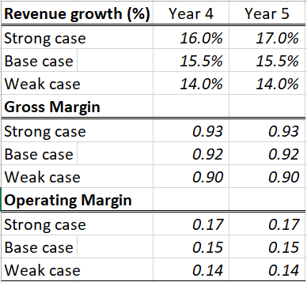
 |  | Operating Senarios - Sensetivity analysis |  |  |  | year 4 | year 5 | Assumptions for the three forecasting statistics
 |  | Revenue growth
 |  | Strong Case | 1 |  |  | 16.0% | 17.0%
 |  | Base Case | 2 |  |  | 15.5% | 15.5%
 |  | Weak Case | 3 |  |  | 14.0% | 14.0%
 |  | Growth margin
 |  | Strong Case | 1 |  |  | 0.93 | 0.93
 |  | Base Case | 2 |  |  | 0.92 | 0.92
 |  | Weak Case | 3 |  |  | 0.92 | 0.9
 |  | Operating margin
 |  | Strong Case | 1 |  |  | 0.17 | 0.17
 |  | Base Case | 2 |  |  | 0.15 | 0.15
 |  | Weak Case | 3 |  |  | 0.14 | 0.14

