Form
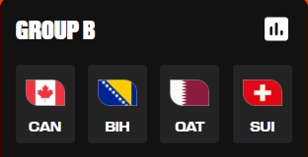
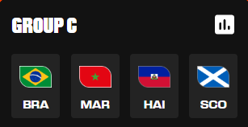
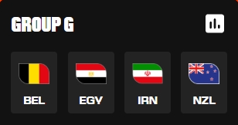
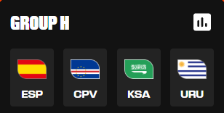
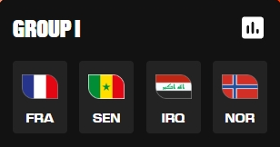
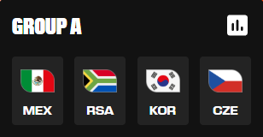
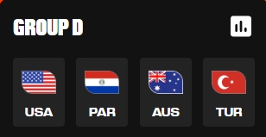
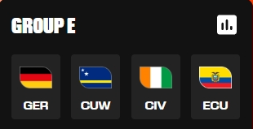
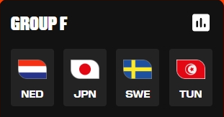
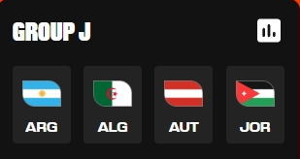
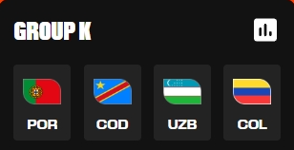
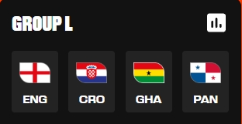
Match | Day | Date | Time | Home | Score | Away | score | Stadium | City, Country | Match | Day | Date | Time | Home | Score | Away | Score | Stadium | City, Country
Group A |  |  |  |  |  |  |  |  |  | Group G
1 | Thu | 2026-06-11 | 15:00:00 | Mexico |  | South Africa |  | Mexico City Stadium | Mexico City, Mexico | 16 | Mon | 2026-06-15 | 21:00:00 | IR Iran |  | New Zealand |  | Los Angeles Stadium | Los Angeles, CA, USA
2 | Thu | 2026-06-11 | 22:00:00 | Korea Rep. |  | Czechia |  | Estadio Guadalajara | Guadalajara, Mexico | 14 | Mon | 2026-06-15 | 15:00:00 | Belgium |  | Egypt |  | Seattle Stadium | Seattle, WA, USA
25 | Thu | 2026-06-18 | 12:00:00 | Czechia |  | South Africa |  | Atlanta Stadium | Atlanta, GA, USA | 38 | Sun | 2026-06-21 | 15:00:00 | Belgium |  | IR Iran |  | Los Angeles Stadium | Los Angeles, CA, USA
28 | Thu | 2026-06-18 | 21:00:00 | Mexico |  | Korea Rep. |  | Estadio Guadalajara | Guadalajara, Mexico | 40 | Sun | 2026-06-21 | 21:00:00 | New Zealand |  | Egypt |  | BC Place Vancouver | Vancouver, BC, Canada
53 | Wed | 2026-06-24 | 21:00:00 | Czechia |  | Mexico |  | Mexico City Stadium | Mexico City, Mexico | 65 | Fri | 2026-06-26 | 23:00:00 | Egypt |  | IR Iran |  | Seattle Stadium | Seattle, WA, USA
54 | Wed | 2026-06-24 | 21:00:00 | South Africa |  | Korea Rep. |  | Estadio Monterrey | Monterrey, Mexico | 66 | Fri | 2026-06-26 | 23:00:00 | New Zealand |  | Belgium |  | BC Place Vancouver | Vancouver, BC, Canada
Group B |  |  |  |  |  |  |  |  |  | Group H
3 | Fri | 2026-06-12 | 15:00:00 | Canada |  | Bosnia and H. |  | Toronto Stadium | Toronto, Canada | 15 | Mon | 2026-06-15 | 18:00:00 | Saudi Arabia |  | Uruguay |  | Miami Stadium | Miami Gardens, FL, USA
6 | Sat | 2026-06-13 | 15:00:00 | Qatar |  | Switzerland |  | San Francisco Bay Area St. | Santa Clara, CA, USA | 13 | Mon | 2026-06-15 | 12:00:00 | Spain |  | Cabo Verde |  | Atlanta Stadium | Atlanta, GA, USA
26 | Thu | 2026-06-18 | 15:00:00 | Switzerland |  | Bosnia and H. |  | Los Angeles Stadium | Los Angeles, CA, USA | 39 | Sun | 2026-06-21 | 18:00:00 | Uruguay |  | Cabo Verde |  | Miami Stadium | Miami Gardens, FL, USA
27 | Thu | 2026-06-18 | 18:00:00 | Canada |  | Qatar |  | BC Place Vancouver | Vancouver, BC, Canada | 37 | Sun | 2026-06-21 | 12:00:00 | Spain |  | Saudi Arabia |  | Atlanta Stadium | Atlanta, GA, USA
49 | Wed | 2026-06-24 | 15:00:00 | Switzerland |  | Canada |  | BC Place Vancouver | Vancouver, BC, Canada | 63 | Fri | 2026-06-26 | 20:00:00 | Cabo Verde |  | Saudi Arabia |  | Houston Stadium | Houston, TX, USA
50 | Wed | 2026-06-24 | 15:00:00 | Bosnia and H. |  | Qatar |  | Seattle Stadium | Seattle, WA, USA | 64 | Fri | 2026-06-26 | 20:00:00 | Uruguay |  | Spain |  | Estadio Guadalajara | Guadalajara, Mexico
Group C |  |  |  |  |  |  |  |  |  | Group I
8 | Sat | 2026-06-13 | 21:00:00 | Haiti |  | Scotland |  | Boston Stadium | Boston, MA, USA | 18 | Tue | 2026-06-16 | 15:00:00 | France |  | Senegal |  | New York New Jersey St. | East Rutherford, NJ, USA
7 | Sat | 2026-06-13 | 18:00:00 | Brazil |  | Morocco |  | New York New Jersey St. | East Rutherford, NJ, USA | 19 | Tue | 2026-06-16 | 18:00:00 | Iraq |  | Norway |  | Boston Stadium | Boston, MA, USA
31 | Fri | 2026-06-19 | 20:30:00 | Brazil |  | Haiti |  | Philadelphia Stadium | Philadelphia, PA, USA | 43 | Mon | 2026-06-22 | 20:00:00 | Norway |  | Senegal |  | New York New Jersey St. | East Rutherford, NJ, USA
30 | Fri | 2026-06-19 | 18:00:00 | Scotland |  | Morocco |  | Boston Stadium | Boston, MA, USA | 42 | Mon | 2026-06-22 | 17:00:00 | France |  | Iraq |  | Philadelphia Stadium | Philadelphia, PA, USA
51 | Wed | 2026-06-24 | 18:00:00 | Scotland |  | Brazil |  | Miami Stadium | Miami Gardens, FL, USA | 61 | Fri | 2026-06-26 | 15:00:00 | Norway |  | France |  | Boston Stadium | Boston, MA, USA
52 | Wed | 2026-06-24 | 18:00:00 | Morocco |  | Haiti |  | Atlanta Stadium | Atlanta, GA, USA | 62 | Fri | 2026-06-26 | 15:00:00 | Senegal |  | Iraq |  | Toronto Stadium | Toronto, Canada
Group D |  |  |  |  |  |  |  |  |  | Group J
4 | Fri | 2026-06-12 | 21:00:00 | USA |  | Paraguay |  | Los Angeles Stadium | Los Angeles, CA, USA | 20 | Tue | 2026-06-16 | 21:00:00 | Argentina |  | Algeria |  | Kansas City Stadium | Kansas City, MO, USA
5 | Sat | 2026-06-13 | 0:00:00 | Australia |  | Türkiye |  | BC Place Vancouver | Vancouver, BC, Canada | 17 | Tue | 2026-06-16 | 0:00:00 | Austria |  | Jordan |  | San Francisco Bay Area St. | Santa Clara, CA, USA
32 | Fri | 2026-06-19 | 23:00:00 | Türkiye |  | Paraguay |  | San Francisco Bay Area St. | Santa Clara, CA, USA | 41 | Mon | 2026-06-22 | 13:00:00 | Argentina |  | Austria |  | Dallas Stadium | Arlington, TX, USA
29 | Fri | 2026-06-19 | 15:00:00 | USA |  | Australia |  | Seattle Stadium | Seattle, WA, USA | 44 | Mon | 2026-06-22 | 23:00:00 | Jordan |  | Algeria |  | San Francisco Bay Area St. | Santa Clara, CA, USA
59 | Thu | 2026-06-25 | 22:00:00 | Türkiye |  | USA |  | Los Angeles Stadium | Los Angeles, CA, USA | 71 | Sat | 2026-06-27 | 22:00:00 | Algeria |  | Austria |  | Kansas City Stadium | Kansas City, MO, USA
60 | Thu | 2026-06-25 | 22:00:00 | Paraguay |  | Australia |  | San Francisco Bay Area St. | Santa Clara, CA, USA | 72 | Sat | 2026-06-27 | 22:00:00 | Jordan |  | Argentina |  | Dallas Stadium | Arlington, TX, USA
Group E |  |  |  |  |  |  |  |  |  | Group K
11 | Sun | 2026-06-14 | 19:00:00 | Côte d'Ivoire |  | Ecuador |  | Philadelphia Stadium | Philadelphia, PA, USA | 21 | Wed | 2026-06-17 | 13:00:00 | Portugal |  | Congo DR |  | Houston Stadium | Houston, TX, USA
9 | Sun | 2026-06-14 | 13:00:00 | Germany |  | Curaçao |  | Houston Stadium | Houston, TX, USA | 24 | Wed | 2026-06-17 | 22:00:00 | Uzbekistan |  | Colombia |  | Mexico City Stadium | Mexico City, Mexico
35 | Sat | 2026-06-20 | 16:00:00 | Germany |  | Côte d'Ivoire |  | Toronto Stadium | Toronto, Canada | 45 | Tue | 2026-06-23 | 13:00:00 | Portugal |  | Uzbekistan |  | Houston Stadium | Houston, TX, USA
36 | Sat | 2026-06-20 | 20:00:00 | Ecuador |  | Curaçao |  | Kansas City Stadium | Kansas City, MO, USA | 48 | Tue | 2026-06-23 | 22:00:00 | Colombia |  | Congo DR |  | Estadio Guadalajara | Guadalajara, Mexico
55 | Thu | 2026-06-25 | 16:00:00 | Curaçao |  | Côte d'Ivoire |  | Philadelphia Stadium | Philadelphia, PA, USA | 69 | Sat | 2026-06-27 | 19:30:00 | Colombia |  | Portugal |  | Miami Stadium | Miami Gardens, FL, USA
56 | Thu | 2026-06-25 | 16:00:00 | Ecuador |  | Germany |  | New York New Jersey St. | East Rutherford, NJ, USA | 70 | Sat | 2026-06-27 | 19:30:00 | Congo DR |  | Uzbekistan |  | Atlanta Stadium | Atlanta, GA, USA
Group F |  |  |  |  |  |  |  |  |  | Group L
10 | Sun | 2026-06-14 | 16:00:00 | Netherlands |  | Japan |  | Dallas Stadium | Arlington, TX, USA | 23 | Wed | 2026-06-17 | 19:00:00 | Ghana |  | Panama |  | Toronto Stadium | Toronto, Canada
12 | Sun | 2026-06-14 | 22:00:00 | Sweden |  | Tunisia |  | Estadio Monterrey | Monterrey, Mexico | 22 | Wed | 2026-06-17 | 16:00:00 | England |  | Croatia |  | Dallas Stadium | Arlington, TX, USA
34 | Sat | 2026-06-20 | 13:00:00 | Netherlands |  | Sweden |  | Houston Stadium | Houston, TX, USA | 46 | Tue | 2026-06-23 | 16:00:00 | England |  | Ghana |  | Boston Stadium | Boston, MA, USA
33 | Sat | 2026-06-20 | 0:00:00 | Tunisia |  | Japan |  | Estadio Monterrey | Monterrey, Mexico | 47 | Tue | 2026-06-23 | 19:00:00 | Panama |  | Croatia |  | Toronto Stadium | Toronto, Canada
57 | Thu | 2026-06-25 | 19:00:00 | Japan |  | Sweden |  | Dallas Stadium | Arlington, TX, USA | 67 | Sat | 2026-06-27 | 17:00:00 | Panama |  | England |  | New York New Jersey Stadium | East Rutherford, NJ, USA
58 | Thu | 2026-06-25 | 19:00:00 | Tunisia |  | Netherlands |  | Kansas City Stadium | Kansas City, MO, USA | 68 | Sat | 2026-06-27 | 17:00:00 | Croatia |  | Ghana |  | Philadelphia Stadium | Philadelphia, PA, USA

