Sheet3


Sheet2
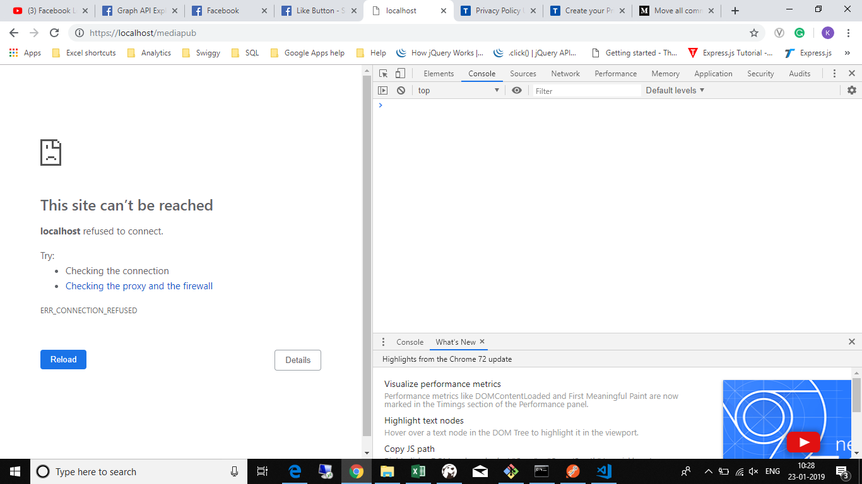

Sheet1


