Graphic Tee
CAT&JACK | Graphic Tee

Description | Girls' Short Sleeve Fitted Studded Graphic T-Shirt - Cat & Jack™ | Girls' Short Sleeve Relaxed 100% Cotton Off the Shoulder Graphic T-Shirt - Cat & Jack™ | Girls' Short Sleeve Halloween Relaxed Graphic T-Shirt - Cat & Jack™ | Girls' Short Sleeve Oversized Graphic T-Shirt - Cat & Jack™ | Girls' Adaptive 3pk Short Sleeve Fitted Graphic T-Shirt - Cat & Jack™ Pink Heart Lockets/Blue Brooklyn/Cherry Star | Girls' Short Sleeve Graphic T-Shirt - Cat & Jack™ | Girls' Long Sleeve 'Croissant' Graphic T-Shirt - Cat & Jack™ | Girls' French Terry Off The Shoulder Graphic Pullover Sweatshirt - Cat & Jack™ | Girls' French Terry Graphic Hoodie Zip-Up Sweatshirt - Cat & Jack™ | Girls' Fleece Graphic Hoodie Sweatshirt - Cat & Jack™ | Girls' Short Sleeve Fitted Graphic T-Shirt - Cat & Jack™ | Girls' Short Sleeve 100% Cotton 'Vintage Crest' Graphic T-Shirt - Cat & Jack™ Pink | Girls' Short Sleeve 100% Cotton 'Sporty Dog' Graphic T-Shirt - Cat & Jack™ Cherry Red | Girls' Short Sleeve 100% Cotton 'Key' Graphic T-Shirt - Cat & Jack™ Cream | Girls' Short Sleeve 100% Cotton 'Horse Family' Graphic T-Shirt - Cat & Jack™ Gold | Girls' Short Sleeve 'Amour' Graphic T-Shirt - Cat & Jack™ Gray | Girls' Short Sleeve 100% Cotton 'Beauty Bouquet' Graphic T-Shirt - Cat & Jack™ Cream | Girls' Short Sleeve 100% Cotton 'Floral NYC' Graphic T-Shirt - Cat & Jack™ Olive Green | Girls' Short Sleeve 100% Cotton 'Cheer Cats' Graphic T-Shirt - Cat & Jack™ Purple | Girls' Short Sleeve 100% Cotton 'Lace Heart' Graphic T-Shirt - Cat & Jack™ Blue | Girls' Short Sleeve 100% Cotton 'Dog' Oversized Graphic T-Shirt - Cat & Jack™ Cream | Girls' Short Sleeve 100% Cotton 'Bear' Oversized Graphic T-Shirt - Cat & Jack™ Blue | Girls' Short Sleeve 100% Cotton 'Camo 82' Oversized Graphic T-Shirt - Cat & Jack™ Cherry Red | Girls' Short Sleeve 'Jardin' Oversized Graphic T-Shirt - Cat & Jack™ Gray | Girls' Short Sleeve 100% Cotton 'Ashton Academy' Oversized Graphic T-Shirt - Cat & Jack™ Gold | Girls' Short Sleeve 100% Cotton 'Little Women' Oversized Graphic T-Shirt - Cat & Jack™ Cream | Girls' Short Sleeve 100% Cotton 'Acadia' Oversized Graphic T-Shirt - Cat & Jack™ Mauve | Girls' Short Sleeve 100% Cotton 'Animals' Oversized Graphic T-Shirt - Cat & Jack™ White | Girls' Short Sleeve 100% Cotton 'Love That' Oversized Graphic T-Shirt - Cat & Jack™ Blue | Girls' Short Sleeve Halloween 'Scary Sweet' Graphic T-Shirt - Cat & Jack™ Charcoal Gray | Girls' Short Sleeve Halloween 'Puppy Pumpkins' Oversized Graphic T-Shirt - Cat & Jack™ Cream | Girls' Short Sleeve Fitted 'Rose' Graphic T-Shirt - Cat & Jack™ Heather Gray | Girls' Short Sleeve Fitted 'Girls' League' Graphic T-Shirt - Cat & Jack™ Blue | Girls' Short Sleeve Fitted 'Hot Cocoa Club' Graphic T-Shirt - Cat & Jack™ Brown | Girls' Short Sleeve Fitted 'Dog' Graphic T-Shirt - Cat & Jack™ Cream | Girls' Short Sleeve Fitted 'Heart' Graphic T-Shirt - Cat & Jack™ Violet | Girls' Short Sleeve Classic 'Heart' Graphic T-Shirt - Cat & Jack™ White | Girls' Short Sleeve Classic 'Dog' Graphic T-Shirt - Cat & Jack™ Cream | Girls' Short Sleeve Classic 'Winter Magic' Graphic T-Shirt - Cat & Jack™ Lavender | Girls' Short Sleeve Classic 'St. Moritz' Graphic T-Shirt - Cat & Jack™ Cream | Girls' Short Sleeve Classic 'Cozy' Graphic T-Shirt - Cat & Jack™ Bright Purple | Girls' Short Sleeve Classic 'Cherries' Graphic T-Shirt - Cat & Jack™ Dark Red | Girls' Short Sleeve Classic 'Horse' Graphic T-Shirt - Cat & Jack™ Soft Pink | Girls' Long Sleeve Classic 'Heart' Graphic T-Shirt - Cat & Jack™ White | Girls' Long Sleeve Classic 'St. Moritz' Graphic T-Shirt - Cat & Jack™ Cream | Girls' Long Sleeve Classic 'Horse' Graphic T-Shirt - Cat & Jack™ Soft Pink | Girls' Long Sleeve Classic 'Dog' Graphic T-Shirt - Cat & Jack™ Cream | Girls' Long Sleeve Classic 'Winter Magic' Graphic T-Shirt - Cat & Jack™ Lavender | Girls' Long Sleeve Classic 'Cozy' Graphic T-Shirt - Cat & Jack™ Bright Purple | Girls' Long Sleeve Classic 'Cherries' Graphic T-Shirt - Cat & Jack™ Dark Red | Girls' Short Sleeve Oversized Cities Graphic T-Shirt - Cat & Jack™ Charcoal Gray | Girls' Short Sleeve Oversized Hot Chocolate Graphic T-Shirt - Cat & Jack™ Brown | Girls' Short Sleeve Oversized Deer Graphic T-Shirt - Cat & Jack™ Sand | Girls' Short Sleeve Oversized Mountains Graphic T-Shirt - Cat & Jack™ Blue | Girls' Short Sleeve Oversized "Brunch Club' Graphic T-Shirt - Cat & Jack™ Pink | Girls' Short Sleeve Oversized 'J'Adore' Graphic T-Shirt - Cat & Jack™ Burgundy | Girls' Short Sleeve Oversized Fox Graphic T-Shirt - Cat & Jack™ Cream | Girls' Short Sleeve Oversized Bunny Graphic T-Shirt - Cat & Jack™ Green | Girls' Short Sleeve Oversized Penguins Graphic T-Shirt - Cat & Jack™ Violet | Girls' Short Sleeve Oversized Bow Graphic T-Shirt - Cat & Jack™ Heather Gray | Girls' Short Sleeve Boxy 'Dance All Night' Graphic T-Shirt - Cat & Jack™ Black | Girls' Short Sleeve Boxy 'Cat' Graphic T-Shirt - Cat & Jack™ Blush Pink | Girls' Short Sleeve Boxy 'Heart Gems' Graphic T-Shirt - Cat & Jack™ Cream | Girls' Short Sleeve Boxy 'Beauty' Graphic T-Shirt - Cat & Jack™ Dark Magenta | Girls' Short Sleeve Boxy 'Apres Ski' Graphic T-Shirt - Cat & Jack™ Pale Blue | Girls' Graphic Pullover Sweater - Cat & Jack™ | Girls' French Terry Graphic Pull-On Skort - Cat & Jack™ Charcoal Gray | Girls' French Terry Graphic Pull-On Skort - Cat & Jack™ Heathered Gray
Photo | 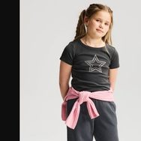 |  | 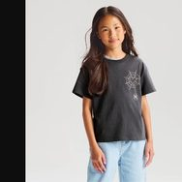 | 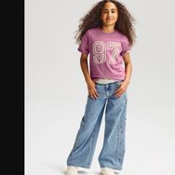 | 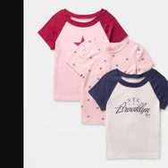 | 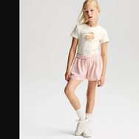 | 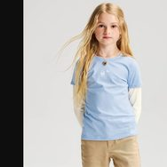 | 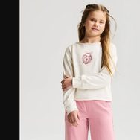 | 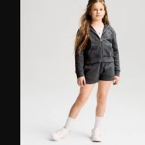 | 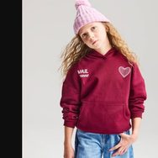 | 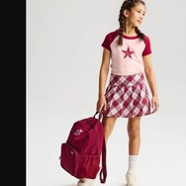 | 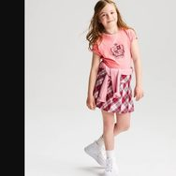 | 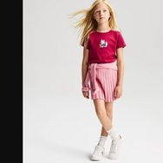 | 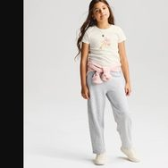 | 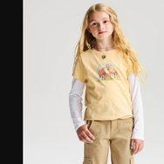 | 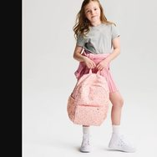 | 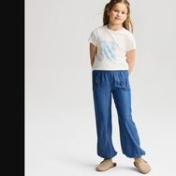 | 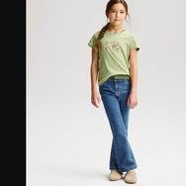 | 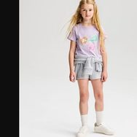 | 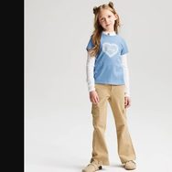 | 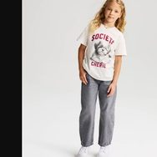 | 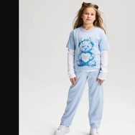 | 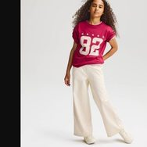 | 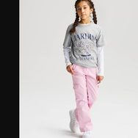 | 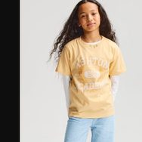 | 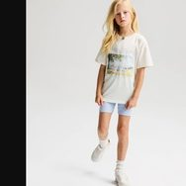 | 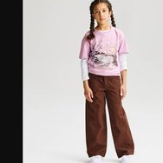 | 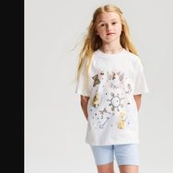 |  | 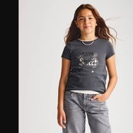 | 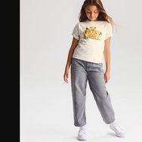 |  | 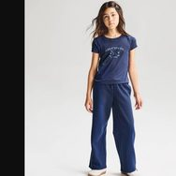 | 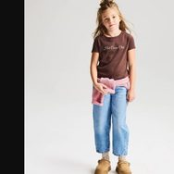 | 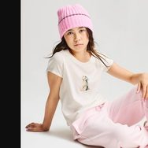 | 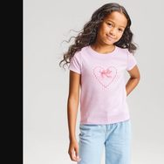 | 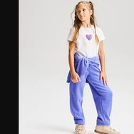 | 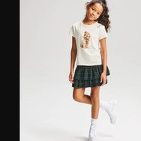 | 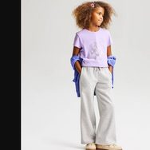 | 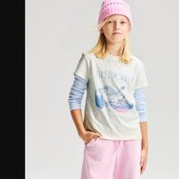 | 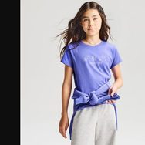 | 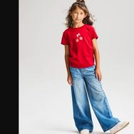 | 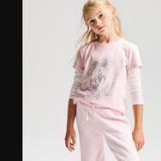 |  | 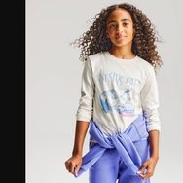 | 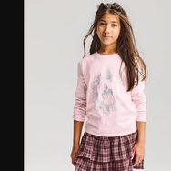 | 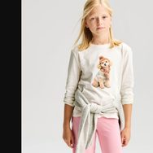 | 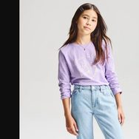 | 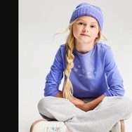 | 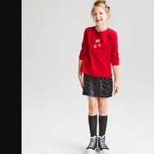 | 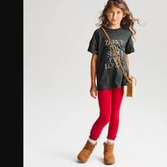 | 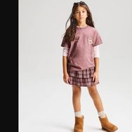 | 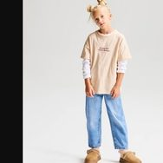 | 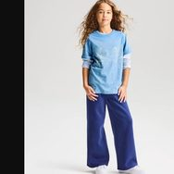 |  |  |  |  |  |  |  |  |  |  |  |  |  | 
Retail Price | $8.50 | $7.00 | $10.00 | $10.00 | $21.00 | $9.60 | 12.75 - 15.00 | 14.40 - 15.30 | $18.00 | $12.00 | $5.60 | $5.25 | $5.95 | $5.95 | $5.95 | $5.95 | $5.95 | $5.95 | $5.60 | $5.95 | $5.95 | $5.95 | $5.95 | $5.60 | $5.60 | $5.95 | $5.95 | $5.95 | $5.60 | $8.00 | $8.00 | $6.00 | $7.00 | $7.00 | $7.00 | $7.00 | $7.00 | $7.00 | $7.00 | $7.00 | $7.00 | $7.00 | $7.00 | $9.00 | $9.00 | $9.00 | $9.00 | $9.00 | $9.00 | $9.00 | $7.00 | $7.00 | $7.00 | $7.00 | $7.00 | $7.00 | $7.00 | $7.00 | $7.00 | $7.00 | $7.00 | $7.00 | $7.00 | $7.00 | $7.00 | $20.00 | $15.30 | $15.30
F. Contents | 95% Cotton, 5% Spandex | 100% Cotton | 100% Cotton | 100% Cotton | 60% Cotton, 40% Recycled Polyester | 89% Cotton, 5% Recycled Cotton, 6% Spandex | 52% Cotton, 5% Recycled Cotton, 38% Recycled Polyester, 5% Spandex | 55% Cotton, 45% Recycled Polyester | 100% Cotton | 46% Recycled Polyester, 42% Cotton, 12% Recycled Cotton | 60% Cotton, 40% Recycled Polyester | 100% Cotton | 100% Cotton | 100% Cotton | 100% Cotton | 90% Cotton, 10% Recycled Polyester | 100% Cotton | 100% Cotton | 100% Cotton | 100% Cotton | 100% Cotton | 100% Cotton | 100% Cotton | 90% Cotton, 10% Recycled Polyester | 100% Cotton | 100% Cotton | 100% Cotton | 100% Cotton | 100% Cotton | 100% Cotton | 100% Cotton | 60% Cotton, 40% Recycled Polyester | 60% Cotton, 40% Recycled Polyester | 60% Cotton, 40% Recycled Polyester | 60% Cotton, 40% Recycled Polyester | 60% Cotton, 40% Recycled Polyester | 100% Cotton | 100% Cotton | 100% Cotton | 100% Cotton | 100% Cotton | 100% Cotton | 100% Cotton | 170% Cotton | 170% Cotton | 170% Cotton | 100% Cotton | 100% Cotton | 170% Cotton | 100% Cotton | 100% Cotton | 100% Cotton | 100% Cotton | 100% Cotton | 100% Cotton | 100% Cotton | 100% Cotton | 100% Cotton | 100% Cotton | 100% Cotton | 100% Cotton | 100% Cotton | 100% Cotton | 100% Cotton | 100% Cotton | 55% Cotton, 25% Recycled Polyester, 15% Nylon, 3% Spandex, 2% Metallic Fiber | 100% Cotton | 100% Cotton
Colorways
Link | https://www.target.com/p/-/A-95171419 | https://www.target.com/p/-/A-95171461 | https://www.target.com/p/-/A-95175844 | https://www.target.com/p/-/A-95179392 | https://www.target.com/p/-/A-95278408 | https://www.target.com/p/-/A-95234872 | https://www.target.com/p/-/A-95234903 | https://www.target.com/p/-/A-95186518 | https://www.target.com/p/-/A-95171996 | https://www.target.com/p/-/A-1010939092 | https://www.target.com/p/-/A-95175920 | https://www.target.com/p/-/A-95267220 | https://www.target.com/p/-/A-1009708874 | https://www.target.com/p/-/A-95267218 | https://www.target.com/p/-/A-95267219 | https://www.target.com/p/-/A-1009708881 | https://www.target.com/p/-/A-95267221 | https://www.target.com/p/-/A-1009708875 | https://www.target.com/p/-/A-1009708873 | https://www.target.com/p/-/A-95267217 | https://www.target.com/p/-/A-95267266 | https://www.target.com/p/-/A-1009710428 | https://www.target.com/p/-/A-1009711723 | https://www.target.com/p/-/A-95267278 | https://www.target.com/p/-/A-1009711724 | https://www.target.com/p/-/A-1009710815 | https://www.target.com/p/-/A-95267280 | https://www.target.com/p/-/A-95267283 | https://www.target.com/p/-/A-95267282 | https://www.target.com/p/-/A-1010308122 | https://www.target.com/p/-/A-95292085 | https://www.target.com/p/-/A-1010938047 | https://www.target.com/p/-/A-1010938048 | https://www.target.com/p/-/A-1010938049 | https://www.target.com/p/-/A-1010938045 | https://www.target.com/p/-/A-1010938046 | https://www.target.com/p/-/A-1011484453 | https://www.target.com/p/-/A-1011484454 | https://www.target.com/p/-/A-1011484467 | https://www.target.com/p/-/A-1011484469 | https://www.target.com/p/-/A-1011484470 | https://www.target.com/p/-/A-1011484455 | https://www.target.com/p/-/A-1011484462 | https://www.target.com/p/-/A-1011484665 | https://www.target.com/p/-/A-1011484670 | https://www.target.com/p/-/A-1011484667 | https://www.target.com/p/-/A-1011484662 | https://www.target.com/p/-/A-1011484666 | https://www.target.com/p/-/A-1011484672 | https://www.target.com/p/-/A-1011484664 | https://www.target.com/p/-/A-1011014791 | https://www.target.com/p/-/A-1011014789 | https://www.target.com/p/-/A-1011014793 | https://www.target.com/p/-/A-1011014760 | https://www.target.com/p/-/A-1011014790 | https://www.target.com/p/-/A-1011014792 | https://www.target.com/p/-/A-1011014766 | https://www.target.com/p/-/A-1011014765 | https://www.target.com/p/-/A-1011014788 | https://www.target.com/p/-/A-1011014787 | https://www.target.com/p/-/A-1011484889 | https://www.target.com/p/-/A-1011484887 | https://www.target.com/p/-/A-1011484880 | https://www.target.com/p/-/A-1011484872 | https://www.target.com/p/-/A-1011484883 | https://www.target.com/p/-/A-95187627 | https://www.target.com/p/-/A-1012355421 | https://www.target.com/p/-/A-1012355423
Model Shot
DPCI | 032-06-0088 | 032-06-0103 | 032-06-0171 | 032-06-0191 | 032-08-0197 | 032-12-0061 | 032-12-0102 | 032-13-0092 | 032-13-0097 | 032-13-0241 | 032-14-0010 | 032-14-0046 | 032-14-0055 | 032-14-0064 | 032-14-0073 | 032-14-0082 | 032-14-0091 | 032-14-0100 | 032-14-0109 | 032-14-0118 | 032-14-0136 | 032-14-0163 | 032-14-0172 | 032-14-0190 | 032-14-0208 | 032-14-0217 | 032-14-0226 | 032-14-0244 | 032-14-0262 | 032-14-0271 | 032-14-0276 | 032-14-0392 | 032-14-0401 | 032-14-0410 | 032-14-0419 | 032-14-0428 | 032-14-0437 | 032-14-0446 | 032-14-0455 | 032-14-0464 | 032-14-0473 | 032-14-0482 | 032-14-0491 | 032-14-0500 | 032-14-0509 | 032-14-0518 | 032-14-0527 | 032-14-0536 | 032-14-0545 | 032-14-0554 | 032-14-0578 | 032-14-0587 | 032-14-0596 | 032-14-0605 | 032-14-0614 | 032-14-0623 | 032-14-0632 | 032-14-0641 | 032-14-0650 | 032-14-0659 | 032-14-0688 | 032-14-0693 | 032-14-0698 | 032-14-0703 | 032-14-0708 | 032-15-0370 | 205-08-0126 | 205-08-0151
Dept | 032 | 032 | 032 | 032 | 032 | 032 | 032 | 032 | 032 | 032 | 032 | 032 | 032 | 032 | 032 | 032 | 032 | 032 | 032 | 032 | 032 | 032 | 032 | 032 | 032 | 032 | 032 | 032 | 032 | 032 | 032 | 032 | 032 | 032 | 032 | 032 | 032 | 032 | 032 | 032 | 032 | 032 | 032 | 032 | 032 | 032 | 032 | 032 | 032 | 032 | 032 | 032 | 032 | 032 | 032 | 032 | 032 | 032 | 032 | 032 | 032 | 032 | 032 | 032 | 032 | 032 | 205 | 205

Fleece & Terry
CAT&JACK | Fleece & Terry

Description | Girls' Long Sleeve French Terry Bow Pullover Sweatshirt - Cat & Jack™ | Girls' Fleece Hoodie Zip-Up Sweatshirt - Cat & Jack™ | Girls' French Terry Lace Trim Hoodie Zip-Up Sweatshirt - Cat & Jack™ | Girls' French Terry Halloween Pullover Sweatshirt - Cat & Jack™ | Girls' Fleece Mockneck Oversized Sweatshirt - Cat & Jack™ | Girls' Fleece Hooded Pullover Sweatshirt - Cat & Jack™ | Girls' French Terry Wide Leg Sweatpants - Cat & Jack™ | Girls' Lace Trim Knit Pull-On Shorts - Cat & Jack™ | Girls' French Terry Pull-On Skort - Cat & Jack™ | Girls' Relaxed Fleece Jogger Pants - Cat & Jack™ | Girls' Relaxed Fit Fleece Pull-On Shorts - Cat & Jack™ | Girls' French Terry Pull-On Shorts - Cat & Jack™ | Girls' French Terry Pull-On Baggy Sweatpants - Cat & Jack™ | Girls' Fleece Pull-On Wide Leg Sweatpants - Cat & Jack™
Photo |  |  |  |  |  |  |  |  |  |  |  |  |  | 
Retail Price | $18.00 | $12.00 | $18.00 | $20.00 | $18.00 | $12.00 | $20.00 | $8.40 | $15.30 | $12.00 | $8.00 | $12.00 | $18.00 | $15.00
F. Contents | 90% Cotton, 5% Recycled Cotton, 5% Recycled Polyester | 46% Recycled Polyester, 42% Cotton, 12% Recycled Cotton | 100% Cotton | 100% Cotton | 46% Recycled Polyester, 43% Cotton, 11% Recycled Cotton | 52% Cotton, 48% Recycled Polyester | 90% Cotton, 5% Recycled Cotton, 5% Recycled Polyester | 55% Cotton, 45% Recycled Polyester | 100% Cotton | 46% Recycled Polyester, 42% Cotton, 12% Recycled Cotton | 46% Recycled Polyester, 42% Cotton, 12% Recycled Cotton | 100% Cotton | 55% Cotton, 45% Recycled Polyester | 46% Recycled Polyester, 42% Cotton, 12% Recycled Cotton
Colorways
Link | https://www.target.com/p/-/A-1010570569 | https://www.target.com/p/-/A-95172621 | https://www.target.com/p/-/A-95171997 | https://www.target.com/p/-/A-95174372 | https://www.target.com/p/-/A-1011142295 | https://www.target.com/p/-/A-94704985 | https://www.target.com/p/-/A-95296010 | https://www.target.com/p/-/A-95171520 | https://www.target.com/p/-/A-95172009 | https://www.target.com/p/-/A-95172617 | https://www.target.com/p/-/A-95172612 | https://www.target.com/p/-/A-95172012 | https://www.target.com/p/-/A-95171542 | https://www.target.com/p/-/A-1010828079
Model Shot
DPCI | 032-12-0190 | 032-13-0022 | 032-13-0102 | 032-13-0122 | 032-13-0344 | 032-16-3073 | 205-01-1315 | 205-08-0059 | 205-08-0095 | 205-08-0142 | 205-08-0193 | 205-08-0297 | 205-08-0380 | 205-08-0493
Dept | 032 | 032 | 032 | 032 | 032 | 032 | 205 | 205 | 205 | 205 | 205 | 205 | 205 | 205

Core Top & Legging
CAT&JACK | Core Top & Legging

Description | Girls' Pointelle Tank Top - Cat & Jack™ | Girls' Short Sleeve Fitted Textured T-Shirt - Cat & Jack™ | Girls' Short Sleeve Fitted V-Neck T-Shirt - Cat & Jack™ | Girls' Short Sleeve Fitted Lace Trim Waffle Knit T-Shirt - Cat & Jack™ | Girls' Short Sleeve Floral Printed Pointelle T-Shirt - Cat & Jack™ | Girls' Short Sleeve Waffle Knit Henley T-Shirt - Cat & Jack™ | Girls' Long Sleeve Waffle Knit Henley T-Shirt - Cat & Jack™ | Girls' Faux Fur Collared Ribbed Knit Cardigan - Cat & Jack™ | Girls' Short Sleeve Square Neck Woven Top - Cat & Jack™ | Girls' Puff Short Sleeve Metallic Woven Blouse - Cat & Jack™ | Girls' Adaptive 3pk Capri Leggings - Cat & Jack™ | Girls' Adaptive 3pk Leggings - Cat & Jack™ | Girls' Adaptive 3pk Cozy Leggings - Cat & Jack™ Black/Navy/Cream | Girls' Adaptive 3pk Flare Leggings - Cat & Jack™ | Girls' Adaptive 3pk Wide Leg Leggings - Cat & Jack™ Black/Cherry Red/Dry Moss | Girls' 2pk Adaptive St. Patrick's Day Capri Leggings - Cat & Jack™ White/Pink | Girls' Adaptive 2pk Capri Leggings - Cat & Jack™ Sky Blue/Cream | Girls' 2pk Adaptive Leggings - Cat & Jack™ | Girls' Adaptive 2pk Capri Leggings - Cat & Jack™ | Girls' 2pk Adaptive Short Sleeve Uniform Polo Shirts - Cat & Jack™ | Girls' Adaptive Chambray Pull-On Shorts - Cat & Jack™ Light Wash | Girls' Adaptive Woven Wide Leg Pull-On Pants - Cat & Jack™ Black | Girls' Woven Eyelet Tank Top - Cat & Jack™ | Girls' Long Sleeve Rugby Striped T-Shirt - Cat & Jack™ | Girls' Short Sleeve Pointelle Ribbed T-Shirt - Cat & Jack™ | Girls' Long Sleeve Tie-Front Eyelet Smocked Blouse - Cat & Jack™ | Girls' Short Sleeve Ruched Lace Trim T-Shirt - Cat & Jack™ | Girls' Short Sleeve Woven Gingham Blouse - Cat & Jack™ | Girls' Short Sleeve Gauze Boho Blouse - Cat & Jack™ | Girls' Long Sleeve Square Neck Ribbed Knit Top - Cat & Jack™ | Girls' Long Sleeve Smocked Woven Floral Blouse - Cat & Jack™ | Girls' Halloween Cardigan Sweater - Cat & Jack™ | Girls' Button-Front Cardigan Sweater - Cat & Jack™ | Girls' Short Sleeve Openwork Sweater - Cat & Jack™ | Girls' Pointelle Open Cardigan - Cat & Jack™ | Girls' Short Sleeve Pullover Sweater - Cat & Jack™ | Girls' Cable Knit Cardigan Sweater - Cat & Jack™ | Girls' Pointelle Pullover Sweater - Cat & Jack™ | Girls' Chenille Pullover Sweater - Cat & Jack™ | Girls' Fitted Ribbed Tank Top - Cat & Jack™ | Girls' Short Sleeve 100% Cotton T-Shirt - Cat & Jack™ | Girls' Short Sleeve 100% Cotton Classic Fit T-Shirt - Cat & Jack™ | Girls' Short Sleeve Printed Fitted T-Shirt - Cat & Jack™ | Girls' Short Sleeve Ribbed Fitted T-Shirt - Cat & Jack™ | Girls' Ribbed Fitted Tank Top - Cat & Jack™ | Girls' Short Sleeve Classic Fit T-Shirt - Cat & Jack™ | Girls' Long Sleeve Classic Fit T-Shirt - Cat & Jack™ | Girls' Long Sleeve Fitted T-Shirt - Cat & Jack™ | Girls' Short Sleeve Boxy T-Shirt - Cat & Jack™ | Girls' Short Sleeve Fitted T-Shirt - Cat & Jack™ | Girls' Twill Wide Leg Pants - Cat & Jack™ | Girls' Mid-Rise Barrel Leg Pants - Cat & Jack™ | Girls' Mid-Rise Wide Leg Pants - Cat & Jack™ | Girls' Mid-Rise Braided Twill Shorts - Cat & Jack™ | Girls' Mid-Rise Twill Cargo Bootcut Pants - Cat & Jack™ | Girls' Halloween Flare Leggings - Cat & Jack™ - Black | Girls' Wide Leg Leggings - Cat & Jack™ | Girls' Ribbed Flare Leggings - Cat & Jack™ | Girls' Printed Leggings - Cat & Jack™ | Girls' Leggings - Cat & Jack™ - Pink | Girls' Cozy Leggings - Cat & Jack™ | Girls' Sparkle Leggings - Cat & Jack™ Black | Girls' Leggings - Cat & Jack™ | Girls' Flare Leggings - Cat & Jack™ | Girls' Ribbed Leggings - Cat & Jack™ | Girls' Mid-Rise Patch Pocket Wide Leg Jeans - Cat & Jack™ | Girls' High-Rise Flare Jeans - Cat & Jack™ Dark Wash | Girls' Wide Leg Jeans - Cat & Jack™ Light Wash | Girls' Mid-Rise Barrel Leg Jeans - Cat & Jack™ | Girls' High-Rise Super Wide Leg Jeans - Cat & Jack™ Medium Wash | Girls' Side Embroidered Super Wide Leg Jeans - Cat & Jack™ - Light Wash | Girls' Mid-Rise Bootcut Embroidered-Hem Jeans - Cat & Jack™ Off-White | Girls' Mid-Rise Floral Embroidered Bootcut Jeans - Cat & Jack™ Light Wash | Girls' Mid-Rise Wide Leg Jeans - Cat & Jack™ | Girls' Mid-Rise Bootcut Jeans - Cat & Jack™ | Girls' High-Rise Ultimate Stretch Skinny Jeans - Cat & Jack™ | Girls' High-Rise Flare Leg Jeans - Cat & Jack™ | Girls' Mid-Rise Wide Leg Jeans - Cat & Jack™ | Girls' Mid-Rise Straight Leg Jeans - Cat & Jack™ | Girls' Mid-Rise Bootcut Jeans - Cat & Jack™ | Girls' Mid-Rise Baggy Cutoff Daisy Embroidered Jean Shorts - Cat & Jack™ Medium Wash | Girls' Mid-Rise Cutoff Jean Shorts - Cat & Jack™ | Girls' Mid-Rise Baggy Cutoff Jean Shorts - Cat & Jack™ Light Wash | Girls' Mid-Rise Embroidered Dolphin Hem Jean Shorts - Cat & Jack™ Medium Wash | Girls' Mid-Rise Cutoff Destructed Jean Shorts - Cat & Jack™ | Girls' Mid-Rise Floral Embroidered Cutoff Jean Shorts - Cat & Jack™ Light Wash | Girls' Mid-Rise Cutoff Jean Shorts - Cat & Jack™ Pale Pink | Girls' Mid-Rise Floral Embroidered Pocket Jean Shorts - Cat & Jack™ Dark Wash | Girls' Bike Shorts - Cat & Jack™ | Girls' Ribbed Bike Shorts - Cat & Jack™ | Girls' Pull-On Shorts - Cat & Jack™ | Girls' Mid-Rise Embroidered Floral Jean Shorts - Cat & Jack™ Medium Wash | Girls' Mid-Rise Star Patch Cutoff Jean Shorts - Cat & Jack™ Light Wash
Photo |  |  |  |  |  |  |  |  |  |  |  |  |  |  |  |  |  |  |  |  |  |  |  |  |  |  |  |  |  |  |  |  |  |  |  |  |  |  |  |  |  |  |  |  |  |  |  |  |  |  |  |  |  |  |  |  |  |  |  |  |  |  |  |  |  |  |  |  |  |  |  |  |  |  |  |  |  |  |  |  |  |  |  |  |  |  |  |  |  |  |  |  | 
Retail Price | $7.00 | $7.50 | $8.50 | $9.60 | $8.50 | $10.00 | $12.00 | $20.00 | $15.00 | $20.00 | $18.00 | $18.00 | $36.00 | $24.00 | $24.00 | $11.50 | $11.50 | $11.50 | $11.50 | $16.00 | $12.00 | $20.00 | $10.50 | $15.30 | $10.20 | $20.00 | $12.00 | $15.00 | $15.00 | $15.00 | $18.00 | $25.00 | $25.00 | $17.00 | $25.00 | $17.00 | $20.00 | $20.00 | $20.00 | 4.25 - 5.00 | $5.95 | $5.00 | 5.95 - 7.00 | 5.95 - 7.00 | $5.00 | $7.00 | $9.00 | $7.00 | $5.00 | 4.25 - 5.00 | $20.00 | $16.00 | $16.00 | $10.50 | $20.00 | $10.00 | $8.00 | $8.00 | 5.10 - 6.00 | $6.00 | $12.00 | $6.00 | $6.00 | 6.00 - 8.00 | $6.00 | $14.00 | $9.90 | $10.80 | $20.00 | $20.00 | $20.00 | $14.00 | $17.00 | $20.00 | $20.00 | $18.00 | $15.00 | $15.00 | $15.00 | $15.00 | $15.00 | $12.00 | $15.00 | $15.00 | $15.00 | $15.00 | $15.00 | $15.00 | $5.00 | $5.00 | $5.00 | $15.00 | $15.00
F. Contents | 92% Cotton, 5% Recycled Cotton, 3% Spandex | 57% Cotton, 38% Recycled Polyester, 5% Spandex | 55% Cotton, 37% Modal, 8% Spandex | 60% Cotton, 40% Recycled Polyester | 60% Cotton, 40% Recycled Polyester | 59% Cotton, 39% Recycled Polyester, 2% Spandex | 59% Cotton, 39% Polyester, 2% Spandex | 58% Cotton, 5% Recycled Cotton, 32% Recycled Polyester, 5% Spandex | 100% Rayon | 100% Recycled Polyester | 95% Cotton, 5% Spandex | 95% Cotton, 5% Spandex | 55% Cotton, 41% Recycled Polyester, 4% Spandex | 95% Cotton, 5% Spandex | 95% Cotton, 5% Spandex | 57% Cotton, 38% Recycled Polyester, 5% Spandex | 57% Cotton, 38% Recycled Polyester, 5% Spandex | 95% Cotton, 5% Spandex | 95% Cotton, 5% Spandex | 60% Cotton, 40% Recycled Polyester | 65% Cotton, 35% Rayon | 58% Cotton, 42% Rayon | 100% Cotton | 95% Cotton, 5% Recycled Cotton | 92% Cotton, 5% Recycled Cotton, 3% Spandex | 100% Cotton | 89% Cotton, 5% Recycled Cotton, 6% Spandex | 64% Cotton, 36% Recycled Polyester | 95% Cotton, 5% Recycled Cotton | 51% Cotton, 5% Recycled Cotton, 37% Modal, 7% Spandex | 100% Rayon | 57% Cotton, 21% Recycled Polyester, 19% Nylon, 3% Other Fibers | 60% Cotton, 40% Recycled Polyester | 65% Cotton, 35% Recycled Polyester | 60% Cotton, 40% Recycled Polyester | 60% Cotton, 40% Recycled Polyester | 58% Cotton, 22% Nylon, 20% Recycled Polyester | 58% Cotton, 28% Recycled Polyester, 14% Acrylic | 94% Recycled Polyester, 6% Nylon | 58% Cotton, 38% Recycled Polyester, 4% Spandex | 100% Cotton | 100% Cotton | 60% Cotton, 40% Recycled Polyester | 58% Cotton, 38% Recycled Polyester, 4% Spandex | 58% Cotton, 38% Recycled Polyester, 4% Spandex | 100% Cotton | 100% Cotton | 60% Cotton, 40% Recycled Polyester | 100% Cotton | 57% Cotton, 38% Recycled Polyester, 5% Spandex | 58% Cotton, 42% Rayon | 95% Cotton, 5% Recycled Cotton | 95% Cotton, 5% Recycled Cotton | 95% Cotton, 5% Recycled Cotton | 93% Cotton, 5% Recycled Cotton, 2% Spandex | 95% Cotton, 5% Spandex | 95% Cotton, 5% Spandex | 57% Cotton, 38% Recycled Polyester, 5% Spandex | 95% Cotton, 5% Spandex | 95% Cotton, 5% Spandex | 55% Cotton, 41% Recycled Polyester, 4% Spandex | 95% Cotton, 5% Spandex | 95% Cotton, 5% Spandex | 95% Cotton, 5% Spandex | 57% Cotton, 38% Recycled Polyester, 5% Spandex | 100% Cotton | 99% Cotton, 1% Spandex | 100% Cotton | 100% Cotton | 100% Cotton | 67% Cotton, 30% Polyester, 2% Rayon, 1% Spandex | 99% Cotton, 1% Spandex | 99% Cotton, 1% Spandex | 99% Cotton, 1% Spandex | 99% Cotton, 1% Spandex | 94% Cotton, 3% Other Fibers, 3% Spandex | 99% Cotton, 1% Spandex | 100% Cotton | 100% Cotton | 99% Cotton, 1% Spandex | 99% Cotton, 1% Spandex | 99% Cotton, 1% Elastane | 99% Cotton, 1% Spandex | 100% Cotton | 94% Cotton, 5% Recycled Cotton, 1% Elastane | 99% Cotton, 1% Spandex | 99% Cotton, 1% Spandex | 100% Cotton | 95% Cotton, 5% Spandex | 58% Cotton, 38% Recycled Polyester, 4% Spandex | 60% Cotton, 40% Recycled Polyester | 100% Cotton | 100% Cotton
Colorways
Link | https://www.target.com/p/-/A-95054478 | https://www.target.com/p/-/A-95171335 | https://www.target.com/p/-/A-95171417 | https://www.target.com/p/-/A-95171478 | https://www.target.com/p/-/A-95174511 | https://www.target.com/p/-/A-1010825436 | https://www.target.com/p/-/A-1010827932 | https://www.target.com/p/-/A-1011232558 | https://www.target.com/p/-/A-1012114487 | https://www.target.com/p/-/A-1011701610 | https://www.target.com/p/-/A-1009843723 | https://www.target.com/p/-/A-1010300427 | https://www.target.com/p/-/A-1009843724 | https://www.target.com/p/-/A-95273296 | https://www.target.com/p/-/A-95276860 | https://www.target.com/p/-/A-94923987 | https://www.target.com/p/-/A-94932722 | https://www.target.com/p/-/A-79802767 | https://www.target.com/p/-/A-85630544 | https://www.target.com/p/-/A-95042979 | https://www.target.com/p/-/A-94923994 | https://www.target.com/p/-/A-95279967 | https://www.target.com/p/-/A-95172623 | https://www.target.com/p/-/A-95234904 | https://www.target.com/p/-/A-95234898 | https://www.target.com/p/-/A-95248883 | https://www.target.com/p/-/A-1010623437 | https://www.target.com/p/-/A-95299216 | https://www.target.com/p/-/A-1010623439 | https://www.target.com/p/-/A-95299387 | https://www.target.com/p/-/A-95299384 | https://www.target.com/p/-/A-95087127 | https://www.target.com/p/-/A-1007608346 | https://www.target.com/p/-/A-95089749 | https://www.target.com/p/-/A-95089772 | https://www.target.com/p/-/A-95082511 | https://www.target.com/p/-/A-95082438 | https://www.target.com/p/-/A-95179915 | https://www.target.com/p/-/A-95187628 | https://www.target.com/p/-/A-94576219 | https://www.target.com/p/-/A-95177544 | https://www.target.com/p/-/A-95171978 | https://www.target.com/p/-/A-95175633 | https://www.target.com/p/-/A-95171293 | https://www.target.com/p/-/A-95179338 | https://www.target.com/p/-/A-1010823415 | https://www.target.com/p/-/A-1010823879 | https://www.target.com/p/-/A-1010938805 | https://www.target.com/p/-/A-1011488808 | https://www.target.com/p/-/A-94802395 | https://www.target.com/p/-/A-95172618 | https://www.target.com/p/-/A-95235466 | https://www.target.com/p/-/A-95235465 | https://www.target.com/p/-/A-95235474 | https://www.target.com/p/-/A-1009785085 | https://www.target.com/p/-/A-95172620 | https://www.target.com/p/-/A-95127630 | https://www.target.com/p/-/A-1012094519 | https://www.target.com/p/-/A-95127462 | https://www.target.com/p/-/A-1012332759 | https://www.target.com/p/-/A-1009743793 | https://www.target.com/p/-/A-95265456 | https://www.target.com/p/-/A-53438228 | https://www.target.com/p/-/A-89906092 | https://www.target.com/p/-/A-90927665 | https://www.target.com/p/-/A-94899016 | https://www.target.com/p/-/A-94492227 | https://www.target.com/p/-/A-94492247 | https://www.target.com/p/-/A-95092767 | https://www.target.com/p/-/A-95125561 | https://www.target.com/p/-/A-95171184 | https://www.target.com/p/-/A-95129262 | https://www.target.com/p/-/A-95125560 | https://www.target.com/p/-/A-95287290 | https://www.target.com/p/-/A-95299538 | https://www.target.com/p/-/A-85428400 | https://www.target.com/p/-/A-95101790 | https://www.target.com/p/-/A-95092924 | https://www.target.com/p/-/A-95093082 | https://www.target.com/p/-/A-95104772 | https://www.target.com/p/-/A-94899002 | https://www.target.com/p/-/A-94847491 | https://www.target.com/p/-/A-94899003 | https://www.target.com/p/-/A-94899010 | https://www.target.com/p/-/A-94899004 | https://www.target.com/p/-/A-94899012 | https://www.target.com/p/-/A-94913413 | https://www.target.com/p/-/A-94899013 | https://www.target.com/p/-/A-94898662 | https://www.target.com/p/-/A-94913490 | https://www.target.com/p/-/A-94925377 | https://www.target.com/p/-/A-1012094862 | https://www.target.com/p/-/A-95101861
Model Shot
DPCI | 032-02-9843 | 032-06-0022 | 032-06-0042 | 032-06-0131 | 032-06-0176 | 032-06-0281 | 032-06-0311 | 032-07-0006 | 032-07-0061 | 032-07-0071 | 032-08-0037 | 032-08-0057 | 032-08-0067 | 032-08-0077 | 032-08-0082 | 032-10-1102 | 032-10-1186 | 032-10-2205 | 032-10-3111 | 032-10-3821 | 032-10-7692 | 032-10-8091 | 032-12-0001 | 032-12-0107 | 032-12-0112 | 032-12-0140 | 032-12-0145 | 032-12-0150 | 032-12-0155 | 032-12-0185 | 032-12-0195 | 032-15-0140 | 032-15-0145 | 032-15-0155 | 032-15-0180 | 032-15-0210 | 032-15-0230 | 032-15-0345 | 032-15-0365 | 032-16-1870 | 032-16-5299 | 032-16-5379 | 032-16-5406 | 032-16-5466 | 032-16-5513 | 032-16-5682 | 032-16-5691 | 032-16-5733 | 032-16-5743 | 032-16-5788 | 205-01-1213 | 205-01-1229 | 205-01-1234 | 205-01-1254 | 205-01-1295 | 205-02-0371 | 205-02-0985 | 205-02-1889 | 205-02-2201 | 205-02-2250 | 205-02-2348 | 205-02-2418 | 205-02-2424 | 205-02-8817 | 205-02-9128 | 205-03-1437 | 205-03-1819 | 205-03-1859 | 205-03-2045 | 205-03-2136 | 205-03-2176 | 205-03-2185 | 205-03-2269 | 205-03-2641 | 205-03-2923 | 205-03-4387 | 205-03-4952 | 205-03-5011 | 205-03-5065 | 205-03-5099 | 205-04-4530 | 205-04-5424 | 205-04-5451 | 205-04-7571 | 205-04-7589 | 205-04-7607 | 205-04-7625 | 205-04-7634 | 205-04-7768 | 205-04-7810 | 205-04-7846 | 205-04-8022 | 205-04-8027
Dept | 032 | 032 | 032 | 032 | 032 | 032 | 032 | 032 | 032 | 032 | 032 | 032 | 032 | 032 | 032 | 032 | 032 | 032 | 032 | 032 | 032 | 032 | 032 | 032 | 032 | 032 | 032 | 032 | 032 | 032 | 032 | 032 | 032 | 032 | 032 | 032 | 032 | 032 | 032 | 032 | 032 | 032 | 032 | 032 | 032 | 032 | 032 | 032 | 032 | 032 | 205 | 205 | 205 | 205 | 205 | 205 | 205 | 205 | 205 | 205 | 205 | 205 | 205 | 205 | 205 | 205 | 205 | 205 | 205 | 205 | 205 | 205 | 205 | 205 | 205 | 205 | 205 | 205 | 205 | 205 | 205 | 205 | 205 | 205 | 205 | 205 | 205 | 205 | 205 | 205 | 205 | 205 | 205

Dress & Skirt
CAT&JACK | Dress & Skirt

Description | Girls' Cable Knit Sweater Skirt - Cat & Jack™ | Girls' Scalloped Hem Sweater Skort - Cat & Jack™ | Girls' Floral Lace Trim Woven Skort - Cat & Jack™ | Girls' Floral Embroidered Gauze Skort - Cat & Jack™ | Girls' Halloween Spiderweb Tiered Maxi Skirt - Cat & Jack™ Black | Girls' Halloween Sparkle Tulle Skirt - Cat & Jack™ - Black | Girls' Tiered Floral Maxi Skirt - Cat & Jack&#8482 | Girls' Woven Plaid Tiered Skort - Cat & Jack™ | Girls' Cargo Bubble Skirt - Cat & Jack™ | Girls' Plaid Pleated Skort with In-Built Shorts - Cat & Jack™ | Girls' Wrap Skort with Built-in Shorts - Cat & Jack™ | Girls' Knit Floral Skort - Cat & Jack™ Lilac Purple | Girls' Tiered Knit Skort - Cat & Jack™ | Girls' Mid-Rise Pink Striped Denim Skort - Cat & Jack™ Light Wash | Girls' Embroidered Floral Denim Skort with Built-in Shorts - Cat & Jack™ - Black Wash | Girls' Cargo Wrap Denim Skort - Cat & Jack™ | Girls' Sequin A Line Skirt - Cat & Jack™ | Girls' Mesh Smocked Ruffle Skirt - Cat & Jack™
Photo |  |  |  |  |  |  |  |  |  |  |  |  |  |  |  |  |  | 
Retail Price | 16.00 - 20.00 | $13.00 | $17.00 | $15.00 | $25.00 | $20.00 | $20.00 | $20.00 | $14.00 | $17.00 | $16.00 | $10.00 | $10.00 | $20.00 | $20.00 | $20.00 | $20.00 | $20.00
F. Contents | 58% Cotton, 22% Nylon, 20% Recycled Polyester | 60% Cotton, 40% Recycled Polyester | 100% Cotton | 100% Cotton | 95% Recycled Polyester, 5% Spandex | 100% Recycled Polyester | 100% Rayon | 81% Rayon, 18% Recycled Polyester, 1% Spandex | 95% Recycled Cotton, 5% Recycled Cotton | 100% Recycled Polyester | 95% Recycled Cotton, 5% Recycled Cotton | 60% Cotton, 40% Recycled Polyester | 60% Cotton, 40% Recycled Polyester | 74% Cotton, 25% Lyocell, 1% Spandex | 69% Cotton, 30% Recycled Cotton, 1% Spandex | 99% Cotton, 1% Spandex | 100% Nylon | 94% Recycled Polyester, 6% Spandex
Colorways
Link | https://www.target.com/p/-/A-95087511 | https://www.target.com/p/-/A-95087327 | https://www.target.com/p/-/A-95172619 | https://www.target.com/p/-/A-1012096142 | https://www.target.com/p/-/A-95226970 | https://www.target.com/p/-/A-95172611 | https://www.target.com/p/-/A-95248022 | https://www.target.com/p/-/A-1010845861 | https://www.target.com/p/-/A-95235480 | https://www.target.com/p/-/A-95235476 | https://www.target.com/p/-/A-95270352 | https://www.target.com/p/-/A-94913383 | https://www.target.com/p/-/A-94905313 | https://www.target.com/p/-/A-95125562 | https://www.target.com/p/-/A-95171182 | https://www.target.com/p/-/A-95106017 | https://www.target.com/p/-/A-1011209177 | https://www.target.com/p/-/A-1011779547
Model Shot
DPCI | 205-00-0014 | 205-00-0019 | 205-00-0029 | 205-00-0044 | 205-00-0049 | 205-00-0054 | 205-00-0113 | 205-00-0148 | 205-01-1249 | 205-01-1259 | 205-01-1300 | 205-05-3186 | 205-05-3201 | 205-05-3376 | 205-05-3381 | 205-05-3396 | 205-11-0006 | 205-11-0017
Dept | 205 | 205 | 205 | 205 | 205 | 205 | 205 | 205 | 205 | 205 | 205 | 205 | 205 | 205 | 205 | 205 | 205 | 205

Outerwear
CAT&JACK | Outerwear

Description | Girls' Band Jacket - Cat & Jack™ Black | Girls' Faux Shearling Jacket - Cat & Jack™ | Girls' Scallop Sweater Vest - Cat & Jack™ | Girls' Floral Embroidered Denim Jacket- Cat & Jack™ Medium Wash | Girls' Denim Button Jacket - Cat & Jack™ Dark Wash | Girls' Quilted Denim Jacket - Cat & Jack™ Light Wash
Photo |  |  |  |  |  | 
Retail Price | $30.00 | $30.00 | $14.00 | $18.75 | $18.75 | $30.00
F. Contents | 93% Cotton, 5% Recycled Cotton, 2% Spandex | 100% Recycled Polyester | 60% Cotton, 40% Recycled Polyester | 99% Cotton, 1% Spandex | 78% Cotton, 22% Recycled Polyester | 100% Cotton
Colorways
Link | https://www.target.com/p/-/A-1011701611 | https://www.target.com/p/-/A-1011015193 | https://www.target.com/p/-/A-95086551 | https://www.target.com/p/-/A-94898668 | https://www.target.com/p/-/A-95106023 | https://www.target.com/p/-/A-95248032
Model Shot
DPCI | 032-07-0051 | 032-13-0173 | 032-15-0240 | 205-01-0825 | 205-05-3401 | 205-05-3442
Dept | 032 | 032 | 032 | 205 | 205 | 205

