c参数
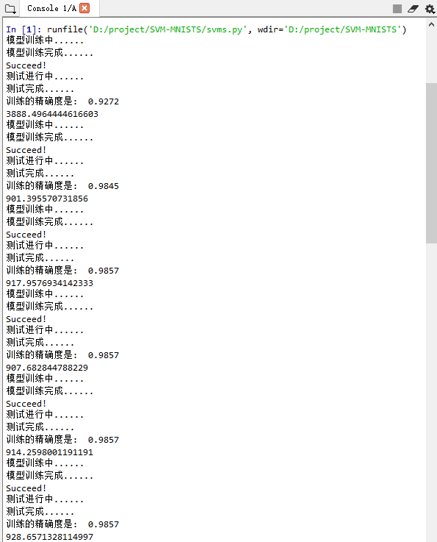
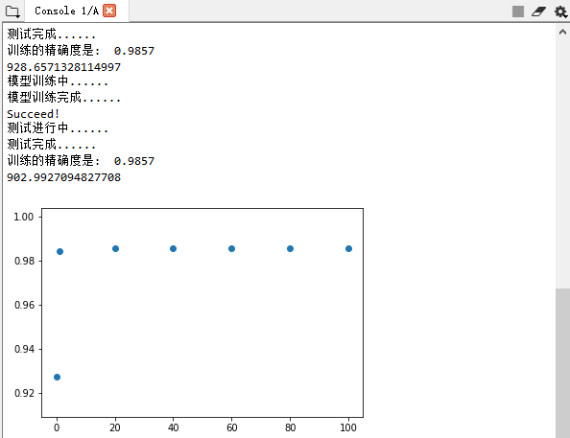

c | accuracy | time
0.01 | 0.9272 | 3888.4964445
1 | 0.9845 | 901.39557073
20 | 0.9857 | 917.95769341
40 | 0.9857 | 907.68284479
60 | 0.9857 | 914.25980012
80 | 0.9857 | 928.65713281
100 | 0.9857 | 902.99270948

gamma参数
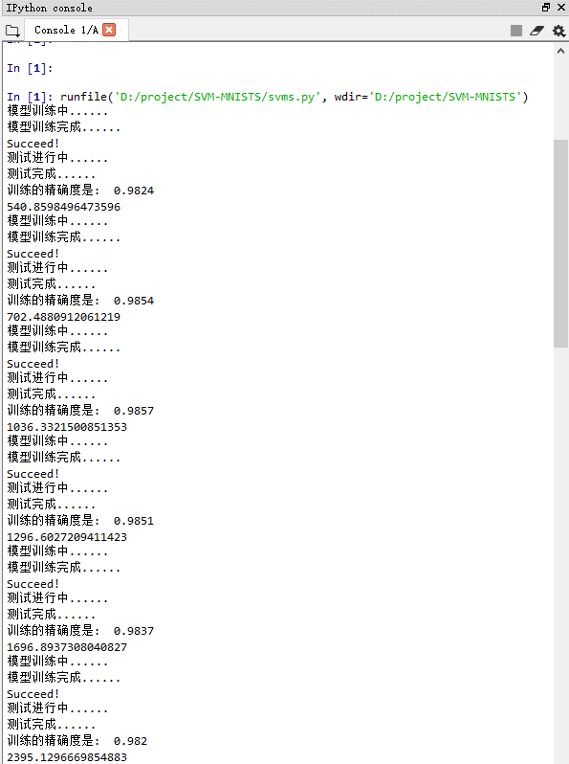
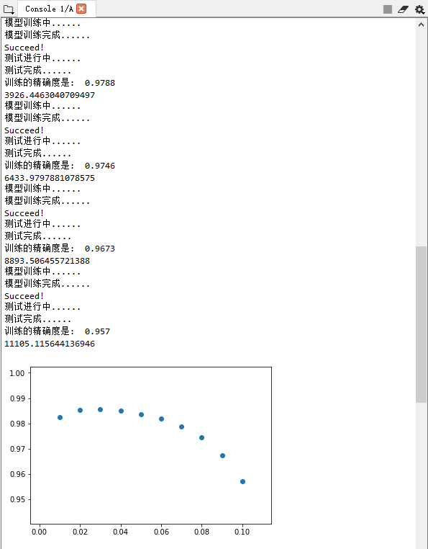

g | accuracy | time
0.01 | 0.9824 | 540.85984965
0.02 | 0.9854 | 702.48809121
0.03 | 0.9857 | 1036.3321501
0.04 | 0.9851 | 1296.6027209
0.05 | 0.9837 | 1696.8937308
0.06 | 0.982 | 2395.129667
0.07 | 0.9788 | 3926.4463041
0.08 | 0.9746 | 6433.9797881
0.09 | 0.9673 | 8893.5064557
0.1 | 0.957 | 11105.115644

