bugreps
build (site) |  | https://aliexpress.ru
environment |  | Win 10, Opera 89.0
date |  | 2022-08-01
tester |  | Bainov Alexey
preconditions |  | -
id | status | testcase | module | priority | severity | title | steps to reproduce | actual result | expected result | assigned to | screenshot
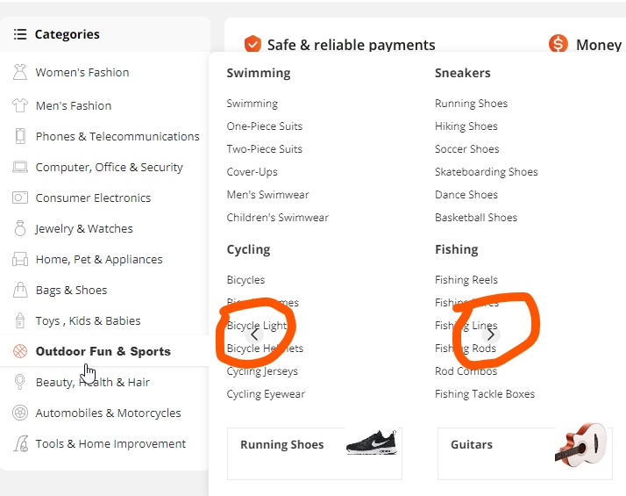
R-G.1.2/2.1/BR.001 | opened | R-G.1.2 | сatalog | low | minor | Subcategories displaying issue while browsing in main menu | 1. Open the home page https://aliexpress.ru |  |  | Petrov A.
 |  |  |  |  |  |  | 2. From the menu on the upper part of the page ("flag"/Москва/Русский) choose from the list "Доставка в" country "USA"), push button "Сохранить"
 |  |  |  |  |  |  | 3. on the left side of the title page point the mouse cursor over any category of goods | subcategories with the brands labels appearing on the right, arrows from banner below appearing from under the goods-menu | subcategories with the brands labels appearing on the right
R-G.1.2/2.1/BR.002 | opened | R-G.1.2 | сatalog | low | minor | Goods categories browsing from goods page: missed icons | 1. Open the home page https://aliexpress.ru |  |  | Vasechkin V.
 |  |  |  |  |  |  | 2. From the menu on the upper part of the page ("flag"/Москва/Русский) choose from the list "Доставка в" country "USA"), push button "Сохранить"
 |  |  |  |  |  |  | 3. press a bolded word "Categories" over categories (right from the menu button) or twice click on magnifier button right from the search field in the upper part of the page | all categories are opened on a new page, icons of categories "Home Appliances", "Security & Protection" are absent | all categories are opening on a new page, all categories icons are displayed
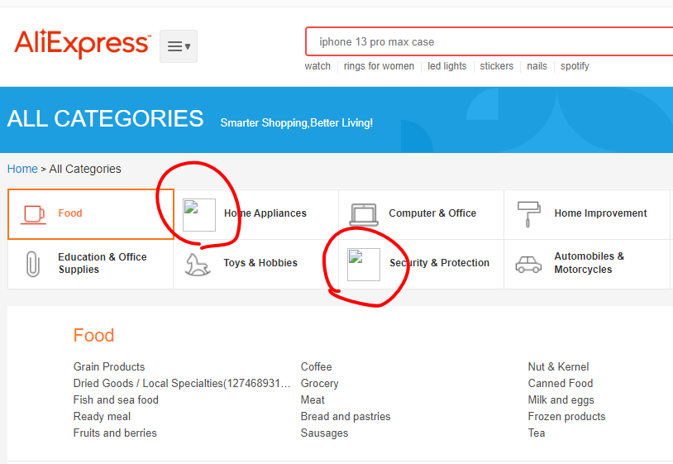
R-C.1.3/3.1/BR.003 | opened | R-C.1.3 | cart | low | major | Adding goods to the cart: counting ordered goods issue | 1. Open the home page https://aliexpress.ru |  |  | Gusev D.
 |  |  |  |  |  |  | 2. From the menu on the upper part of the page ("flag"/Москва/Русский) choose from the list "Доставка в" country "USA"), push button "Сохранить"
 |  |  |  |  |  |  | 3. Browse any good and add it to the cart | the number displayed on the icon in the upper-right corner of the page is zero in spite of the quantity of ordered goods | number of items added to the cart displayed on the icon in the upper-right corner of the page

